Feuil1
study | id | t | r | n | Harmful | Outcome: | Psychological Interventions in Coronary Heart Disease - Total mortality
Allison et al. 2000 | 1 | 3 | 2 | 220 |  | Treatments: |  | 1 | control(usual)
Allison et al. 2000 | 1 | 1 | 2 | 221 |  |  |  | 2 | educational
Burell 1996 | 2 | 3 | 7 | 128 |  |  |  | 3 | behavioral
Burell 1996 | 2 | 1 | 16 | 133 |  |  |  | 4 | cognitive
Burgess et al. 1987 | 3 | 16 | 5 | 89 |  |  |  | 5 | support
Burgess et al. 1987 | 3 | 1 | 5 | 91 |  |  |  | 6 | Educational+ behavioral
Cowan et al 2001 | 4 | 15 | 3 | 67 |  |  |  | 7 | Educational+ cognitive
Cowan et al 2001 | 4 | 1 | 8 | 66 |  |  |  | 8 | Educational+ relaxation
DeBusk et al 1994 | 5 | 3 | 12 | 293 |  |  |  | 9 | Behavioral+ cognitive
DeBusk et al 1994 | 5 | 1 | 10 | 292 |  |  |  | 10 | Behavioral+ relaxation
Berkman et al. 2003 | 6 | 4 | 168 | 1238 |  |  |  | 11 | Cognitive+ relaxation
Berkman et al. 2003 | 6 | 1 | 172 | 1243 |  |  |  | 12 | Cognitive+ support
Frasure-Smith et al. 1989 | 7 | 4 | 70 | 397 |  |  |  | 13 | Educational+ behavioral+ cognitive
Frasure-Smith et al. 1989 | 7 | 1 | 81 | 372 |  |  |  | 14 | Educational+ behavioral+ relaxation
Frasure-Smith et al. 1997 | 8 | 2 | 38 | 692 |  |  |  | 15 | Educational+ cognitive+ relaxation
Frasure-Smith et al. 1997 | 8 | 1 | 27 | 684 |  |  |  | 16 | Behavioral+ cognitive+ support
Fridlund et al. 1991 | 9 | 14 | 1 | 87
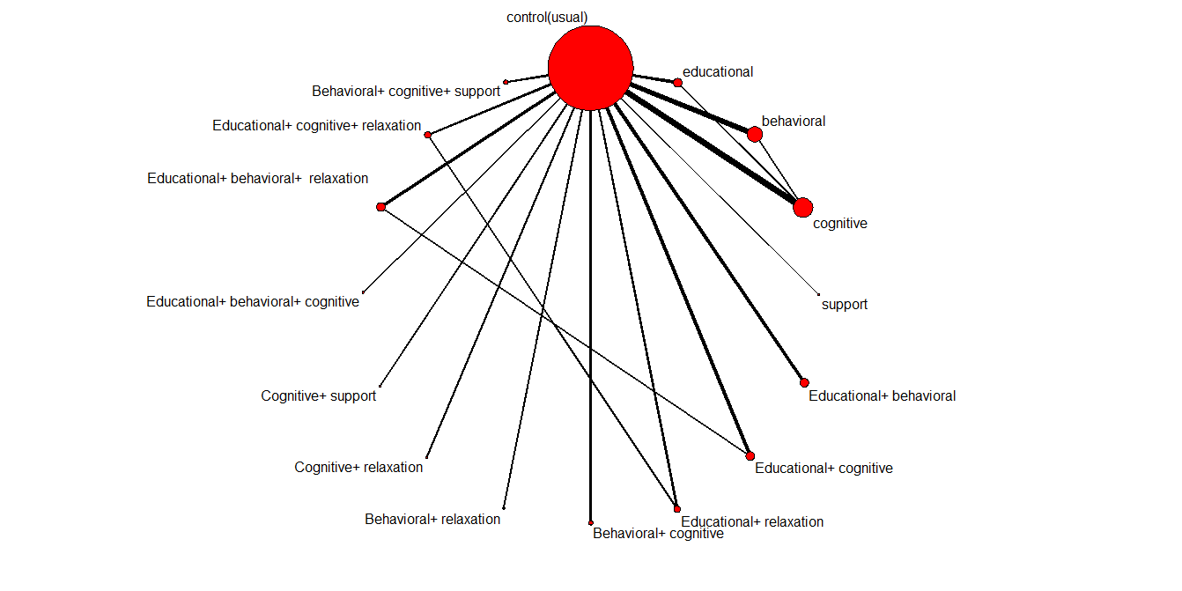
Fridlund et al. 1991 | 9 | 1 | 3 | 91
Hofman-Bang et al. 1999 | 10 | 14 | 0 | 48
Hofman-Bang et al. 1999 | 10 | 1 | 1 | 45
Johnston et al. 1999 | 11 | 7 | 5 | 76
Johnston et al. 1999 | 11 | 1 | 2 | 41
Jolly et al. 1999 | 12 | 3 | 15 | 277
Jolly et al. 1999 | 12 | 1 | 23 | 320
Jones et al. 1996 | 13 | 11 | 76 | 1168
Jones et al. 1996 | 13 | 1 | 75 | 1160
Lidell et al. 1996 | 14 | 6 | 7 | 53
Lidell et al. 1996 | 14 | 1 | 12 | 63
Oldenburg et al. 1985 | 15 | 15 | 2 | 16
Oldenburg et al. 1985 | 15 | 8 | 3 | 16
Oldenburg et al. 1985 | 15 | 1 | 0 | 14
Ornish et al. 1998 | 16 | 16 | 2 | 53
Ornish et al. 1998 | 16 | 1 | 1 | 40
Rahe et al. 1979 | 17 | 12 | 0 | 22
Rahe et al. 1979 | 17 | 1 | 3 | 22
PRECOR 1991 | 18 | 14 | 0 | 60
PRECOR 1991 | 18 | 7 | 5 | 61
PRECOR 1991 | 18 | 1 | 4 | 61
Stern et al. 1983 | 19 | 4 | 0 | 35
Stern et al. 1983 | 19 | 3 | 0 | 42
Stern et al. 1983 | 19 | 1 | 1 | 29
Van-Dixhoorn et al. 1999 | 20 | 10 | 7 | 76
Van-Dixhoorn et al. 1999 | 20 | 1 | 11 | 80
Vermeulen et al. 1983 | 21 | 9 | 2 | 47
Vermeulen et al. 1983 | 21 | 1 | 5 | 51
Gutschker et al. 1982 | 22 | 6 | 29 | 189
Gutschker et al. 1982 | 22 | 1 | 25 | 193
Bambauer et al. 2005 | 23 | 4 | 0 | 53
Bambauer et al. 2005 | 23 | 1 | 1 | 47
Burg et al. 2005 | 24 | 4 | 188 | 1503
Burg et al. 2005 | 24 | 1 | 14 | 408
Del Pino et al. 2005 | 25 | 4 | 1 | 33
Del Pino et al. 2005 | 25 | 2 | 2 | 33
Del Pino et al. 2005 | 25 | 1 | 0 | 32
Lear et al. 2006 | 26 | 9 | 1 | 151
Lear et al. 2006 | 26 | 1 | 3 | 151
Lisspers et al. 2005 | 27 | 13 | 1 | 48
Lisspers et al. 2005 | 27 | 1 | 6 | 45
Mayou et al. 2002 | 28 | 8 | 2 | 56
Mayou et al. 2002 | 28 | 1 | 3 | 58
McLaughlin et al. 2005 | 29 | 4 | 0 | 53
McLaughlin et al. 2005 | 29 | 1 | 1 | 47
Reid et al. 2005 | 30 | 6 | 4 | 196
Reid et al. 2005 | 30 | 1 | 2 | 196
Salminen et al. 2005 | 31 | 6 | 14 | 137
Salminen et al. 2005 | 31 | 1 | 15 | 131
Sebregts et al. 2005 | 32 | 7 | 1 | 106
Sebregts et al. 2005 | 32 | 1 | 0 | 98
Shuldham et al. 2002 | 33 | 2 | 5 | 188
Shuldham et al. 2002 | 33 | 1 | 2 | 168
Vale et al. 2002 | 34 | 3 | 0 | 121
Vale et al. 2002 | 34 | 1 | 2 | 124
Vale et al. 2003 | 35 | 5 | 4 | 398
Vale et al. 2003 | 35 | 1 | 4 | 394
Claesson et al. 2005 | 36 | 7 | 0 | 101
Claesson et al. 2005 | 36 | 1 | 0 | 97

