Feuil1
year | study | id | t | r | n | CGR for reference | Beneficial | Outcome: relative efficacy of nucleostides in the treatment of chronic hepatidis B - HBV DNA levels
2003 | Marcellin 2003 | 1 | 1 | 0 | 167 | 0 |  | Treatments | 1 | Placebo
 | Marcellin 2003 | 1 | 3 | 36 | 171 |  |  |  | 2 | LAM
2005 | Chan 2005 | 2 | 2 | 2 | 50 |  |  |  | 3 | ADV
 | Chan 2005 | 2 | 10 | 5 | 50 |  |  |  | 4 | LdT
2005 | Janssen 2005 | 3 | 9 | 13 | 136 |  |  |  | 5 | ETV
 | Janssen 2005 | 3 | 10 | 43 | 130 |  |  |  | 6 | TDF
2005 | Lai 2005 | 4 | 2 | 6 | 19 |  |  |  | 7 | LdT+LAM
 | Lai 2005 | 4 | 4 | 27 | 44 |  |  |  | 8 | ADV+LAM
 | Lai 2005 | 4 | 7 | 20 | 41 |  |  |  | 9 | PEG
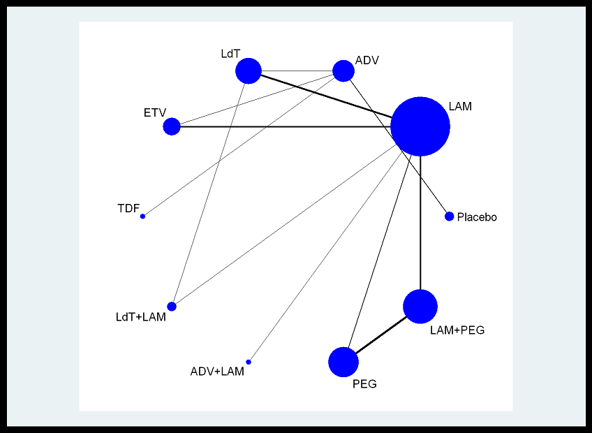
2005 | Lau 2005 | 5 | 2 | 108 | 272 |  |  |  | 10 | LAM+PEG
 | Lau 2005 | 5 | 9 | 68 | 271
 | Lau 2005 | 5 | 10 | 186 | 271
2006 | Chang 2006 | 6 | 2 | 129 | 355
 | Chang 2006 | 6 | 5 | 236 | 354
2007 | Chan 2007 | 7 | 3 | 17 | 44
 | Chan 2007 | 7 | 4 | 26 | 45
2007 | Lai 2007 | 8 | 2 | 187 | 463
 | Lai 2007 | 8 | 4 | 275 | 458
2007 | Ren 2007 | 9 | 2 | 8 | 21
 | Ren 2007 | 9 | 5 | 15 | 21
2008 | Hou 2008 | 10 | 2 | 55 | 165
 | Hou 2008 | 10 | 4 | 84 | 167
2008 | Marcellin 2008 | 11 | 3 | 91 | 215
 | Marcellin 2008 | 11 | 6 | 367 | 426
2008 | Sung 2008 | 12 | 2 | 23 | 56
 | Sung 2008 | 12 | 8 | 21 | 53
2009 | Leung 2009 | 13 | 3 | 6 | 32
 | Leung 2009 | 13 | 5 | 19 | 33
2003 | Hadziyannis 2003 | 14 | 1 | 0 | 61 | 0
 | Hadziyannis 2003 | 14 | 3 | 63 | 123
2004 | Marcellin 2004 | 15 | 2 | 133 | 181
 | Marcellin 2004 | 15 | 9 | 112 | 177
 | Marcellin 2004 | 15 | 10 | 156 | 179
2006 | Lai 2006 | 16 | 2 | 225 | 313
 | Lai 2006 | 16 | 5 | 293 | 325
2007 | Kaymakoglou 2007 | 17 | 9 | 5 | 19
 | Kaymakoglou 2007 | 17 | 10 | 7 | 29
2007 | Lai 2007 | 18 | 2 | 160 | 224
 | Lai 2007 | 18 | 4 | 196 | 222
2009 | Papadopoulos 2009 | 19 | 9 | 24 | 35
 | Papadopoulos 2009 | 19 | 10 | 73 | 88

