Feuil1
year | study | id | t | r | n | CGR ref treat | Harmful | Outcome: effectiveness of inhaled anesthetics in reducing post-operative myocardial infractions after cardiac surgery - AMI
1989 | Slogoff | 1 | 2 | 12 | 257 |  |  | Treatments | 1 | control
 | Slogoff | 1 | 1 | 10 | 254 | 0.03937007874 |  |  | 2 | enflurane
 | Slogoff | 1 | 3 | 10 | 248 |  |  |  | 3 | isoflurane
 | Slogoff | 1 | 4 | 9 | 253 |  |  |  | 4 | halothane
1991 | Hall 1991 | 2 | 2 | 2 | 18 |  |  |  | 5 | sevoflurane
 | Hall 1991 | 2 | 1 | 2 | 21 | 0.095238095238 |  |  | 6 | desflurane
1993 | Hall 1993 | 3 | 2 | 1 | 23
 | Hall 1993 | 3 | 1 | 1 | 24 | 0.041666666667
1994 | Ramsay | 4 | 2 | 1 | 25
 | Ramsay | 4 | 1 | 1 | 25 | 0.04
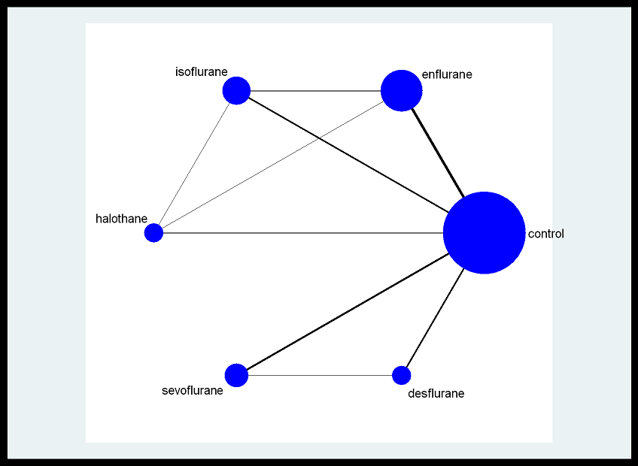
 | Ramsay | 4 | 3 | 3 | 25
1995 | Mora | 5 | 2 | 2 | 24
 | Mora | 5 | 1 | 1 | 23 | 0.04347826087
1997 | Myles | 6 | 2 | 2 | 66
 | Myles | 6 | 1 | 0 | 58 | 0
1991 | Leung | 7 | 3 | 3 | 62
 | Leung | 7 | 1 | 8 | 124 | 0.064516129032
1981 | Wilkinson | 8 | 4 | 1 | 14
 | Wilkinson | 8 | 1 | 1 | 12 | 0.083333333333
2000 | El-Azab | 9 | 5 | 1 | 15
 | El-Azab | 9 | 1 | 1 | 15 | 0.066666666667
2003 | Julier | 10 | 5 | 1 | 37
 | Julier | 10 | 1 | 2 | 35 | 0.057142857143
2004 | DaHert 1 | 11 | 5 | 1 | 80
 | DaHert 1 | 11 | 1 | 4 | 80 | 0.05
 | DaHert 1 | 11 | 6 | 1 | 80
2004 | DaHert 2 | 12 | 5 | 0 | 50
 | DaHert 2 | 12 | 1 | 1 | 50 | 0.02
1992 | Helman | 13 | 6 | 4 | 100
 | Helman | 13 | 1 | 4 | 100 | 0.04
1994 | Parsons | 14 | 6 | 0 | 25
 | Parsons | 14 | 1 | 1 | 25 | 0.04

