Feuil1
year | study | id | t | r | n | CGR ref treat | Harmful | Outcome: | Stroke prevention in patients with atrial fibrillation-Ischemic strokes
1990 | BAATAF 1990 | 1 | 1 | 13 | 208 | 0.0625 |  | Treatment: | 1 | Placebo
 | BAATAF 1990 | 1 | 3 | 2 | 212 |  |  |  | 2 | Adjusted Standard dose warfarin (WFN)
1992 | Ezekowitz 1992 | 2 | 1 | 19 | 265 | 0.071698113208 |  |  | 3 | Adjusted Low dose warfarin (LDW)
 | Ezekowitz 1992 | 2 | 3 | 4 | 260 |  |  |  | 4 | Fixed Low dose warfarin (FDW)
1991 | Connolly 1991 | 3 | 1 | 9 | 191 | 0.047120418848 |  |  | 5 | Aspirinn (ASP)
 | Connolly 1991 | 3 | 2 | 6 | 187 |  |  |  | 6 | Fixed low-dose warfarin & aspirin (FDWA)
2003 | Edvardsson 2003 | 4 | 1 | 39 | 334 | 0.11676646707 |  |  | 7 | ximelagatran (XML)
 | Edvardsson 2003 | 4 | 6 | 30 | 334 |  |  |  | 8 | alternate day aspirin (ADA)
2000 | Yamaguchi 2000 | 5 | 2 | 1 | 55 |  |  |  | 9 | indobufen (IBF)
 | Yamaguchi 2000 | 5 | 3 | 2 | 60
1998 | Pengo 1998 | 6 | 2 | 0 | 153
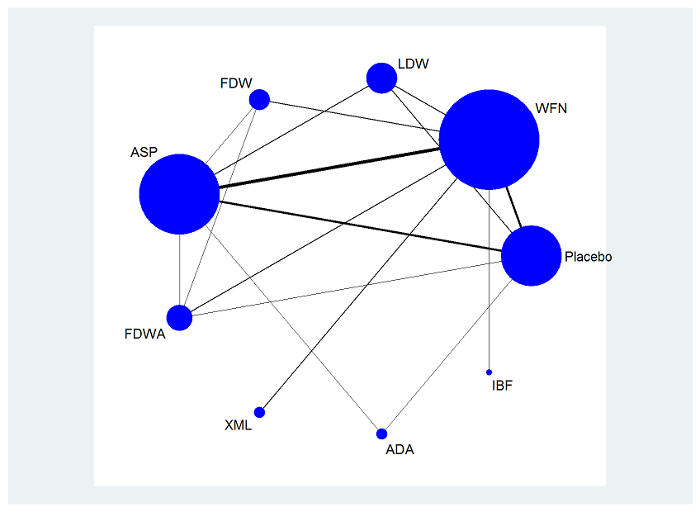
 | Pengo 1998 | 6 | 4 | 5 | 150
1994 | SPAF 1994 | 7 | 2 | 13 | 358
 | SPAF 1994 | 7 | 5 | 19 | 357
1994 | SPAF 1994 | 8 | 2 | 13 | 197
 | SPAF 1994 | 8 | 5 | 18 | 188
1996 | SPAF 1996 | 9 | 2 | 11 | 523
 | SPAF 1996 | 9 | 6 | 43 | 521
2003 | Olsson 2003 | 10 | 2 | 46 | 1703
 | Olsson 2003 | 10 | 7 | 32 | 1704
2005 | Albers 2005 | 11 | 2 | 36 | 1962
 | Albers 2005 | 11 | 7 | 45 | 1960
1997 | Morocutti 1997 | 12 | 2 | 18 | 454
 | Morocutti 1997 | 12 | 9 | 23 | 462
1999 | Hellemons 1999 | 13 | 3 | 12 | 157
 | Hellemons 1999 | 13 | 5 | 13 | 178
1991 | SPAF 1991 | 14 | 1 | 42 | 568 | 0.073943661972
 | SPAF 1991 | 14 | 2 | 6 | 210
 | SPAF 1991 | 14 | 5 | 23 | 552
1993 | EAFT 1993 | 15 | 1 | 73 | 378 | 0.19312169312
 | EAFT 1993 | 15 | 2 | 16 | 225
 | EAFT 1993 | 15 | 5 | 64 | 404
1989 | Petersen 1989 | 16 | 1 | 16 | 336 | 0.047619047619
 | Petersen 1989 | 16 | 2 | 5 | 335
 | Petersen 1989 | 16 | 5 | 15 | 336
1999 | Posada 1999 | 17 | 1 | 3 | 91 | 0.032967032967
 | Posada 1999 | 17 | 5 | 4 | 104
 | Posada 1999 | 17 | 8 | 1 | 90
1999 | Hellemons 1999 | 18 | 2 | 3 | 131
 | Hellemons 1999 | 18 | 3 | 3 | 122
 | Hellemons 1999 | 18 | 5 | 4 | 141
1998 | Gullov 1998 | 19 | 2 | 3 | 170
 | Gullov 1998 | 19 | 4 | 5 | 167
 | Gullov 1998 | 19 | 5 | 5 | 169
 | Gullov 1998 | 19 | 6 | 8 | 171

