Feuil1
year | study | id | t | r | n | CGR for reference treatment | Beneficial | Outcome: effectiveness of non-surgical treatments for women with stress urinary incontinence - cure with the PFMT treatment being split into basic and extra sessions
2003 | Aksac 2003 | 1 | 1 | 0 | 10 | 0 |  | Treatments | 1 | No treatment
 | Aksac 2003 | 1 | 13 | 15 | 20 |  |  |  | 2 | PFMT basic
 | Aksac 2003 | 1 | 3 | 16 | 20 |  |  |  | 3 | PFMT+BF
2001 | Arvonen 2001 | 2 | 2 | 0 | 19 |  |  |  | 4 | ES
 | Arvonen 2001 | 2 | 5 | 4 | 18 |  |  |  | 5 | VC
1996 | Berghmans 1996 | 3 | 13 | 3 | 20 |  |  |  | 6 | SNRI
 | Berghmans 1996 | 3 | 3 | 5 | 20 |  |  |  | 7 | BT
2001 | Bernardes 2001 | 4 | 13 | 5 | 7 |  |  |  | 8 | PFMT+ES
 | Bernardes 2001 | 4 | 4 | 2 | 7 |  |  |  | 9 | PFMT+ES+BF
1991 | Blowman 1991 | 5 | 2 | 1 | 6 |  |  |  | 10 | PFMT+VC
 | Blowman 1991 | 5 | 8 | 6 | 7 |  |  |  | 11 | PFMT+VC+BF
1999 | Bø 1999 | 6 | 1 | 0 | 30 | 0 |  |  | 12 | PFMT+BF+BT
 | Bø 1999 | 6 | 13 | 2 | 25 |  |  |  | 13 | PFMT extra
 | Bø 1999 | 6 | 4 | 1 | 25
 | Bø 1999 | 6 | 5 | 0 | 27
1994 | Bourcier 1994 | 7 | 9 | 31 | 46
 | Bourcier 1994 | 7 | 10 | 16 | 38
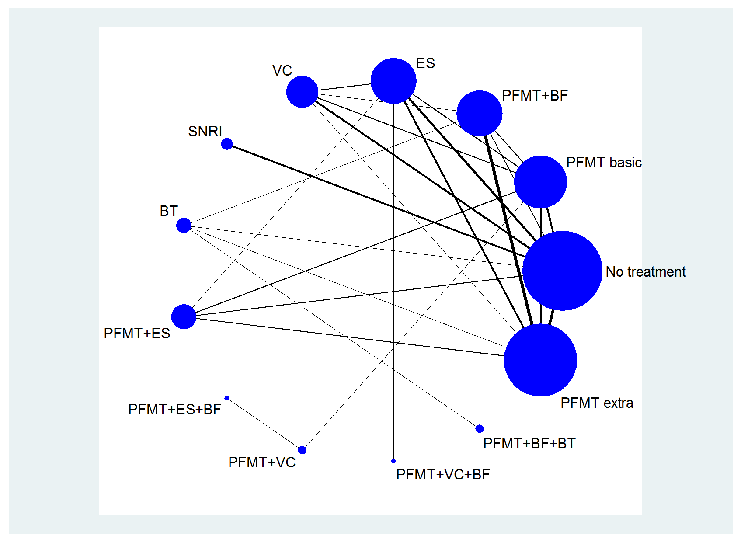
1997 | Brubaker 1997 | 8 | 1 | 3 | 44 | 0.068181818182
 | Brubaker 1997 | 8 | 5 | 4 | 46
1993 | Burns 1993 | 9 | 1 | 1 | 40 | 0.025
 | Burns 1993 | 9 | 13 | 7 | 43
 | Burns 1993 | 9 | 3 | 9 | 40
1998 | Cammu 1998 | 10 | 3 | 12 | 30
 | Cammu 1998 | 10 | 5 | 7 | 16
1991 | Fantl 1991 | 11 | 1 | 2 | 63 | 0.031746031746
 | Fantl 1991 | 11 | 7 | 7 | 60
1996 | Glavind 1996 | 12 | 2 | 3 | 15
 | Glavind 1996 | 12 | 3 | 11 | 19
2003 | Goode 2003 | 13 | 1 | 10 | 67 | 0.14925373134
 | Goode 2003 | 13 | 2 | 11 | 66
 | Goode 2003 | 13 | 8 | 10 | 67
1991 | Hahn 1991 | 14 | 2 | 1 | 10
 | Hahn 1991 | 14 | 4 | 1 | 10
1990 | Hofbaur 1990 | 15 | 1 | 0 | 10 | 0
 | Hofbaur 1990 | 15 | 13 | 6 | 11
 | Hofbaur 1990 | 15 | 4 | 1 | 11
 | Hofbaur 1990 | 15 | 8 | 3 | 11
2007 | Kim 2007 | 16 | 1 | 3 | 32 | 0.09375
 | Kim 2007 | 16 | 13 | 18 | 33
1995 | Klingler 1995 | 17 | 13 | 15 | 21
 | Klingler 1995 | 17 | 3 | 14 | 20
1991 | Lagro-Janssen 1991 | 18 | 1 | 0 | 33 | 0
 | Lagro-Janssen 1991 | 18 | 2 | 7 | 33
1993 | Laycock Trial 1 1993 | 19 | 4 | 1 | 23
 | Laycock Trial 1 1993 | 19 | 11 | 2 | 16
1997 | Luber 1997 | 20 | 1 | 4 | 24 | 0.16666666667
 | Luber 1997 | 20 | 4 | 2 | 20
2002 | Mørkved 2002 | 21 | 13 | 10 | 34
 | Mørkved 2002 | 21 | 3 | 16 | 36
1990 | Oláh 1990 | 22 | 4 | 4 | 30
 | Oláh 1990 | 22 | 5 | 4 | 24
2001 | Pages 2001 | 23 | 13 | 8 | 27
 | Pages 2001 | 23 | 3 | 8 | 13
1995 | Pieber 1995 | 24 | 2 | 3 | 25
 | Pieber 1995 | 24 | 10 | 5 | 21
1995 | Sand 1995 | 25 | 1 | 1 | 17 | 0.058823529412
 | Sand 1995 | 25 | 4 | 0 | 35
1983 | Shepherd 1983 | 26 | 2 | 3 | 11
 | Shepherd 1983 | 26 | 3 | 8 | 11
2007 | Sherburn 2007 | 27 | 13 | 19 | 40
 | Sherburn 2007 | 27 | 7 | 9 | 35
1996 | Smith 1996 | 28 | 2 | 1 | 9
 | Smith 1996 | 28 | 4 | 2 | 9
1989 | Tapp 1989 | 29 | 13 | 4 | 21
 | Tapp 1989 | 29 | 8 | 3 | 23
2006 | Williams 2006 | 30 | 1 | 6 | 75 | 0.08
 | Williams 2006 | 30 | 2 | 4 | 77
 | Williams 2006 | 30 | 5 | 7 | 79
1998 | Wyman 1998 | 31 | 3 | 8 | 64
 | Wyman 1998 | 31 | 7 | 12 | 68
 | Wyman 1998 | 31 | 12 | 19 | 61
2002 | Norton 2002 | 32 | 1 | 20 | 132 | 0.15151515152
 | Norton 2002 | 32 | 6 | 23 | 123
2003 | Dmochowski 2003 | 33 | 1 | 19 | 322 | 0.05900621118
 | Dmochowski 2003 | 33 | 6 | 30 | 286
2004 | Millard 2004 | 34 | 1 | 14 | 229 | 0.061135371179
 | Millard 2004 | 34 | 6 | 14 | 200
1990 | Bo 1990 | 35 | 2 | 0 | 29
 | Bo 1990 | 35 | 13 | 2 | 23
2007 | Konstantinidou 2007 | 36 | 2 | 7 | 10
 | Konstantinidou 2007 | 36 | 13 | 12 | 12
2007 | Zanetti 2007 | 37 | 2 | 2 | 21
 | Zanetti 2007 | 37 | 13 | 11 | 23
 | Laycock Trial 2 1993 | 38 | 1 | 0 | 11 | EXCLUDED
 | Laycock Trial 2 1993 | 38 | 4 | 0 | 15

