Feuil1
study | id | t | r | n |  | Harmful | Outcome:Combined resynchronisation and implantable defibrillator therapy in left ventricular dysfunction - all-cause mortality
Bristow 2004 | 1 | 2 | 131 | 617 |  |  | Treatments: | 1 | MT (Medical Therapy)
Bristow 2004 | 1 | 1 | 77 | 308 |  |  |  | 2 | CRT
Bristow 2004 | 1 | 4 | 105 | 595 |  |  |  | 3 | ICD
Cleland 2006 | 2 | 2 | 101 | 409 |  |  |  | 4 | CRT+ICD
Cleland 2006 | 2 | 1 | 154 | 404 |  |  |  | 5 | MT+amiodarone
Abraham 2002 | 3 | 2 | 12 | 228 |  |  |  | 6 | MT+ICD
Abraham 2002 | 3 | 1 | 16 | 225 |  |  |  | 7 | amiodarone
Cazeau 2001 | 4 | 2 | 1 | 29
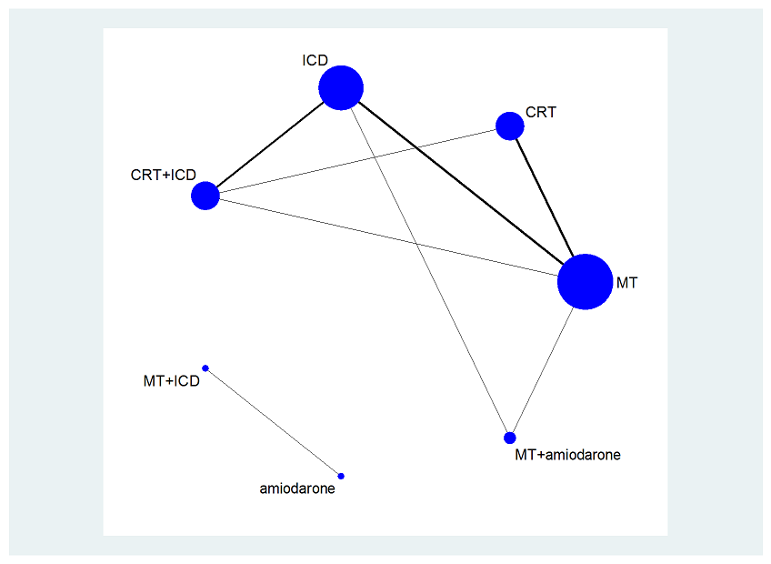
Cazeau 2001 | 4 | 1 | 0 | 29
Bardy 2005 | 5 | 3 | 182 | 829
Bardy 2005 | 5 | 1 | 244 | 847
Bardy 2005 | 5 | 5 | 240 | 845
Moss 2002 | 6 | 3 | 105 | 742
Moss 2002 | 6 | 1 | 97 | 490
Kadish 2004 | 7 | 3 | 28 | 229
Kadish 2004 | 7 | 1 | 40 | 229
Bansch 2002 | 8 | 3 | 13 | 50
Bansch 2002 | 8 | 1 | 17 | 54
Young 2003 | 9 | 4 | 4 | 187
Young 2003 | 9 | 3 | 5 | 182
Abraham 2004 | 10 | 4 | 2 | 85
Abraham 2004 | 10 | 3 | 2 | 101
Higgins 2003 | 11 | 4 | 11 | 245
Higgins 2003 | 11 | 3 | 16 | 245
Strickberger 2003 | 12 | 7 | 6 | 52 | EXCLUDED
Strickberger 2003 | 12 | 6 | 6 | 51

