Feuil1
year | study | id | t | r | n | Harmful | Outcome: Open retropubic colposuspension for urinary incontinence in women - number not cured within first year
1986 | Klarskov 1986 | 1 | 1 | 3 | 16 |  | Treatments | 1 | Open retropubic colposuspension
 | Klarskov 1986 | 1 | 2 | 10 | 13 |  |  | 2 | conservative
1996 | Berglund 1996 | 2 | 1 | 4 | 30 |  |  | 3 | anterior colporrhapy
 | Berglund 1996 | 2 | 3 | 4 | 15 |  |  | 4 | sling | ----------------------
1989 | Bergman 1989 | 3 | 3 | 20 | 99 |  |  | 5 | needle susp | comp | Freq.
 | Bergman 1989 | 3 | 1 | 11 | 101 |  |  | 6 | lap colpo | ----------+-----------
 | Bergman 1989 | 3 | 5 | 19 | 98 |  |  | 7 | Burch | 1vs2 | 1
1989 | Bergman 1989b | 4 | 1 | 3 | 38 |  |  | 8 | MMK | 1vs3 | 6
 | Bergman 1989b | 4 | 3 | 7 | 35 |  |  | 9 | drug | 1vs4 | 6
 | Bergman 1989b | 4 | 5 | 6 | 34 |  |  |  |  | 1vs5 | 4
1985 | Holmes 1985 | 5 | 1 | 0 | 26 |  |  |  |  | 1vs6 | 5
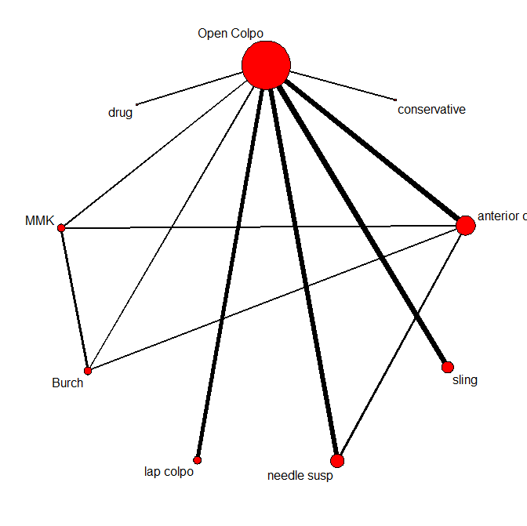
 | Holmes 1985 | 5 | 3 | 4 | 25 |  |  |  |  | 1vs7 | 1
1996 | Liapis 1996 | 6 | 1 | 3 | 54 |  |  |  |  | 1vs8 | 1
 | Liapis 1996 | 6 | 3 | 11 | 50 |  |  |  |  | 1vs9 | 1
 | Liapis 1996 | 6 | 7 | 3 | 54 |  |  |  |  | 3vs5 | 1
 | Liapis 1996 | 6 | 8 | 8 | 51 |  |  |  |  | 3vs6 | 1
1985 | Quadri 1985 | 7 | 1 | 5 | 48 |  |  |  |  | 3vs7 | 1
 | Quadri 1985 | 7 | 3 | 6 | 55 |  |  |  |  | 3vs8 | 1
2000 | Sand 2000 | 8 | 1 | 1 | 19 |  |  |  |  | 7vs8 | 2
 | Sand 2000 | 8 | 4 | 0 | 17 |  |  |  |  | ----------------------
2001 | Demirci 2001 | 9 | 1 | 2 | 17
 | Demirci 2001 | 9 | 4 | 1 | 17 |  |  |  |  | .
2005 | Bai 2005 | 10 | 1 | 8 | 66
 | Bai 2005 | 10 | 4 | 6 | 59
2002 | Ward 2002 | 11 | 1 | 37 | 127
 | Ward 2002 | 11 | 4 | 56 | 159
1994 | German 1994 | 12 | 1 | 7 | 24
 | German 1994 | 12 | 5 | 11 | 26
1998 | Gilja 1998 | 13 | 1 | 2 | 56
 | Gilja 1998 | 13 | 5 | 4 | 90
1985 | Palma 1985 | 14 | 1 | 4 | 30
 | Palma 1985 | 14 | 5 | 1 | 20
2000 | Carey 2000 | 15 | 1 | 11 | 82
 | Carey 2000 | 15 | 6 | 7 | 73
2001 | Fatthy 2001 | 16 | 1 | 4 | 40
 | Fatthy 2001 | 16 | 6 | 3 | 33
2006 | Kitchener 2006 | 17 | 1 | 76 | 128
 | Kitchener 2006 | 17 | 6 | 77 | 130
1997 | Su 1997 | 18 | 1 | 2 | 46
 | Su 1997 | 18 | 6 | 7 | 46
1999 | Quadri 1999 | 19 | 7 | 3 | 15
 | Quadri 1999 | 19 | 8 | 0 | 15
2005 | El Barky 2005 | 20 | 1 | 7 | 25
 | El Barky 2005 | 20 | 4 | 7 | 25
2004 | Drahoradova 2004 | 21 | 1 | 1 | 60
 | Drahoradova 2004 | 21 | 4 | 4 | 79
2003 | Osman 2003 | 22 | 1 | 3 | 23
 | Osman 2003 | 22 | 9 | 21 | 21

