Feuil1
year | study | id | t | r | n | CGR ref treat | Harmful | Outcome: Treatment failure - persistent discharge
1997 | Kasemsuwan 1997 | 1 | 2 | 3 | 19 |  |  | Treatments: | 1 | No treatment
 | Kasemsuwan 1997 | 1 | 1 | 14 | 16 | 0.15789473684 |  |  | 2 | Topical quinolone antibiotic
2002 | van Hasselt 2002 | 2 | 2 | 32 | 79 |  |  |  | 3 | Topical non-quinolone antibiotic
 | van Hasselt 2002 | 2 | 1 | 66 | 83 | 0.40506329114 |  |  | 4 | Topical antiseptic
 | van Hasselt 2002 | 2 | 4 | 77 | 91
1997 | van Hasselt 1997 | 3 | 2 | 7 | 14
 | van Hasselt 1997 | 3 | 3 | 24 | 40
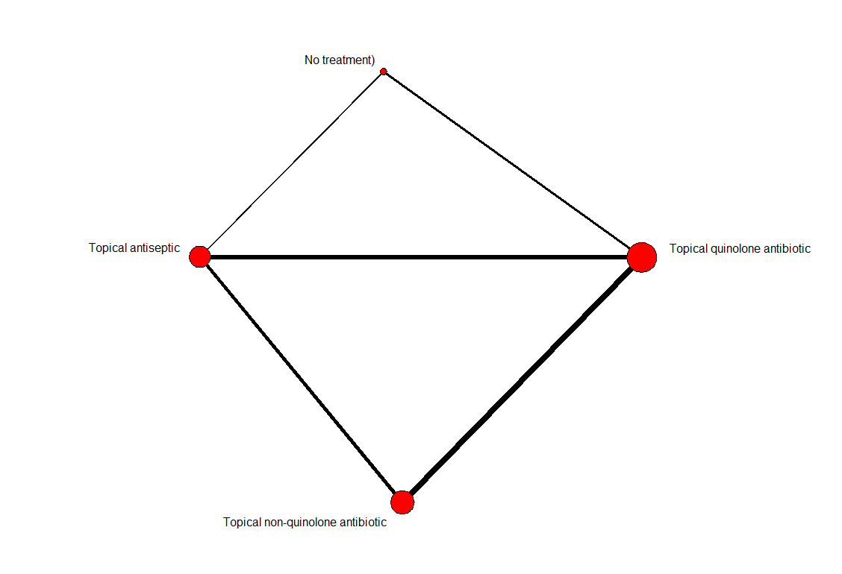
 | van Hasselt 1997 | 3 | 4 | 34 | 39
2002 | Kaygusuz 2002 | 4 | 2 | 10 | 20
 | Kaygusuz 2002 | 4 | 3 | 10 | 20
1995 | Lorente 1995 | 5 | 2 | 8 | 159
 | Lorente 1995 | 5 | 3 | 9 | 149
1995 | Tutkun 1995 | 6 | 2 | 3 | 24
 | Tutkun 1995 | 6 | 3 | 14 | 20
1998 | VH 1998 daily | 7 | 2 | 9 | 32
 | VH 1998 daily | 7 | 3 | 12 | 36
1998 | VH 1998 weekly | 8 | 2 | 16 | 39
 | VH 1998 weekly | 8 | 3 | 13 | 31
1997 | Fradis 1997 | 9 | 2 | 10 | 19
 | Fradis 1997 | 9 | 3 | 8 | 18
 | Fradis 1997 | 9 | 4 | 13 | 17
1990 | Clayton 1990 | 10 | 3 | 19 | 60
 | Clayton 1990 | 10 | 4 | 14 | 42
1983 | Browning 1983a | 11 | 3 | 15 | 18
 | Browning 1983a | 11 | 4 | 13 | 20
2003 | Jaya 2003 | 12 | 2 | 6 | 21
 | Jaya 2003 | 12 | 4 | 6 | 19
2005 | Macfadyen 2005 | 13 | 2 | 66 | 196
 | Macfadyen 2005 | 13 | 4 | 108 | 198

