Feuil1
study | id | t | r | n | CGR for reference treatment | Harmful | Outcome: antihypertensive treatments for the prevention of heart failure - incidence
Syst-Eur | 1 | 5 | 37 | 2398 |  |  | Treatments | 1 | Placebo
Syst-Eur | 1 | 1 | 49 | 2297 | 0.021332172399 |  |  | 2 | DDs
Syst-China | 2 | 5 | 4 | 1253 |  |  |  | 3 | CT
Syst-China | 2 | 1 | 8 | 1141 | 0.0070113935145 |  |  | 4 | BBs
UKPDS | 3 | 7 | 12 | 400 |  |  |  | 5 | CCBs
UKPDS | 3 | 4 | 9 | 358 |  |  |  | 6 | ABs
Abcd | 4 | 7 | 5 | 235 |  |  |  | 7 | ACEis
Abcd | 4 | 5 | 6 | 235 |  |  |  | 8 | ARBs
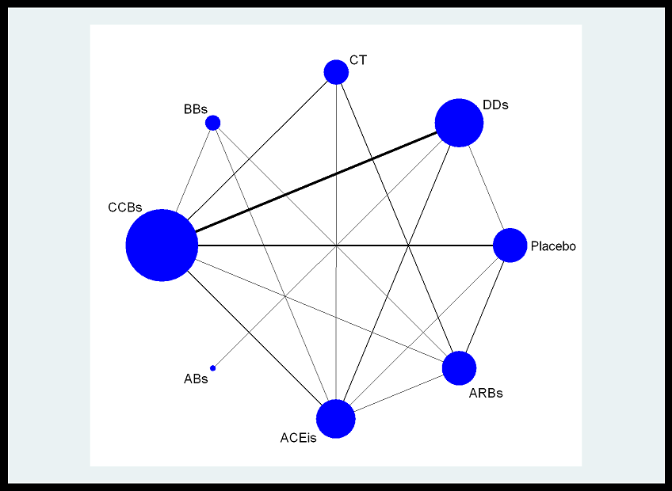
VHAS | 5 | 5 | 2 | 707
VHAS | 5 | 2 | 0 | 707
Capp | 6 | 7 | 75 | 5492
Capp | 6 | 3 | 66 | 5493
Nics-Eh | 7 | 5 | 0 | 204
Nics-Eh | 7 | 2 | 3 | 210
Stop-2 | 8 | 5 | 186 | 2196
Stop-2 | 8 | 3 | 177 | 2205
Stop-2 | 8 | 7 | 149 | 2213
Insight | 9 | 5 | 26 | 3157
Insight | 9 | 2 | 12 | 3164
Nordil | 10 | 5 | 63 | 5410
Nordil | 10 | 3 | 53 | 5471
Allhat 2000 | 11 | 6 | 491 | 9067
Allhat 2000 | 11 | 2 | 420 | 15268
Hope | 12 | 7 | 417 | 4645
Hope | 12 | 1 | 535 | 4652 | 0.11500429923
Renral | 13 | 8 | 89 | 751
Renral | 13 | 1 | 127 | 762 | 0.16666666667
Life | 14 | 8 | 153 | 4605
Life | 14 | 4 | 161 | 4588
Convince | 15 | 5 | 126 | 8179
Convince | 15 | 3 | 100 | 8297
Allhat 2002 | 16 | 5 | 706 | 9048
Allhat 2002 | 16 | 2 | 870 | 9054
Allhat 2002 | 16 | 7 | 612 | 15255
Value | 17 | 8 | 354 | 7649
Value | 17 | 5 | 400 | 7596
Anbp2 | 18 | 7 | 69 | 3044
Anbp2 | 18 | 2 | 78 | 3039
Shell | 19 | 5 | 23 | 942
Shell | 19 | 2 | 19 | 940
Fever | 20 | 5 | 18 | 4841
Fever | 20 | 1 | 27 | 4870 | 0.0055441478439
Ascot-Bpla | 21 | 5 | 134 | 9639
Ascot-Bpla | 21 | 4 | 159 | 9618
E-Cost | 22 | 8 | 35 | 1053
E-Cost | 22 | 3 | 41 | 995
Jikei Heart Study | 23 | 8 | 19 | 1541
Jikei Heart Study | 23 | 3 | 36 | 1540
Hyvet | 24 | 2 | 22 | 1933
Hyvet | 24 | 1 | 57 | 1912 | 0.029811715481
Ontarget | 25 | 7 | 514 | 8576
Ontarget | 25 | 8 | 537 | 8542
Transcend | 26 | 8 | 134 | 2954
Transcend | 26 | 1 | 129 | 2972 | 0.043405114401

