Feuil1
year | study | id | t | r | n | CGR ref teatm | Harmful | Outcome: efficacy of treatments for stroke prevention in atrial fibrillation - ischemic stroke
1991 | Cannolly 1991 | 1 | 9 | 5 | 187 |  |  | Treatments | 1 | Placebo
 | Cannolly 1991 | 1 | 1 | 9 | 191 | 0.047120418848 |  |  | 2 | Aspirin-monotherapy
2009 | Cannolly 2009 | 2 | 7 | 159 | 6015 |  |  |  | 3 | Aspirin+Clopidogrel
 | Cannolly 2009 | 2 | 8 | 111 | 6076 |  |  |  | 4 | Idraparinux
 | Cannolly 2009 | 2 | 9 | 143 | 6022 |  |  |  | 5 | Fixed low dose warfarin+aspirin
1992 | Ezekowitz 1992 | 3 | 9 | 4 | 260 |  |  |  | 6 | Fixed low dose warfarin
 | Ezekowitz 1992 | 3 | 1 | 19 | 265 | 0.071698113208 |  |  | 7 | Dabigatran 110mg BID
1998 | Gullov 1998 | 4 | 2 | 5 | 169 |  |  |  | 8 | Dabigatran 150mg BID
 | Gullov 1998 | 4 | 9 | 3 | 170 |  |  |  | 9 | Adjusted-dose VKA
 | Gullov 1998 | 4 | 6 | 5 | 167 |  |  |  | 10 | Indobufen
 | Gullov 1998 | 4 | 5 | 8 | 171 |  |  |  | 11 | Ximelagatran
1999 | Hellemons 1999 | 5 | 2 | 4 | 141
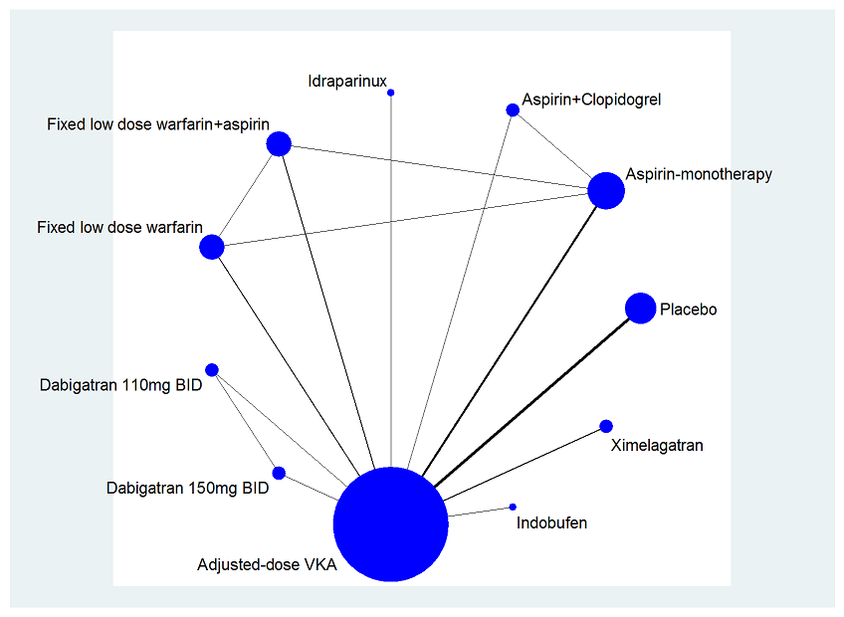
 | Hellemons 1999 | 5 | 9 | 2 | 131
1997 | Morocutti 1997 | 6 | 9 | 10 | 454
 | Morocutti 1997 | 6 | 10 | 18 | 462
1998 | Pengo 1998 | 7 | 9 | 0 | 153
 | Pengo 1998 | 7 | 6 | 5 | 150
2006 | Active 2006 | 8 | 3 | 90 | 3335
 | Active 2006 | 8 | 9 | 42 | 3371
2008 | Amadeus 2008 | 9 | 9 | 20 | 2107
 | Amadeus 2008 | 9 | 4 | 13 | 1922
1990 | Baataf 1990 | 10 | 9 | 2 | 212
 | Baataf 1990 | 10 | 1 | 13 | 208 | 0.0625
1993 | Eaft 1993 | 11 | 9 | 16 | 225
 | Eaft 1993 | 11 | 1 | 39 | 214 | 0.18224299065
1991 | Spaf 1991 | 12 | 9 | 6 | 210
 | Spaf 1991 | 12 | 1 | 17 | 211 | 0.080568720379
1994 | Spaf II 1994 | 13 | 2 | 37 | 545
 | Spaf II 1994 | 13 | 9 | 26 | 555
1993 | Spaf III 1996 | 14 | 9 | 11 | 523
 | Spaf III 1996 | 14 | 5 | 43 | 521
2003 | Sportif III 2003 | 15 | 9 | 46 | 1703
 | Sportif III 2003 | 15 | 11 | 32 | 1704
2005 | Sportif V 2005 | 16 | 9 | 36 | 1962
 | Sportif V 2005 | 16 | 11 | 45 | 1960
2009 | Active 2009 | 17 | 3 | 235 | 3772
 | Active 2009 | 17 | 2 | 343 | 3782

