DMD_ELC
~TFM_INS |  |  |  |  |  | ~TFM_INS
CommName | *Description | *Unit | Attribute | Year | EGRID | CommName | *Description | Attribute | TimeSlice | Year | EGRID
* | * | * | * | * | * | * | * | * | * | * | *
ELCMISEGRIDDMD | DEMAND - Electricity Miscellanous EGRID electricity demand | TJ | COM_PROJ | 2019 | 0 | ELCMISEGRIDDMD | DEMAND - Electricity Miscellanous EGRID electricity demand | COM_FR | IDAM | 2019 | 0.0822
ELCMISEGRIDDMD | DEMAND - Electricity Miscellanous EGRID electricity demand | TJ | COM_PROJ | 2020 | 0 | ELCMISEGRIDDMD | DEMAND - Electricity Miscellanous EGRID electricity demand | COM_FR | IDPM | 2019 | 0.0957
ELCMISEGRIDDMD | DEMAND - Electricity Miscellanous EGRID electricity demand | TJ | COM_PROJ | 2025 | 0 | ELCMISEGRIDDMD | DEMAND - Electricity Miscellanous EGRID electricity demand | COM_FR | IN | 2019 | 0.1532
ELCMISEGRIDDMD | DEMAND - Electricity Miscellanous EGRID electricity demand | TJ | COM_PROJ | 2030 | 0 | ELCMISEGRIDDMD | DEMAND - Electricity Miscellanous EGRID electricity demand | COM_FR | IP | 2019 | 0.0032
ELCMISEGRIDDMD | DEMAND - Electricity Miscellanous EGRID electricity demand | TJ | COM_PROJ | 2035 | 0 | ELCMISEGRIDDMD | DEMAND - Electricity Miscellanous EGRID electricity demand | COM_FR | WDAM | 2019 | 0.0815
ELCMISEGRIDDMD | DEMAND - Electricity Miscellanous EGRID electricity demand | TJ | COM_PROJ | 2040 | 0 | ELCMISEGRIDDMD | DEMAND - Electricity Miscellanous EGRID electricity demand | COM_FR | WDPM | 2019 | 0.1087
ELCMISEGRIDDMD | DEMAND - Electricity Miscellanous EGRID electricity demand | TJ | COM_PROJ | 2045 | 0 | ELCMISEGRIDDMD | DEMAND - Electricity Miscellanous EGRID electricity demand | COM_FR | WN | 2019 | 0.1381
ELCMISEGRIDDMD | DEMAND - Electricity Miscellanous EGRID electricity demand | TJ | COM_PROJ | 2050 | 0 | ELCMISEGRIDDMD | DEMAND - Electricity Miscellanous EGRID electricity demand | COM_FR | WP | 2019 | 0.0032
ELCMISEGRIDDMD | DEMAND - Electricity Miscellanous EGRID electricity demand | TJ | COM_PROJ | 2055 | 0 | ELCMISEGRIDDMD | DEMAND - Electricity Miscellanous EGRID electricity demand | COM_FR | SDAM | 2019 | 0.0975
ELCMISEGRIDDMD | DEMAND - Electricity Miscellanous EGRID electricity demand | TJ | COM_PROJ | 2060 | 0 | ELCMISEGRIDDMD | DEMAND - Electricity Miscellanous EGRID electricity demand | COM_FR | SDPM | 2019 | 0.1087
ELCMISEGRIDDMD | DEMAND - Electricity Miscellanous EGRID electricity demand | TJ | COM_PROJ | 2065 | 0 | ELCMISEGRIDDMD | DEMAND - Electricity Miscellanous EGRID electricity demand | COM_FR | SN | 2019 | 0.1253
ELCMISEGRIDDMD | DEMAND - Electricity Miscellanous EGRID electricity demand | TJ | COM_PROJ | 2070 | 0 | ELCMISEGRIDDMD | DEMAND - Electricity Miscellanous EGRID electricity demand | COM_FR | SP | 2019 | 0.0027
ELCMISEGRIDDMD | DEMAND - Electricity Miscellanous EGRID electricity demand | TJ | COM_PROJ | 2075 | 0 | ELCMISEGRIDDMD | DEMAND - Electricity Miscellanous EGRID electricity demand | COM_FR | IDAM | 2100 | 0.0822
ELCMISEGRIDDMD | DEMAND - Electricity Miscellanous EGRID electricity demand | TJ | COM_PROJ | 2080 | 0 | ELCMISEGRIDDMD | DEMAND - Electricity Miscellanous EGRID electricity demand | COM_FR | IDPM | 2100 | 0.0957
ELCMISEGRIDDMD | DEMAND - Electricity Miscellanous EGRID electricity demand | TJ | COM_PROJ | 2085 | 0 | ELCMISEGRIDDMD | DEMAND - Electricity Miscellanous EGRID electricity demand | COM_FR | IN | 2100 | 0.1532
ELCMISEGRIDDMD | DEMAND - Electricity Miscellanous EGRID electricity demand | TJ | COM_PROJ | 2090 | 0 | ELCMISEGRIDDMD | DEMAND - Electricity Miscellanous EGRID electricity demand | COM_FR | IP | 2100 | 0.0032
ELCMISEGRIDDMD | DEMAND - Electricity Miscellanous EGRID electricity demand | TJ | COM_PROJ | 2095 | 0 | ELCMISEGRIDDMD | DEMAND - Electricity Miscellanous EGRID electricity demand | COM_FR | WDAM | 2100 | 0.0815
ELCMISEGRIDDMD | DEMAND - Electricity Miscellanous EGRID electricity demand | TJ | COM_PROJ | 2100 | 0 | ELCMISEGRIDDMD | DEMAND - Electricity Miscellanous EGRID electricity demand | COM_FR | WDPM | 2100 | 0.1087
ELCMISEGRIDDMD | DEMAND - Electricity Miscellanous EGRID electricity demand | TJ | COM_PROJ | 0 | 5 | ELCMISEGRIDDMD | DEMAND - Electricity Miscellanous EGRID electricity demand | COM_FR | WN | 2100 | 0.1381
 |  |  |  |  |  | ELCMISEGRIDDMD | DEMAND - Electricity Miscellanous EGRID electricity demand | COM_FR | WP | 2100 | 0.0032
 |  |  |  |  |  | ELCMISEGRIDDMD | DEMAND - Electricity Miscellanous EGRID electricity demand | COM_FR | SDAM | 2100 | 0.0975
 |  |  |  |  |  | ELCMISEGRIDDMD | DEMAND - Electricity Miscellanous EGRID electricity demand | COM_FR | SDPM | 2100 | 0.1087
 |  |  |  |  |  | ELCMISEGRIDDMD | DEMAND - Electricity Miscellanous EGRID electricity demand | COM_FR | SN | 2100 | 0.1253
 |  |  |  |  |  | ELCMISEGRIDDMD | DEMAND - Electricity Miscellanous EGRID electricity demand | COM_FR | SP | 2100 | 0.0027

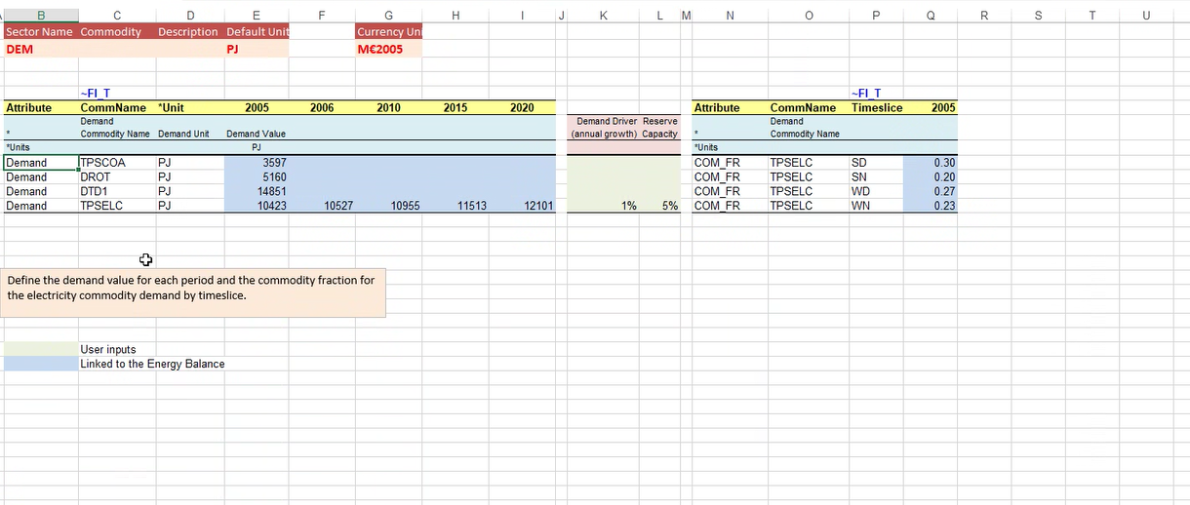

~TFM_INS
CommName | *Description | *Unit | Attribute | Year | CITY
* | * | * | * | * | *

