Domestic NG Prices
Lower 48 Natural Gas Production and Wellhead Prices by Supply Region, Reference case

Region | 2005 in 2005$ | 2010 in 2010$ | 2015 | 2020 | 2025 | 2030 | 2035 | 2040

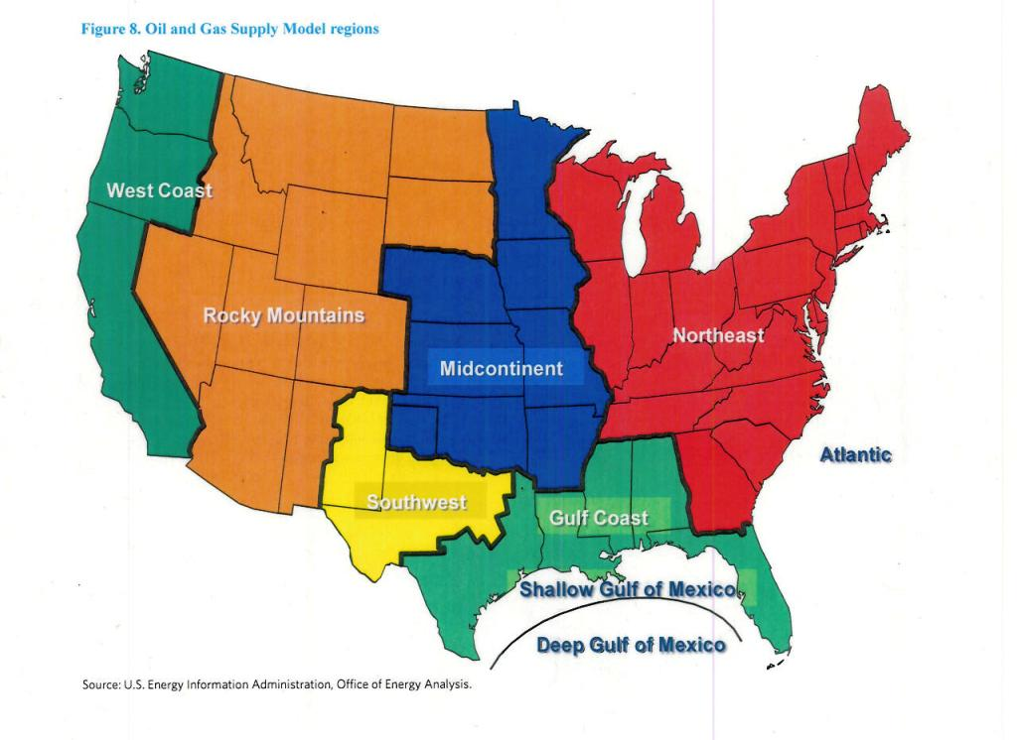
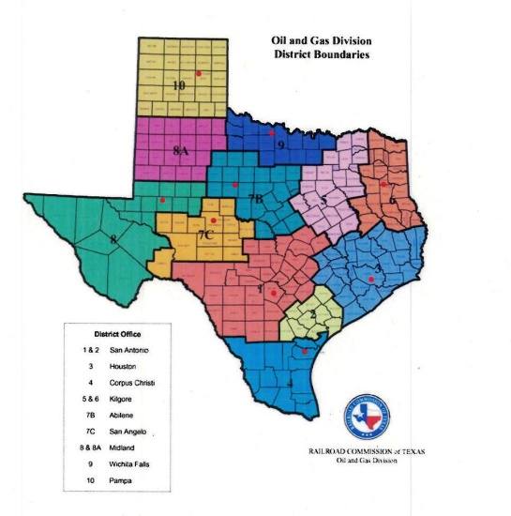
Dry Production (trillion cubic feet) 1/
Lower 48 Total | 17.77 | 21.22 | 24.33 | 28.81 | 31.61 | 33.24 | 34.92 | 36.38

Lower 48 Onshore |  | 18.66 | 22.21 | 26.65 | 29.52 | 30.82 | 32.46 | 33.43
Northeast | 1.10 | 1.52 | 4.26 | 5.29 | 6.53 | 6.57 | 7.72 | 8.08
Gulf Coast | 4.65 | 4.85 | 6.02 | 8.33 | 9.76 | 10.17 | 10.30 | 10.54
Midcontinent | 2.48 | 3.43 | 3.39 | 3.74 | 3.71 | 3.49 | 3.28 | 2.98
Southwest | 1.81 | 3.59 | 3.45 | 3.46 | 3.27 | 3.29 | 3.33 | 4.20
Rocky Mountain | 4.07 | 5.06 | 4.94 | 5.70 | 6.12 | 7.19 | 7.72 | 7.50
West Coast | 0.25 | 0.21 | 0.15 | 0.14 | 0.13 | 0.11 | 0.11 | 0.12

Lower 48 Offshore |  | 2.56 | 2.12 | 2.16 | 2.09 | 2.42 | 2.46 | 2.95
Gulf | 3.35 | 2.52 | 2.09 | 2.14 | 2.07 | 2.31 | 2.30 | 2.49 |  |  |  | Supply Curve Steps
Shallow | 1.98 | 0.94 | 0.61 | 0.42 | 0.49 | 0.57 | 0.58 | 0.53 |  |  |  | Prices | Quantity
Deep | 1.37 | 1.58 | 1.48 | 1.72 | 1.58 | 1.75 | 1.72 | 1.96 |  |  | 1 | 0.88 | 0.4
Pacific | 0.06 | 0.04 | 0.03 | 0.02 | 0.02 | 0.04 | 0.12 | 0.15 |  |  | 2 | 0.95 | 0.7
Atlantic | 0.00 | 0 | 0.00 | 0.00 | 0.00 | 0.06 | 0.04 | 0.31 |  |  | 3 | 1 | 1
 |  |  |  |  |  |  |  |  |  |  | 4 | 1.08 | 1.05
Supply Prices |  |  |  |  |  |  |  |  |  |  | 5 | 1.12 | 1.1 |  |  | * Based on estimated state production in the U.S. Crude Oil, NG, and NGL Reserves report found on
(2012 dollars per million Btu) |  |  |  |  |  |  |  |  |  |  | 6 | 1.53 | 1.2 |  |  | Domestic NG CUM worksheet, the following assumptions were made:
Henry Hub Spot Price | 8.60 | 4.39 | 3.74 | 4.38 | 5.23 | 6.03 | 6.92 | 7.65 |  |  |  |  |  |  |  |  | R4 prices allotted as 33% of Rocky Mountain and 67% of Midcontinent
Lower 48 Average Price | 7.29 | 4.06 | 3.45 | 4.24 | 4.91 | 5.63 | 6.35 | 7.26 | 1.144 |  |  |  |  |  |  |  | R6 prices allotted as 26% of Northeast and 74% of Gulf Coast
 | 6.91 | 3.50 | 2.87 | 3.52 | 4.07 | 4.68 | 5.27 | 6.03 |  |  | Step 3 Price Starting Point: |  |  | 1.1 |  |  | R7 prices allotted as 25% of Southwest, 40% of Gulf Coast, 24% of Midcontinent, and 11% offshore
(2012 dollars per thousand cubic feet) |  |  |  |  |  |  |  |  |  |  |  |  |  | *10% above average price
Lower 48 Average Price | 7.51 | 4.16 | 3.53 | 4.34 | 5.01 | 5.76 | 6.49 | 7.42
 | 6.96 | 3.51 | 2.87 | 3.52 | 4.07 | 4.68 | 5.27 | 6.03
Lower 48 Onshore Price |  |  |  |  |  |  |  |  | Growth Rate: 2012-2040 |  | 2005 | 2010 | 2015 | 2020 | 2025 | 2030 | 2035 | 2040 | Growth 2040+
Northeast | 7.70 | 4.59 | 3.46 | 4.11 | 5.44 | 6.61 | 6.57 | 8.11 | 1.40 | R1 | 7.14 | 3.87 | 2.81 | 3.34 | 4.42 | 5.37 | 5.34 | 6.59 | 1.234
Gulf Coast | 7.88 | 4.18 | 3.52 | 4.14 | 4.98 | 5.78 | 6.65 | 7.41 | 1.40 | R2 | 7.14 | 3.87 | 2.81 | 3.34 | 4.42 | 5.37 | 5.34 | 6.59 | 1.234
Midcontinent | 7.35 | 3.85 | 3.69 | 4.75 | 5.07 | 5.84 | 6.78 | 7.59 | 1.50 | R3 | 7.14 | 3.87 | 2.81 | 3.34 | 4.42 | 5.37 | 5.34 | 6.59 | 1.234
Southwest | 7.48 | 4.21 | 3.80 | 4.90 | 5.26 | 5.82 | 6.76 | 7.01 | 1.50 | R4 | 6.63 | 3.23 | 2.83 | 3.63 | 3.92 | 4.46 | 5.24 | 5.94 | 1.133
Rocky Mountain | 6.75 | 3.79 | 3.06 | 3.91 | 4.33 | 4.77 | 5.80 | 6.74 | 1.60 | R5 | 7.14 | 3.87 | 2.81 | 3.34 | 4.42 | 5.37 | 5.34 | 6.59 | 1.234
West Coast | 7.55 | 4.33 | 4.39 | 4.76 | 5.28 | 5.66 | 6.79 | 7.62 | 1.00 | R6 | 7.27 | 3.61 | 2.85 | 3.36 | 4.15 | 4.87 | 5.39 | 6.17 | 1.144
 |  |  |  |  |  |  |  |  |  | R7 | 7.11 | 3.53 | 2.99 | 3.73 | 4.15 | 4.73 | 5.48 | 5.99 | 1.094
Lower 48 Offshore Price |  |  |  |  |  |  |  |  |  | R8 | 6.26 | 3.19 | 2.49 | 3.17 | 3.52 | 3.88 | 4.71 | 5.48 | 1.162
Gulf | 7.99 | 4.93 | 4.00 | 5.15 | 5.31 | 5.98 | 6.93 | 7.63 |  | R9 | 7.00 | 3.65 | 3.56 | 3.87 | 4.29 | 4.60 | 5.52 | 6.19 | 1.122
Pacific | 7.56 | 4.52 | 4.76 | 5.30 | 5.76 | 7.07 | 6.68 | 7.57
Atlantic | 0.00 | 4.25 | 4.10 | 5.02 | 5.20 | 7.71 | 8.82 | 8.72 |  | Henry Hub | 7.98 | 3.70 | 3.04 | 3.56 | 4.25 | 4.90 | 5.63 | 6.22 | 1.105

1/ Marketed production (wet) minus extraction losses.
- - = Not applicable.
Note: Oil and Gas Supply Model regions are defined in Appendix F of the Annual Energy Outlook. Totals may not equal sum of
components due to independent rounding.
Sources: 2011 production: U.S. Department of the Interior, Office of Natural Resources Revenue; U.S. Energy
Information Administration (EIA), Natural Gas Annual 2011, DOE/EIA-0131(2011) (Washington, DC, January 2013); EIA, U.S. Crude Oil,
Natural Gas, and Natural Gas Liquids Reserves, DOE/EIA-0216(2011) (Washington, DC, August 2013); and EIA, Office of Energy Analysis
(OEA). 2012 production: EIA, Natural Gas Monthly, DOE/EIA-0130(2013/06) (Washington, DC, June 2013)
and EIA, Office of Energy Analysis. 2011 and 2012 natural gas spot prices at Henry Hub: Thomson Reuters.
2011 and 2012 offshore prices based on revenue data from the U.S. Department of the
Interior, Office of Natural Resources Revenue; and EIA, OEA. 2011 and 2012 onshore prices based on
daily data from Natural Gas Intelligence and assumed gathering charges. Projections: EIA, AEO2014 National Energy Modeling System.

Oil and Gas Supply, Reference case

Production and Supply | 2005 in 2005$ | 2010 in 2010$ | 2015 | 2020 | 2025 | 2030 | 2035 | 2040

Dry Production (trillion cubic feet) 4/
Alaska | 0.45 | 0.36 | 0.30 | 0.28 | 0.26 | 1.19 | 1.17 | 1.17

