Domestic_NYC
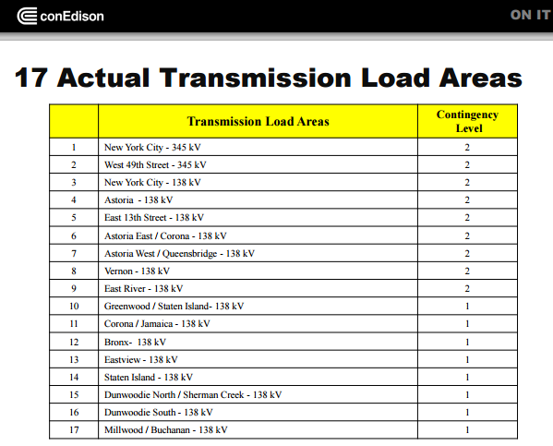
 | Proposed Seasonal Transmission Flow Limits Between NYC Boroughs Divisions (GW) |  |  |  |  |  |  |  |  |  |  | New York City's 17 Transmission Load Areas (TLA)
 | NYC Transmission Capacity Values |  |  |  |  |  |  |  |  |  |  | TLA Name | Borough | Regions | Line kV | MW
 | Winter (GW) |  | Import Region |  |  |  |  |  |  |  |  | NYC 345kV | BK,BX,MH,SI,QN | R2,R3,R4,R5,R6 | 345 | 320
 | Export Region |  | NE | BK | BX | MH | SI | QN |  |  |  | West 49th Street | Manhattan | R4 | 345 | 320
 |  |  | R1 | R2 | R3 | R4 | R5 | R6 | R7 | R8 | R9 | NYC 138kV | MH,QN | R4,R6 | 138 | 128
5.300 | NE | R1 |  | 2.348 | 1.328 | 1.379 | 0.171 | 0.074 |  |  |  | Astoria 138kV | MH,QN | R4,R6 | 138 | 128
3.968 | BK | R2 | 2.348 |  | 0.320 | 1.000 | 0.300 |  |  |  |  | East 13th Street | Manhattan | R4 | 138 | 128
2.032 | BX | R3 | 1.328 | 0.320 |  | 0.256 | 0.128 |  |  |  |  | Astoria East/Corona | Queens | R6 | 138 | 128
1.763 | MH | R4 | 1.379 | 0.128 | 0.256 |  |  |  |  |  |  | Astoria West/Queensbridge | MH,QN | R4,R6 | 138 | 128
1.111 | SI | R5 | 0.171 | 0.300 | 0.128 |  |  | 0.512 |  |  |  | Vernon | MH,QN | R4,R6 | 138 | 128
0.586 | QN | R6 | 0.074 |  |  |  | 0.512 |  |  |  |  | East River | Manhattan | R4 | 138 | 128
 |  | R7 |  |  |  |  |  |  |  |  |  | Greenwood/Staten Island | BK,SI | R2,R5 | 138 | 128
 |  | R8 |  |  |  |  |  |  |  |  |  | Corona/Jamaica | QN | R6 | 138 | 128
 |  | R9 |  |  |  |  |  |  |  |  |  | Bronx | BX,MH | R3, R4 | 138 | 128
 |  |  | 5.300 | 3.096 | 2.032 | 2.635 | 1.111 | 0.586 |  |  |  | Eastview | Westchester | - | 138 | 128
 |  |  |  |  |  |  |  |  |  |  |  | Staten Island | Staten Island | R5 | 138 | 128
 | Summer (GW) |  | Import Region |  |  |  |  |  |  |  |  | Dunwoodie North/Sherman Creek | BK,MH | R2, R4 | 138 | 128
 | Export Region |  | NE | BK | BX | MH | SI | QN | 0 |  |  | Dunwoodie South | BX,MH | R4,R5 | 138 | 128
 |  |  | R1 | R2 | R3 | R4 | R5 | R6 | R7 | R8 | R9 | Millwood/Buchanon | BX | R4 | 138 | 128
 | NE | R1 |  | 2.348 | 1.328 | 1.379 | 0.171 | 0.074
 | BK | R2 | 2.348 |  | 0.320 | 1.000 | 0.300 |  |  |  |  | Source: ConEdison 2014 Transmission Plan
 | BX | R3 | 1.328 | 0.320 |  | 0.256 | 0.128
 | MH | R4 | 1.379 | 0.128 | 0.256 |  |  |  |  |  |  | New York City Substations
 | SI | R5 | 0.171 | 0.300 | 0.128 |  |  | 0.512 |  |  |  | TLA Name | Borough | Regions | Line kV | MW | Source
 | QN | R6 | 0.074 |  |  |  | 0.512 |  |  |  |  | Brownsville | BK | R3 | 138 | 763 | ConEd/DPS
 | 0 | R7 |  |  |  |  |  |  |  |  |  | Goethels | SI | R7 | 345 | 315 | Anbaric
 |  | R8 |  |  |  |  |  |  |  |  |  | Academy | ??? | ??? | ??? | 350 | Anbaric
 |  | R9 |  |  |  |  |  |  |  |  |  | Greenwood | MH,QN | R5,R7 | 138 | 128
 |  |  |  |  |  |  |  |  |  |  |  | Avenue A | MH,QN | R5,R7 | 138 | 128 |  | Matt Koenig Email: koenigm@coned.com
 | [Note that it is assumed that all transfers can be bi-directional always according to the Winter table! So explicit 0 where cant?] |  |  |  |  |  |  |  |  |  |  | East 13th Street | Manhattan | R5 | 138 | 128
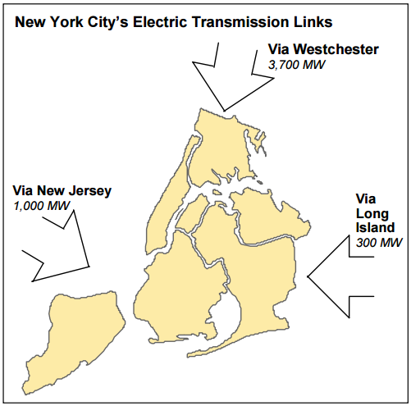
 |  |  |  |  |  |  |  |  |  |  |  | East 15th Street | Manhattan | R5 | 138 | 128
 | Table with the RESID/BOUND(UP) = Max of Summer/Winter |  |  |  | R3 | R4 | R5 | R6 |  |  |  | East 36th Street | Manhattan | R5 | 138 | 128
 | Max (GW) |  | Import Region |  |  |  |  |  |  |  |  | West 49th Street | Manhattan | R5 | 345 | 660 | Anbaric
 | Export Region |  | NE | BK | BX | MH | SI | QN | 0 |  |  | East 75th Street | Manhattan | R5 | 138 | 128
 |  |  | R1 | R2 | R3 | R4 | R5 | R6 | R7 | R8 | R9 | East 179th Street | Queens | R7 | 138 | 128
 | NE | R1 |  | 2.348 | 1.328 | 1.379 | 0.171 | 0.074 |  |  |  | Fresh Kills | MH,QN | R5,R7 | 138 | 128
 | BK | R2 | 2.348 |  | 0.320 | 1.000 | 0.300 |  |  |  |  | Fox Hills | MH,QN | R5,R7 | 138 | 128
 | BX | R3 | 1.328 | 0.320 |  | 0.256 | 0.128 |  |  |  |  | Parkchester | Manhattan | R5 | 138 | 128
 | MH | R4 | 1.379 | 0.128 | 0.256 |  |  |  |  |  |  | Queensbridge | BK,SI | R3,R6 | 138 | 128
 | SI | R5 | 0.171 | 0.300 | 0.128 |  |  | 0.512 |  |  |  | Gowanus | BX,MH | R4,R5 | 138 | 128
 | QN | R6 | 0.074 |  |  |  |  |  |  |  |  | Trade Center | Westchester | R7 | 138 | 128
 | 0 | R7 |  |  |  |  |  |  |  |  |  | Seaport | Staten Island | R6 | 138 | 128
 | 0 | R8 |  |  |  |  |  |  |  |  |  | Sherman Creek | Staten Island | R6 | 138 | 128
 | 0 | R9 |  |  |  |  |  |  |  |  |  | Rainey |  |  | 345 | 320
 | Fixed |  |  |  |  |  |  |  |  |  |  | Vernon | Staten Island | R6 | 138 | 128
 |  |  |  |  |  |  |  |  |  |  |  | Hellgate | BX,MH | R4,R5 | 138 | 128
 | Winter AF |  | Import Region |  |  |  |  |  |  |  |  |  |  |  |  | 3821
 | Export Region |  | NE | BK | BX | MH | SI | QN | 0
 |  |  | R1 | R2 | R3 | R4 | R5 | R6 | R7 | R8 | R9
 | NE | R1 |  | 95.0% | 95.0% | 95.0% | 95.0% | 95.0% |  |  |  | Electricity consumption per borough (from COMET)
 | BK | R2 | 95.0% |  | 95.0% | 95.0% | 95.0% |  |  |  |  | PJ | 2010 | 2015 | 2020 | 2025 | Share
 | BX | R3 | 95.0% | 95.0% |  | 95.0% | 95.0% |  |  |  |  | R2 | 47.79 | 42.67 | 41.55 | 45.99 | 25%
 | MH | R4 | 95.0% | 95.0% | 95.0% |  |  |  |  |  |  | R3 | 24.2 | 21.52 | 20.84 | 22.36 | 13%
 | SI | R5 | 95.0% | 95.0% | 95.0% |  |  | 95.0% |  |  |  | R4 | 75.27 | 61.95 | 62.95 | 67.64 | 39%
 | QN | R6 | 95.0% |  |  |  | 95.0% |  |  |  |  | R5 | 11.81 | 11.11 | 10.46 | 11.41 | 6%
 | 0 | R7 |  |  |  |  |  |  |  |  |  | R6 | 29.57 | 28.38 | 28.9 | 30.7 | 17%
 |  | R8
 |  | R9 |  |  |  |  |  |  |  |  |  | Electricity generation (or import PSEG/Linden/Bayonne) per borough (from COMET)
 |  |  |  |  | R3 | R4 | R5 | R6 |  |  |  | PJ | 2010 | 2015 | 2020 | 2025 | Share
 | Summer AF |  | Import Region |  |  |  |  |  |  |  |  | R2 | 8.64 | 10.74 | 11.11 | 9.7 | 10%
 | Export Region |  | NE | BK | BX | MH | SI | QN | 0 |  |  | R3 | 2.06 | 1.65 | 1.87 | 1.59 | 2%
 |  |  | R1 | R2 | R3 | R4 | R5 | R6 | R7 | R8 | R9 | R4 | 52.27 | 56.22 | 56.27 | 56.27 | 54%
 | NE | R1 |  | 95.0% | 95.0% | 95.0% | 95.0% | 95.0% |  |  |  | R5 | 8.96 | 8.08 | 5.82 | 1.59 | 7%
 | BK | R2 | 95.0% |  | 95.0% | 95.0% | 95.0% |  |  |  |  | R6 | 28.33 | 25.65 | 27.3 | 23.38 | 27% |  | 5263.1578947
 | BX | R3 | 95.0% | 95.0% |  | 95.0% | 95.0%
 | MH | R4 | 95.0% | 95.0% | 95.0% |  |  |  |  |  |  | Net-Load per borough (from COMET)
 | SI | R5 | 95.0% | 95.0% | 95.0% |  |  | 95.0% |  |  |  | PJ | 2010 | 2015 | 2020 | 2025 | Share
 | QN | R6 | 95.0% |  |  |  | 95.0% |  |  |  |  | R2 | 39.15 | 31.93 | 30.44 | 36.29 | 44%
 | 0 | R7 |  |  |  |  |  |  |  |  |  | R3 | 22.14 | 19.87 | 18.97 | 20.77 | 25%
 |  | R8 |  |  |  |  |  |  |  |  |  | R4 | 23 | 5.73 | 6.68 | 11.37 | 26%
 |  | R9 |  |  |  |  |  |  |  |  |  | R5 | 2.85 | 3.03 | 4.64 | 9.82 | 3%
 |  |  |  |  | R3 | R4 | R5 | R6 |  |  |  | R6 | 1.24 | 2.73 | 1.6 | 7.32 | 1%
 | Intermediate AF |  | Import Region
 | Export Region |  | NE | BK | BX | MH | SI | QN | 0
 |  |  | R1 | R2 | R3 | R4 | R5 | R6 | R7 | R8 | R9
 | NE | R1 |  | 95.0% | 95.0% | 95.0% | 95.0% | 95.0%
 | BK | R2 | 95.0% |  | 95.0% | 95.0% | 95.0%
 | BX | R3 | 95.0% | 95.0% |  | 95.0% | 95.0%
 | MH | R4 | 95.0% | 95.0% | 95.0%
 | SI | R5 | 95.0% | 95.0% | 95.0% |  |  | 95.0%
 | QN | R6 | 95.0% |  |  |  | 95.0%
 | 0 | R7
 |  | R8
 |  | R9

 | Intermediate = average of AF (Summer + Winter)

