RegXWalk
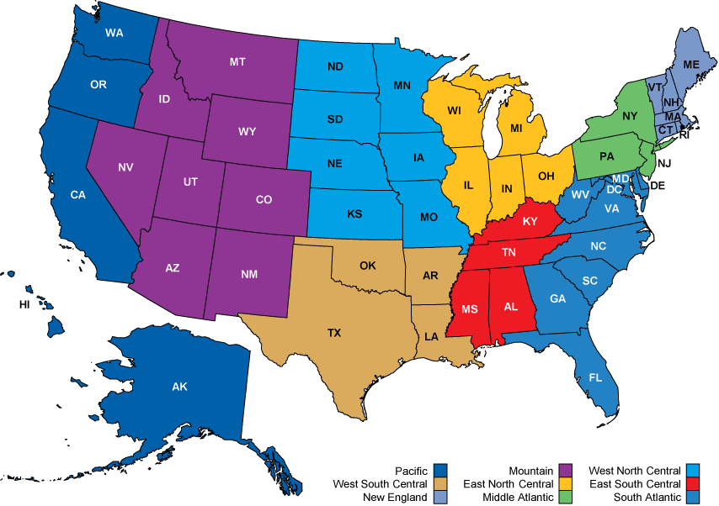
Region | State
6 | Alabama
8 | Arizona
7 | Arkansas
9 | California
8 | Colorado
1 | Connecticut
5 | Delaware
5 | District of Columbia
5 | Florida
5 | Georgia
8 | Idaho
3 | Illinois
3 | Indiana
4 | Iowa
4 | Kansas
6 | Kentucky
7 | Louisiana
1 | Maine
5 | Maryland
1 | Massachusetts
3 | Michigan
4 | Minnesota
6 | Mississippi
4 | Missouri
8 | Montana
8 | Nebraska
8 | Nevada
1 | New Hampshire
2 | New Jersey
8 | New Mexico
2 | New York
5 | North Carolina
4 | North Dakota
3 | Ohio
7 | Oklahoma
9 | Oregon
2 | Pennsylvania
1 | Rhode Island
5 | South Carolina
4 | South Dakota
6 | Tennessee
7 | Texas
8 | Utah
1 | Vermont
5 | Virginia
9 | Washington
5 | West Virginia
3 | Wisconsin
8 | Wyoming

