Constants
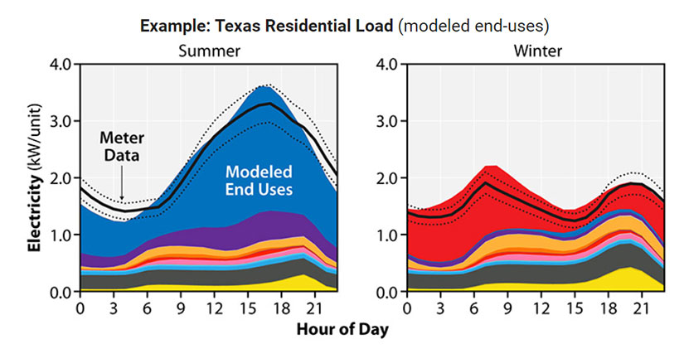
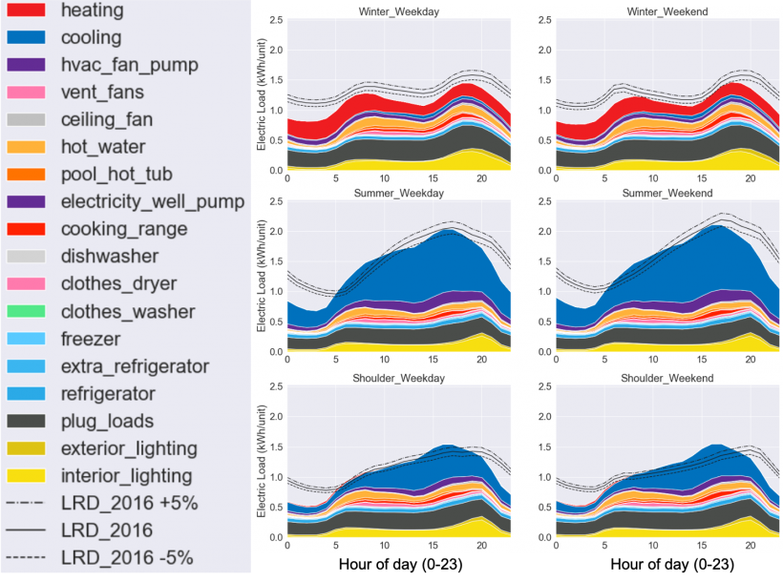
* Define constants for the model

~TFM_INS
TimeSlice | LimType | Attribute | Year | Other_Indexes | Tech_Comm_Info | AllRegions | Pset_Set | Pset_PN | Pset_PD | Pset_CI | Pset_CO | Cset_Set | Cset_CN | Cset_CD
 |  | Discount |  |  |  | 0.05
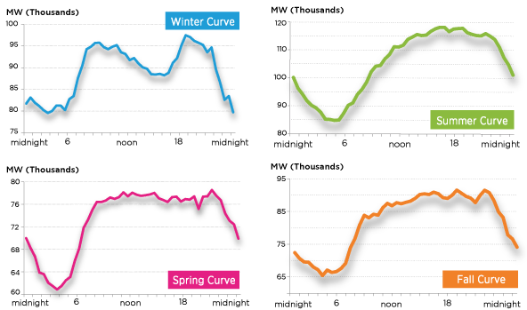
FDAM |  | YRFR |  |  |  | 0.0418
FDPM |  | YRFR |  |  |  | 0.0497
FN |  | YRFR |  |  |  | 0.0696
FP |  | YRFR |  |  |  | 0.0060
PDAM |  | YRFR |  |  |  | 0.0418
PDPM |  | YRFR |  |  |  | 0.0497
PN |  | YRFR |  |  |  | 0.0696
PP |  | YRFR |  |  |  | 0.0060
SDAM |  | YRFR |  |  |  | 0.0975
SDPM |  | YRFR |  |  |  | 0.1054
SN |  | YRFR |  |  |  | 0.1114
SP |  | YRFR |  |  |  | 0.0199
WDAM |  | YRFR |  |  |  | 0.0691
WDPM |  | YRFR |  |  |  | 0.0987
WN |  | YRFR |  |  |  | 0.1519
WP |  | YRFR |  |  |  | 0.0118

MARKAL EPAUS9r input data
 | Scenario | Parameter | Units | Region | Item1 | Item2 | Item3 | TimeSlice | Value
 | BASE | QHR(Z)(Y) | dec fractn | R1 | - | _ | - | I-DAM | 0.0822 | 0.0836
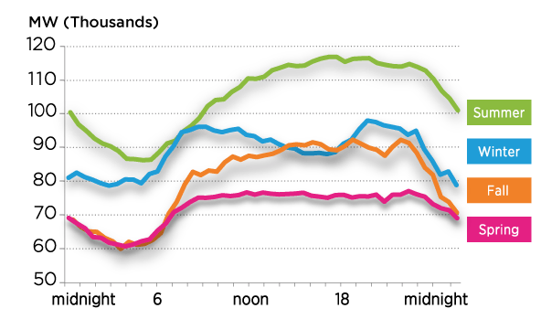
 | BASE | QHR(Z)(Y) | dec fractn | R1 | - | _ | - | I-DPM | 0.0957 | 0.0995
 | BASE | QHR(Z)(Y) | dec fractn | R1 | - | _ | - | I-N | 0.1532 | 0.1393
 | BASE | QHR(Z)(Y) | dec fractn | R1 | - | _ | - | I-P | 0.0032 | 0.0119
 | BASE | QHR(Z)(Y) | dec fractn | R1 | - | _ | - | S-DAM | 0.0975 | 0.0975
 | BASE | QHR(Z)(Y) | dec fractn | R1 | - | _ | - | S-DPM | 0.1087 | 0.1054
 | BASE | QHR(Z)(Y) | dec fractn | R1 | - | _ | - | S-N | 0.1253 | 0.1114
 | BASE | QHR(Z)(Y) | dec fractn | R1 | - | _ | - | S-P | 0.0027 | 0.0199
 | BASE | QHR(Z)(Y) | dec fractn | R1 | - | _ | - | W-DAM | 0.0815 | 0.0691
 | BASE | QHR(Z)(Y) | dec fractn | R1 | - | _ | - | W-DPM | 0.1087 | 0.0987
 | BASE | QHR(Z)(Y) | dec fractn | R1 | - | _ | - | W-N | 0.1381 | 0.1519
 | BASE | QHR(Z)(Y) | dec fractn | R1 | - | _ | - | W-P | 0.0032 | 0.0118

