DASHBOARD
Offence age group populations line chart
 | 21 below | 21 to 30 | 30 to 40 | 40 to 50 | 50 to 60 | 60 and above
2012 | 344 | 1660 | 2156 | 5325 | 1763 | 312
2013 | 309 | 1575 | 2046 | 5614 | 1985 | 359
2014 | 261 | 1499 | 1871 | 5434 | 2111 | 418
2015 | 247 | 1447 | 1805 | 5304 | 2138 | 510
2016 | 278 | 1517 | 1759 | 5064 | 2106 | 581
2017 | 227 | 1424 | 1634 | 4476 | 1966 | 673
2018 | 235 | 1454 | 1636 | 4162 | 1889 | 781
2019 | 248 | 1341 | 1564 | 3532 | 1756 | 775
2020 | 263 | 1200 | 1372 | 2842 | 1455 | 717
CAPSTONE PROJECT 2 - SQL & Microsoft EXCEL - CHEOW CHONG HUA

TOP 5 OFFENCE 2012-2020 20yrs below
 | Total
Commercial Crimes | 363
Crimes Against Person | 298
Crimes Against Public Order | 320
Drug Offences | 450
Property Crimes | 846
TOP 5 OFFENCE 2012 - 2020 30 -40 yrs
 | 2012 | 2013 | 2014 | 2015 | 2016 | 2017 | 2018 | 2019 | 2020
Commercial Crimes | 223 | 207 | 147 | 149 | 139 | 115 | 121 | 122 | 96
Crimes Against Person | 121 | 131 | 122 | 122 | 127 | 152 | 159 | 175 | 158
Crimes Against Public Order | 27 | 18 | 23 | 24 | 21 | 22 | 33 | 18 | 19
Customs Offences | 59 | 41 | 42 | 34 | 73 | 65 | 80 | 84 | 67
Drug Offences | 1562 | 1500 | 1395 | 1348 | 1294 | 1191 | 1179 | 1094 | 976
Immigration Offences | 93 | 64 | 47 | 36 | 44 | 34 | 19 | 17 | 4
Other Offences | 51 | 59 | 71 | 64 | 39 | 34 | 31 | 38 | 38
Traffic Offences | 20 | 26 | 24 | 28 | 22 | 21 | 14 | 16 | 14
TOP 5 OFFENCE 2012 - 2020 AGE 50 - 60 yrs
 | Total
Commercial Crimes | 501
Crimes Against Person | 989
Customs Offences | 188
Drug Offences | 14855
Immigration Offences | 209

dig30 40
TOP 5 OFFENCE 2012 - 2020
Sum of 30_40 | Column Labels
Row Labels | 2012 | 2013 | 2014 | 2015 | 2016 | 2017 | 2018 | 2019 | 2020 | Grand Total
Commercial Crimes | 223 | 207 | 147 | 149 | 139 | 115 | 121 | 122 | 96 | 1319
Crimes Against Person | 121 | 131 | 122 | 122 | 127 | 152 | 159 | 175 | 158 | 1267
Crimes Against Public Order | 27 | 18 | 23 | 24 | 21 | 22 | 33 | 18 | 19 | 205
Customs Offences | 59 | 41 | 42 | 34 | 73 | 65 | 80 | 84 | 67 | 545
Drug Offences | 1562 | 1500 | 1395 | 1348 | 1294 | 1191 | 1179 | 1094 | 976 | 11539
Immigration Offences | 93 | 64 | 47 | 36 | 44 | 34 | 19 | 17 | 4 | 358
Other Offences | 51 | 59 | 71 | 64 | 39 | 34 | 31 | 38 | 38 | 425
Traffic Offences | 20 | 26 | 24 | 28 | 22 | 21 | 14 | 16 | 14 | 185
Grand Total | 2156 | 2046 | 1871 | 1805 | 1759 | 1634 | 1636 | 1564 | 1372 | 15843

sql_table
CREATE TABLE offender_info(ofd_id SERIAL PRIMARY KEY,
offence_category_id NUMERIC,
age_group_id NUMERIC,
gender_id NUMERIC,
year_id NUMERIC,
education_id NUMERIC);

CREATE TABLE offence_category(offence_category_id SERIAL PRIMARY KEY,
name_offence TEXT);

CREATE TABLE age_group(age_group_id SERIAL PRIMARY KEY,
name_age_group TEXT);

CREATE TABLE gender(gender_id SERIAL PRIMARY KEY,
 | name_gender TEXT);

CREATE TABLE education_info(education_id SERIAL PRIMARY KEY,
 | name_education TEXT);

CREATE TABLE year_info(year_id SERIAL PRIMARY KEY,
 | year_comitted NUMERIC);

COPY agofd_pop_info (offence_category_id,
age_group_id,
year_id,pop_number)
FROM 'C:\Users\Administrator\Downloads\propcm2130.csv' DELIMITER ',' CSV;

alter table offender_info
add column year_of_offence integer;

COPY offence_category (name_offence)
FROM 'C:\Users\Administrator\Downloads\offence_category.csv' DELIMITER ',' CSV;

# also gender removed from schema as both have different values and cannot reconcile so stick to age-group table
#redo main table due to population analysis instead of per pax
CREATE TABLE ofd_pop_info(ofd_pop_id SERIAL PRIMARY KEY,
offence_category_id NUMERIC,
age_group_id NUMERIC,
year_id NUMERIC,
pop_number INT);

#further remove education table as also cannot reconcile both tables
CREATE TABLE agofd_pop_info(agofd_pop_id SERIAL PRIMARY KEY,
offence_category_id NUMERIC,
age_group_id NUMERIC,
year_id NUMERIC,
pop_number INT);

agofd_pop_info TABLE

agofd_pop_id
offence_category_id |  | age_group_id | year_id | pop_number
 | type error mismatch coolumn age_group_id

#change type numeric to text
# below is the fixed file use to load into postgre with permission set
COPY agofd_pop_info (offence_category_id,
age_group_id,
year_id,pop_number)

FROM 'C:\Users\Administrator\Downloads\DIGI_A\sql\csv_permit\load_file_csv.csv' DELIMITER ',' CSV;

COPY age_group (age_group_id,name_age_group)
FROM 'C:\Users\Administrator\desktop\file_csv.csv' DELIMITER ',' CSV;

Created VIEW general_test

create VIEW general_test AS
select agp.agofd_pop_id,ag.name_age_group,oc.name_offence,agp.pop_number
from agofd_pop_info agp
inner join offence_category oc
ON agp.offence_category_id = oc.offence_category_id
inner join age_group ag
ON agp.age_group_id = ag.age_group_id
order by ag.name_age_group DESC

#added the year
select agp.year_id,ag.name_age_group,oc.name_offence,agp.pop_number
FROM agofd_pop_info agp
inner join offence_category oc
ON agp.offence_category_id = oc.offence_category_id
inner join age_group ag
ON agp.age_group_id = ag.age_group_id
order by 1,2

#after creating oviu and export as csv and use piviot chart to create the stack chart.

# Attemp to find insight
# rename below 21 to 21 below & learned double "" does not work as it is reserved for column
UPDATE age_group SET name_age_group = 'below 21' WHERE age_group_id = 2000;

--TOP 5 Offence under different age_grp
SELECT name_offence,pop_number
FROM oviu
WHERE year_id = 2012
AND name_age_group = '21 to 30'

--TOP 5 Offence under different age_grp
SELECT name_offence,pop_number
FROM oviu
WHERE year_id = 2012
AND name_age_group = '30 to 40'
ORDER BY 2 DESC
limit 5

--TOP 5 Offence under different age_grp
SELECT name_offence,pop_number
FROM oviu
WHERE year_id = 2012
AND name_age_group = '40 to 50'
ORDER BY 2 DESC
limit 5

--TOP 5 Offence under different age_grp
SELECT name_offence,pop_number
FROM oviu
WHERE year_id = 2012
AND name_age_group = '50 to 60'
ORDER BY 2 DESC
limit 5

--TOP 5 Offence under different age_grp
SELECT name_offence,pop_number
FROM oviu
WHERE year_id = 2012
AND name_age_group = '60 and above'
ORDER BY 2 DESC
limit 5

# If I combine 2012 populations , what is the TOP TOP populations with Among all these ?
# For 2012 - TOP 5 OFFENCE - NO ANSWER YET

# What is the trend like for e.g. DRUGS from 2012 to 2020 for below 21 yrs old ?

#NAME?
SELECT year_id,name_age_group, SUM(pop_number) as total_population
from oviu
WHERE year_id BETWEEN 2012 AND 2020
GROUP BY year_id,name_age_group;

# 20 below from 2012 to 2020 , highest population committed offence is what ? And which offence ? And what year ?
#meaning I have aggravate the pop to max of year,offence and pop into one to display only the max pop of offence, to yr, n offence.
select agp.year_id,oc.name_offence,MAX(agp.pop_number) AS "20yrs_below_highest_pop"
FROM agofd_pop_info agp
inner join offence_category oc
ON agp.offence_category_id = oc.offence_category_id
inner join age_group ag
ON agp.age_group_id = ag.age_group_id WHERE name_age_group = '21 below'
GROUP BY agp.year_id,oc.name_offence
order by MAX(agp.pop_number) desc

--create 20yrs below view 2012-2020
create VIEW oviu20 AS
select agp.year_id,oc.name_offence,MAX(agp.pop_number) AS "20yrs_below_highest_pop"
FROM agofd_pop_info agp
inner join offence_category oc
ON agp.offence_category_id = oc.offence_category_id
inner join age_group ag
ON agp.age_group_id = ag.age_group_id WHERE name_age_group = '21 below'
GROUP BY agp.year_id,oc.name_offence
order by MAX(agp.pop_number) desc

SELECT * from oviu20

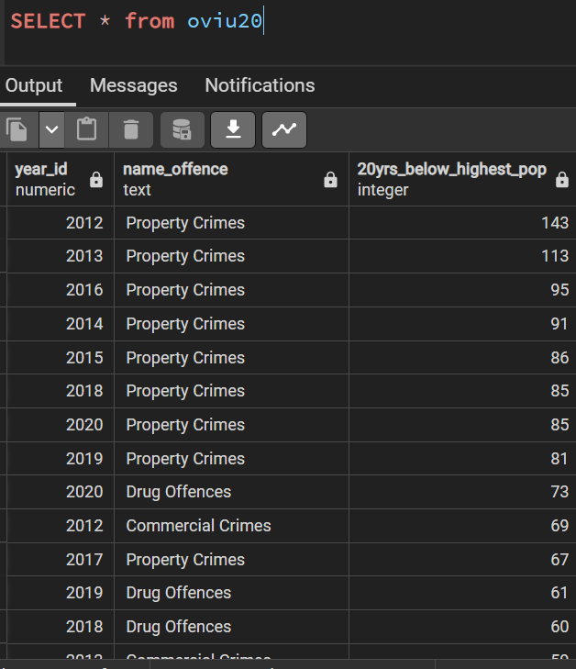

#60 yrs and above ?

select agp.year_id,oc.name_offence,MAX(agp.pop_number) AS "20yrs_below_highest_pop"
FROM agofd_pop_info agp
inner join offence_category oc
ON agp.offence_category_id = oc.offence_category_id
inner join age_group ag
ON agp.age_group_id = ag.age_group_id WHERE name_age_group = '60 and above'
GROUP BY agp.year_id,oc.name_offence
order by MAX(agp.pop_number) desc

#create 60 above VIEW oviu60
--create 60 yrs above view named as oviu60
CREATE VIEW oviu60 AS
select agp.year_id,oc.name_offence,MAX(agp.pop_number) AS "20yrs_below_highest_pop"
FROM agofd_pop_info agp
inner join offence_category oc
ON agp.offence_category_id = oc.offence_category_id
inner join age_group ag
ON agp.age_group_id = ag.age_group_id WHERE name_age_group = '60 and above'
GROUP BY agp.year_id,oc.name_offence

#then I do the 21 -30, 30 - 40, 40 -50 yrs old as above

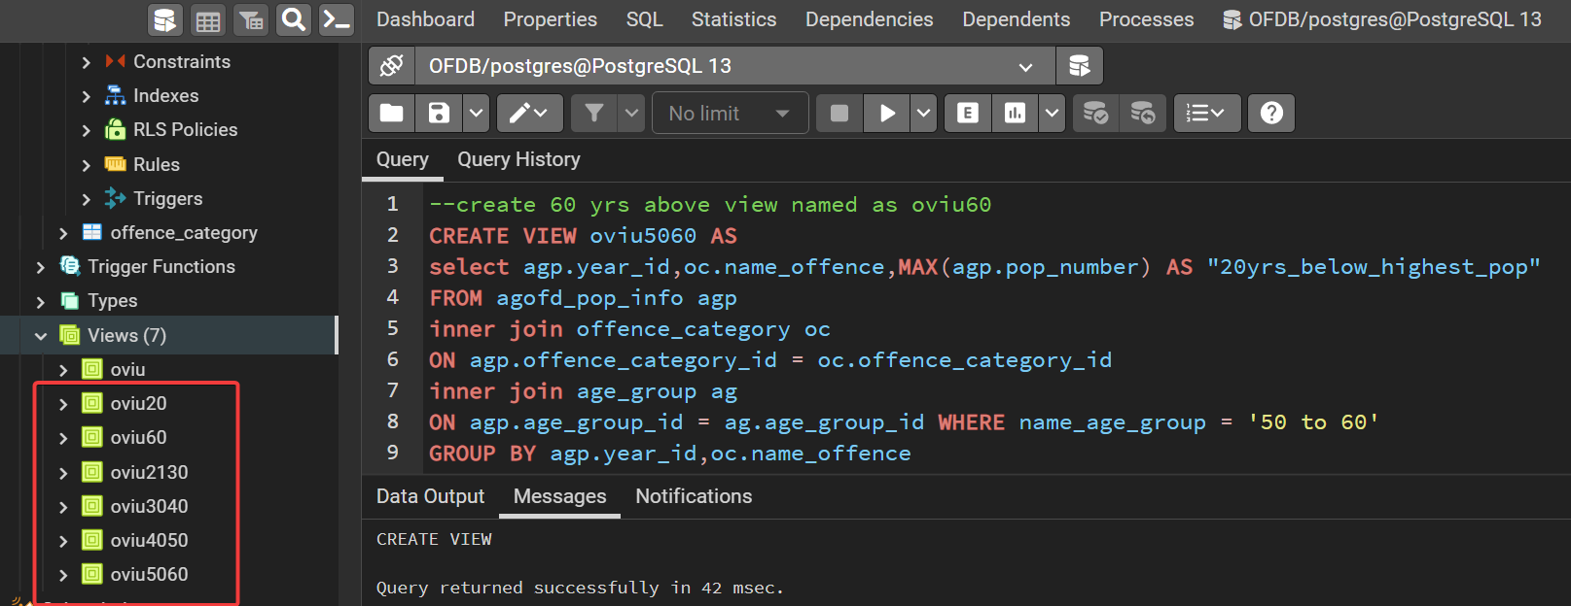

#rename column name for view
oviu5060
ALTER VIEW oviu5060 RENAME COLUMN "20yrs_below_highest_pop" TO "50_60yrs_highest_pop"
ALTER VIEW oviu4050 RENAME COLUMN "20yrs_below_highest_pop" TO "40_50yrs_highest_pop"
ALTER VIEW oviu2130 RENAME COLUMN "20yrs_below_highest_pop" TO "21_30yrs_highest_pop"
ALTER VIEW oviu60 RENAME COLUMN "60yrsABOVE_highest_pop" TO "60yrsAbove_highest_pop"

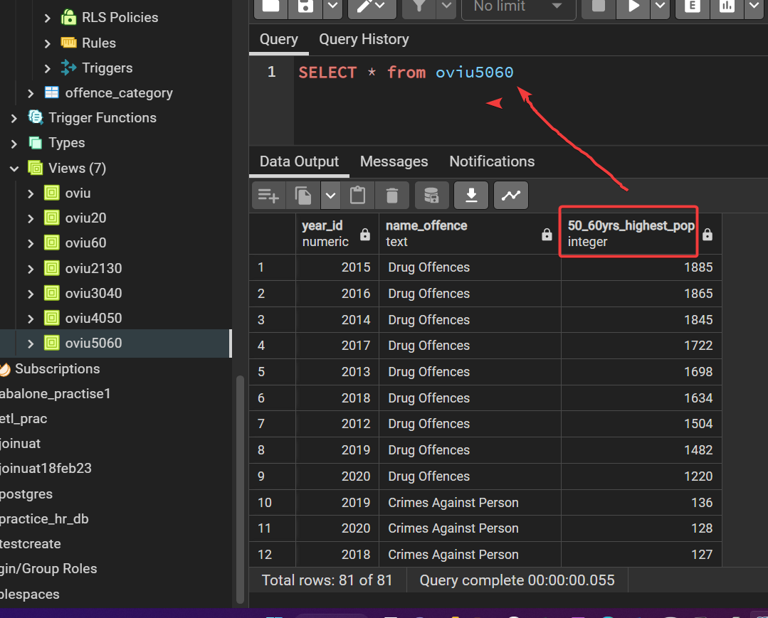

#use CTE/Common Table to find the TOP 5 offence
WITH TW20 AS (
SELECT agp.year_id,
oc.name_offence,
max(agp.pop_number) AS "pop"
FROM agofd_pop_info agp
JOIN offence_category oc ON agp.offence_category_id = oc.offence_category_id::numeric
JOIN age_group ag ON agp.age_group_id = ag.age_group_id::numeric
WHERE ag.name_age_group = '21 below'::text
GROUP BY agp.year_id, oc.name_offence
ORDER BY (max(agp.pop_number)) DESC)
select name_offence ,SUM(pop) FROM TW20
group by name_offence
ORDER BY 2 DESC
LIMIT 5

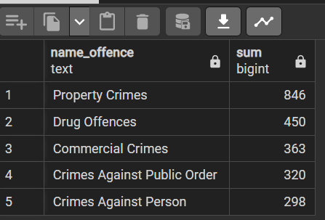

#use CTE/Common Table to find the TOP 5 offence

WITH TW2130 AS (
SELECT agp.year_id,
oc.name_offence,
max(agp.pop_number) AS "pop"
FROM agofd_pop_info agp
JOIN offence_category oc ON agp.offence_category_id = oc.offence_category_id::numeric
JOIN age_group ag ON agp.age_group_id = ag.age_group_id::numeric
WHERE ag.name_age_group = '21 to 30'::text
GROUP BY agp.year_id, oc.name_offence
ORDER BY (max(agp.pop_number)) DESC)
select name_offence ,SUM(pop) FROM TW2130
group by name_offence
ORDER BY 2 DESC
LIMIT 5

#use CTE/Common Table to find the TOP 5 offence
WITH TW3040 AS (
SELECT agp.year_id,
oc.name_offence,
max(agp.pop_number) AS "pop"
FROM agofd_pop_info agp
JOIN offence_category oc ON agp.offence_category_id = oc.offence_category_id::numeric
JOIN age_group ag ON agp.age_group_id = ag.age_group_id::numeric
WHERE ag.name_age_group = '30 to 40'::text
GROUP BY agp.year_id, oc.name_offence
ORDER BY (max(agp.pop_number)) DESC)
select name_offence ,SUM(pop) FROM TW3040
group by name_offence
ORDER BY 2 DESC
LIMIT 5

#use CTE/Common Table to find the TOP 5 offence
WITH TW4050 AS (
SELECT agp.year_id,
oc.name_offence,
max(agp.pop_number) AS "pop"
FROM agofd_pop_info agp
JOIN offence_category oc ON agp.offence_category_id = oc.offence_category_id::numeric
JOIN age_group ag ON agp.age_group_id = ag.age_group_id::numeric
WHERE ag.name_age_group = '40 to 50'::text
GROUP BY agp.year_id, oc.name_offence
ORDER BY (max(agp.pop_number)) DESC)
select name_offence ,SUM(pop) FROM TW4050
group by name_offence
ORDER BY 2 DESC
LIMIT 5

#use CTE/Common Table to find the TOP 5 offence
WITH TW5060 AS (
SELECT agp.year_id,
oc.name_offence,
max(agp.pop_number) AS "pop"
FROM agofd_pop_info agp
JOIN offence_category oc ON agp.offence_category_id = oc.offence_category_id::numeric
JOIN age_group ag ON agp.age_group_id = ag.age_group_id::numeric
WHERE ag.name_age_group = '50 to 60'::text
GROUP BY agp.year_id, oc.name_offence
ORDER BY (max(agp.pop_number)) DESC)
select name_offence ,SUM(pop) FROM TW5060
group by name_offence
ORDER BY 2 DESC
LIMIT 5

#use CTE/Common Table to find the TOP 5 offence
WITH TW6000 AS (
 | SELECT agp.year_id,
oc.name_offence,
max(agp.pop_number) AS "pop"
FROM agofd_pop_info agp
JOIN offence_category oc ON agp.offence_category_id = oc.offence_category_id::numeric
JOIN age_group ag ON agp.age_group_id = ag.age_group_id::numeric
WHERE ag.name_age_group = '60 and above'::text
GROUP BY agp.year_id, oc.name_offence
ORDER BY (max(agp.pop_number)) DESC)
select name_offence ,SUM(pop) FROM TW6000
group by name_offence
ORDER BY 2 DESC
LIMIT 5

encounters
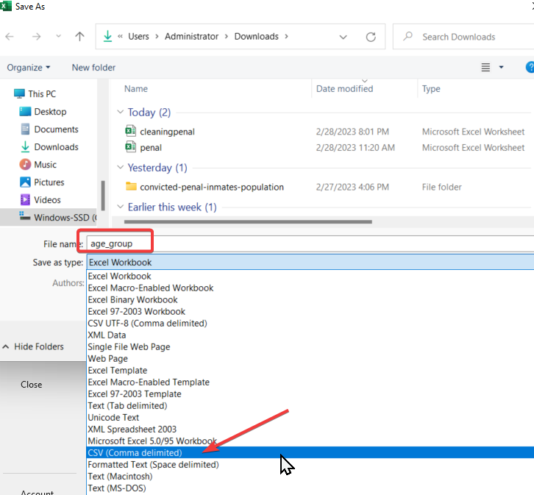
 | When attempting 'COPY csv file into TABLE offence_category -Permission denied.
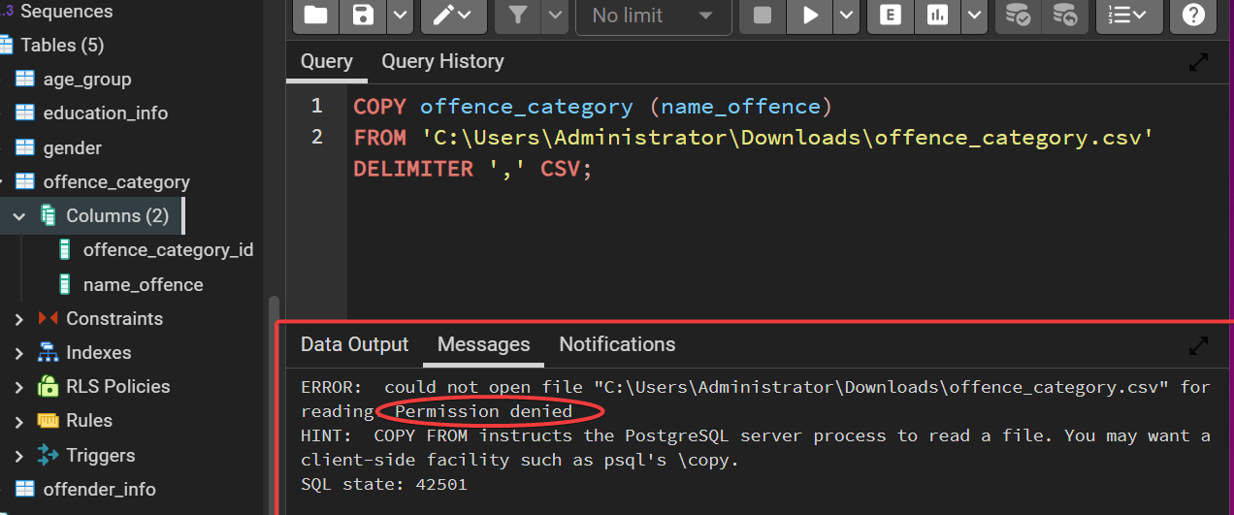

 | Solution: | Set permission

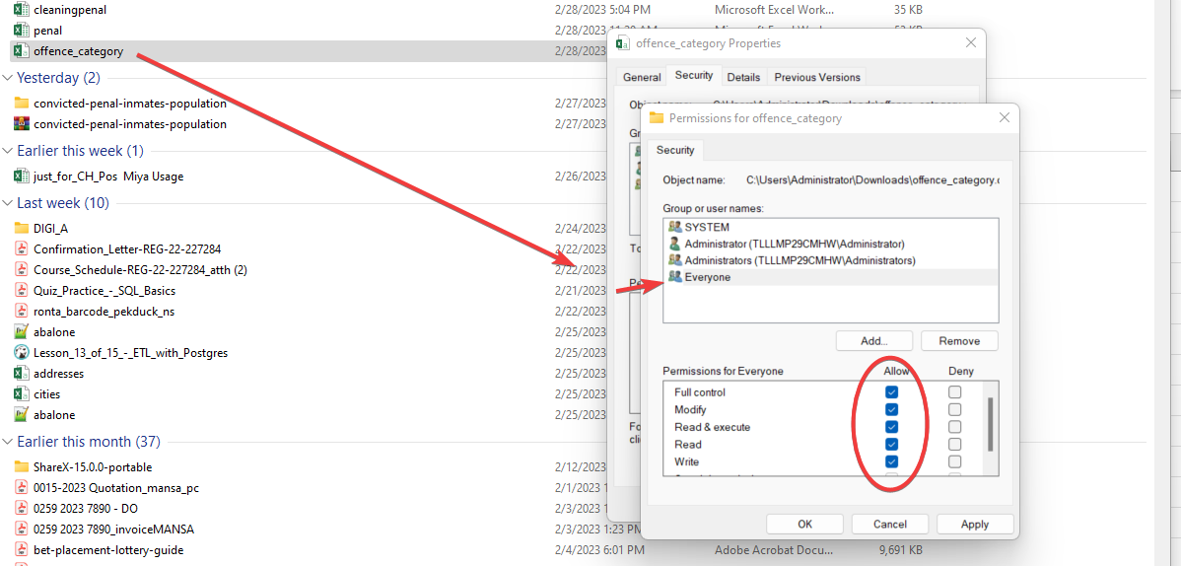

RESULTS:

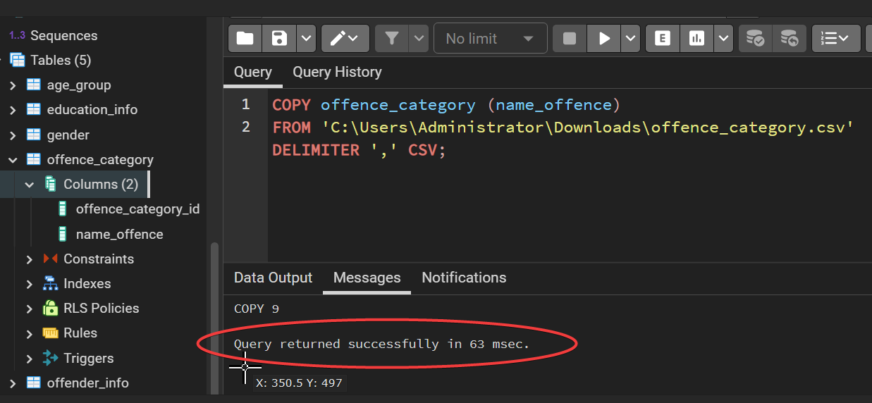

 |  |  | copy the data without the header and save as csv file as preparation b4 the above COPY

Trend_population
Sum of total_population | Column Labels
Row Labels | 21 below | 21 to 30 | 30 to 40 | 40 to 50 | 50 to 60 | 60 and above | Grand Total
2012 | 344 | 1660 | 2156 | 5325 | 1763 | 312 | 11560
2013 | 309 | 1575 | 2046 | 5614 | 1985 | 359 | 11888
2014 | 261 | 1499 | 1871 | 5434 | 2111 | 418 | 11594
2015 | 247 | 1447 | 1805 | 5304 | 2138 | 510 | 11451
2016 | 278 | 1517 | 1759 | 5064 | 2106 | 581 | 11305
2017 | 227 | 1424 | 1634 | 4476 | 1966 | 673 | 10400
2018 | 235 | 1454 | 1636 | 4162 | 1889 | 781 | 10157
2019 | 248 | 1341 | 1564 | 3532 | 1756 | 775 | 9216
2020 | 263 | 1200 | 1372 | 2842 | 1455 | 717 | 7849
Grand Total | 2412 | 13117 | 15843 | 41753 | 17169 | 5126 | 95420

Total offence age group populations line chart

20 below
Populations age-group below 20 years old
Sum of populations | Column Labels
Row Labels | Commercial Crimes | Crimes Against Person | Crimes Against Public Order | Customs Offences | Drug Offences | Immigration Offences | Other Offences | Property Crimes | Traffic Offences | Grand Total
2012 | 69 | 33 | 42 | 3 | 46 | 3 | 3 | 143 | 2 | 344
2013 | 59 | 31 | 58 | 4 | 28 | 5 | 9 | 113 | 2 | 309
2014 | 45 | 30 | 43 | 7 | 27 | 3 | 11 | 91 | 4 | 261
2015 | 40 | 31 | 29 | 5 | 37 | 1 | 15 | 86 | 3 | 247
2016 | 37 | 44 | 29 | 3 | 59 | 3 | 6 | 95 | 2 | 278
2017 | 33 | 30 | 28 | 2 | 59 | 0 | 6 | 67 | 2 | 227
2018 | 28 | 21 | 29 | 1 | 60 | 1 | 6 | 85 | 4 | 235
2019 | 30 | 33 | 36 | 2 | 61 | 0 | 2 | 81 | 3 | 248
2020 | 22 | 45 | 26 | 1 | 73 | 0 | 8 | 85 | 3 | 263
Grand Total | 363 | 298 | 320 | 28 | 450 | 16 | 66 | 846 | 25 | 2412

AGE 21 BELOW | Property related crimes

21-30
Population of age_group 21 - 30 years
Sum of populations | Column Labels
Row Labels | Commercial Crimes | Crimes Against Person | Crimes Against Public Order | Customs Offences | Drug Offences | Immigration Offences | Other Offences | Property Crimes | Grand Total
2012 | 232 | 139 | 61 | 59 | 670 | 67 | 89 | 343 | 1660
2013 | 215 | 158 | 62 | 59 | 610 | 47 | 95 | 329 | 1575
2014 | 147 | 154 | 73 | 69 | 581 | 39 | 117 | 319 | 1499
2015 | 136 | 150 | 45 | 23 | 680 | 26 | 122 | 265 | 1447
2016 | 162 | 168 | 56 | 61 | 767 | 19 | 73 | 211 | 1517
2017 | 129 | 182 | 45 | 80 | 735 | 13 | 60 | 180 | 1424
2018 | 129 | 191 | 49 | 65 | 764 | 8 | 61 | 187 | 1454
2019 | 124 | 171 | 44 | 84 | 685 | 11 | 52 | 170 | 1341
2020 | 107 | 160 | 61 | 53 | 653 | 1 | 32 | 133 | 1200
Grand Total | 1381 | 1473 | 496 | 553 | 6145 | 231 | 701 | 2137 | 13117

30 -40
Populations of age group 30 to 40 years old
Sum of Populations | Column Labels
Row Labels | Commercial Crimes | Crimes Against Person | Crimes Against Public Order | Customs Offences | Drug Offences | Immigration Offences | Other Offences | Traffic Offences | Grand Total
2012 | 223 | 121 | 27 | 59 | 1562 | 93 | 51 | 20 | 2156
2013 | 207 | 131 | 18 | 41 | 1500 | 64 | 59 | 26 | 2046
2014 | 147 | 122 | 23 | 42 | 1395 | 47 | 71 | 24 | 1871
2015 | 149 | 122 | 24 | 34 | 1348 | 36 | 64 | 28 | 1805
2016 | 139 | 127 | 21 | 73 | 1294 | 44 | 39 | 22 | 1759
2017 | 115 | 152 | 22 | 65 | 1191 | 34 | 34 | 21 | 1634
2018 | 121 | 159 | 33 | 80 | 1179 | 19 | 31 | 14 | 1636
2019 | 122 | 175 | 18 | 84 | 1094 | 17 | 38 | 16 | 1564
2020 | 96 | 158 | 19 | 67 | 976 | 4 | 38 | 14 | 1372
Grand Total | 1319 | 1267 | 205 | 545 | 11539 | 358 | 425 | 185 | 15843

dig5060
TOP 5 OFFENCE 2012 - 2020 AGE 50 - 60 yrs
Row Labels | Sum of no_of_offence_50-60
Commercial Crimes | 501
Crimes Against Person | 989
Customs Offences | 188
Drug Offences | 14855
Immigration Offences | 209
Grand Total | 16742

Sheet5
TOP 5 OFFENCE 2012-2020
Row Labels | Sum of 20 below
Commercial Crimes | 363
Crimes Against Person | 298
Crimes Against Public Order | 320
Drug Offences | 450
Property Crimes | 846
Grand Total | 2277

Sheet4
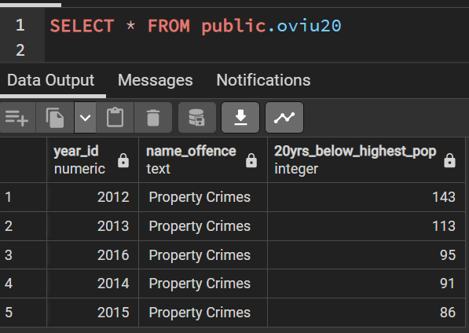
top pop for 20 below

40 -50
Sum of populations | Column Labels
Row Labels | Commercial Crimes | Crimes Against Person | Crimes Against Public Order | Customs Offences | Drug Offences | Immigration Offences | Other Offences | Property Crimes | Traffic Offences | Grand Total
2012 | 143 | 132 | 23 | 44 | 2308 | 2308 | 28 | 324 | 15 | 5325
Populations of age group 40 to 50 years old
2013 | 139 | 139 | 22 | 35 | 2431 | 2431 | 52 | 350 | 15 | 5614
2014 | 125 | 133 | 18 | 37 | 2371 | 2371 | 48 | 313 | 18 | 5434
2015 | 107 | 118 | 13 | 16 | 2345 | 2345 | 69 | 272 | 19 | 5304
2016 | 101 | 134 | 22 | 49 | 2223 | 2223 | 25 | 265 | 22 | 5064
2017 | 95 | 138 | 15 | 47 | 1949 | 1949 | 19 | 251 | 13 | 4476
2018 | 94 | 144 | 24 | 41 | 1799 | 1799 | 18 | 226 | 17 | 4162
2019 | 98 | 125 | 21 | 66 | 1506 | 1506 | 16 | 185 | 9 | 3532
2020 | 75 | 138 | 14 | 36 | 1201 | 1201 | 14 | 152 | 11 | 2842
Grand Total | 977 | 1201 | 172 | 371 | 18133 | 18133 | 289 | 2338 | 139 | 41753

60 and above
Populations age 60 years and above
Sum of populations | Column Labels
Row Labels | Commercial Crimes | Crimes Against Person | Crimes Against Public Order | Customs Offences | Drug Offences | Immigration Offences | Other Offences | Property Crimes | Traffic Offences | Grand Total
2012 | 17 | 31 | 2 | 11 | 197 | 9 | 4 | 40 | 1 | 312
2013 | 12 | 34 | 1 | 10 | 243 | 8 | 6 | 44 | 1 | 359
2014 | 11 | 34 | 5 | 5 | 308 | 7 | 5 | 43 | 0 | 418
2015 | 12 | 37 | 1 | 1 | 380 | 6 | 15 | 56 | 2 | 510
2016 | 13 | 41 | 5 | 5 | 458 | 2 | 3 | 53 | 1 | 581
2017 | 12 | 49 | 2 | 11 | 522 | 5 | 2 | 70 | 0 | 673
2018 | 23 | 63 | 5 | 11 | 594 | 1 | 4 | 76 | 4 | 781
2019 | 17 | 61 | 10 | 7 | 592 | 5 | 4 | 75 | 4 | 775
2020 | 26 | 63 | 9 | 8 | 523 | 2 | 8 | 75 | 3 | 717
Grand Total | 143 | 413 | 40 | 69 | 3817 | 45 | 51 | 532 | 16 | 5126

Sheet3
Offence population 50-60 year old
Sum of populations | Column Labels
Row Labels | Commercial Crimes | Crimes Against Person | Crimes Against Public Order | Customs Offences | Drug Offences | Immigration Offences | Other Offences | Property Crimes | Traffic Offences | Grand Total
2012 | 58 | 87 | 16 | 35 | 1504 | 39 | 16 | 4 | 4 | 1763
2013 | 72 | 110 | 14 | 17 | 1698 | 37 | 23 | 7 | 7 | 1985
2014 | 62 | 102 | 12 | 11 | 1845 | 30 | 27 | 11 | 11 | 2111
2015 | 44 | 102 | 17 | 9 | 1885 | 29 | 34 | 9 | 9 | 2138
2016 | 56 | 93 | 14 | 24 | 1865 | 21 | 13 | 10 | 10 | 2106
2017 | 56 | 104 | 14 | 21 | 1722 | 22 | 9 | 9 | 9 | 1966
2018 | 52 | 127 | 9 | 22 | 1634 | 13 | 18 | 7 | 7 | 1889
2019 | 57 | 136 | 17 | 28 | 1482 | 12 | 18 | 3 | 3 | 1756
2020 | 44 | 128 | 9 | 21 | 1220 | 6 | 15 | 6 | 6 | 1455
Grand Total | 501 | 989 | 122 | 188 | 14855 | 209 | 173 | 66 | 66 | 17169

diag20
TOP 5 OFFENCE COMMITTED 2012 - 2020
Row Labels | Sum of no_of_offences_20_below
Commercial Crimes | 363
Crimes Against Person | 298
Crimes Against Public Order | 320
Drug Offences | 450
Property Crimes | 846
Grand Total | 2277

Sheet6
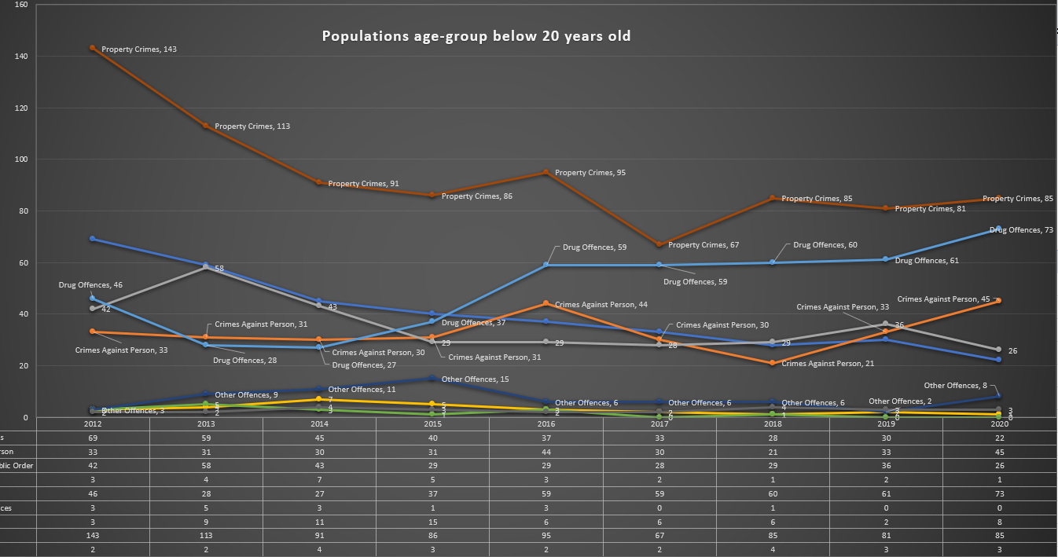

diag2130
TOP 5 OFFENCE 2012 - 2020
Row Labels | Sum of no_of_offences_2130
Commercial Crimes | 1381
Crimes Against Person | 1473
Drug Offences | 6145
Other Offences | 701
Property Crimes | 2137
Grand Total | 11837

dig3040
TOP 5 OFFENCE 2012 -2020
Row Labels | Sum of no_of_offence_30_40
Commercial Crimes | 1319
Crimes Against Person | 1267
Customs Offences | 545
Drug Offences | 11539
Other Offences | 425
Grand Total | 15095

diag4050
TOP 5 OFFENCE 2012 - 2020
Row Labels | Sum of no_of_offence_40_50
Commercial Crimes | 977
Crimes Against Person | 1201
Drug Offences | 18133
Immigration Offences | 18133
Property Crimes | 2338
Grand Total | 40782

Sheet2
Top 5 Offence 2012 - 2020 for 60yrs and above
Row Labels | Sum of no_of_offence_60_above
Commercial Crimes | 143
Crimes Against Person | 413
Customs Offences | 69
Drug Offences | 3817
Property Crimes | 532
Grand Total | 4974

Sheet16
TOP 5 OFFENCE 2012 - 2020
Row Labels | Sum of no_of_offence_5060
Commercial Crimes | 501
Crimes Against Person | 989
Customs Offences | 188
Drug Offences | 14855
Immigration Offences | 209
Grand Total | 16742

