Niveles
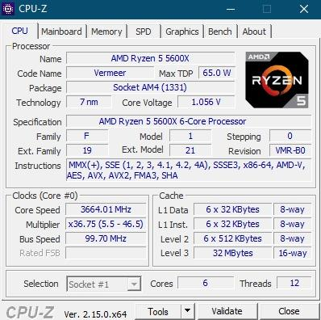
MATRIZ PARA FLOAT
Descripción | Valor en KB | Tamaño Matriz
L1 Data: 6 x 32 KB (8-way) | 192 | 128
L1 Data x2 | 384 | 181
L2 x0,5 | 1536 | 362
L2: 6 x 512 KB (8-way) | 3072 | 512
L3 x0,5 | 16384 | 1182
L3: 32 MB (16-way) | 32768 | 1672
L3x2 | 65536 | 2365
L3x3 | 98304 | 2896

MATRIZ PARA DOUBLE
Descripción | Valor en KB | Tamaño Matriz
L1 Data: 6 x 32 KB (8-way) | 192 | 91
L1 Data x2 | 384 | 128
L1 Data x3 | 576 | 157
L2 x0,5 | 1536 | 256
L2: 6 x 512 KB (8-way) | 3072 | 362
L3 x0,5 | 16384 | 836
L3: 32 MB (16-way) | 32768 | 1182
L3x2 | 65536 | 1672
L3x3 | 98304 | 2048

Regresión
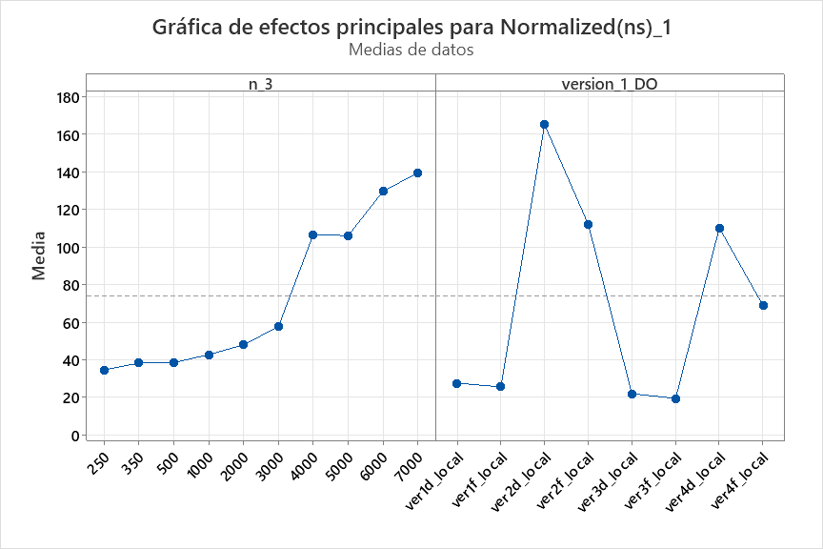
version | type | ISA | sample | n | time_s | Normalized_ns | n | ver(a) | n | ver(b) | n | ver(c) | n | ver(d) | n | ver(e) | n | ver(f)
 |  |  |  |  |  |  | 185 | #DIV/0! | 185 | #DIV/0! | 185 | #DIV/0! | 185 | #DIV/0! | 185 | #DIV/0! | 185 | #DIV/0! |  | 0.01
 |  |  |  |  |  |  | 450 | #DIV/0! | 450 | #DIV/0! | 450 | #DIV/0! | 450 | #DIV/0! | 450 | #DIV/0! | 450 | #DIV/0! |  | 0.03
 |  |  |  |  |  |  | 550 | #DIV/0! | 550 | #DIV/0! | 550 | #DIV/0! | 550 | #DIV/0! | 550 | #DIV/0! | 550 | #DIV/0! |  | 0.05
 |  |  |  |  |  |  | 650 | #DIV/0! | 650 | #DIV/0! | 650 | #DIV/0! | 650 | #DIV/0! | 650 | #DIV/0! | 650 | #DIV/0! |  | 0.07
 |  |  |  |  |  |  | 750 | #DIV/0! | 750 | #DIV/0! | 750 | #DIV/0! | 750 | #DIV/0! | 750 | #DIV/0! | 750 | #DIV/0! |  | 0.1
 |  |  |  |  |  |  | 900 | #DIV/0! | 900 | #DIV/0! | 900 | #DIV/0! | 900 | #DIV/0! | 900 | #DIV/0! | 900 | #DIV/0!
 |  |  |  |  |  |  | 1160 | #DIV/0! | 1160 | #DIV/0! | 1160 | #DIV/0! | 1160 | #DIV/0! | 1160 | #DIV/0! | 1160 | #DIV/0!
 |  |  |  |  |  |  | 1480 | #DIV/0! | 1480 | #DIV/0! | 1480 | #DIV/0! | 1480 | #DIV/0! | 1480 | #DIV/0! | 1480 | #DIV/0!
 |  |  |  |  |  |  | 1700 | #DIV/0! | 1700 | #DIV/0! | 1700 | #DIV/0! | 1700 | #DIV/0! | 1700 | #DIV/0! | 1700 | #DIV/0!
 |  |  |  |  |  |  | 2000 | #DIV/0! | 2000 | #DIV/0! | 2000 | #DIV/0! | 2000 | #DIV/0! | 2000 | #DIV/0! | 2000 | #DIV/0!

 |  |  |  |  |  |  | exponente | 3.0918 | 3 | 0.0306 | 3.1% |  |  | exponente | 3.439 | 3 | 0.1463333333 | 14.6%

 |  |  |  |  |  |  | exponente | 2.976 | 3 | 0.008 | 0.8% |  |  | exponente | 3.0918 | 3 | 0.0306 | 3.1%

 |  |  |  |  |  |  | exponente | 3.3613 | 3 | 0.1204333333 | 12.0% |  |  |  | exponente | 3.3563 | 3 | 0.1187666667 | 11.9%

