Sheet1
ID | Summary | Priority | Precondiitions | Input Data | Steps | Expected Result | Obtained Result | Error Type | Enviroment / | ID Bug | Execution Time | ID ScreenShot
 |  |  |  |  |  |  |  |  | Version
1 | Go to the shopping cart to see grand total or check out | Critical | Have something previously added to the cart | N/A | Open https://academybugs.com Click the Find Bugs link on the navigation bar Add one or more products to the cart Click the "View cart" link on top of the page, or click "Continue to Shipping" in the checkout details page | The grand total is equal to the sum of all products in the cart | The grand total is $100 more than the sum of all products in the cart | Functional | All web browsers | 1 | 2022-07-06 | 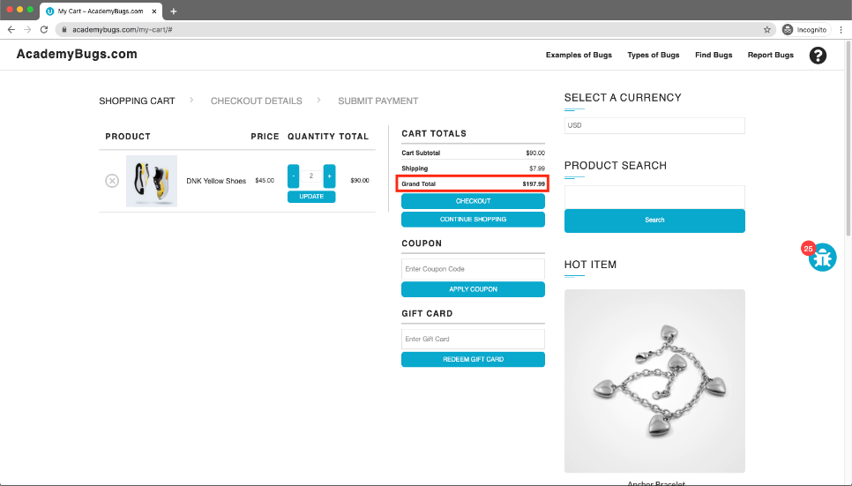 Figura 1
2 | Site crashes when theres a change on the currency | High | N/A | Currency changed from USD to EUR | Open https://academybugs.com Click the Find Bugs link on the navigation bar Open a product Change the currency in the right side menu | The currency is changed as expected | The page freezes when changing the currency | Crash | All web browsers | 2 | 2022-07-06 | 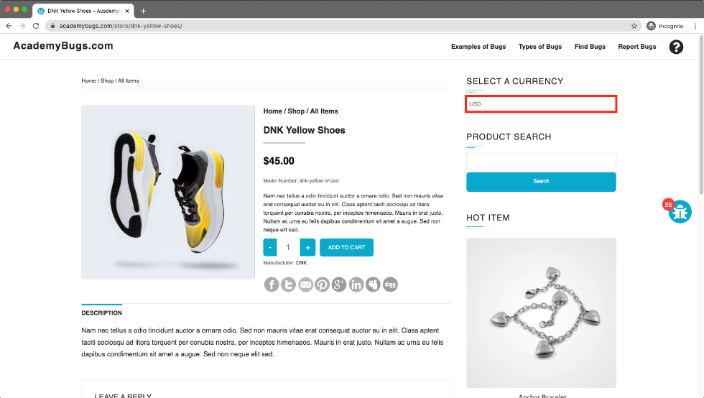 Figura 2
3 | Product quantity cannot be increased past 2 | High | Have something previously added to the cart | Quantity was changed to 999 | Open https://academybugs.com Click the Find Bugs link on the navigation bar Add one or more products to the cart Click the "View cart" link on top of the page Set the products quantity to 3 or more Click "update" below | The product quantity can be increased past 2 | When clicking on the update button the product quantity becomes 2 again | Functional | All web browsers | 3 | 2022-07-06 | 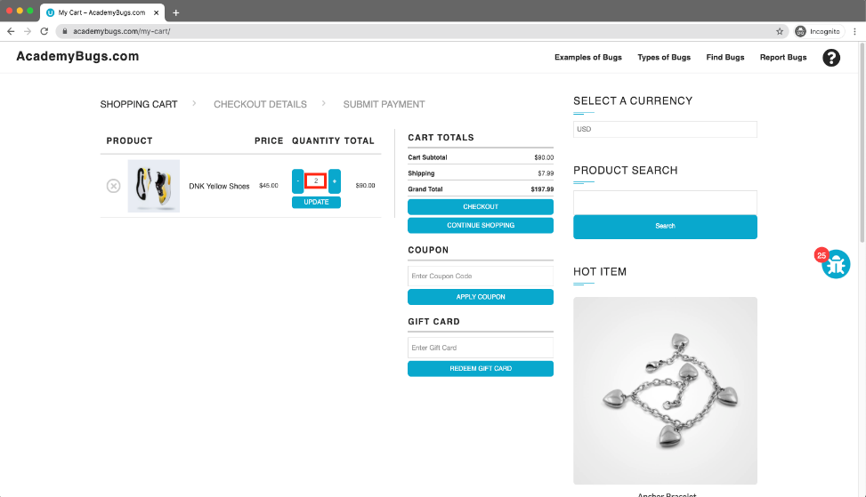 Figura 3
4 | The product in the Hot Item section keeps loading | High | N/A | N/A | Open https://academybugs.com Click the Find Bugs link on the navigation bar Open a product Open the product in the Hot Item section of the right side menu | The product in the Hot Item section is displayed | The page loads infinitely | Performance | All web browsers | 4 | 2022-07-06 | 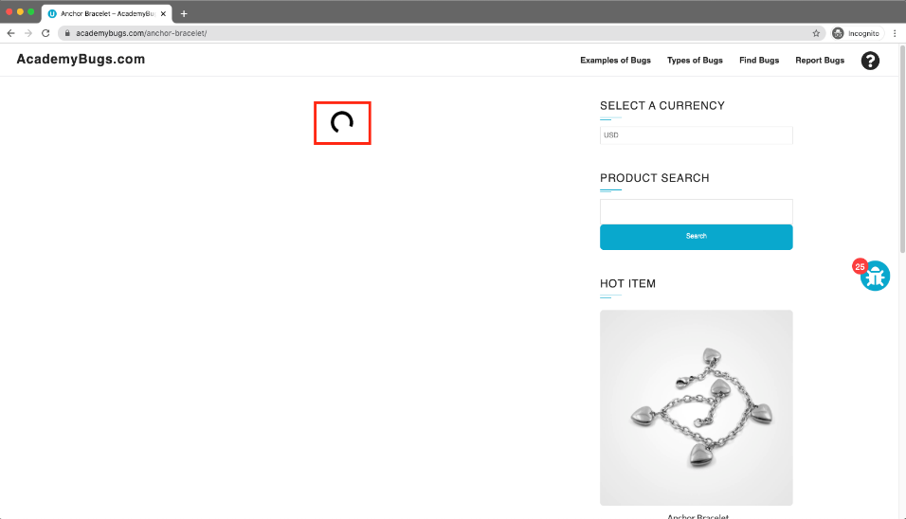 Figura 4
5 | The short description and description of the product are not in English. | Medium | N/A | N/A | Open https://academybugs.com Click the Find Bugs link on the navigation bar Open a product | The short description and description of the product are in English | The short description and description of the product are not in English | Content | All web browsers | 5 | 2022-07-06 | 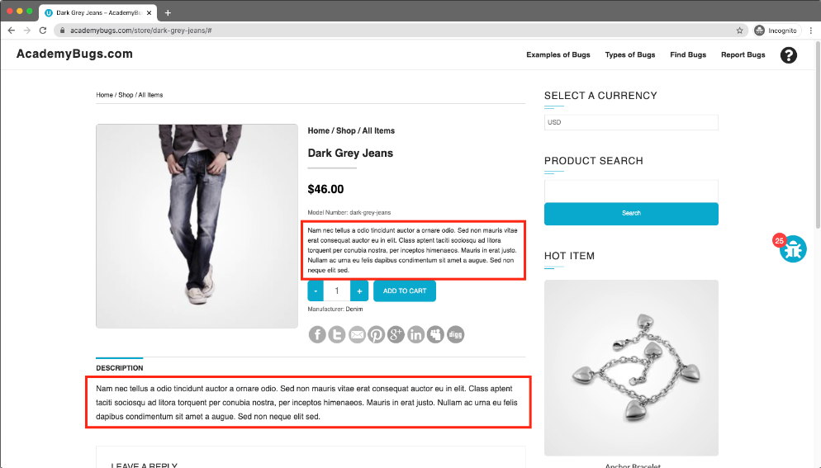 Figura 5
6 | The filter by price doesn't work in the product details page. | Medium | Be on the product details page | Select any of the price ranges on the Filter by Price section | Open https://academybugs.com Click the Find Bugs link on the navigation bar Open a product On the right side menu find the Filter by Price section Select any of the price ranges | A list of products in the selected price range is shown | The same page reloads | Functional | All web browsers | 6 | 2022-07-06 | 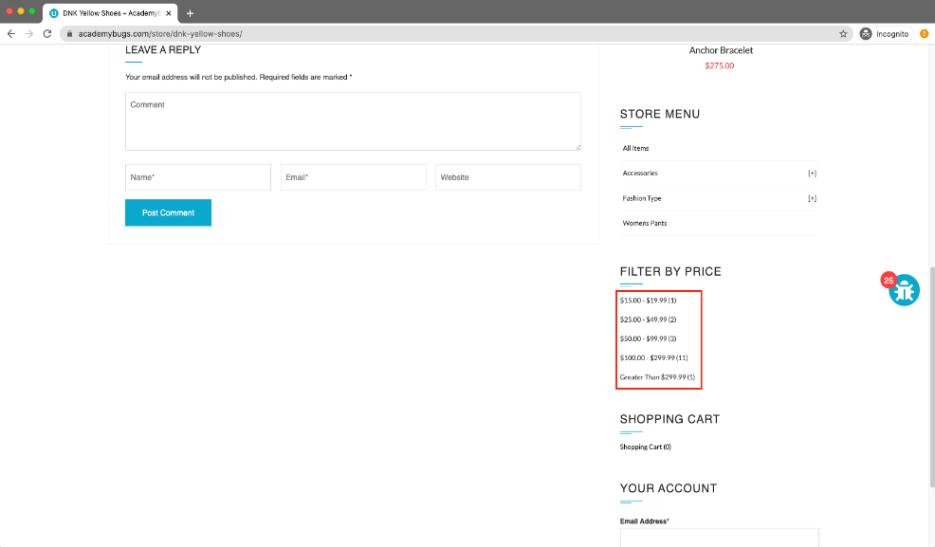 Figura 6
7 | The twitter share button in te product details page is broken | Medium | Be on the product details page | N/A | Open https://academybugs.com Click the Find Bugs link on the navigation bar Open a product Click the twitter share button | The twitter share button shows an appropriate page | The twitter share button shows an error page | Functional | All web browsers | 7 | 2022-07-06 | 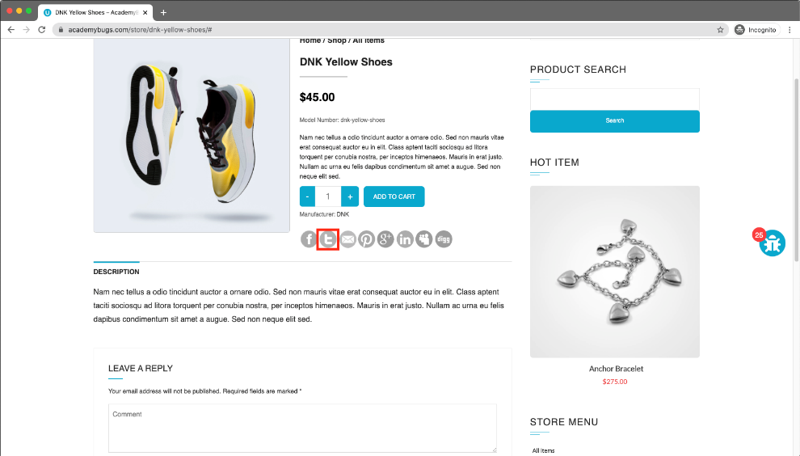 Figura 7
8 | There is big space before the last letter in "Return to Store" | Low | Have a cleared cart | N/A | Open https://academybugs.com Click the Find Bugs link on the navigation bar Open a product Open the cart at the bottom of right side menu Clear the cart if there are any items | The caption of the "Return to Store" button is written with even spacing between letters | There is too much space before the last letter in "Return to Store" | Content | All web browsers | 8 | 2022-07-06 | 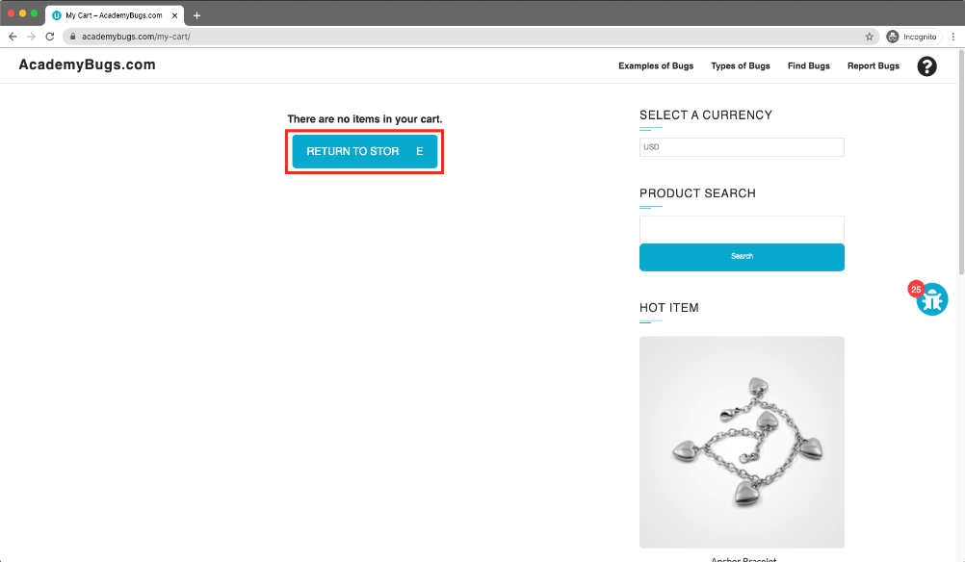 Figura 8
9 | The My Space share page loads infinitely. | Low | N/A | N/A | Open https://academybugs.com Click the Find Bugs link on the navigation bar Open a product Click the My Space share link | The user is able to share the product through My Space | My Space share page loads infinitely | Performance | All web browsers | 9 | 2022-07-06 | 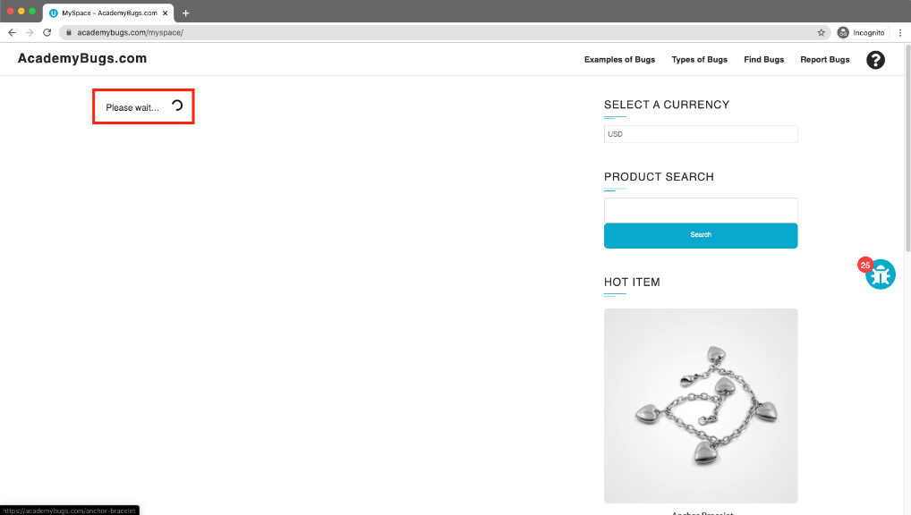 Figura 9
10 | The yellow and orange colors of the product are misspelled | Low | Open a product with color options | Select yellow or orange | Open https://academybugs.com Click the Find Bugs link on the navigation bar Open a product with color options Choose the Yellow and Orange colors | The yellow and orange colors are spelled correctly | Yellow is misspelled as "Yelow" and Orange as "Orang" | Content | All web browsers | 10 | 2022-07-06 | 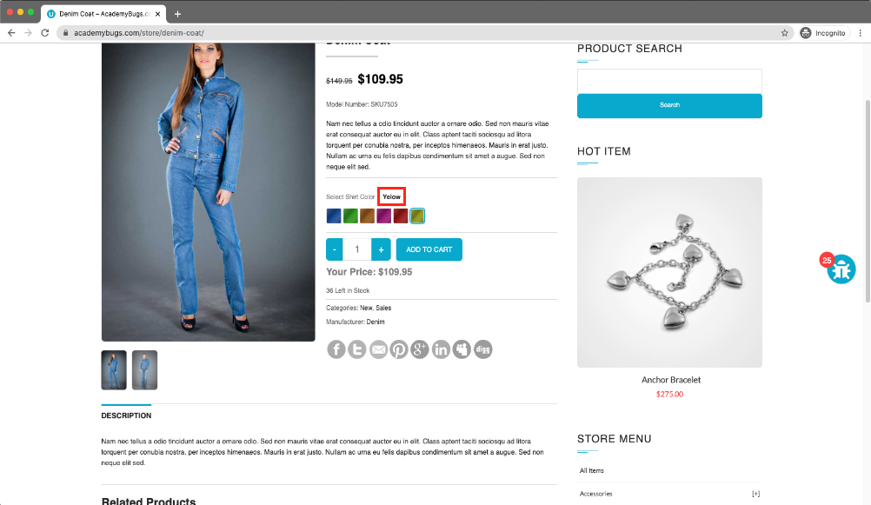 Figura 10
11 | The manufacturer link in the product details page is broken. | Medium | N/A | N/A | Open https://academybugs.com Click the Find Bugs link on the navigation bar Open a product Click the manufacturer link under the quantity | The manufacturer link shows an appropriate page | The manufacturer link opens an error page | Functional | All web browsers | 11 | 2022-07-06 | 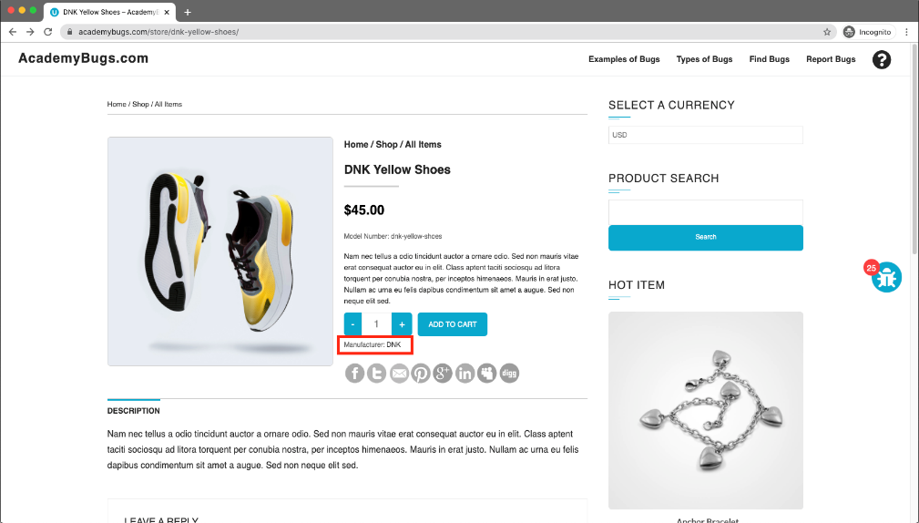 Figura 11
12 | The Sign In button overlaps the footer. | Low | N/A | N/A | Open https://academybugs.com Click the Find Bugs link on the navigation bar Open a product Scroll down to the bottom of the right side menu | The Sign In button is above the footer | The Sign In button overlaps the footer | Visual | All web browsers | 12 | 2022-07-06 | 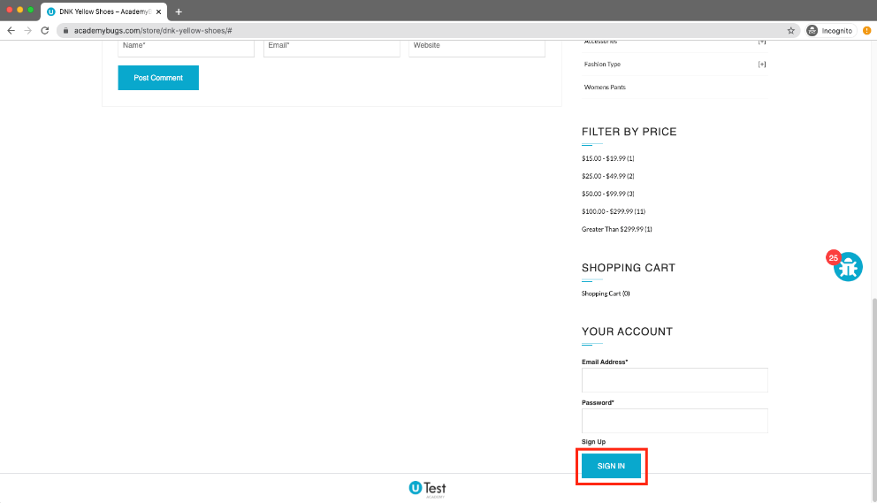 Figura 12
13 | The text under the New User section is not in English. | Low | Not be signed in | N/A | Open https://academybugs.com Click the Find Bugs link on the navigation bar Open a product Scroll down to the bottom of the right side menu Click "Sign In" to open the sign in page | The text under the New User section is in English | The text under the New User section is in another language | Content | All web browsers | 13 | 2022-07-06 | 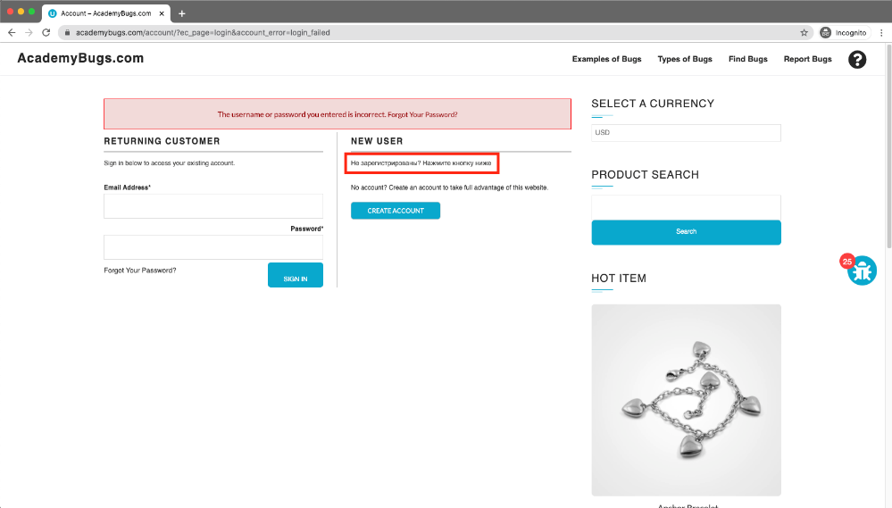 Figura 13
14 | The page becomes unresponsive when clicking on the Retrieve Password button. | High | N/A | N/A | Open https://academybugs.com Click the Find Bugs link on the navigation bar Open a product Scroll down to the Your Account section of the right side menu Click "Sign Up" In the Returning Customer section click "Forgot Your Password?" Enter your email in the field and click "Retrieve Password" | The password is sent to the entered email | The page becomes unresponsive when clicking on "Retrieve Password" and no email is sent | Crash | All web browsers | 14 | 2022-07-06 | 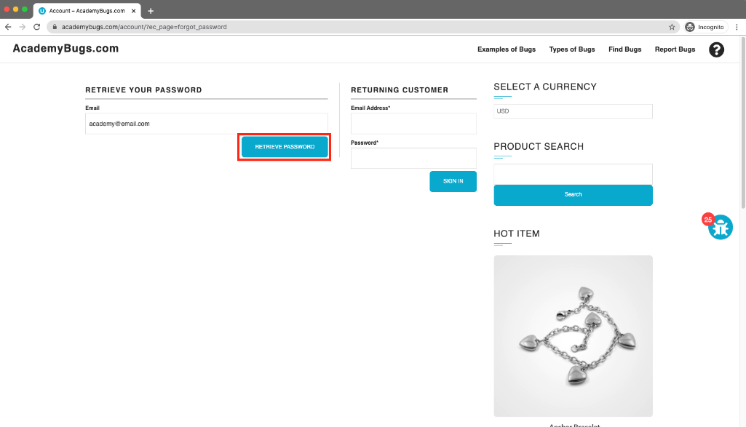 Figura 14
15 | The title of the password field is misaligned. | Low | N/A | N/A | Open https://academybugs.com Click the Find Bugs link on the navigation bar Open a product Scroll down to the bottom of the right side menu Click "Sign In" without filling the form to open the Sign In page | The title of the password field is aligned the same as the field above | The title of the password field is not aligned the same as the field above | Visual | All web browsers | 15 | 2022-07-06 | 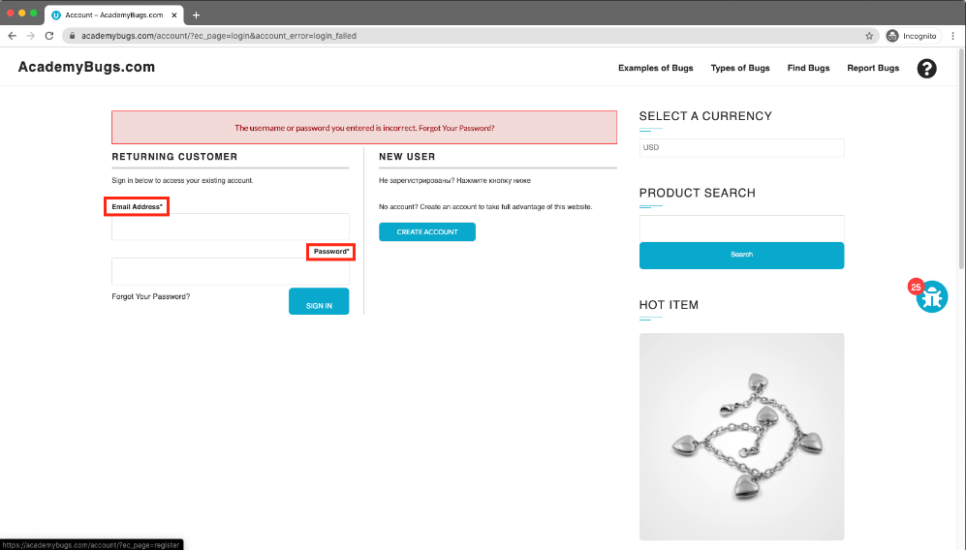 Figura 15
16 | The page becomes unresponsive when clicking on the numbers of results. | High | N/A | N/A | Open https://academybugs.com Click the Find Bugs link on the navigation bar Click on the buttons to show a certain number of results at the top left | The selected number of results is displayed according to the clicked buttons | The page freezes when clicking on the numbers of results | Crash | All web browsers | 16 | 2022-07-06 | 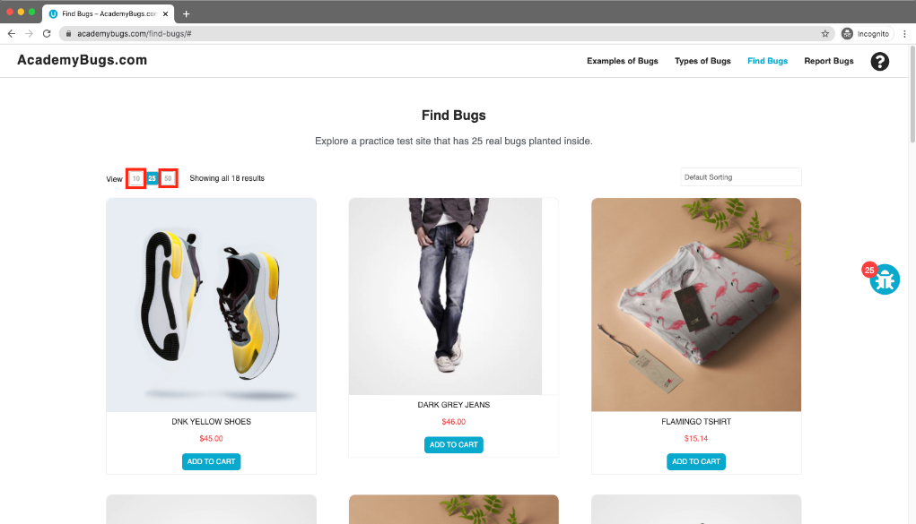 Figura 16
17 | Item images have unnecessary space underneath. | Low | N/A | N/A | Open https://academybugs.com Click the Find Bugs link on the navigation bar Open a product Find the Store Menu section in the right side menu Choose All Items | Item images have no space underneath | Item images have unnecessary space underneath | Visual | All web browsers | 17 | 2022-07-06 | 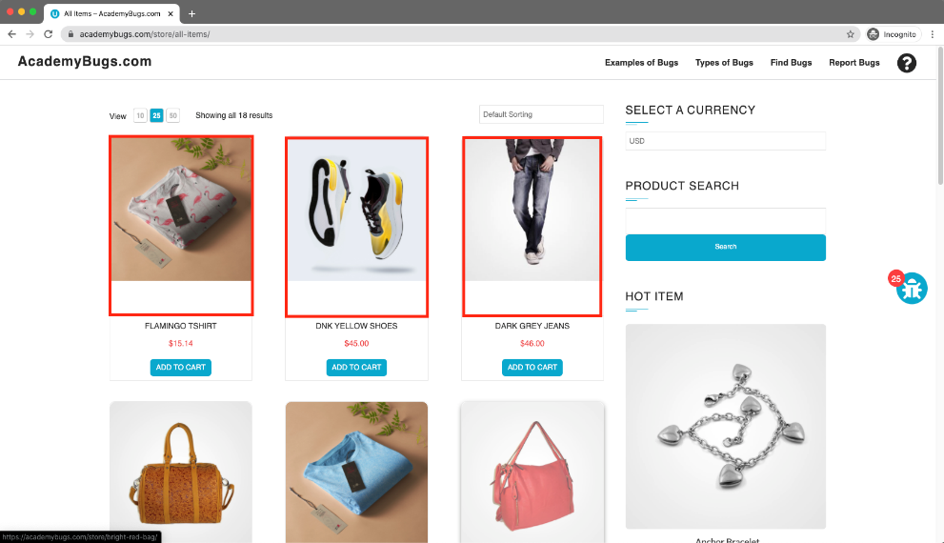 Figura 17
18 | The image is not completely displayed. | Medium | N/A | N/A | Open https://academybugs.com Click the Find Bugs link on the navigation bar Click on "Dark Grey Jeans" | The product image fills the box entirely | The image has a white space on the right | Visual | All web browsers | 18 | 2022-07-06 | 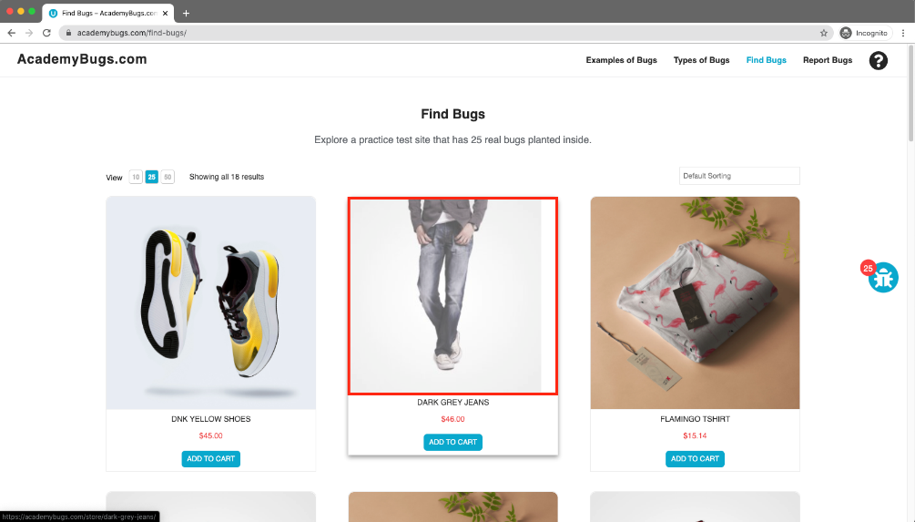 Figura 18
19 | The page becomes unresponsive when clicking on the Post Comment button. | High | N/A | N/A | Open https://academybugs.com Click the Find Bugs link on the navigation bar Open a product Scroll down to the Leave a Reply section Fill out the comment form Click "Post Comment" | The comment is posted under the product | The page becomes unresponsive when clicking on "Post Comment" | Crash | All web browsers | 19 | 2022-07-06 | 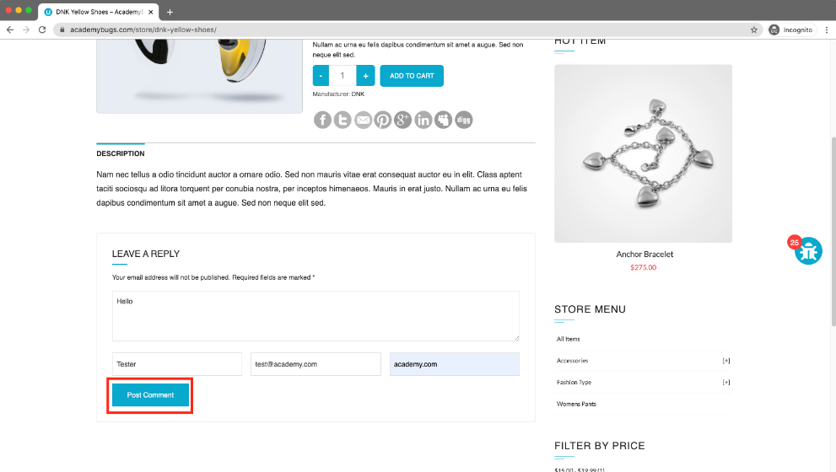 Figura 19
20 | There are unreadable symbols in the shopping cart popup. | Low | Have something added to the shopping cart | N/A | Open https://academybugs.com Click the Find Bugs link on the navigation bar Add one or more products to the cart Click "View Cart" on top of the page Scroll down to the Shopping Cart section of the right side menu Hover over the Shopping Cart caption | All characters are clear to a regular user | There are unreadable symbols in the shopping cart popup | Content | All web browsers | 20 | 2022-07-06 | 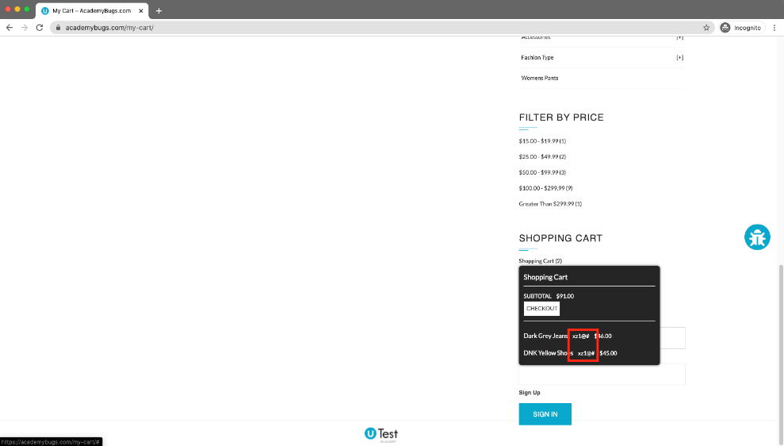 Figura 20
21 | The caption of the Sign In button is misaligned vertically. | Low | N/A | N/A | Open https://academybugs.com Click the Find Bugs link on the navigation bar Open a product Scroll to the bottom and find the sign in form in the right side menu Enter any login and password that are not registered and click "Sign In" | The caption of the Sign In button is centered vertically | The caption of the Sign In button is misaligned vertically | Visual | All web browsers | 21 | 2022-07-06 | 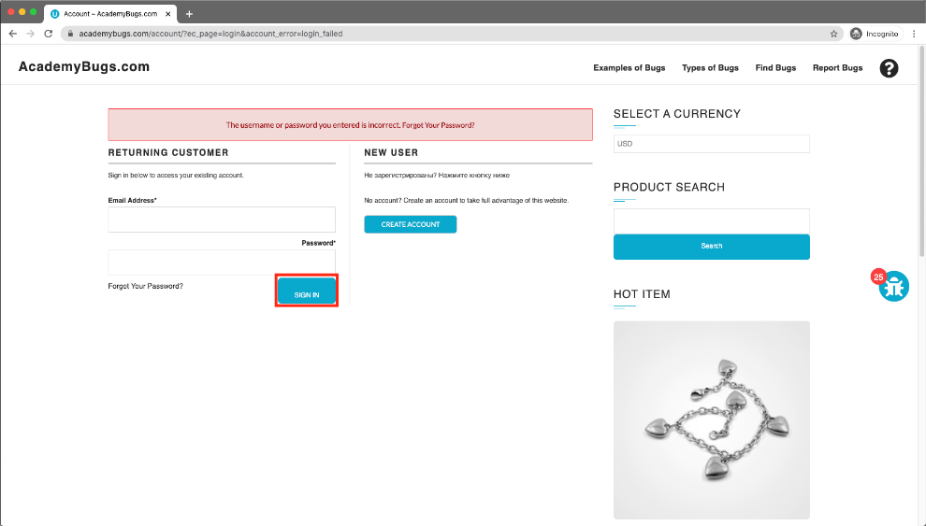 Figura 21

