Chapter 5
Chapter | Pic Number | Pic Name_en | ZH | EN | Note | Status
Chapter 5 | 5-1 |  | LED球泡灯 | LED bulb |  | Done
Chapter 5 | 5-1 |  | 吸顶灯 | Ceiling light |  | Done
Chapter 5 | 5-1 |  | 灯带 | Light strip |  | Done
Chapter 5 | 5-1 |  | 传感器 | Sensor |  | Done
Chapter 5 | 5-1 |  | Wi-Fi路由器 | Wi-Fi router |  | Done
Chapter 5 | 5-1 |  | 云服务 | Cloud service |  | Done
Chapter 5 | 5-1 |  | 智能手机 | Smartphone |  | Done
Chapter 5 | 5-1 |  | 平板电脑 | Tablet |  | Done
Chapter 5 | 5-1 |  | 智能音箱 | Smart speaker |  | Done
Chapter 5 | 5-1 |  | 智能控制面板 | Smart control panel |  | Done
Chapter 5 | 5-2 |  | E27标准灯头 | E27 standard lamp holder |  | Done
Chapter 5 | 5-2 |  | 塑胶包裹铝灯体 | Plastic-wrapped aluminium lamp body |  | Done
Chapter 5 | 5-2 |  | 电源及LED驱动板 | Power supply & LED driver board |  | Done
Chapter 5 | 5-2 |  | Wi-Fi/Bluetooth LE 模块 | Wi-Fi / Bluetooth LE module |  | Done
Chapter 5 | 5-2 |  | LED灯珠及铝基板 | LED beads & aluminium substrate |  | Done
Chapter 5 | 5-2 |  | 高透光灯罩 | Highly transparent lampshade |  | Done
Chapter 5 | 5-3 |  | 220 V AC-DC 电源模块 | 220 V AC-DC power supply |  | Done
Chapter 5 | 5-3 |  | 3.3 V 输出辅助电源 | 3.3 V output auxiliary power supply |  | Done
Chapter 5 | 5-3 |  | PWM 控制 | PWM control |  | Done
Chapter 5 | 5-3 |  | 无线通信 | Wireless communication |  | Done
Chapter 5 | 5-3 |  | Wi-Fi/Bluetooth LE 模组 | Wi-Fi/Bluetooth LE module |  | Done
Chapter 5 | 5-3 |  | DC 电源 | DC power supply |  | Done
Chapter 5 | 5-3 |  | PWM 信号 | PWM signal |  | Done
Chapter 5 | 5-3 |  | LED 驱动恒流源 1 冷白 CW / 暖白WW | Constant-current LED driver 1 CW / WW |  | Done
Chapter 5 | 5-3 |  | LED 驱动恒流源 2 红 R / 绿 G / 蓝 B | Constant-current LED driver 2 R / G / B |  | Done
Chapter 5 | 5-3 |  | LED 灯珠 | LED beads |  | Done
Chapter 5 | 5-4 | Block diagram of ESP32-C3 functions |  |  | Diagram in English | Done
Chapter 5 | 5-5 | Block diagram of ESP32-C3 core circuit |  |  | Diagram in English | Done
Chapter 5 | 5-6 | Schematic of ESP32-C3 core circuit |  |  | Diagram in English | Done
Chapter 5 | 5-7 | ESP32-C3 power-up and reset timing |  |  | Diagram in English | Done
Chapter 5 | 5-8 | Schematic of ESP32-C3’s external crystal (RTC) |  |  | Diagram in English | Done
Chapter 5 | 5-9 | CLC circuit for ESP32-C3 RF matching |  |  | Diagram in English | Done
Chapter 5 | 5-10 |  | PCB 板载天线 | PCB onboard antenna |  | Done
Chapter 5 | 5-10 |  | 棒状天线 | Rod antenna |  | Done
Chapter 5 | 5-10 |  | FPC 天线 | FPC antenna |  | Done
Chapter 5 | 5-10 |  | 陶瓷天线 | Ceramic antenna |  | Done
Chapter 5 | 5-10 |  | 3D 金属天线 | 3D metal antenna |  | Done
Chapter 5 | 5-11 | Conducted test set-up for ESP32-C3 core board |  |  | Diagram in English | Done
Chapter 5 | 5-12 | Radiated test set-up for ESP32-C3 core board | 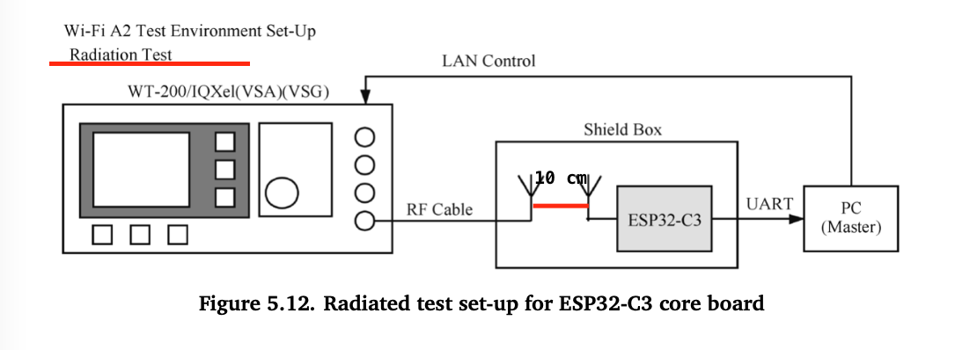 |  | 左上角的 Radiation Test 改成 Radiated Test 两根天线之间增加相距 10cm 的标识（左图中所标出的位置） | Done
Chapter 5 | 5-13 | Spectral mask requirements in different working modes |  |  | Diagram in English | Done
Chapter 5 | 5-14 | GPIO MUX and GPIO Matrix |  |  | Diagram in English | Done
Chapter 5 | 5-15 | Minimum control system based on ESP32-C3-WROOM-02 |  |  | Diagram in English | Done
Chapter 5 | 5-16 | ESP32-C3 and PC connected through USB Serial/JTAG controller |  |  | Diagram in English | Done
Chapter 5 | 5-17 | USB-to-UART bridge connecting ESP32-C3 development board and PC |  |  | Diagram in English | Done
Chapter 5 | 5-18 | Programmer with USB-to-UART bridge connecting ESP32-C3 and PC |  |  | Diagram in English | Done
Chapter 5 | 5-19 | ESP32-C3 module on base board - antenna feed point on the right |  |  | Diagram in English | Done
Chapter 5 | 5-20 | ESP32-C3 module on base board - antenna feed point on the left |  |  | Diagram in English | Done
Chapter 5 | 5-21 | Clearance area on the base board |  |  | Diagram in English | Done

