MaturationNoPriming
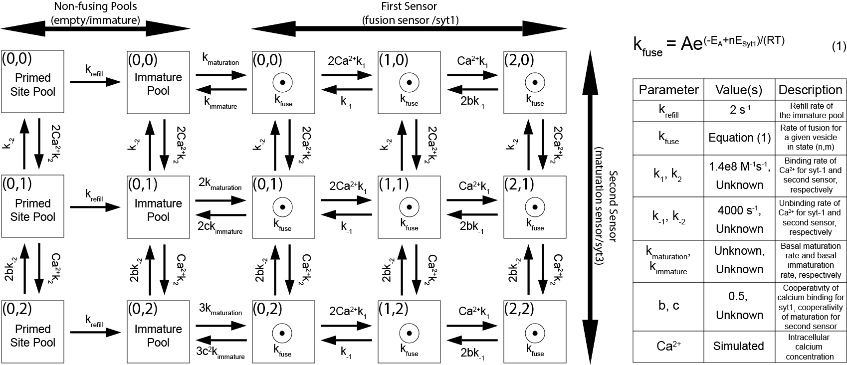
 | Prime(0,0) | Prime(0,1) | Prime(0,2) | Im(0,0) | Im(0,1) | Im(0,2) | Mat(0,0) | Mat(1,0) | Mat(2,0) | Mat(0,1) | Mat(1,1) | Mat(2,1) | Mat(0,2) | Mat(1,2) | Mat(2,2) | Fused
Prime(0,0) | 2Cak_2 + k_refill | -k_-2 | 0 | 0 | 0 | 0 | 0 | 0 | 0 | 0 | 0 | 0 | 0 | 0 | 0 | 0
Prime(0,1) | -2Cak_2 | k_-2 + k_refill + Cak_2 | -2bk_-2 | 0 | 0 | 0 | 0 | 0 | 0 | 0 | 0 | 0 | 0 | 0 | 0 | 0
Prime(0,2) | 0 | -Cak_2 | 2bk_-2 + k_refill | 0 | 0 | 0 | 0 | 0 | 0 | 0 | 0 | 0 | 0 | 0 | 0 | 0
Im(0,0) | -k_refill | 0 | 0 | 2Cak_2 + k_maturation | -k_-2 | 0 | -k_immature | 0 | 0 | 0 | 0 | 0 | 0 | 0 | 0 | 0
Im(0,1) | 0 | -k_refill | 0 | -2Cak_2 | k_-2 + 2k_maturation + Cak_2 | -2bk_-2 | 0 | 0 | 0 | -2ck_immature | 0 | 0 | 0 | 0 | 0 | 0
Im(0,2) | 0 | 0 | -k_refill | 0 | -Cak_2 | 2bk_-2 + 3k_maturation | 0 | 0 | 0 | 0 | 0 | 0 | -3c^2k_immature | 0 | 0 | 0
Mat(0,0) | 0 | 0 | 0 | -k_maturation | 0 | 0 | 2Cak_1 + 2Cak_2 + k_immature + k_fuse | -k_-1 | 0 | -k_-2 | 0 | 0 | 0 | 0 | 0 | 0
Mat(1,0) | 0 | 0 | 0 | 0 | 0 | 0 | -2Cak_1 | Cak_1 + 2Cak_2 + k_-1 + k_fuse | -2bk_-1 | 0 | -k_-2 | 0 | 0 | 0 | 0 | 0
Mat(2,0) | 0 | 0 | 0 | 0 | 0 | 0 | 0 | -Cak_1 | 2Cak_2 + 2bk_-1 + k_fuse | 0 | 0 | -k_-2 | 0 | 0 | 0 | 0
Mat(0,1) | 0 | 0 | 0 | 0 | -2k_maturation | 0 | -2Cak_2 | 0 | 0 | k_-2 + 2Cak_1 + Cak_2 + 2ck_immature + k_fuse | -k_-1 | 0 | -2bk_-2 | 0 | 0 | 0
Mat(1,1) | 0 | 0 | 0 | 0 | 0 | 0 | 0 | -2Cak_2 | 0 | -2Cak_1 | k_-2 + Cak_1 + Cak_2 + k_-1 + k_fuse | -2bk_-1 | 0 | -2bk_-2 | 0 | 0
Mat(2,1) | 0 | 0 | 0 | 0 | 0 | 0 | 0 | 0 | -2Cak_2 | 0 | -Cak_1 | k_-2 + Cak_2 + 2bk_-1 + k_fuse | 0 | 0 | -2bk_-2 | 0
Mat(0,2) | 0 | 0 | 0 | 0 | 0 | -3k_maturation | 0 | 0 | 0 | -Cak_2 | 0 | 0 | 2bk_-2 + 2Cak_1 + 3c^2k_immature + k_fuse | -k_-1 | 0 | 0
Mat(1,2) | 0 | 0 | 0 | 0 | 0 | 0 | 0 | 0 | 0 | 0 | -Cak_2 | 0 | -2Cak_1 | 2bk_-2 + Cak_1 + k_-1 + k_fuse | -2bk_-1 | 0
Mat(2,2) | 0 | 0 | 0 | 0 | 0 | 0 | 0 | 0 | 0 | 0 | 0 | -Cak_2 | 0 | -Cak_1 | 2bk_-2 + 2bk_-1 + k_fuse | 0
Fused | 0 | 0 | 0 | 0 | 0 | 0 | -k_fuse | -k_fuse | -k_fuse | -k_fuse | -k_fuse | -k_fuse | -k_fuse | -k_fuse | -k_fuse | 0

