Defect Tracking Log
 | Project Name: SoftwareTestingMaterial | Baims

Defect category | Defect ID | Defect Description | Created On | Steps | Severity | Priority | Status | Assigned Date | Expected Result | Actual Result | Actual Time To Fix | Root Cause | Screenshot
Profile | 1 | changing language need to be clicked twice to work |  | 1-Open https://baims.com/ 2-Login to your account 3-Click on language icon | medium | medium | open | 2022-05-06 | language change from first time | language change from second time |  |  | 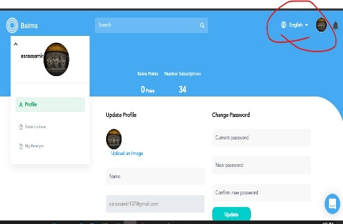
 | 2 | when Editing personal information it need to be enterd twice |  | 1-open https://baims.com/ 2-Login to your account 3-Open your profile 4-Edit any value as your name 5-Click on update | medium | high | open | 2022-05-06 | Data change from first time | Data change from second time |  |  | 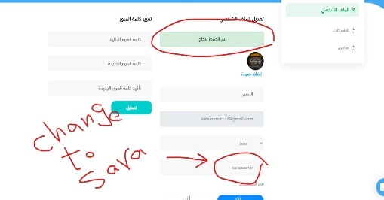
 | 3 | social media links don't have validation and any value can enterd |  | 1-open https://baims.com/ 2-Login to your account 3-Open your profile 4-Enter any value at social link 5-Click on update | medium | medium | open | 2022-05-06 | accept only special data and has validation | accept any type of data |  |  | 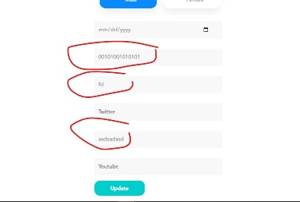
 | 4 | Edit old password is showing two opposite messages |  | 1-open https://baims.com/ 2-Login to your account 3-Open your profile 4-Enter invalid Password 5-Enter new password 6-Confirm it 7-Click on Update | medium | medium | open | 2022-05-06 | showing only wrong password message | it show two messages 1-data saved correctly 2- wrong password |  |  | 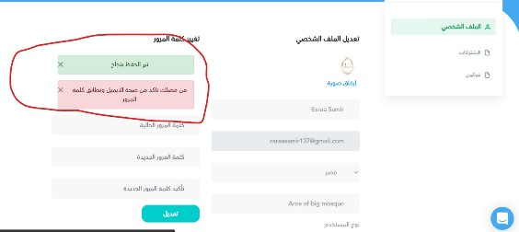
 | 5 | when deleting card from MyReceipts it Margind Left and appeard Receipts twice |  | 1-open https://baims.com/ 2-Login to your account 3-Open your profile 4-Open my Receipts 5-Delete any bill | medium | medium | open | 2022-05-06 | it deleted without overlaping | data is margind left and Receipts appears twice |  |  | 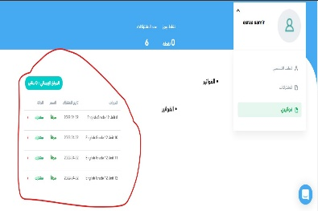
Courses | 6 | after enrolling course it shows start watching on clicking it open home page not course content and show course card again |  | 1-open https://baims.com/ 2-Login to your account 3-Choose free high school course 4-click on subscribe 5-click on start watching | high | high | open | 2022-05-06 | it opens course contant page | it opens home page and course card again |  |  | 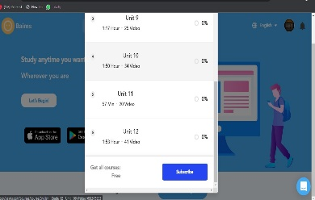
 | 7 | after enrolling course and open its card again you find subscribe button even you joind before |  | 1-open https://baims.com/ 2-Login to your account 3-Choose free high school course 4-click on subscribe 5-Open course card again | medium | high | open | 2022-05-06 | It shows button of content or manage course | Subscribe button appears and you can subscribe hundred times |  |  | 
 | 8 | Discount of courses has a diffrence 0.5$ increase or decrease |  | 1-open https://baims.com/ 2-Login to your account 3-Choose free high school course 4-Calculate course discount | medium | medium | open | 2022-05-06 | Course discount calculated successfully | There is a diffrence of almost 0.5 $ of actual money |  |  | 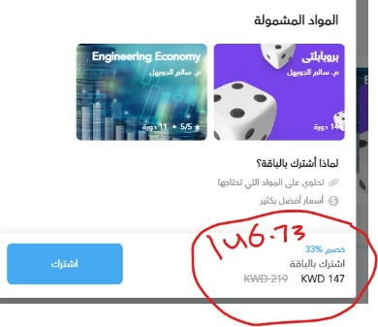
 | 9 | after closing course card and Refresh the page it reopend |  | 1-open https://baims.com/ 2-Login to your account 3-Choose any course 4-Close the card 5-Refresh the page | high | medium | open | 2022-05-06 | It shows home page without errors | It reopend the card |  |  | 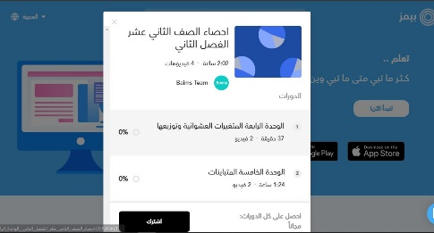
 | 10 | on Watching a video of any course and change language into English it continue Overlaping |  | 1-open https://baims.com/ 2-Login to your account 3-open any course content page 4-Change language into English | medium | medium | open | 2022-05-06 | Language change Successfully | It Overlaps and doesn't stop till it backs to Arabic again |  |  | 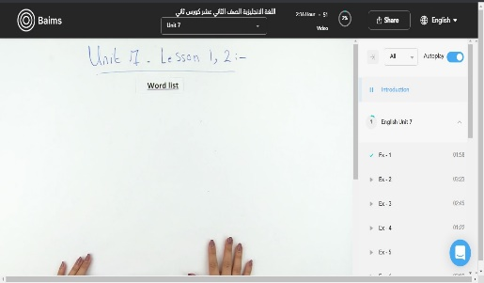
 | 11 | Sharing course via whatsapp or twitter doesn’t work |  | 1-open https://baims.com/ 2-Login to your account 3-open any course content page 4-Share course using whatsapp or twitter | high | medium | open | 2022-05-06 | It shared Successfully | Wrong message appears and number is not correct |  |  | 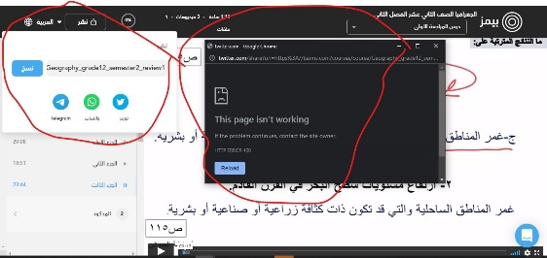
 | 12 | On sharing course it open at the same tab |  | 1-open https://baims.com/ 2-Login to your account 3-open any course content page 4-Share course using any app | medium | medium | open | 2022-05-06 | new tab is opend | it open links at the same tab |  |  | 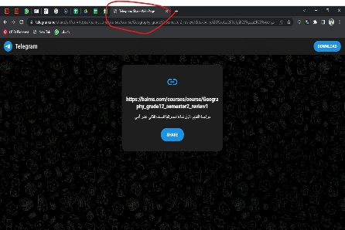
 | 13 | Some courses give error 404 even it has data inside |  | 1-open https://baims.com/ 2-Login to your account 3-Search for Autocad 4-Click on Autocad Essential course | high | high | open | 2022-05-06 | course content appears successfully | Error page is opend
 | 14 | When Error 404 page is closed it reopend and need to close again |  | 1-open https://baims.com/ 2-Login to your account 3-Search for Autocad 4-Click on Autocad Essential course 5-Close error page | medium | medium | open | 2022-05-06 | it Closes Successfully | it Reopend and need to close again |  |  | 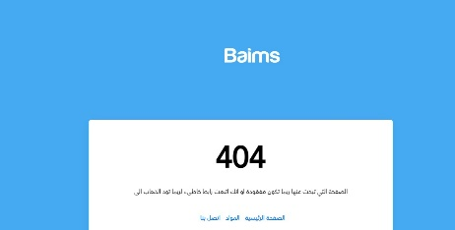
 | 15 | All courses page has Overlapped inside |  | 1-open https://baims.com/ 2-Login to your account 3-Click on Start now 4-Click on see more courses | medium | low | open | 2022-05-06 | courses appeard beside each other | all courses is in one point
Search | 16 | you can't search for same thing twice without adding any character or space on search tab |  | 1-open https://baims.com/ 2-Enter any value to search for 3-Click on Enter 4-try to click Enter or search icon | low | low | open | 2022-05-06 | it Refresh the page with the same search | nothing had happened and need to enter any value to work |  |  | 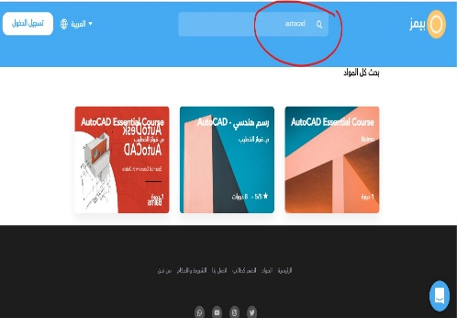
Footer | 17 | Whatsapp number is invalid for contact |  | 1-open https://baims.com/ 2-Click on whatsapp icon on footer | medium | medium | open | 2022-05-06 | it Redirect you to contact them on whatsapp | error message appears telling phone number is wrong |  |  | 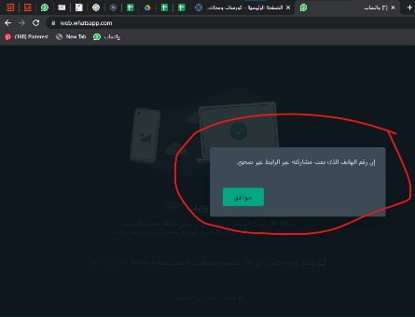
Login | 18 | Login using email isn't working |  | 1-open https://baims.com/ 2-Click on Login 3-Click on have an acount 4-Enter email and Password 5-Click on Submit | medium | medium | open | 2022-05-06 | it opens user's home page | doesn't accept data and still at login page |  |  | 