Distribution Assessment
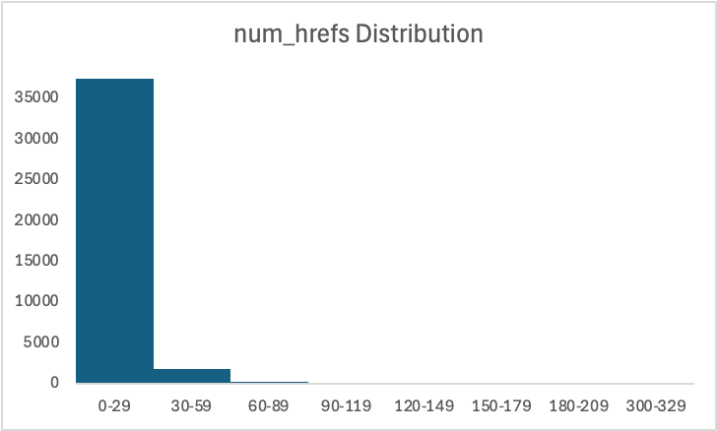
Summary statistics
Variable | Mean | Median | Std Dev | Skewness | Kurtosis
n_tokens_title | 10.40 | 10.00 | 2.11 | 0.165320377 | -0.000749671
n_tokens_content | 546.51 | 409.00 | 471.11 | 2.945421939 | 19.47841162
num_hrefs | 10.88 | 8.00 | 11.33 | 4.013494828 | 35.50633284
num_imgs | 4.54 | 1.00 | 8.31 | 3.946595845 | 24.5257459
kw_avg_avg | 3135.86 | 2870.07 | 1318.15 | 5.760177299 | 100.5861088
global_sentiment_polarity | 0.12 | 0.12 | 0.10 | 0.105561955 | 1.510209977
shares | 3395.38 | 1400.00 | 11626.95 | 33.96388488 | 1832.672657

 |  |  |  |  |  | This distribution of the number of words in the article title (n_tokens_title) appears to be generally normal with a slight positive skew. For this variable, probability assumptions appear to be valid.

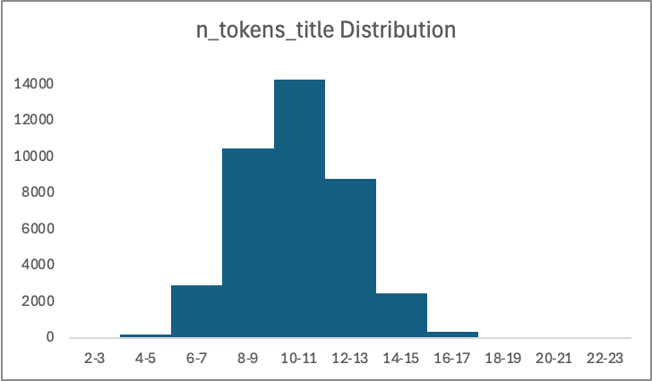

 |  |  |  |  |  | The distribution of the number of words in the article body (n_tokens_content) has a strong positive skew with the majoirty of the articles sampled having less than 1000 words. Normal probability assumptions are not valid for this variable.

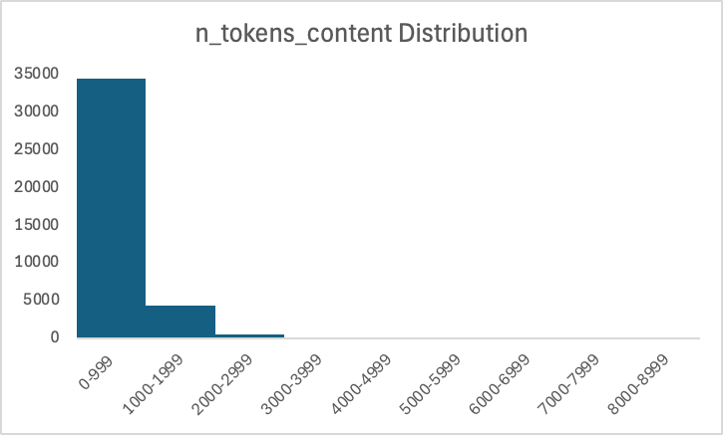

 |  |  |  |  |  | The distribution of the number of hyperlinks in the article (num_hrefs) has a strong positive skew with the majoirty of the articles sampled having less than 30 hyperlinks. Normal probability assumptions are not valid for this variable.

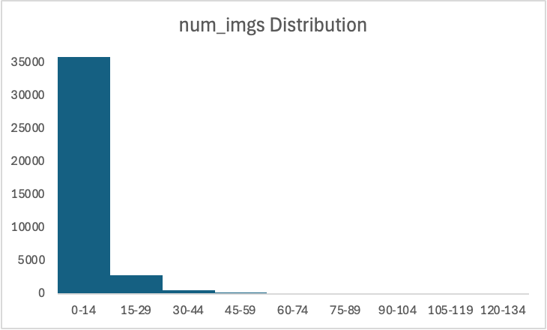

 |  |  |  |  |  | The distribution of the number of images in the article (num_hrefs) has a strong positive skew with the majoirty of the articles sampled having less than 15 images. Normal probability assumptions are not valid for this variable.

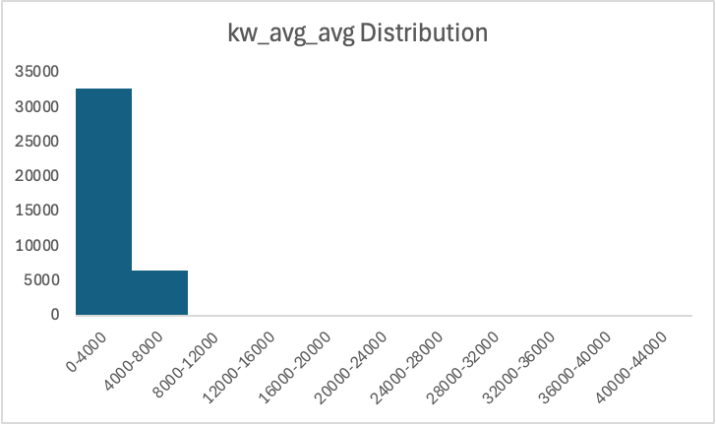

 |  |  |  |  |  | The Average of the historical average share counts associated with the article’s keywords (num_hrefs) has a strong positive skew with the majoirty of the articles sampled having an average of below 4000. Normal probability assumptions are not valid for this variable.

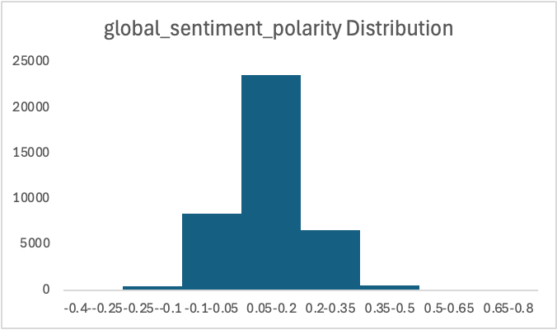

 |  |  |  |  |  | The overall sentiment polarity of the artivle text (global_sentiment_polarity) does not appear to have a strong skew. Normal probability assumptions appear to be valid for this variable.

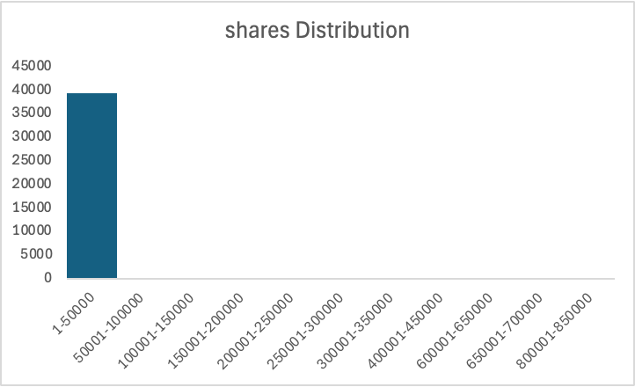

 |  |  |  |  |  | The number of times an article was shared on social networks (shares) has a strong positive skew with the majoirty of the articles sampled having been shares less than 50000 times. Normal probability assumptions are not valid for this variable.

