Sales Order Overview
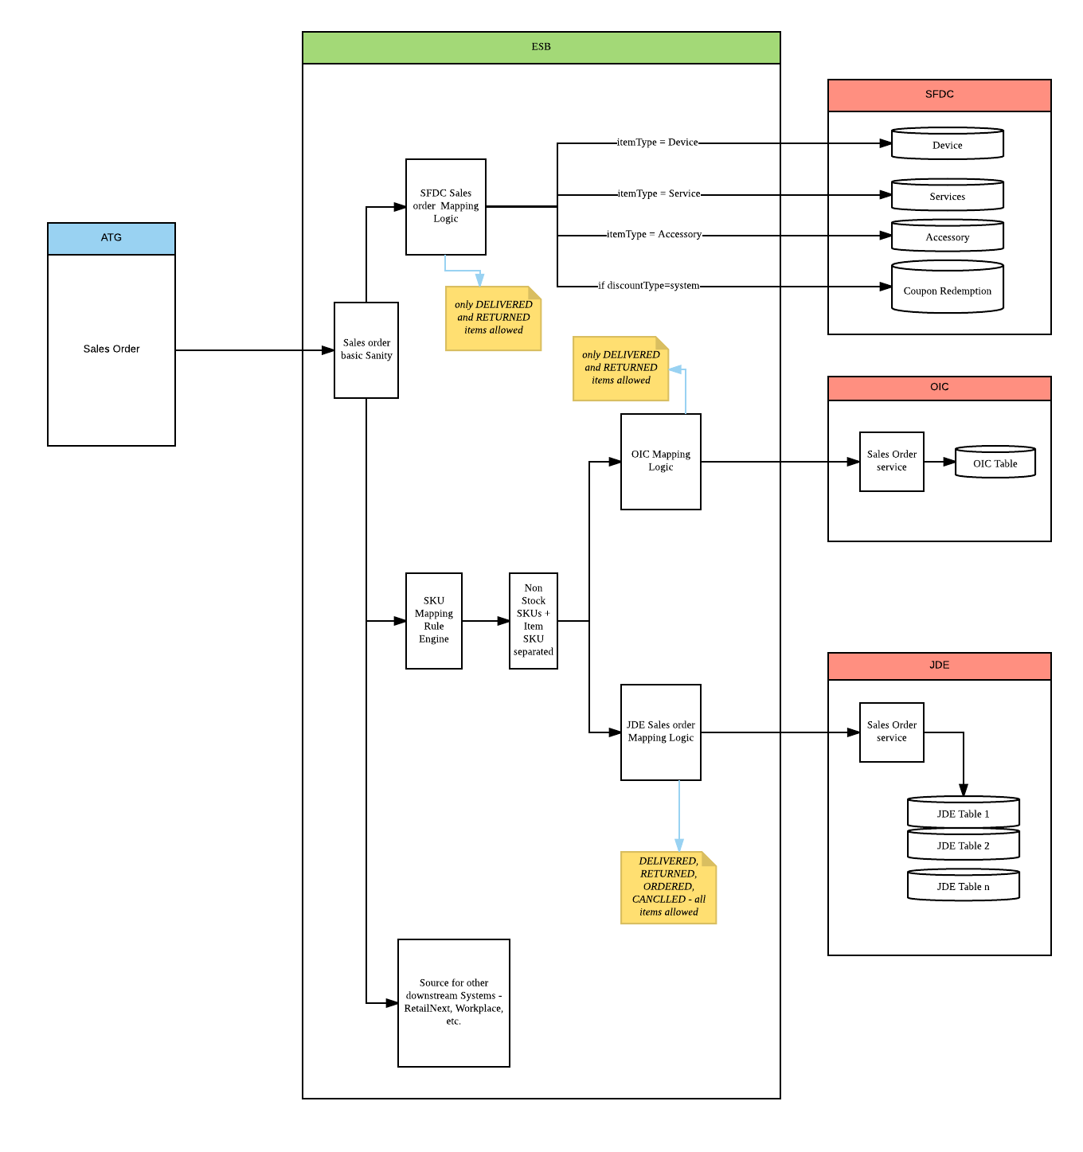
Sales Order Overview

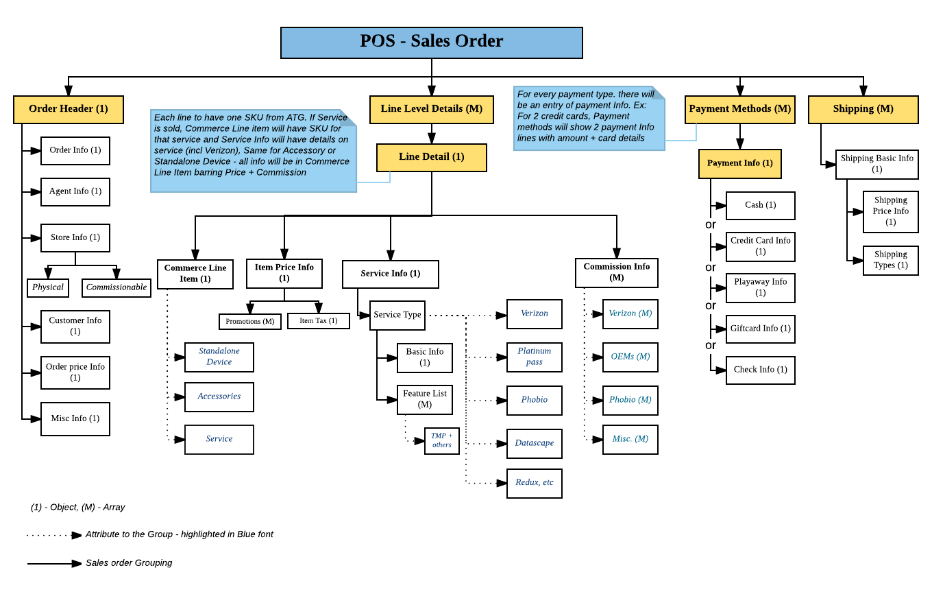

Sales Order Flow into Downstream Systems

