Country details
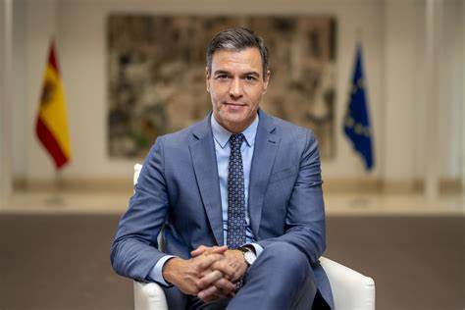
Characteristic | Information |  |  | Prime Minister of Spain portrait
Founding Date | December 6, 1978 (Constitution adoption)
Government Type | Parliamentary constitutional monarchy
Current Prime Minister | Pedro Sánchez
Biography of Current Prime Minister | Pedro Sánchez, born February 29, 1972, is a Spanish politician serving as the Prime Minister of Spain since June 2018. He is the Secretary-General of the Spanish Socialist Workers' Party (PSOE). | Country | Population
Country Area | 505,990 km² (195,360 sq mi) | Spain | 48692804
Population | 48,692,804 (2024 estimate) | US
Distribution of Population by Religions | Predominantly Roman Catholic (68.9%), No religion (16.4%), Other religions (14.7%)
Distribution of Population by Origin | Predominantly Spanish, with significant minorities from Romania, Morocco, Ecuador, and the UK.

References: https://www.britannica.com/place/Spain https://en.wikipedia.org/wiki/Spain https://travelinginspain.com/history-of-spain/

Population
year | 2020
 | percapitaincome, (USD)
2010 | 30532
2011 | 31678
2012 | 28323
2013 | 29068
2014 | 29501
2015 | 25742
2016 | 26523
2017 | 28170
2018 | 30389
2019 | 29565
2020 | 27057
Average of population_percentage | Column Labels
Row Labels | female | male
00-04 | 3.96 | 4.36
05-09 | 4.64 | 5.14
10-14 | 5.08 | 5.64
15-19 | 4.84 | 5.39
20-24 | 4.79 | 5.24
25-29 | 5.19 | 5.54
30-34 | 5.72 | 5.95
35-39 | 6.78 | 6.99
40-44 | 8.07 | 8.49
45-49 | 8.02 | 8.48
50-54 | 7.64 | 7.92
55-59 | 7.14 | 7.21
60-64 | 6.32 | 6.21
65-69 | 5.33 | 5.06
70-74 | 4.94 | 4.42
75-79 | 4.08 | 3.39
80 and above | 7.46 | 4.58

Row Labels | Sum of population_number
female | 23662382
male | 22821680
Grand Total | 46484062

Health
 | Y
-6.2317785025 | 39.182878784
-1.1265431668 | 37.990137148
-3.7435962124 | 43.4554054
2.1730514393 | 41.376376828
-8.415206025 | 43.364608434
-8.5464983123 | 42.871885045
-7.8609635741 | 42.341537221
-8.1085203183 | 42.658960732
-8.5563246688 | 42.862347445
-7.5680404495 | 42.997975355
-7.5193173684 | 42.527266197
-7.9403219246 | 42.294462441
-7.4926257006 | 43.143205323
-7.8682639603 | 42.346778676
-8.642109173 | 42.42935442
-8.785523704 | 42.321096776
-8.8223592347 | 42.399967719
1.8295463789 | 41.725714687
-4.4246365741 | 37.468512538
-3.166565127 | 40.632329533
-8.4699698599 | 42.224996077
-2.8881805811 | 43.292180241
2.8201499546 | 41.985021854
-14.344901115 | 28.048896559
-17.760041849 | 28.650892724
-2.9833006814 | 43.300336419
-5.138492422 | 36.428083661
2.1724035182 | 41.410081131
2.1729118806 | 41.41035983
-8.4218539638 | 42.09086903
3.3725758795 | 39.581200318
3.1240459963 | 42.240512489
-6.8277185747 | 37.137160734
-0.39319713093 | 39.434375358
-7.4348987791 | 41.936955746
-7.8394904793 | 43.160424183
-4.5317025628 | 42.015647652
2.1034311839 | 41.499473877
-6.9719795102 | 38.873769786
-6.9721555302 | 38.873654451
2.1770798658 | 41.378614461
-0.3697720585 | 39.480852425
-7.2334638762 | 42.311419785
-3.5658015454 | 37.676206543
-4.9829907675 | 41.710550651
3.0995230622 | 41.845898355
-4.5303785574 | 42.009212194
-4.5309843175 | 42.010654217
-4.0048338151 | 40.628238158
2.9329105246 | 39.366537347
...

Education
 | Total
college | 289
kindergarten | 1830
school | 2546
university | 240

