Defect
1. Branch does not appear
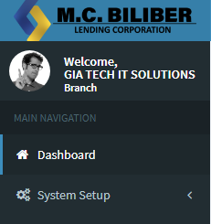

2 | Footer Link redirect to Admin LTE

3 | Missing Employee Account

4 | Gender Contains place holder

5 | No Format trappings

6 | Date of birth and has palce holder

7 | Street is required

8 | Change City to Municipality for provicial address

9 | user can select multiple roles

10 | Incorect Breadcrumb. Must be Dashbaord > Employee > Employee Details

11 | Incorrect Labels, Add employee from use the term GENDER

12 | Added label - description

13 | Add contact not working properly
14 | Incorrect confirmation window - add contact
15 | Branch info numbering
16 | ID column last upated different to date updated
16 | Add employee not working properly
 | Deacticvate employee not working
 | Duplicate adding user not filter
 | Incorrect breadcrumb for add suer
 | Cashe on login must be remove
 | Change temporary password trapping. Must be required
 | Security question cannot be repeat
 | on emloyee profile, correct security question must display. Answer must be encypted but allows to view.
 | Change passaword no trapings
 | Limited nationality

