Balance Calculator
 |  |  | FARB Rnds (LF) | Baseline Laptime
 |  |  | 0 | #N/A
 |  |  | 0
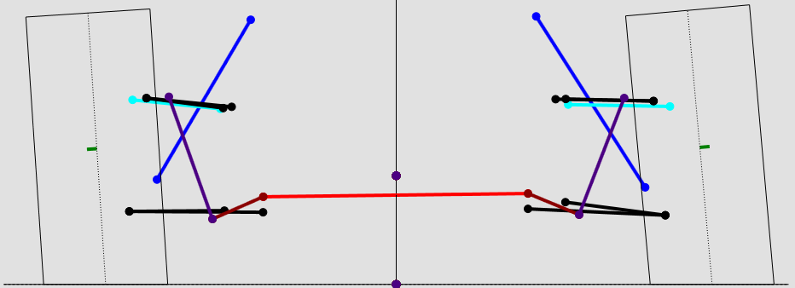
LF |  |  |  |  |  |  |  |  |  |  | RF
Spring Rate | 0 | 0.00 |  |  |  |  |  | 0.00 | 0 | Spring Rate
Spring Rounds | 0 | 0.00 |  |  |  |  |  | 0.00 | 0 | Spring Rounds
Toe" | 0 | 0.00 |  |  |  |  |  | 0.00 | 0 | Toe"
psi | 0 | 0.00 |  |  |  |  |  | 0.00 | 0 | psi
Camber | 0 | 0.00 |  |  |  |  |  | 0.00 | 0 | Camber
Frame Height | 0 | 0.00 |  |  |  |  |  | 0.00 | 0 | Frame Height
Blade Pos | 0 | 0.00 |  |  |  |  |  | 0.00 | 0 | Blade Pos
...
 |  |  |  | Baseline
...
 |  |  |  | Track Mu | 0.00 | 0.00
 |  |  |  | NW | 0% | 0.00
 |  |  |  | CW | 0% | 0.00
 |  |  |  | RS Weight | 0 | 0.00
 |  |  |  | Fuel Burn (lbs) | 0 | 0.00
 |  |  |  | %Open Area | 0 | 0.00
 |  |  |  | Air Temp (°F) | 0 | 0.00
 |  |  |  | Air Press (inHG) | 0 | 0.00
 |  |  |  | Rel Humid (%) | 0 | 0.00
...
 |  |  | FARB Rnds (LF) | Baseline Laptime
 |  |  |  | Delta Values
...
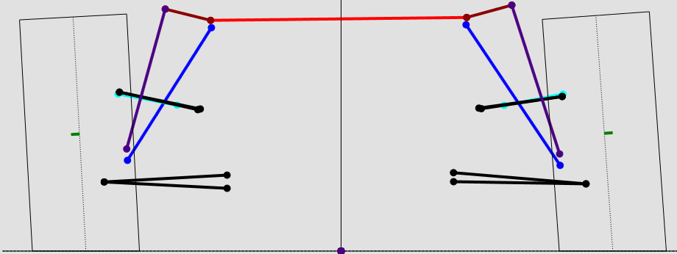
 |  |  | FARB Rnds (LF) | Baseline Laptime
LR |  |  |  |  |  |  |  |  |  |  | RR
Spring Rate | 0 | 0.00 |  |  |  |  |  | 0.00 | 0 | Spring Rate
Spring Rounds | 0 | 0.00 |  |  |  |  |  | 0.00 | 0 | Spring Rounds
Toe" | 0 | 0.00 |  |  |  |  |  | 0.00 | 0 | Toe"
psi | 0 | 0.00 |  |  |  |  |  | 0.00 | 0 | psi
Camber | 0 | 0.00 |  |  |  |  |  | 0.00 | 0 | Camber
Blade Pos | 0 | 0.00 |  |  |  |  |  | 0.00 | 0 | Frame Height
 |  |  |  |  |  |  |  | 0.00 | 0 | Blade Pos
 |  |  |  |  |  |  |  | 0.00 | 0 | Rollout Delta
...
 |  |  | FARB Rnds (LF) | Baseline Laptime
 |  |  |  | Diff Pressure | 0 | 0.00 | 0.00
 |  |  |  |  |  |  | 0
 |  |  |  |  |  |  | RARB Rnds (RR)
...
 |  |  | FARB Rnds (LF) | Baseline Laptime
 |  |  | Input all values excpet RR Rollout Delta and Blade Positions as Deltas
...

Bumpstop Viewer
Paste Data
 |  |  |  |  |  | Plot 1 | Additional Spring Rounds LF | Additional Spring Rounds LF | BumpstopForceLF_Lap_Max | Plot 2 | Additional Spring Rounds RF | Additional Spring Rounds RF | BumpstopForceRF_Lap_Max | Plot 3 | Additional Spring Rounds LR | Additional Spring Rounds LR | BumpstopForceLR_Lap_Max | Plot 4 | Additional Spring Rounds RR | Additional Spring Rounds RR | BumpstopForceRR_Lap_Max |  |  | ID
 |  |  |  |  |  |  | #N/A | #N/A | #N/A |  | #N/A | #N/A | #N/A |  | #N/A | #N/A | #N/A |  | #N/A | #N/A | #N/A |  |  | 2
Additional Spring Rounds LF | vs. | BumpstopForceLF_Lap_Max | Additional Spring Rounds RF | vs. | BumpstopForceRF_Lap_Max |  |  |  |  |  |  |  |  |  |  |  |  |  |  |  |  |  |  | 3
 | BumpstopForceLF_Lap_Max
#N/A | #N/A
#N/A | #N/A
#N/A | #N/A
#N/A | #N/A
#N/A | #N/A
#N/A | #N/A
#N/A | #N/A
#N/A | #N/A
#N/A | #N/A
#N/A | #N/A
#N/A | #N/A
#N/A | #N/A
#N/A | #N/A
#N/A | #N/A
#N/A | #N/A
#N/A | #N/A
#N/A | #N/A
#N/A | #N/A
#N/A | #N/A
 | BumpstopForceRF_Lap_Max
#N/A | #N/A
#N/A | #N/A
#N/A | #N/A
#N/A | #N/A
#N/A | #N/A
#N/A | #N/A
#N/A | #N/A
#N/A | #N/A
#N/A | #N/A
#N/A | #N/A
#N/A | #N/A
#N/A | #N/A
#N/A | #N/A
#N/A | #N/A
#N/A | #N/A
#N/A | #N/A
#N/A | #N/A
#N/A | #N/A
#N/A | #N/A
 |  |  |  |  |  |  |  |  |  |  |  |  |  |  |  |  |  |  |  |  |  |  |  | 4
Clear Data
 |  |  |  |  |  |  |  |  |  |  |  |  |  |  |  |  |  |  |  |  |  |  |  | 5
 |  |  |  |  |  |  |  |  |  |  |  |  |  |  |  |  |  |  |  |  |  |  |  | 6
 |  |  |  |  |  |  |  |  |  |  |  |  |  |  |  |  |  |  |  |  |  |  |  | 7
 |  |  |  |  |  |  |  |  |  |  |  |  |  |  |  |  |  |  |  |  |  |  |  | 8
 |  |  |  |  |  |  |  |  |  |  |  |  |  |  |  |  |  |  |  |  |  | Param Headers | Stop Headers | 9
 |  |  |  |  |  |  |  |  |  |  |  |  |  |  |  |  |  |  |  |  |  |  |  | 10
 |  |  |  |  |  |  |  |  |  |  |  |  |  |  |  |  |  |  |  |  |  |  |  | 11
 |  |  |  |  |  |  |  |  |  |  |  |  |  |  |  |  |  |  |  |  |  |  |  | 12
 |  |  |  |  |  |  |  |  |  |  |  |  |  |  |  |  |  |  |  |  |  |  |  | 13
 |  |  |  |  |  |  |  |  |  |  |  |  |  |  |  |  |  |  |  |  |  |  |  | 14
 |  |  |  |  |  |  |  |  |  |  |  |  |  |  |  |  |  |  |  |  |  |  |  | 15
 |  |  |  |  |  |  |  |  |  |  |  |  |  |  |  |  |  |  |  |  |  |  |  | 16
 |  |  |  |  |  |  |  |  |  |  |  |  |  |  |  |  |  |  |  |  |  |  |  | 17
...
Additional Spring Rounds LR | vs. | BumpstopForceLR_Lap_Max | Additional Spring Rounds RR | vs. | BumpstopForceRR_Lap_Max
...
 | BumpstopForceLR_Lap_Max
#N/A | #N/A
#N/A | #N/A
#N/A | #N/A
#N/A | #N/A
#N/A | #N/A
#N/A | #N/A
#N/A | #N/A
#N/A | #N/A
#N/A | #N/A
#N/A | #N/A
#N/A | #N/A
#N/A | #N/A
#N/A | #N/A
#N/A | #N/A
#N/A | #N/A
#N/A | #N/A
#N/A | #N/A
#N/A | #N/A
#N/A | #N/A
 | BumpstopForceRR_Lap_Max
#N/A | #N/A
#N/A | #N/A
#N/A | #N/A
#N/A | #N/A
#N/A | #N/A
#N/A | #N/A
#N/A | #N/A
#N/A | #N/A
#N/A | #N/A
#N/A | #N/A
#N/A | #N/A
#N/A | #N/A
#N/A | #N/A
#N/A | #N/A
#N/A | #N/A
#N/A | #N/A
#N/A | #N/A
#N/A | #N/A
#N/A | #N/A
...

