120919_HP_MCTS_130_DEC
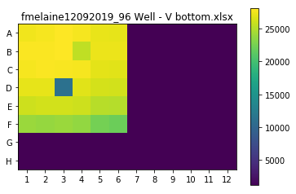
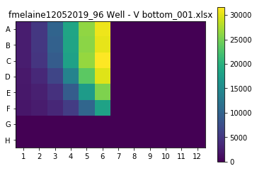
Plate Layout | C= 90nM |  |  |  |  |  | Plate Layout | C= 90nM
NAME: | HP_MCTS_130 |  |  |  |  |  | NAME: | HP_MCTS_130
 | C(nM) |  |  |  |  |  |  | A (nM)
AB (nM) | 1 | 2.8854 | 8.3255 | 24.0225 | 69.3145 | 200 | B (nM) | 1 | 2.8854 | 8.3255 | 24.0225 | 69.3145 | 200
1 | 2541.06006 | 5078.69971 | 10231.5 | 18578.5801 | 26345.4004 | 30708.75 | 1 | 27568.5 | 27757 | 28080 | 27804 | 27245 | 27085
2.8854 | 2587.80005 | 5140.25977 | 9768.66016 | 18466.8594 | 26109.4199 | 30424.8896 | 2.8854 | 28010 | 27931.5 | 28121 | 25527.5 | 27333 | 27305
8.3255 | 2487.47998 | 4848.41992 | 9239.7002 | 18002.8789 | 26628.1191 | 31566.5996 | 8.3255 | 27785 | 27912 | 27897 | 27757 | 27065 | 26936
24.0225 | 2209.32007 | 3638.87988 | 6602.87988 | 14076.7197 | 23575.7695 | 30028.7402 | 24.0225 | 27092 | 27117 | 11252 | 26864 | 26341 | 26329
69.3145 | 1979.03992 | 2773.61987 | 4538.33984 | 9223.74023 | 17264.1602 | 25424.2793 | 69.3145 | 26057 | 26240 | 26296 | 26019.5 | 25217 | 25112.5
200 | 1867.31995 | 2438.45996 | 3481.56006 | 5617.91992 | 10384.2598 | 18242.2793 | 200 | 24099.5 | 23877 | 24046 | 23709 | 22530 | 22109

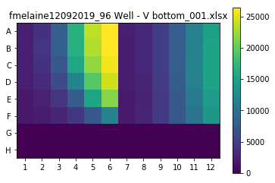
Plate Layout | A= 25nM |  |  |  |  |  | Plate Layout | B= 25nM
NAME: | HP_MCTS_130 |  |  |  |  |  | NAME: | HP_MCTS_130
 | C (nM) |  |  |  |  |  |  | C (nM)
B (nM) | 1 | 2.8854 | 8.3255 | 24.0225 | 69.3145 | 200 | A (nM) | 1 | 2.8854 | 8.3255 | 24.0225 | 69.3145 | 200
1 | 2223 | 3773 | 7969 | 16713 | 23877 | 26352 | 1 | 2177 | 3082 | 4919.5 | 7881 | 11464 | 14985
2.8854 | 2210 | 3953 | 8127.5 | 16532 | 23354.5 | 26278 | 2.8854 | 2161 | 3076 | 4874.5 | 8025 | 11624 | 15215
8.3255 | 2164 | 3846 | 7154 | 15644 | 22069 | 25864 | 8.3255 | 2116 | 3001 | 4786 | 7981 | 11779.5 | 15303.5
24.0225 | 2180 | 3133 | 6056.5 | 11768 | 19516 | 24461 | 24.0225 | 2001 | 2768 | 4544 | 7789 | 11496 | 15216
69.3145 | 1829 | 2433 | 4162 | 7738 | 15432 | 21517 | 69.3145 | 1892 | 2668 | 4380 | 7320.5 | 10760 | 14541
200 | 1724 | 2023 | 2784 | 4223.5 | 7144 | 11632 | 200 | 1854 | 2688 | 4469 | 7256 | 10148 | 13930.5

