Brent
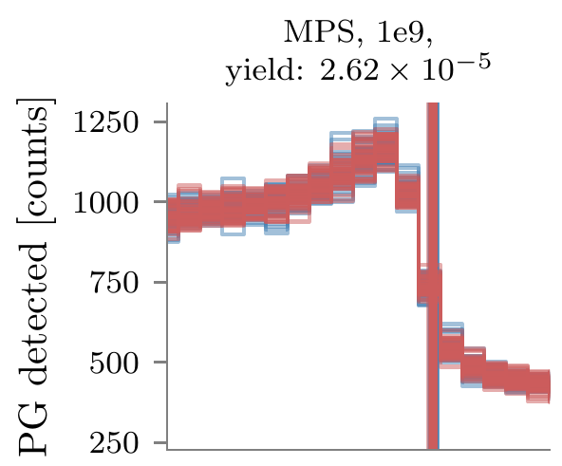
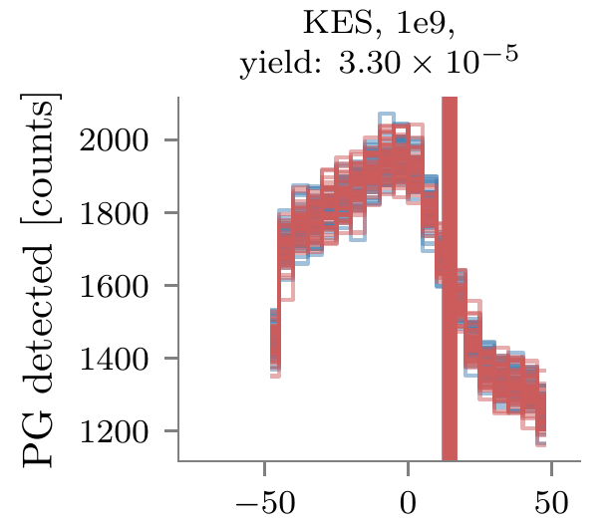
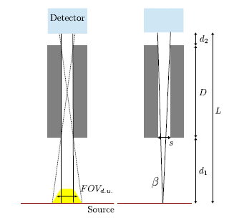
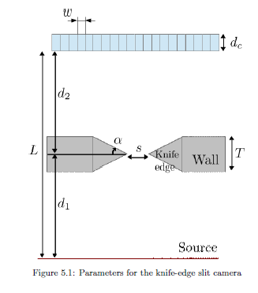
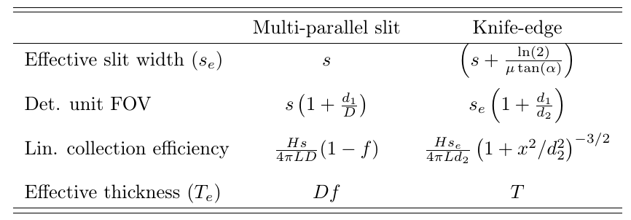
 |  |  |  | Simulation results
 |  | Priegnitz 2015 |  | NoTOF 3-6 MeV |  | TOF 1-8 MeV |  | Prototypes
 | MPS | KES |  | MPS | KES | MPS | KES | MPS | KES
d1 (mm) | 304 | 250
D (mm) | 180
d2 (mm) | 0 | 200
L (mm) | 484 | 450
H (mm) | 200 | 200
s (mm) | 5.4 | 6 | *
s_e (mm) | 5.4 | 10.53176852
septa (mm)
w (detector width) (mm) |  | 4
p (mm) | 5.4
Longueur caméra (mm) | 25
Nbre fentes | 4.6296296296
f | 0.325
Effective thickness (mm) | 58.5 | 40 |  | 72
Det. Unit FOV (mm) | 14.52 | 13.5 |  |  |  |  |  | 17.5 | 15.6
Det. Unit. Geom. Efficiency | 3.67E-04 | 1.53E-03
Det. Unit efficiency | 6.66E-004 | 1.06E-003
Det. Unit efficiency (published) |  | 4.00E-004 |  |  |  |  |  |  |  | 0.88753588754
Falloff amplitude (4 mm bin) |  |  |  | 200 | 350 | 400 | 650 | 400 | 350
KES eff/ MPS eff | 1.59 |  |  | 1.75 |  | 1.625 |  | 0.875
KES Det. unit FOV / MPS | 0.92975206612 |  |  |  |  |  |  | 0.89142857143
* no KES transparency taken into account |  |  |  |  |  |  |  |  |  |  |  | µ (mm-1) | 0.0792 | 0.67300669594
** Efficiency at the center of the camera |  |  |  |  |  |  |  |  |  |  |  | Se (mm) | 5.0528980905
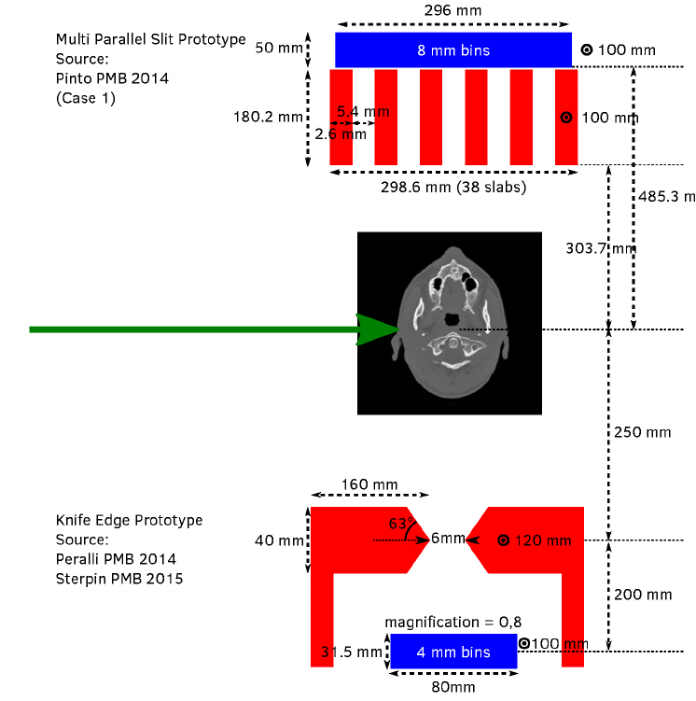
 |  |  |  |  |  |  |  | MPS, TOF, 1 MeV < E < 8 MeV |  |  | KES, TOF, 1 MeV < E < 8 MeV

AllTogether
 |  |  |  |  |  |  |  |  |  | Brent
 | Smeets 2016 |  |  | Lin 2017 |  |  | Park 2017 |  |  | Analytical model |  |  | MC simulations |  | Ecarts relatifs
 | MPS | KES | Ratio | MPS | KES | Ratio | MPS | KES | Ratio | MPS | KES | Ratio | MPS | KES | MPS | KES
d1 (mm) | 250 | 220 |  | 200 | 300 |  | 180 | 200 |  | 304 | 250
D (mm) | 100 |  |  | 200 |  |  | 100 |  |  | 180
d2 (mm) | 0 | 176 |  | 200 | 300 |  | 0 | 200 |  | 0 | 200
L (mm) | 350 | 396 |  | 600 | 600 |  | 280 | 400 |  | 484 | 450
H (mm) | 100 | 100 |  | 100 | 100 |  | 200 | 200 |  | 200 | 200
s (mm) | 2.4 | 6 |  | 2 | 6 |  | 2 | 6 |  | 5.4 | 6
s_e (mm) | 2.4 | 10.53176852 |  | 2 | 10.53176852 |  | 2 | 10.53176852 |  | 5.4 | 10.53176852
septa (mm) | 1.6 |  |  | 2 |  |  | 2 |  |  | 2.6
w (detector width) (mm) |  | 4 |  |  | 4 |  |  | 4 |  |  | 4
p (mm) | 4 |  |  | 4 |  |  | 4 | 4 |  | 8
f | 0.4 |  |  | 0.5 |  |  | 0.5 |  |  | 0.325
Effective thickness (mm) | 40 | 40 |  | 100 | 40 |  | 50 | 40 |  | 58.5 | 40
Res (mm) Perfect collimator |  | 13.50 |  |  | 12.00 |  |  | 12.00 |  | 14.52 | 13.50 |  | 22.5 | 12 | 0.35466666667 | -0.125
Res (mm) Physical collimator | 8.40 | 23.70 | 2.82 | 4.00 | 21.06 | 5.27 | 5.60 | 21.06 | 3.76 |  | 23.70 | 1.63 |  | 19.3 |  | -0.22779684813
Published Res (mm) |  |  |  |  |  |  | 6.30E+00 | 2.06E+01 | 3.27
Eff Perfect collimator |  |  |  |  |  |  |  |  |  | 6.66E-04 | 1.06E-03 | 1.59 | 6.49E-04 | 9.74E-04 | -0.026018285478 | -0.08935621555
Eff Physical collimator | 3.27E-04 | 1.20E-03 | 3.67 | 6.63E-05 | 4.66E-04 | 7.02 | 5.68E-04 | 2.10E-03 | 3.69 | 3.76E-04 | 6.03E-04 | 1.60 | 6.61E-04 | 1.03E-03 | 0.43097197968 | 0.41446842594
Published eff |  | 4.00E-004 |  |  |  |  | 3.00E-004 | 7.20E-004 | 2.40 |  | 4.00E-004
Reference for eff |  | Priegnitz 2015 |  |  |  |  |  | Park 2017
AM eff / published eff |  |  |  |  |  |  | 1.8947017035 | 2.9100399642
1/(Estimated intrinsic absorber eff.) |  |  |  |  |  |  |  | 1.7593057781
FOV factor |  |  |  |  |  |  | 1.4 | 5.2658842598

Spatial resolution
Detection efficiency
Res (mm)
 | MPS | KES
Smeets 2016 – AM | 8.40E+00 | 2.37E+01
Lin 2017 – AM | 4.00E+00 | 2.11E+01
Park 2017 - AM | 5.60E+00 | 2.11E+01
Park 2017 – Published | 6.30E+00 | 2.06E+01

Eff
 | MPS | KES
Smeets 2016 – AM | 3.27E-04 | 1.20E-03
Lin 2017 – AM | 6.63E-05 | 4.66E-04
Park 2017 - AM | 5.68E-04 | 2.10E-03
Park 2017 – AM corrected | 2.20E-04 | 1.19E-03
Park 2017 – Published | 3.00E-04 | 7.20E-04

