Brent
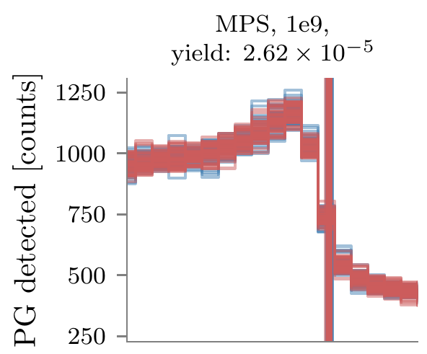
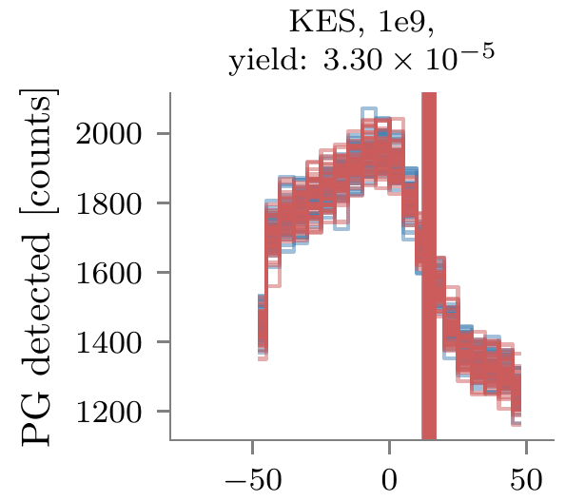
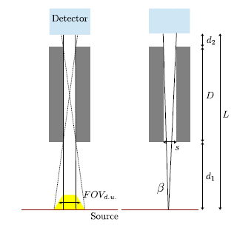
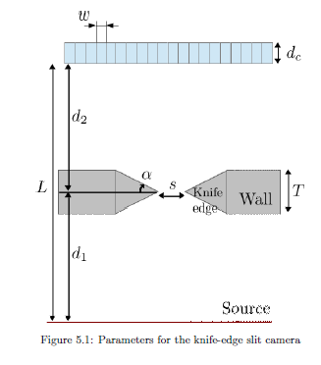
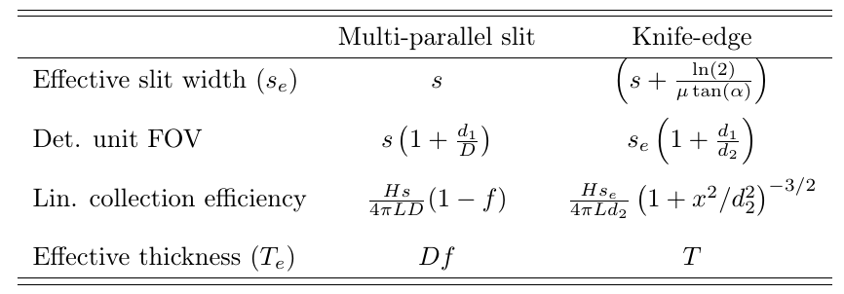
 |  |  |  | Simulation results
 |  | Priegnitz 2015 |  | NoTOF 3-6 MeV |  | TOF 1-8 MeV |  | Prototypes
 | MPS | KES |  | MPS | KES | MPS | KES | MPS | KES
d1 (mm) | 304 | 250
D (mm) | 180
d2 (mm) | 0 | 200
L (mm) | 484 | 450
H (mm) | 200 | 200
s (mm) | 5.4 | 6 | *
septa (mm)
w (detector width) (mm) |  | 4
p (mm) | 5.4
Longueur caméra (mm) | 25
Nbre fentes | 4.6296296296
f | 0.325
Effective thickness (mm) | 58.5 | 40 |  | 72
Det. Unit FOV (mm) | 14.52 | 13.5 |  |  |  |  |  | 17.5 | 15.6
Det. Unit. Geom. Efficiency | 3.67E-04 | 1.53E-03
Det. Unit efficiency | 6.66E-004 | 1.06E-003
Det. Unit efficiency (published) |  | 4.00E-004 |  |  |  |  |  |  |  | 0.88753588754
Falloff amplitude (4 mm bin) |  |  |  | 200 | 350 | 400 | 650 | 400 | 350
KES eff/ MPS eff | 1.59 |  |  | 1.75 |  | 1.625 |  | 0.875
KES Det. unit FOV / MPS | 0.92975206612 |  |  |  |  |  |  | 0.89142857143
* no KES transparency taken into account |  |  |  |  |  |  |  |  |  |  |  | µ (mm-1) | 0.0792 | 0.67300669594
** Efficiency at the center of the camera |  |  |  |  |  |  |  |  |  |  |  | Se (mm) | 5.0528980905

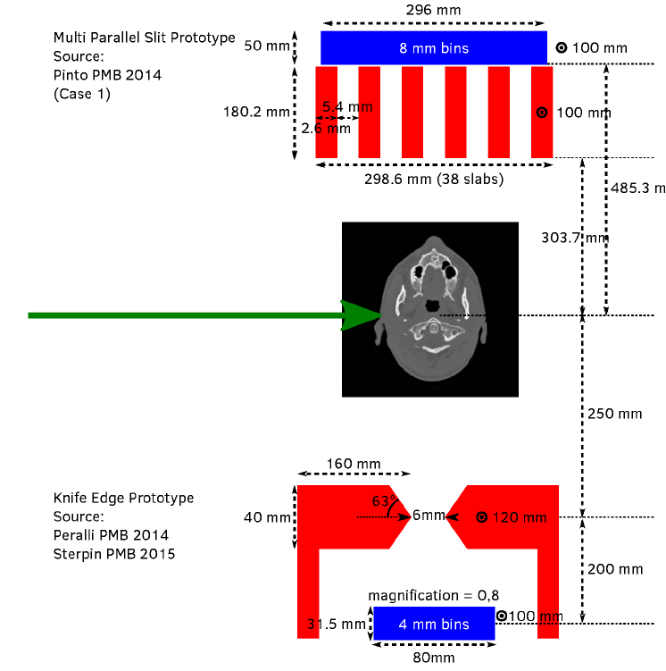
 |  |  |  |  |  |  |  | MPS, TOF, 1 MeV < E < 8 MeV |  |  | KES, TOF, 1 MeV < E < 8 MeV

