Brent
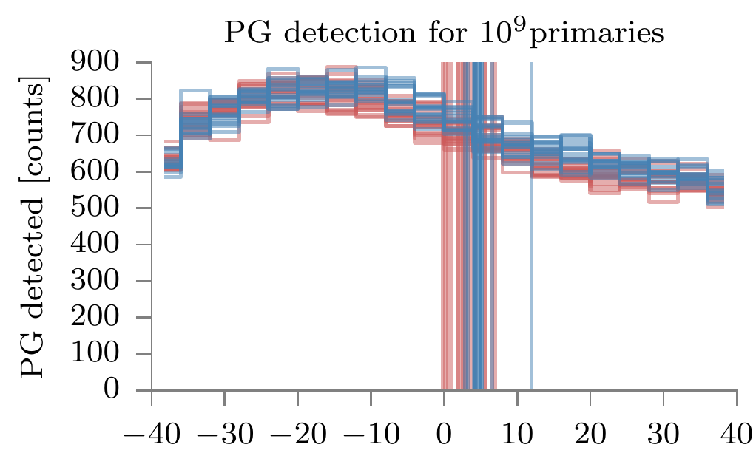
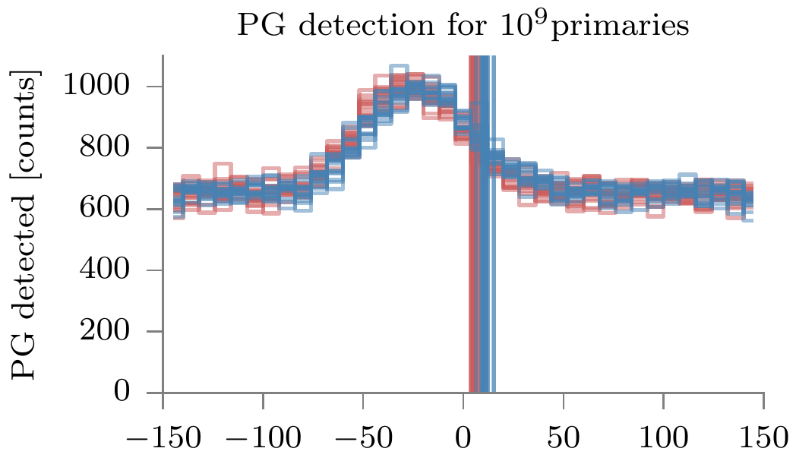
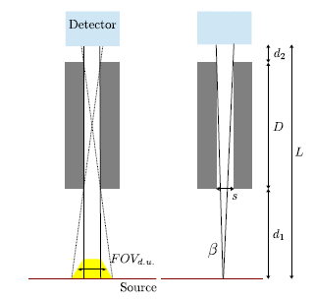
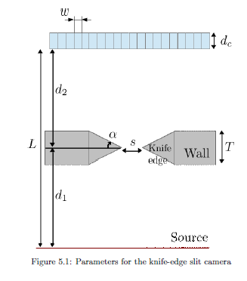
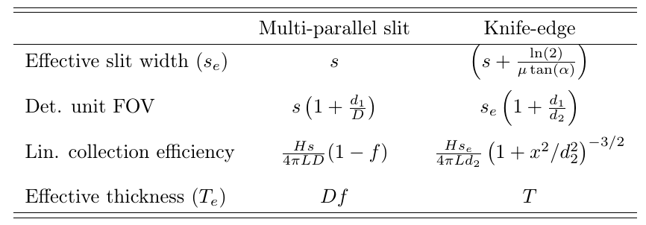
 |  |  | Simulation results
 |  |  | NoTOF_E>3MeV
 | KES |  | MPS | KES
d1 (mm) | 250
D (mm)
d2 (mm) | 200
L (mm) | 450
s (mm) | 6 | *
septa (mm)
f
Effective thickness (mm) | 40
Det. Unit FOV (mm) | 13.5
Lin. Coll. Eff (relative) | 6.67E-005 | **
Falloff amplitude (4 mm bin) |  |  | 200 | 300
KES eff/ MPS eff |  |  | 1.5

* no KES transparency taken into account
** Efficiency at the center of the camera
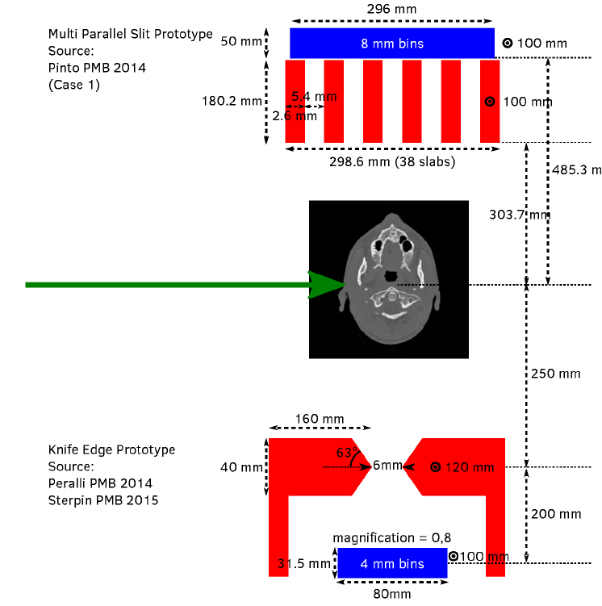

 |  |  |  |  | IBA, NoTOF_E>3MeV | IBA, NoTOF_E>3MeV

