B300 SXM6
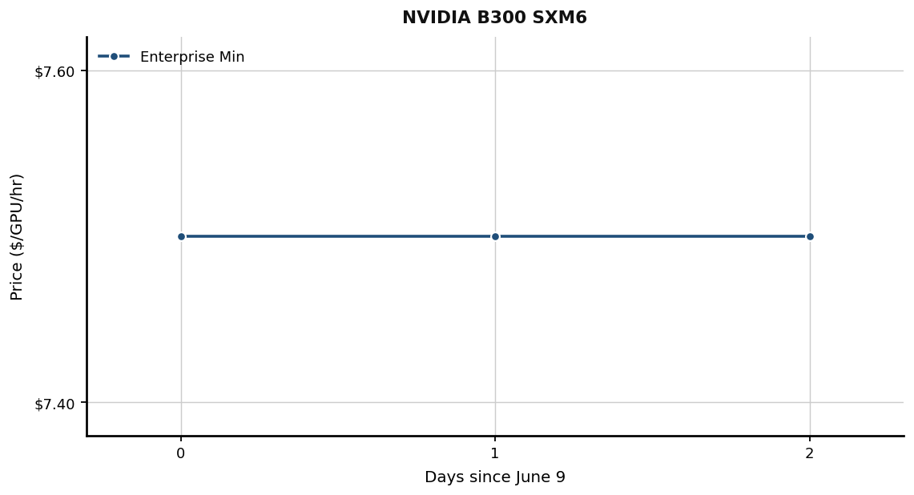
Date | Enterprise Min | Retail Min
2026-06-09 | $7.50 | N/A
2026-06-10 | $7.50 | N/A
2026-06-11 | $7.50 | N/A

B200 NVL

Date | Enterprise Min | Retail Min
2026-06-09 | N/A | N/A
2026-06-10 | N/A | N/A
2026-06-11 | N/A | N/A

B200 SXM
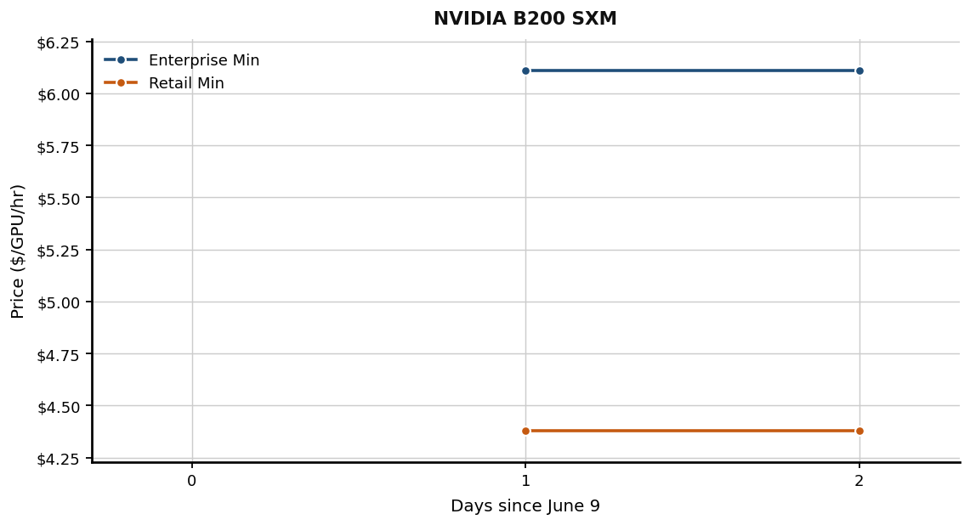
Date | Enterprise Min | Retail Min
2026-06-09 | N/A | N/A
2026-06-10 | $6.11 | $4.38
2026-06-11 | $6.11 | $4.38

H200 NVL
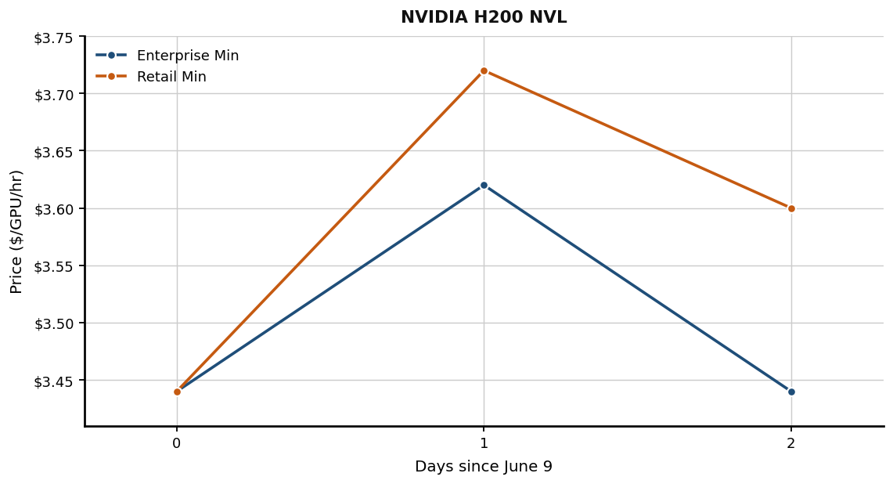
Date | Enterprise Min | Retail Min
2026-06-09 | $3.44 | $3.44
2026-06-10 | $3.62 | $3.72
2026-06-11 | $3.44 | $3.60

H200 SXM
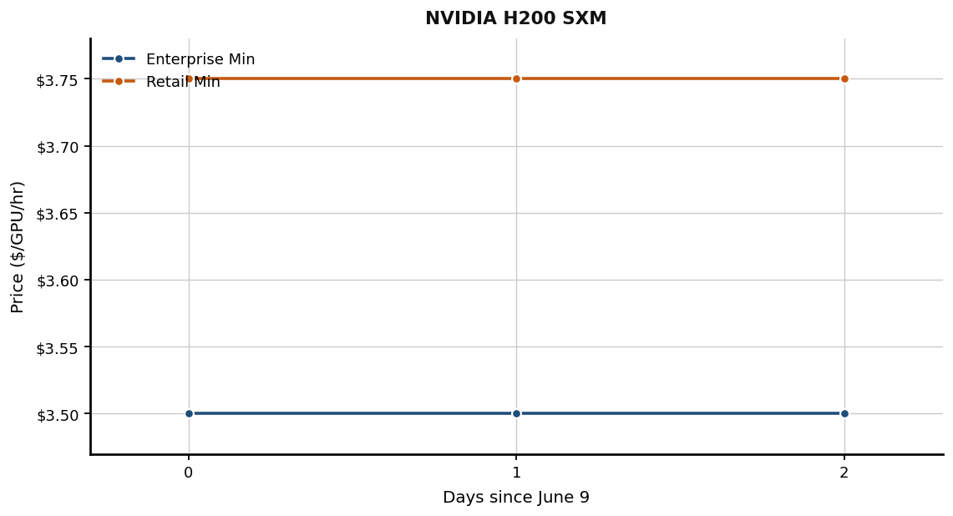
Date | Enterprise Min | Retail Min
2026-06-09 | $3.50 | $3.75
2026-06-10 | $3.50 | $3.75
2026-06-11 | $3.50 | $3.75

GH200 Grace Hopper
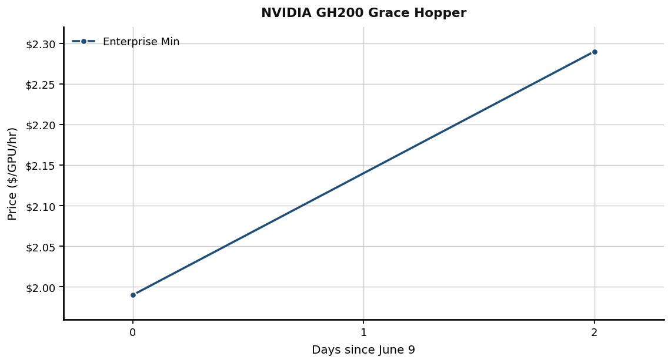
Date | Enterprise Min | Retail Min
2026-06-09 | $1.99 | N/A
2026-06-10 | N/A | N/A
2026-06-11 | $2.29 | N/A

H100 SXM5
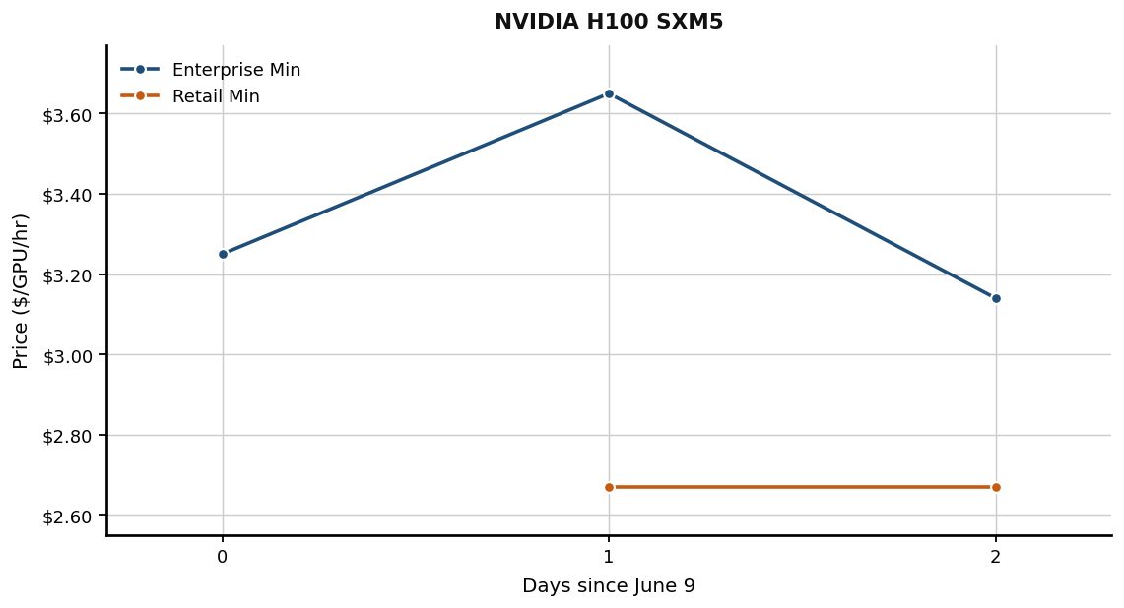
Date | Enterprise Min | Retail Min
2026-06-09 | $3.25 | N/A
2026-06-10 | $3.65 | $2.67
2026-06-11 | $3.14 | $2.67

H100 NVL
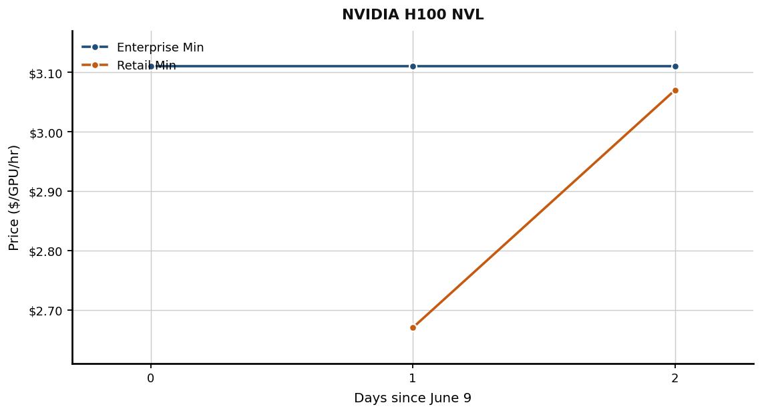
Date | Enterprise Min | Retail Min
2026-06-09 | $3.11 | N/A
2026-06-10 | $3.11 | $2.67
2026-06-11 | $3.11 | $3.07

Instinct MI300X
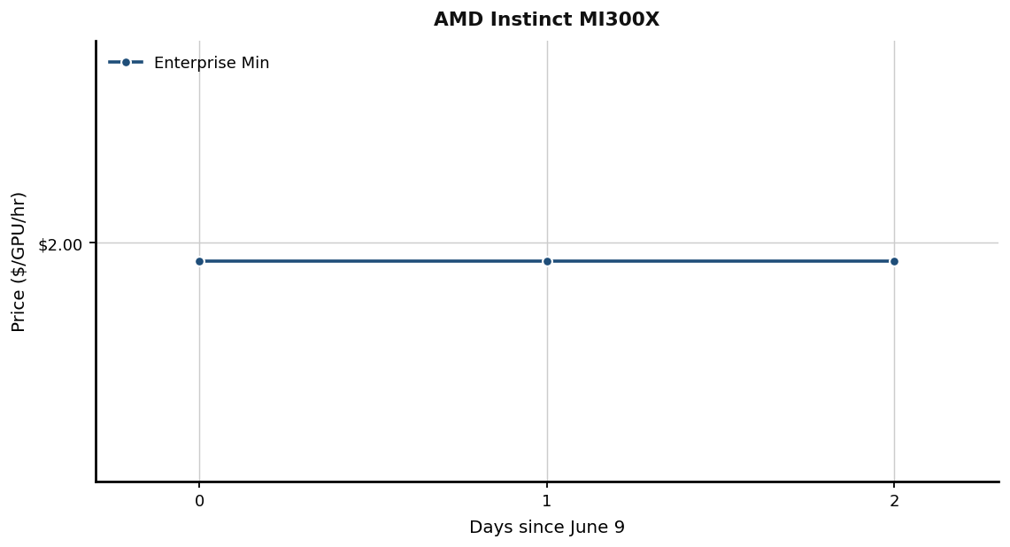
Date | Enterprise Min | Retail Min
2026-06-09 | $1.99 | N/A
2026-06-10 | $1.99 | N/A
2026-06-11 | $1.99 | N/A

L40S
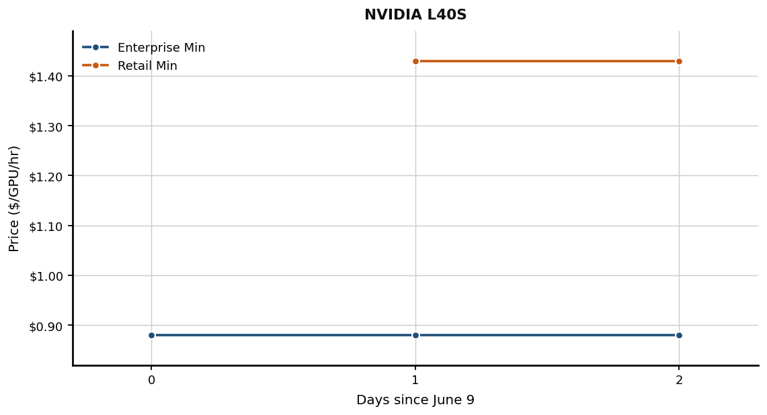
Date | Enterprise Min | Retail Min
2026-06-09 | $0.88 | N/A
2026-06-10 | $0.88 | $1.43
2026-06-11 | $0.88 | $1.43

Gaudi 2
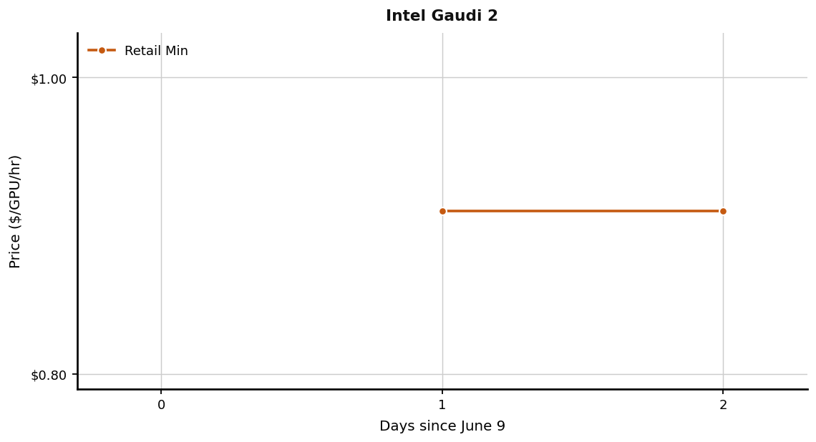
Date | Enterprise Min | Retail Min
2026-06-09 | N/A | N/A
2026-06-10 | N/A | $0.91
2026-06-11 | N/A | $0.91

