Remark
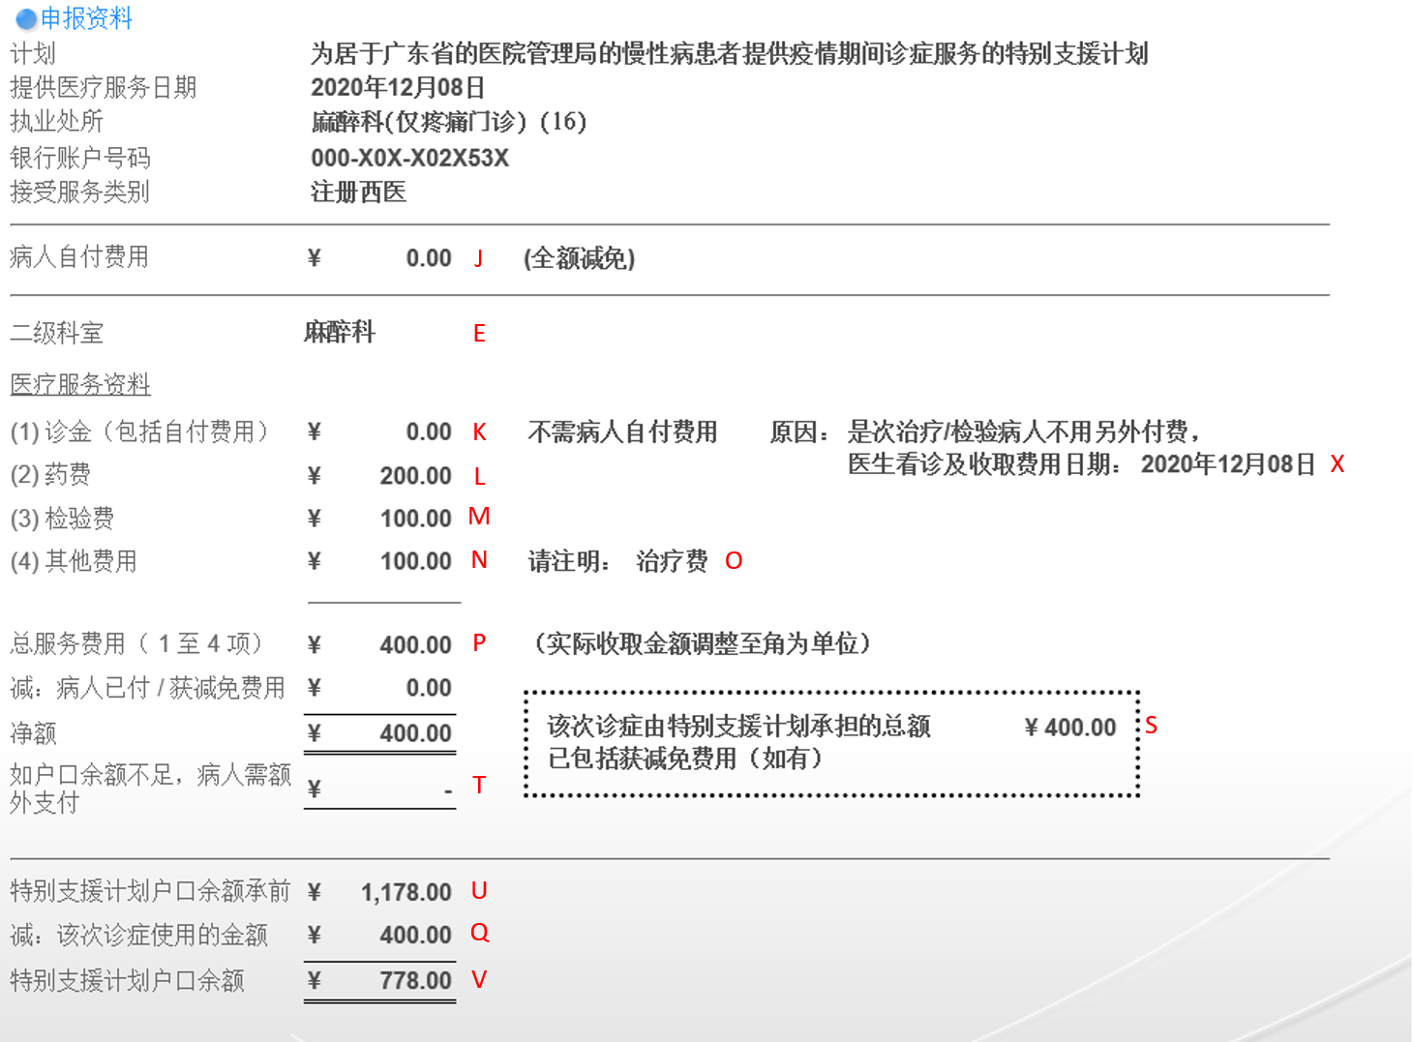
Remarks
1. Raw data: All claim transactions created under SSSCMC including voided/deleted/invalidated
2. Columns description reference to the claim page

