Remark
Remarks
1. Raw data: All claim transactions created under SSSCMC including voided/deleted/invalidated
2. Columns description reference to the claim page

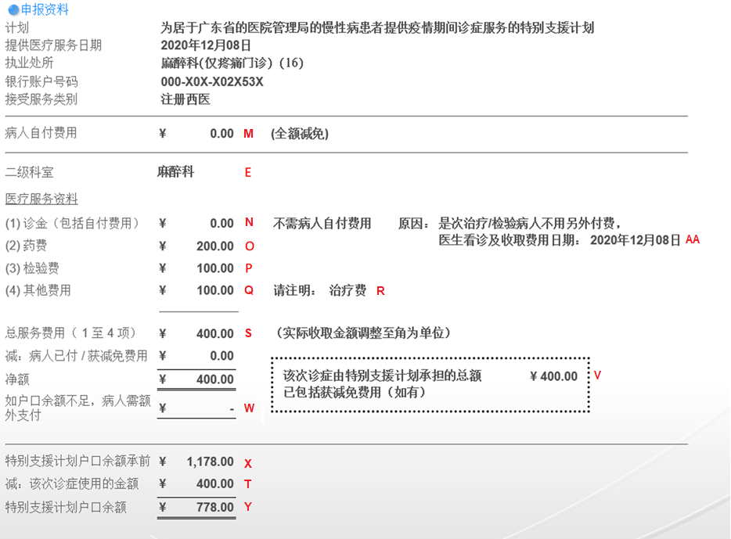

3. Date of Birth Flag
D | Exact date DD/MM/YYYY
M | MM/YYYY
Y | Only year YYYY
A | Exemption Certificate: Date of registration + age
R | Exemption Certificate: Reported year of birth
T | Exemption Certificate: Exact date DD/MM/YYYY on travel document HKBC: Exact date DD/MM/YYYY for DOB in word
U | Exemption Certificate: MM/YYYY on travel document HKBC: MM/YYYY for DOB in word
V | Exemption Certificate: Only year YYYY on travel document HKBC: Only year YYYY for DOB in word

4. Patient Group
1 | For patients submitted applications on or before 9 Nov 2021 and subsequently verified
2 | For patients submitted applications within 10 Nov 2021 to 9 May 2022 and subsequently verified
3 | For patients submitted applications on or after 10 May 2022 and subsequently verified

