工作表1
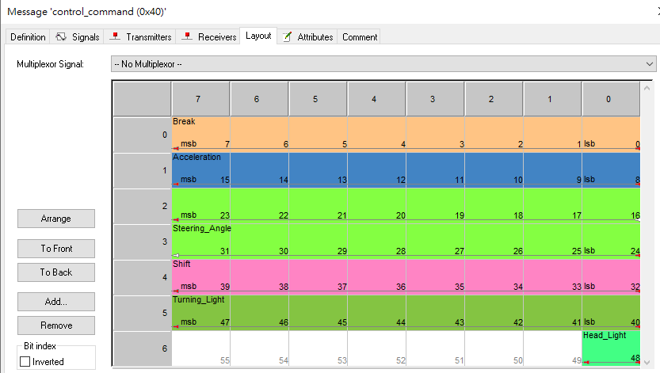
AutoPiolt CAN Protocol
. ISO11898 . Baud Rate: 250Kbps . Endian Format : Motorola |  | . Frame Type : Standard Frame/Data Frame

 | Master --> VCU
Msg. Name/ID | Rate: 50ms | SIZE | OFFSET | Notes
control_comand 0x040 | . Break (0~255, 8bit) | 6 byte | 0 | Full: 255, Release: 0
 | . Acceleration (0~255, 8bit) |  | 0 | Full: 255, Release: 0
 | . Steering Angle (1 deg, 16bit) |  | 0x400 | ( -720 deg ~ 720 deg ) ex: 0x400 -> 0 deg , 0x401-> 1 deg , 0x3fb -> -5 deg
 | . Shift(PRND, 8bit) |  | 0 | P-> 0 , R -> 1 , N-> 2 , D -> 3
 | . Turning Light(8bit) |  | 0 | 0 -> None 1 -> Left, 2 -> Right, 3 -> Both
 | . Head Light(1bit) | 1 bit | 0 | 0 -> Off 1 -> On
0x041 | Reseverd | 8 byte | 0
 |  |  | 0
 |  |  | 0


 | VCU -> Master
Msg. Name/ID | Rate: 50ms | SIZE | OFFSET | Notes
vehicle_state_1 0x060 | . Break (0~255, 8bit) | 6 byte | 0 | Full: 255, Release: 0
 | . Acceleration (0~255, 8bit) |  | 0 | Full: 255, Release: 0
 | . Steering Angle (1 deg, 16bit) |  | 0x400 | ( -720 deg ~ 720 deg ) ex: 0x400 -> 0 deg , 0x401-> 1 deg , 0x3fb -> -5 deg
 | . Shift(PRND, 8bit) |  | 0 | P-> 0 , R -> 1 , N-> 2 , D -> 3
 | . Turning Light(8bit) |  | 0 | 0 -> None 1 -> Left, 2 -> Right, 3 -> Both
 | . Head Light(1bit) | 1 bit | 0 | 0 -> Off 1 -> On
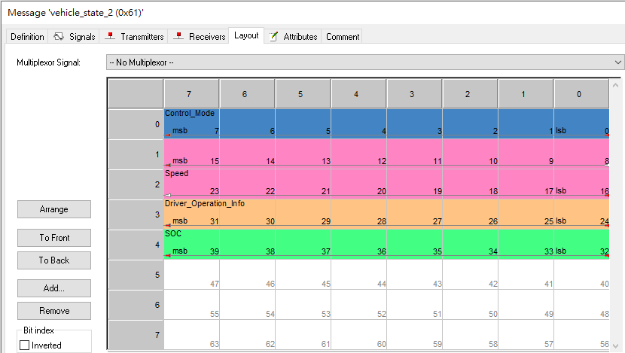
vehicle_state_2 0x061 | . Control Mode (8bit) | 5 byte | 0 | 0 -> Manual 1 -> Auto driving, 2 -> Override, 3 -> Car init | Override: switch Auto->Manual due to forced brake or communication timeout Car Init: Under car initialization period, ex. motor init, brake calibration.
 | . Speed (0.001km/hr, 16bit) |  | 0 | (0~40000) Based 0.001km. 0xB5E = 2910d means 2.91 km/h
 | . Driver Operation Info (8bit) |  | 0 | 0/1 Bit0: Forced Brake Bit1: Forced Steering Bit2: Communication Timeout | Forced Brake: Auto -> Manual due to brake pressed. Communication Timeout -> Auto->Manaul due to CAN communication lost over 1 second.
 | . SOC (0~100%, 8bit) |  | 0 | Estimated battery level of main battery

