Sheet1
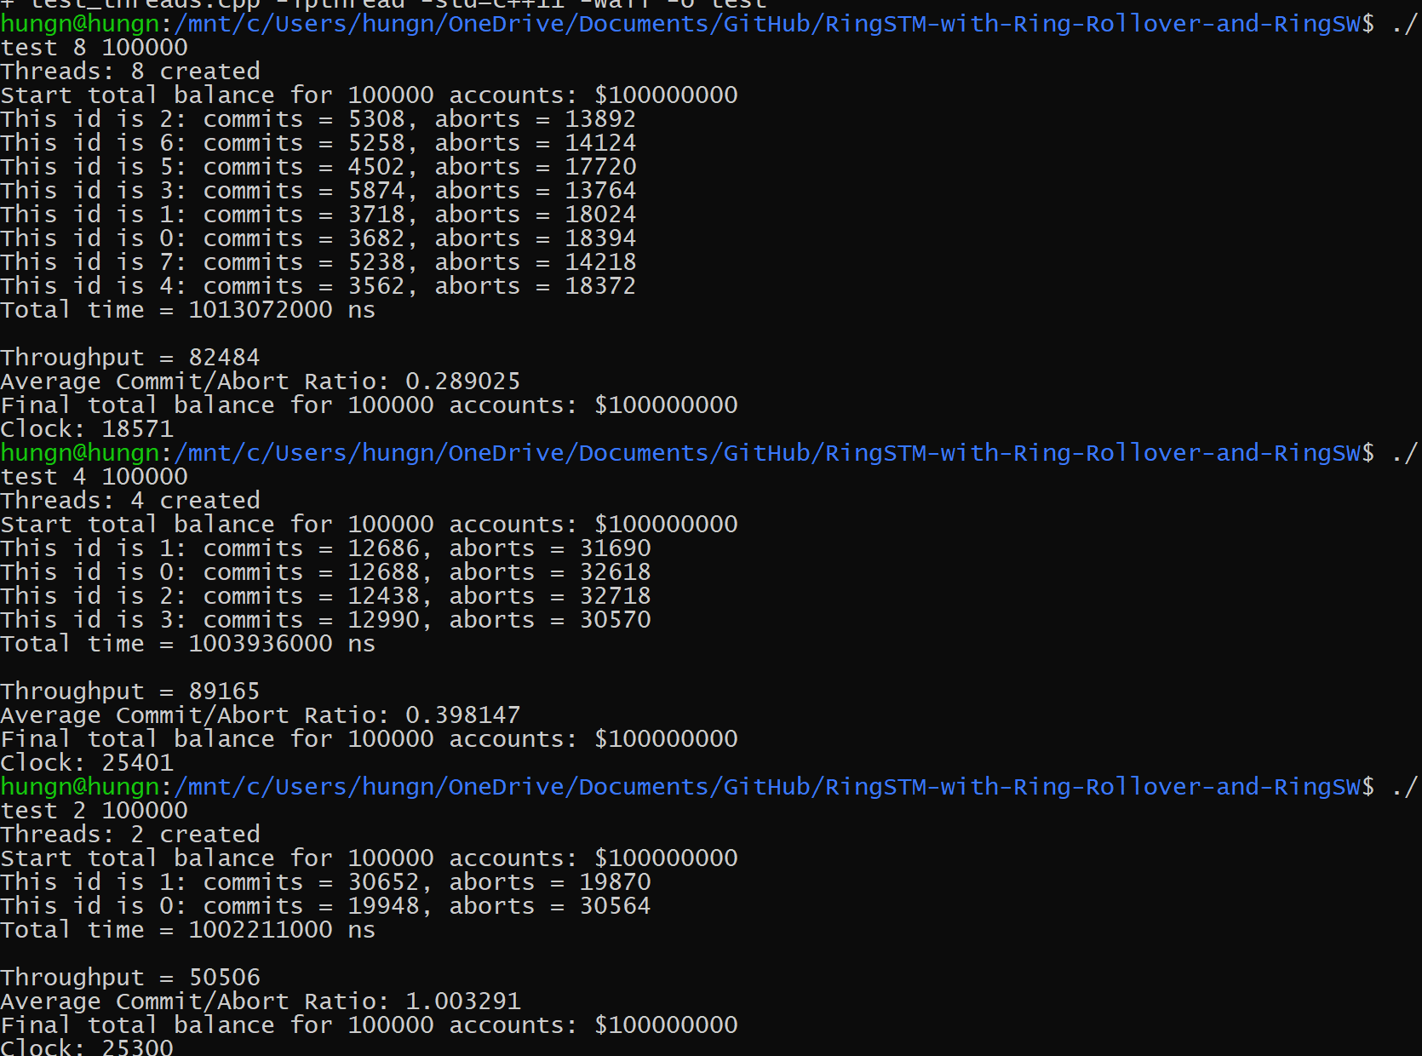
Commit/Abort Ratios (# Accounts = 100K)
Bloom Filter Size: 4096

Threads | Commit/Aborts
2 | 2.81327
4 | 1.211541
8 | 0.809624

Threads | Throughputs
2 | 57566
4 | 98288
8 | 117697

Bloom Filter Size: 1024

Threads | Commit/Aborts
2 | 1.148501
4 | 0.56209
8 | 0.406091

Total Throughputs (# Accounts = 100K)
Threads | Throughputs
2 | 58327
4 | 94648
8 | 95989

Bloom Filter Size: 256

Threads | Commit/Aborts
2 | 1.002296
4 | 0.381688
8 | 0.311451

Threads | Throughputs
2 | 58401
4 | 98942
8 | 85516

Bloom Filter Size: 64

Threads | Commit/Aborts
2 | 1.003291
4 | 0.398147
8 | 0.289025

Threads | Throughputs
2 | 50506
4 | 89615
8 | 82484

4096
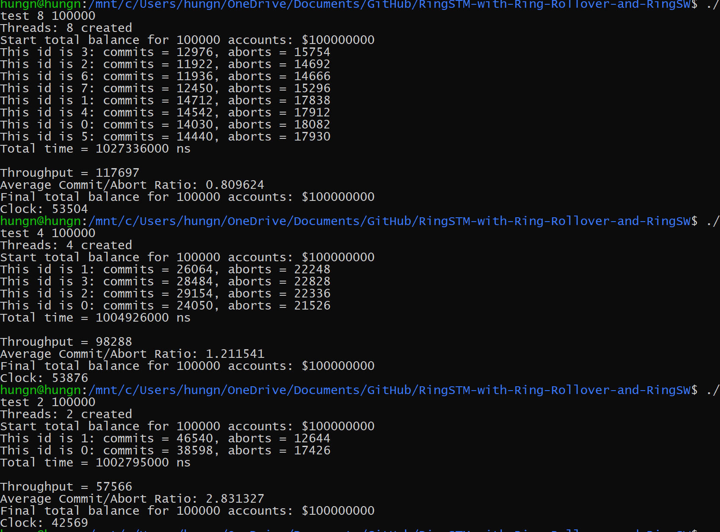

1024
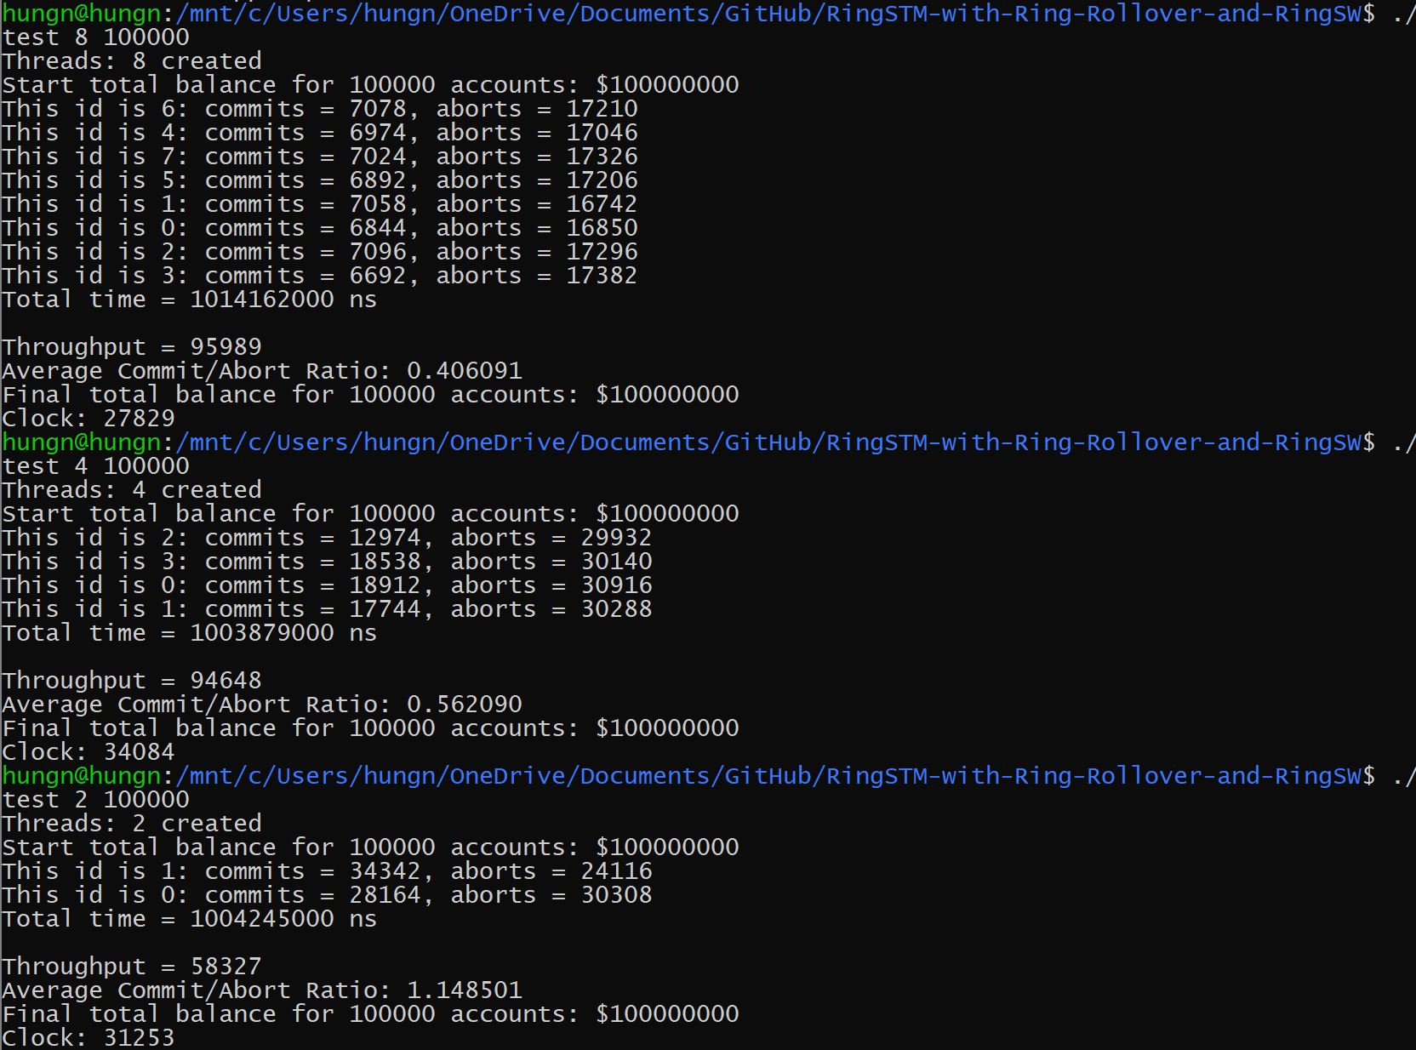

256
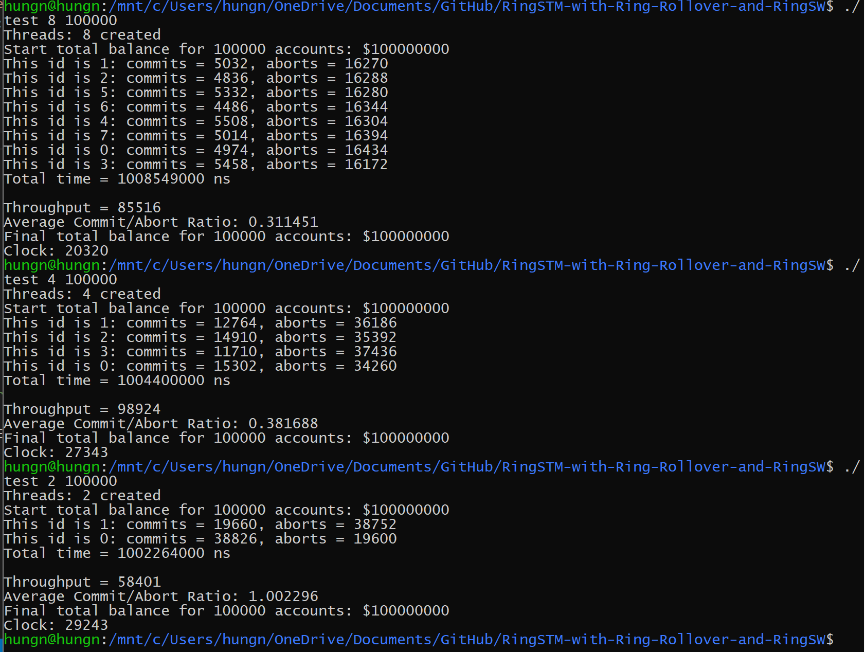

64

