Input
SE160A MATLAB Project (#2) - Wing Bending, Shear, and Torsion Analysis - Stringer/Skin Construction
University of California, San Diego (Copyright J.B. Kosmatka, 2024)

 | Project Title: | 3/11/2024 Triton fx1, PHAA (n=3.8), Al-6061-T6
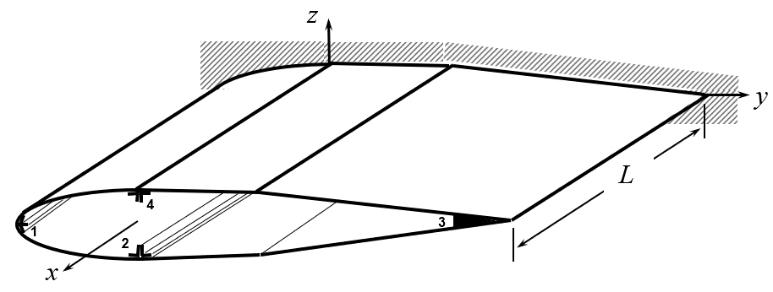
 | Analysis Parameters
 | Variable | Description | Value | Units
 | nplot | Number of output plot data points | 201 | 1

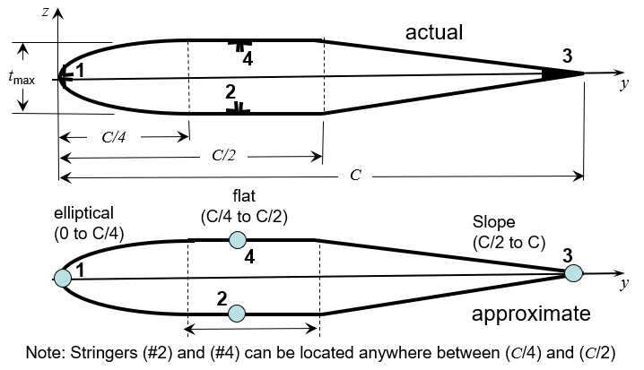
 | Wing Definition
 | Variable | Description | Value | Units |  | Single Cell Cross-Section with Four Stringers
 | L | Wing Length | 215 | inch
 | c | Wing Chord | 60 | inch
 | tmax/c | Wing Thickness (maximum) | 16 | (%)
 | Kw | Secondary Structure Added Wing Weight | 5 | (%)

 | Skin Definition
 | Variable | Description | Value | Units
 | t | Skin thickness | 0.05 | inch |  |  |  | 0.05
material | r | Weight Density | 0.1 | lb/in^3 |  |  |  | 0.1
 | G | Skin shear modulus | 3.75 | Msi |  |  |  | 3.75
 | ty | Yield strength (shear) | 24 | Ksi |  |  |  | 24
 | tu | Ultimate strength (shear) | 28 | Ksi |  |  |  | 28

 | Stringer Definition (4 maximum)
 | Variable | Description | (#1) - LE | (#2) | (#3) - TE | (#4) | Units
 | y/c | Stringer location (y-direction) | 0 | 50 | 100 | 25 | (%)
 | As | Stringer area | 0.6 | 4.2 | 1.5 | 3.5 | inch2
 | Iyy | Stringer inertia about y-axis | 0.00521 | 0.0104 | 0.00521 | 0.0104 | inch4
 | Izz | Stringer inertia about z-axis | 0.00521 | 0.0417 | 0.00521 | 0.0417 | inch4
 | Iyz | Stringer product of inertia | 0 | 0 | 0 | 0 | inch4
material properties | r | Weight Density | 0.1 | 0.1 | 0.1 | 0.1 | lb/in^3 | 0.1
 | E | Young's modulus | 10 | 10 | 10 | 10 | Msi
 | syT | Yield strength (tension) | 37 | 37 | 37 | 37 | Ksi
 | suT | Ultimate strength (tension) | 43 | 43 | 43 | 43 | Ksi
 | syC | Yield strength (compression) | -37 | -37 | -37 | -37 | Ksi
 | suC | Ultimate strength (compression) | -43 | -43 | -43 | -43 | Ksi
 | Note: The y-location for stringers (#2) and (#4) must be between 25 and 50%

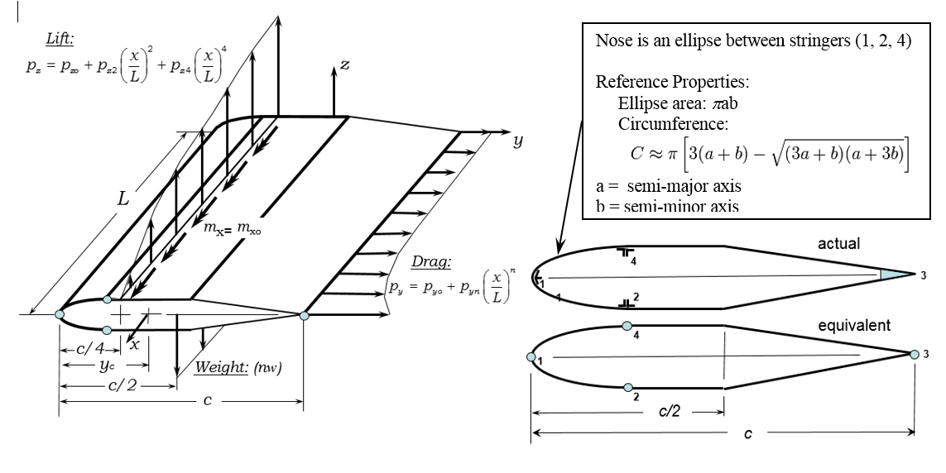
 | Safety Factor Definition
 | Variable | Description | Value | Units
 | SFy | Safety Factor (yield) | 1.1 | 1
 | SFu | Safety Factor (ultimate) | 1.5 | 1

 | Flight Load Definition (defined at C/4).
 | Variable | Description | Value | Units
 | n | Aircraft Load factor | 3.8 | 1 |  |  |  | 3.8
 | pyo | Drag distribution (constant) | 2.4 | lb/in |  |  |  | 2.4
 | pyr | Drag distribution (rth order) | 0.4 | lb/in |  |  |  | 0.4
 | r | Drag distribution (polynomial order) | 10 | 1 |  |  |  | 10
 | pzo | Lift distribution (constant) | 57 | lb/in |  |  |  | 57
 | pz2 | Lift distribution (2nd order) | -15.2 | lb/in |  |  |  | -15.2
 | pz4 | Lift distribution (4th order) | -3.8 | lb/in |  |  |  | -3.8
 | mxo | Twist moment distribution (constant) | 15 | lb-in/in |  |  |  | 15
 | mx1 | Twist moment distribution (1st order) | 0 | lb-in/in |  |  |  | 0

 |  |  |  |  |  | Single-Cell Aerodynamic Load Definition

 | END OF FILE

