Instructions
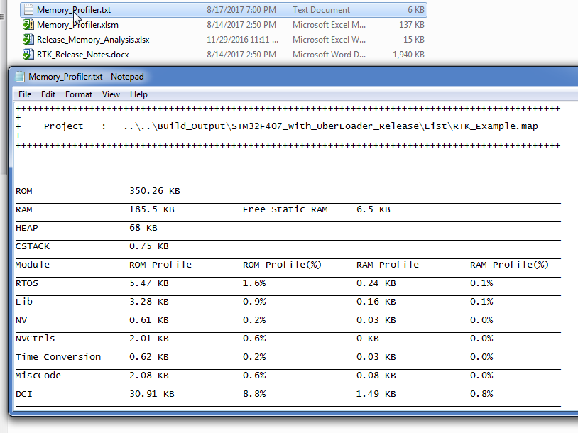
1 | Switch to AutoRead sheet
2 | Make sure that path and name of the .map file mentioned is correct. This is the only input needed for memory profiling.

3 | Click on Analyse Map File Button.
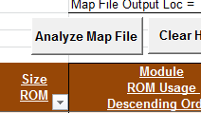

4 | click on Category filter in cell(C5) and unselect all category and select the "Blanks" Category at the bottom.

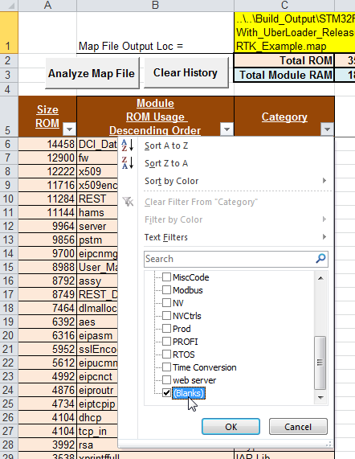

5 | Make sure that after filtering with "Blanks", no file is listed in coloumn B. If there are any files listed(for example in below snapshot) , this means that listed files are not categorised.
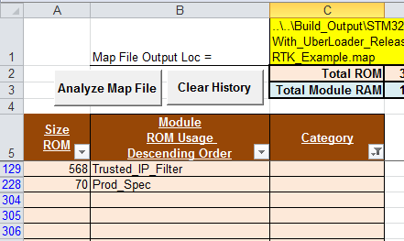

6 | Switch to "Memory - Profiling" sheet and add all missing files and its category in master list starts from Row 50. If required new categroy can also be created in same master list. Make sure that all files of a category are grouped and not scattered at multiple paces.

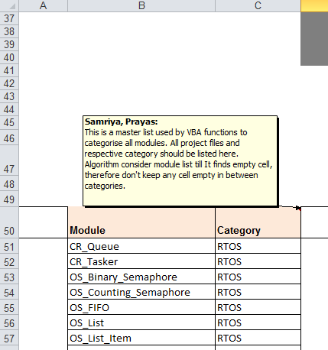

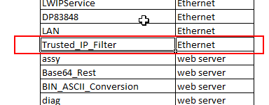

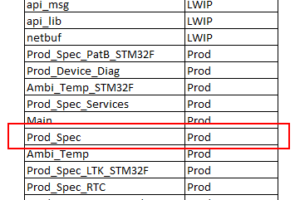

7 | Switch to "AutoRead" Sheet again and follow from Step 2. This time you should not see any file listed in blank category.
8 | Your memory profiling process is completed. In "AutoRead sheet" three different tables maintains the data in three different view - Orange - Files with ROM memory in Descending order Blue - Files with RAM memory in Descending order Purple - All files in alphabetical order
9 | In sheet "History - ROM" and "History - RAM", It keeps track of previously generated memory profiles.
10 | In sheet "Memory - Profiling" It provides the categorised data in table format and in form of pie chart as show in example picture below -
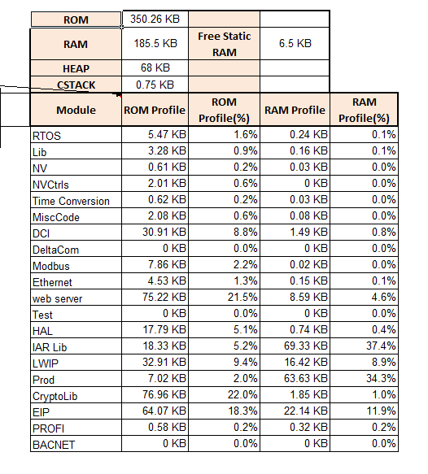

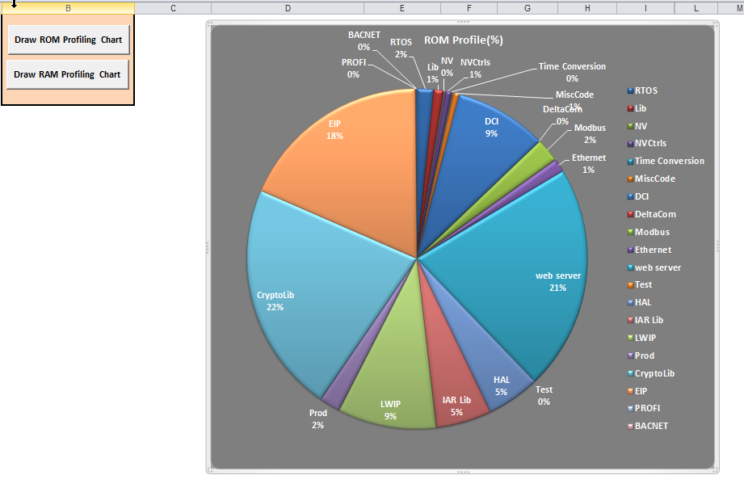

11 | Finally It also generate a Memory_Profiler.txt in the same location to easily compare two different memory profiles.

Memory - Profiling
 |  | ROM (KB) | 412.32
 |  | RAM (KB) | 259.82 | Free Static RAM (KB) | 0
 |  | HEAP (KB) | 0
 |  | CSTACK (KB) | 0.05
Module | Category | Module | ROM Profile (KB) | ROM Profile(%) | RAM Profile (KB) | RAM Profile(%)
CR_Queue | RTOS | RTOS | 8.23 | 2.0% | 0.45 | 0.2%
CR_Tasker | RTOS | Lib | 5 | 1.2% | 0.12 | 0.0%
OS_Binary_Semaphore | RTOS | NV | 0.41 | 0.1% | 0.02 | 0.0%
OS_Counting_Semaphore | RTOS | NVCtrls | 3.12 | 0.8% | 0 | 0.0%
OS_FIFO | RTOS | Time Conversion | 0.63 | 0.2% | 0.03 | 0.0%
OS_List | RTOS | MiscCode | 9.49 | 2.3% | 0.02 | 0.0%
OS_List_Item | RTOS | DCI | 54.08 | 13.1% | 8.86 | 3.4%
OS_Mutex | RTOS | DeltaCom | 0 | 0.0% | 0 | 0.0%
OS_Queue | RTOS | Modbus | 8.61 | 2.1% | 1.62 | 0.6%
OS_Recursive_Mutex | RTOS | Ethernet | 5.69 | 1.4% | 0.17 | 0.1%
OS_Semaphore | RTOS | Web Server | 87.42 | 21.2% | 7.32 | 2.8%
OS_Task | RTOS | Test | 0 | 0.0% | 0 | 0.0%
OS_Task_Mon | RTOS | HAL | 20.69 | 5.0% | 0.87 | 0.3%
OS_Tasker | RTOS | IAR Lib | 27.07 | 6.6% | 213.72 | 82.3%
OSCR_Dog | RTOS | LWIP | 40.06 | 9.7% | 20.86 | 8.0%
System_Reset | Lib | Prod | 18.58 | 4.5% | 1.96 | 0.8%
Bit_List | Lib | CryptoLib | 102.29 | 24.8% | 3.3 | 1.3%
Bit_Protected | Lib | EIP | 0.21 | 0.1% | 0.03 | 0.0%
CRC16 | Lib | PROFI | 0.48 | 0.1% | 0.32 | 0.1%
Defines | Lib | BACNET | 0.11 | 0.0% | 0 | 0.0%
Exception | Lib | DEBUG | 2.78 | 0.7% | 0.1 | 0.0%
FIFO_TPlate | Lib | SNTP | 2.39 | 0.6% | 0.04 | 0.0%
Input | Lib | Azure IOT | 0 | 0.0% | 0 | 0.0%
Input_Neg | Lib | Eaton IOT | 0.96 | 0.2% | 0 | 0.0%
Input_Pos | Lib | LOGGING | 0 | 0.0% | 0 | 0.0%
Linked_List | Lib | LWM2M | 0.01 | 0.0% | 0 | 0.0%
Micro_Task | Lib | CryptoLib_DTLS | 0 | 0.0% | 0 | 0.0%
Micro_Task_NOS | Lib | PKI | 7.65 | 1.9% | 0 | 0.0%
Output | Lib | MDNS | 0 | 0.0% | 0 | 0.0%
Output_Array | Lib | BLE | 0 | 0.0% | 0 | 0.0%
Output_Neg | Lib | FUS | 6.36 | 1.5% | 0.01 | 0.0%
Output_Open_Drain_Neg | Lib | IEC61850 | 0 | 0.0% | 0 | 0.0%
Output_Open_Drain_Pos | Lib | PTP | 0 | 0.0% | 0 | 0.0%
Output_Pos | Lib
Output_PWM | Lib
Output_PWM_CtrlV | Lib
Ram | Lib
Ram_Handler | Lib
Ram_Hybrid | Lib
Ram_Malloc | Lib
Ram_Static | Lib
Rand_Num | Lib
Relay_PWM_Output | Lib
Remote_Input | Lib
Remote_Output | Lib
Scratch_Ram | Lib
Services | Lib
StdLib_MV | Lib
Timers_uSec | Lib
Toolkit_Revision | Lib
XXTea | Lib
Timers_Lib | Lib
Ram_Chain | Lib
NV_Ctrl | NV
NV_Mem | NV
SST26VF | NVCtrls
SST26VF_Block | NVCtrls
AT25DF | NVCtrls
AT25DFx | NVCtrls
Fram | NVCtrls
Ram_NV | NVCtrls
Mram | NVCtrls
SAM7_Flash | NVCtrls
DateUtil | Time Conversion
POSIXTimeUtil | Time Conversion
test_time | Time Conversion
TimeUtil | Time Conversion
TimeZoneDST | Time Conversion
TimeZoneDSTAlt | Time Conversion
AtoD | MiscCode
BBuffer | MiscCode
Bi_Color_LED | MiscCode
Buffer | MiscCode
Com_Dog | MiscCode
Device_Diag | MiscCode
Faults | MiscCode
LED | MiscCode
Mem_Check | MiscCode
My_FIFO | MiscCode
Text_Msg | MiscCode
Time | MiscCode
Time_Keeper | MiscCode
Voltage_Divider | MiscCode
Voltage_Monitor | MiscCode
CommandLineEditor | MiscCode
CommandLineInterpreter | MiscCode
AsyncCommandBase | MiscCode
CommandBase | MiscCode
ShellBase | MiscCode
Cert_Store_Flash | MiscCode
Fw_Store_Flash | MiscCode
Cert_Store_NV | MiscCode
Fw_Store_NV | MiscCode
Fault_Data | MiscCode
Change_Tracker | DCI
Change_Tracker_Plus | DCI
DCI | DCI
DCI_Config_CRC | DCI
DCI_Lock | DCI
DCI_Monitor | DCI
DCI_NV_Mem | DCI
DCI_Owner | DCI
DCI_Patron | DCI
DCI_Worker | DCI
DCI_Workers | DCI
Range_Check | DCI
DCI_Data | DCI
REST_DCI_Data | DCI
Modbus_DCI_Data | DCI
UT_Bitman_Bitfields | DCI
Delta_Data | DeltaCom
Delta_Com | DeltaCom
Delta_Com_Display | DeltaCom
Delta_Com_Services | DeltaCom
Delta_Com_Server | DeltaCom
Modbus_Buffer | Modbus
ModBus_CRC | Modbus
Modbus_DCI | Modbus
Modbus_DCI_Config | Modbus
Modbus_Delta_Com_Server | Modbus
Modbus_Display | Modbus
Modbus_Intercom | Modbus
Modbus_Master | Modbus
Modbus_Master_No_OS | Modbus
Modbus_Msg | Modbus
Modbus_Negotiation | Modbus
Modbus_Net | Modbus
Modbus_Prod_Cons | Modbus
Modbus_Serial | Modbus
Modbus_SysCmd | Modbus
Modbus_TCP | Modbus
Modbus_UART | Modbus
Modbus_User_Block | Modbus
Eth_PHY_If | Ethernet
Eth_Port | Ethernet
Eth_if | Ethernet
LWIPService | Ethernet
DP83848 | Ethernet
LAN | Ethernet
Trusted_IP_Filter | Ethernet
KSZ8863 | Ethernet
assy | Web Server
Base64_Rest | Web Server
BIN_ASCII_Conversion | Web Server
diag | Web Server
flash_ftfe | Web Server
flash_mk60 | Web Server
fw | Web Server
hams | Web Server
httpd | Web Server
httpd_basic_authentication | Web Server
httpd_common | Web Server
httpd_digest_authentication | Web Server
httpd_rest_dci | Web Server
httpd_rs_struct | Web Server
INT_ASCII_Conversion | Web Server
maintenance_pages | Web Server
MD5_Digest | Web Server
modbus | Web Server
REST | Web Server
server | Web Server
TLS_Ram | Web Server
Unicode_Util | Web Server
yxml | Web Server
User_Management | Web Server
Server_IO | Web Server
Certs | Web Server
Modbus_TEST | Test
TimeConversion_Tests | Test
MISC_Code_Tests | Test
DateUtil_TEST | Test
TimeUtil_TEST | Test
I2C_TEST | Test
Bit_List_TEST | Test
Lib_Tests | Test
TimeZoneDST_TEST | Test
Bi_Color_LED_TEST | Test
My_FIFO_TEST | Test
Voltage_Monitor_TEST | Test
Ram_NV_TEST | Test
NV_ctrls_Tests | Test
TestBase | Test
Com_Dog_TEST | Test
POSIXTimeUtil_TEST | Test
Mem_Check_TEST | Test
OS_Mutex_TEST | Test
OS_Queue_TEST | Test
AT25DFx_TEST | Test
BF_Shell | Test
Test_Interface | Test
I2C_Tests | Test
Shell_commands | Test
BF_Shell_Examples | Test
BF_Shell_Tests | Test
UT_BitMan_Test1_Profile | Test
BF_ShellMain | Test
Modbus_Tests | Test
UT_BitMan_Test2_Profile | Test
Prod_Spec_Test | Test
uC_Base_STM32F407 | HAL
uC_Queued_I2C | HAL
uC_Base | HAL
uC_Interrupt | HAL
uC_CStack | HAL
uC_Reset | HAL
uC_OS_Tasker_ASM | HAL
uC_Watchdog_HW | HAL
uC_Watchdog | HAL
uC_Rand_Num | HAL
uC_OS_Tick | HAL
uC_OS_Interrupt | HAL
uC_Timers | HAL
uC_Flash | HAL
uC_USB | HAL
Stm32_Eth_Driver | HAL
uC_I2C | HAL
STM32F4xx_I2C | HAL
uC_USART_DMA | HAL
uC_USART_Soft_DMA | HAL
uC_Base_HW_IDs_STM32F407 | HAL
uC_RAM | HAL
uC_DMA | HAL
uC_SPI | HAL
uC_IO_Define_STM32F407 | HAL
uC_IO_Config | HAL
uC_Multi_Timers | HAL
uC_USART_HW | HAL
sys_arch | HAL
uC_AtoD | HAL
uC_Timers_HW | HAL
stm32f4xx_hal_rcc | HAL
uC_Input | HAL
system_stm32f4xx | HAL
uC_Code_Range | HAL
Advanced_Vect | HAL
stm32f4xx_hal_gpio | HAL
startup_stm32f407xx | HAL
SetSysClock | HAL
Hard_Fault_Handler_C | HAL
Enable_Watchdog | HAL
flash_if | HAL
uC_Single_Timer | HAL
uC_Fw_Code_Range | HAL
uC_Ext_Int | HAL
uC_CAN | HAL
uC_RTC | HAL
startup_stm32f207xx | HAL
uC_Base_STM32F207 | HAL
stm32f2xx_hal_rcc | HAL
system_stm32f2xx | HAL
uC_IO_Define_STM32F207 | HAL
stm32f2xx_hal_gpio | HAL
uC_Base_HW_IDs_STM32F207 | HAL
Rtc_If | HAL
uC_Base_HW_IDs_STM32F437 | HAL
uC_IO_Define_STM32F437 | HAL
startup_stm32f437xx | HAL
uC_Base_STM32F437 | HAL
uC_Base_HW_IDs_STM32F427 | HAL
uC_IO_Define_STM32F427 | HAL
startup_stm32f427xx | HAL
uC_Base_STM32F427 | HAL
uC_USART_USB | HAL
uC_USB_HW | HAL
stm32f4xx_hal | HAL
stm32f4xx_it | HAL
stm32f4xx_dac | HAL
uC_Base_HW_IDs_STM32F765 | HAL
uC_IO_Define_STM32F765 | HAL
startup_stm32f765xx | HAL
uC_Base_STM32F765 | HAL
dlmalloc | IAR Lib
xprintffull | IAR Lib
DblDiv | IAR Lib
DblMul | IAR Lib
DblSub | IAR Lib
xdscale | IAR Lib
I64DivMod | IAR Lib
DblAdd | IAR Lib
cppinit | IAR Lib
ABImemmove_unaligned | IAR Lib
ABImemcpy_unaligned | IAR Lib
Gaps | IAR Lib
ABImemset | IAR Lib
memcmp_unaligned | IAR Lib
DblToI32 | IAR Lib
memchr | IAR Lib
iarwstdswo | IAR Lib
xassert | IAR Lib
strcmp_unaligned | IAR Lib
xdnorm | IAR Lib
Linkercreated | IAR Lib
strlen | IAR Lib
sprintf | IAR Lib
ABImemset48 | IAR Lib
I32ToDbl | IAR Lib
copy_init3 | IAR Lib
DblCmpGe | IAR Lib
DblCmpLe | IAR Lib
xgetmemchunk | IAR Lib
strncmp | IAR Lib
data_init | IAR Lib
putchar | IAR Lib
printf | IAR Lib
iarwrite | IAR Lib
zero_init3 | IAR Lib
cmain_call_ctors | IAR Lib
DblCmpEq | IAR Lib
dwrite | IAR Lib
ABIassert | IAR Lib
cmain | IAR Lib
fpinit_M | IAR Lib
strchr | IAR Lib
strnlen | IAR Lib
xprout | IAR Lib
exit | IAR Lib
memset | IAR Lib
write | IAR Lib
cexit | IAR Lib
div | IAR Lib
cstartup_M | IAR Lib
memcpy | IAR Lib
memmove | IAR Lib
cxxabi | IAR Lib
xsprout | IAR Lib
ABImemclr4 | IAR Lib
abort | IAR Lib
exit | IAR Lib
newaop_0 | IAR Lib
xpurevirtual | IAR Lib
strcpy_unaligned | IAR Lib
strstr | IAR Lib
I64Shl | IAR Lib
U64Shr | IAR Lib
ABImemclr | IAR Lib
xstoul | IAR Lib
strncpy_unaligned | IAR Lib
errno | IAR Lib
atoi | IAR Lib
strncat | IAR Lib
xstol | IAR Lib
xgettime | IAR Lib
strftime | IAR Lib
getzone | IAR Lib
xgentime | IAR Lib
xlocale_c | IAR Lib
FltCmpLe | IAR Lib
FltCmpEq | IAR Lib
xstrftim | IAR Lib
ABImemcpy | IAR Lib
ABImemmove | IAR Lib
iar_Stolx | IAR Lib
frexp | IAR Lib
strncpy | IAR Lib
memcmp | IAR Lib
strcpy | IAR Lib
strcmp | IAR Lib
xfail_s | IAR Lib
DblToS32 | IAR Lib
DblToU32 | IAR Lib
S32ToDbl | IAR Lib
U32ToDbl | IAR Lib
heaptramp0 | IAR Lib
unwind_debug | IAR Lib
iar_Stoulx | IAR Lib
ldexp | IAR Lib
xprintffull_nomb | IAR Lib
strcat | IAR Lib
sqrtf | IAR Lib
mib2 | LWIP
tcp_in | LWIP
msg_in | LWIP
dhcp | LWIP
tcp | LWIP
tcp_out | LWIP
etharp | LWIP
mib_structs | LWIP
msg_out | LWIP
ip_frag | LWIP
udp | LWIP
ip | LWIP
pbuf | LWIP
asn1_dec | LWIP
acd | LWIP
asn1_enc | LWIP
igmp | LWIP
ethernetif | LWIP
tcpip | LWIP
netif | LWIP
icmp | LWIP
sys | LWIP
inet_chksum | LWIP
memp | LWIP
raw | LWIP
ip_addr | LWIP
inet | LWIP
sockets | LWIP
init | LWIP
low_level_init | LWIP
lwiptimers | LWIP
asn1parse | LWIP
api_msg | LWIP
api_lib | LWIP
netbuf | LWIP
stats | LWIP
ethernet | LWIP
err | LWIP
def | LWIP
mem | LWIP
ip4_frag | LWIP
ip4 | LWIP
timeouts | LWIP
ip4_addr | LWIP
Prod_Spec_MDNS_Client | Prod
Prod_Spec_PatB_STM32F | Prod
Prod_Device_Diag | Prod
Ambi_Temp_STM32F | Prod
Prod_Spec_Services | Prod
Main | Prod
Prod_Spec | Prod
Ambi_Temp | Prod
Prod_Spec_LTK_STM32F | Prod
Prod_Spec_RTC | Prod
Prod_Spec_Fw_Upgrade | Prod
Prod_Spec_Usb_Init | Prod
Prod_Spec_Ethernet | Prod
Fault_Catch | Prod
Prod_Spec_Ext_Mem | Prod
Prod_Spec_MEM | Prod
Prod_Spec_APP | Prod
Prod_Spec_Webserver | Prod
Prod_Spec_ModbusUART | Prod
Prod_Spec_OS | Prod
Prod_Spec_EIP | Prod
Prod_Spec_BACNET | Prod
Prod_Spec_ProfiBus | Prod
bignum | CryptoLib
sha1 | CryptoLib
sha512 | CryptoLib
rsa | CryptoLib
sha256 | CryptoLib
md5 | CryptoLib
memory_buffer_alloc | CryptoLib
md_wrap | CryptoLib
oid | CryptoLib
pkparse | CryptoLib
md | CryptoLib
pk_wrap | CryptoLib
base64 | CryptoLib
pk_verify | CryptoLib
pem | CryptoLib
pk | CryptoLib
platform | CryptoLib
x509_crt | CryptoLib
corelib | CryptoLib
memset_s | CryptoLib
osdep | CryptoLib
aes | CryptoLib
aesCBC | CryptoLib
asn1 | CryptoLib
hmac | CryptoLib
matrix | CryptoLib
md5 | CryptoLib
md5sha1 | CryptoLib
pkcs | CryptoLib
prng | CryptoLib
pstm | CryptoLib
pstm_montgomery_reduce | CryptoLib
pstm_mul_comba | CryptoLib
pstm_sqr_comba | CryptoLib
pubkey | CryptoLib
rsa | CryptoLib
rsa_openssl | CryptoLib
sha1 | CryptoLib
sha256 | CryptoLib
x509 | CryptoLib
cipherSuite | CryptoLib
extDecode | CryptoLib
hsDecode | CryptoLib
hsHash | CryptoLib
matrixssl | CryptoLib
matrixsslApi | CryptoLib
prf | CryptoLib
sslDecode | CryptoLib
sslEncode | CryptoLib
tls | CryptoLib
http | CryptoLib
tls_server | CryptoLib
ssl_connection | CryptoLib
pk_verify_matrix | CryptoLib
opensslSocket | CryptoLib
x509enc | CryptoLib
asn1enc | CryptoLib
Device_Cert | CryptoLib
psbuf | CryptoLib
x509req | CryptoLib
aesGCM | CryptoLib
tlsSigVer | CryptoLib
pubkey_verify | CryptoLib
pubkey_sign | CryptoLib
matrixsslInitVer | CryptoLib
opensslApi | CryptoLib
eipcnmgr | EIP
eipucmm | EIP
eiptcpip | EIP
eipcnct | EIP
eiproutr | EIP
eipasm | EIP
eippdu | EIP
eipsckt | EIP
eipclien | EIP
EIP_if | EIP
EIP_Service | EIP
eipetlnk | EIP
eipport | EIP
CIP_Asm | EIP
EtherNetIP_DCI | EIP
eipid | EIP
eipsessn | EIP
eipio | EIP
eiprqst | EIP
EIP_DCI_Data | EIP
EIP_Display | EIP
eiprqgrp | EIP
eiputil | EIP
eippccc | EIP
EIP_Obj_Svc | EIP
eipnotfy | EIP
eipcnlst | EIP
Dynamic_In_Asm | EIP
Dynamic_Out_Asm | EIP
DynamicAssembly_DCI_Data | EIP
Shadow_LTK | EIP
CIP_Ident_Svc | EIP
Shadow | EIP
platform_app | EIP
ProfiBus_IO_Module_Struct | PROFI
ProfiBus_Cfg_List | PROFI
ProfiBus_Prm_Data | PROFI
ProfiBus_Cfg_Default_Data | PROFI
ProfiBus_Interface | PROFI
ProfiBus_Data_Exchange | PROFI
VPC3_dp_msac2 | PROFI
VPC3_dp_if | PROFI
VPC3_dp_fdl | PROFI
VPC3_dp_user | PROFI
ProfiBus_Configuration | PROFI
ProfiBus_Data_Exchange | PROFI
ProfiBus_Parameterization | PROFI
VPC3_dp_msac1 | PROFI
VPC3 | PROFI
ProfiBus_DCI | PROFI
ProfiBus_Diagnostics | PROFI
VPC3_Main | PROFI
ProfiBus_Display | PROFI
VPC3_dp_isr | PROFI
VPC3_dp_im | PROFI
ProfiBus_IO_Module_Struct | PROFI
ProfiBus_Interface | PROFI
ProfiBus_Cfg_Default_Data | PROFI
ProfiBus_Cfg_List | PROFI
ProfiBus_Prm_Data | PROFI
vsbhp | BACNET
mstp | BACNET
BACnetStackInterface | BACNET
BACnetServer | BACNET
AVObject | BACNET
BACnetDCIInterface | BACNET
bip | BACNET
BVObject | BACNET
AIObject | BACNET
bvlc | BACNET
MSVObject | BACNET
util | BACNET
DevObject | BACNET
npool | BACNET
BACnet_DCI | BACNET
mac | BACNET
DblToFlt | BACNET
Shadow_BACnet | BACNET
BACnetUARTInterface | BACNET
Binary_Search | BACNET
endian | BACNET
semaphore | BACNET
Base_DCI_BACnet_Data | BACNET
FltToS64 | IAR Lib
Cov | BACNET
I64ToFlt | IAR Lib
FltToDbl | IAR Lib
FltToU64 | IAR Lib
CovChangeTracker | BACNET
STM32_Fault_Catch | DEBUG
OSCR_Mon | DEBUG
sntp | SNTP
sntp_if | SNTP
iothubtransport_mqtt_common | Azure IOT
iot_serialization | Eaton IOT
mqtt_client | Azure IOT
iothub_client_ll | Azure IOT
pow64 | IAR Lib
mqtt_codec | Azure IOT
uws_client | Azure IOT
Log_Mem_Flash | LOGGING
iot_device_common | Eaton IOT
http_proxy_io | Azure IOT
dns | LWIP
IOT_Pub_Sub | Eaton IOT
wsio | Azure IOT
iot_device | Eaton IOT
iar_Exp64 | IAR Lib
sastoken | Azure IOT
map | Azure IOT
socketio_ltk | Azure IOT
IOT_Net | Eaton IOT
iot_json_parser | Eaton IOT
tlsio_matrixssl | Azure IOT
IoT_DCI | Eaton IOT
iothub_message | Azure IOT
strings | Azure IOT
IOT_DCI_Config | Eaton IOT
iothub_client_core_ll | Azure IOT
azure_sha384-512 | Azure IOT
azure_base64 | Azure IOT
azure_buffer | Azure IOT
azure_certs | Eaton IOT
azure_sha224 | Azure IOT
IOT_Group_Handler | Eaton IOT
azure_sha1 | Azure IOT
azure_hmac | Azure IOT
iothub_transport_ll_private | Azure IOT
ltk_consolelogger | Eaton IOT
azure_hmacsha256 | Azure IOT
xlogging | Azure IOT
asctime | Eaton IOT
vprintf | Eaton IOT
ctime | Eaton IOT
Log_DCI | LOGGING
Log_Mem_NV | LOGGING
Log_Mem_Ram | LOGGING
iothub_client_retry_control | Azure IOT
Modbus_Logging | Modbus
xio | Azure IOT
iothub_client_diagnostic | Azure IOT
iothub_client_authorization | Azure IOT
urlencode | Azure IOT
optionhandler | Azure IOT
string_tokenizer | Azure IOT
uws_frame_encoder | Azure IOT
xttotm | IAR Lib
crt_abstractions | Azure IOT
netdb | LWIP
mqtt_message | Azure IOT
utf8_checker | Azure IOT
usha | Azure IOT
singlylinkedlist | Azure IOT
rand | IAR Lib
tls_client | CryptoLib
list | RTOS
xDaysTo | IAR Lib
floor | IAR Lib
IoT_DCI_Data | Eaton IOT
S64ToFlt | IAR Lib
threadapi_ltk_pthreads | Azure IOT
strcasecmp | IAR Lib
lock_ltk | Azure IOT
U64ToFlt | IAR Lib
tickcounter_ltk | Azure IOT
snprintf | IAR Lib
vsnprint | IAR Lib
doublylinkedlist | Azure IOT
platform_ltk | Azure IOT
constbuffer | Azure IOT
math_wrappers64 | IAR Lib
difftime | IAR Lib
localtim | IAR Lib
xsnprout | IAR Lib
tolower | IAR Lib
agenttime_ltk | Azure IOT
delaop_0 | IAR Lib
gb_rand | Azure IOT
Prod_Specific_BACnet | BACNET
gballoc | Azure IOT
MX25L | HAL
xscanffull_nomb | IAR Lib
User_Session | Web Server
User_Account | Web Server
strto64 | IAR Lib
mtxssl_if | CryptoLib
NV_Crypto | NVCtrls
iar_Stoxflt | IAR Lib
Crypt_Aes_CBC_Matrix | Lib
Format_Handler | MiscCode
iar_Stoullx | IAR Lib
iar_Stoflt | IAR Lib
iar_Stopfx | IAR Lib
Prod_Spec_IOT | Prod
iar_Stollx | IAR Lib
matrixos | CryptoLib
sscanf | IAR Lib
Crypt_Aes_ECB_Matrix | Lib
xsscin | IAR Lib
xencoding_8859_1 | IAR Lib
gmtime | IAR Lib
Prod_Spec_Format_Handler | Prod
ASCII_Conversion | MiscCode
vector | Azure IOT
Prod_Spec_Audit_Log | Prod
Prod_Spec_Data_Log | Prod
Prod_Spec_Event_Log | Prod
Log_Obj | MiscCode
Prod_Spec_Log | Prod
log | LOGGING
ProfiBus_ip_bit_lkup | PROFI
ProfiBus_OP_COMP_PRM_STRUCT | PROFI
ProfiBus_OP_BIT_LKUP | PROFI
ProfiBus_OP_WORD_LKUP | PROFI
ProfiBus_ip_word_lkup | PROFI
DCI_Profibus_Data | DCI
ProfiBus_Acyclic_Tables | PROFI
rsa_keygen | CryptoLib
corelib_strings | CryptoLib
pem_decode_mem | CryptoLib
corelib_date | CryptoLib
matrixsslKeys | CryptoLib
rsa_pub | CryptoLib
rsa_parse_mem | CryptoLib
rsa_priv | CryptoLib
alg_info | CryptoLib
tlsSelectKeys | CryptoLib
hsNegotiateVersion | CryptoLib
corelib_main | CryptoLib
rsa_write_mem | CryptoLib
tlsDefaults | CryptoLib
pubkey_parse_mem | CryptoLib
corelib_trace | CryptoLib
corelib_list | CryptoLib
ecc_math | CryptoLib
json | LWM2M
er-coap-13 | LWM2M
objects | LWM2M
observe | LWM2M
akc_client | LWM2M
discover | LWM2M
ecc_curve_data | CryptoLib
json_common | LWM2M
dtls | CryptoLib_DTLS
openssl_connection | LWM2M
tlv | LWM2M
lwm2m_utils | LWM2M
lwm2mclient | LWM2M
data | LWM2M
registration | LWM2M
object_device | LWM2M
object_server | LWM2M
management | LWM2M
object_access_control | LWM2M
packet | LWM2M
transaction | LWM2M
ecc_priv | CryptoLib
uri | LWM2M
liblwm2m | LWM2M
ecc_keygen | CryptoLib
ecc_parse_mem | CryptoLib
ecc_pub | CryptoLib
object_security | LWM2M
object_connectivity_moni | LWM2M
object_firmware | LWM2M
Device_Cert_ECC | CryptoLib
object_connectivity_stat | LWM2M
ecc_write_mem | CryptoLib
object_location | LWM2M
ecc_curve_config | CryptoLib
ecc_import | CryptoLib
ecc | CryptoLib
ecc_gen_shared | CryptoLib
block1 | LWM2M
lwm2m_list | LWM2M
lwm2m_platform | LWM2M
dh | CryptoLib
ecc_export | CryptoLib
ecc_curve | CryptoLib
DblToS64 | CryptoLib
S64ToDbl | CryptoLib
U64ToDbl | CryptoLib
dtlsCommon | CryptoLib_DTLS
strdup | IAR Lib
strrchr | IAR Lib
isspace | CryptoLib
time | CryptoLib_DTLS
toupper | CryptoLib
time_trampoline | CryptoLib_DTLS
Prod_Spec_Cert_RSA_SS | Prod
Cert_Conf_RSA_Matrix | PKI
Key_RSA_Matrix | PKI
Debug_Manager | DEBUG
Code_Sign_RSA_Matrix | PKI
Sig_Verify_RSA_Matrix | PKI
Pub_Key_RSA_Matrix | PKI
Cert_Signed_SS_Matrix | PKI
Ssl_Context | CryptoLib
Sha256_Matrix | PKI
Key_ECC_Matrix | PKI
Code_Sign_ECC_Matrix | PKI
Pub_Key_ECC_Matrix | PKI
Csr_Matrix | PKI
Cert_Matrix | PKI
Sig_Verify_ECC_Matrix | PKI
Cert_Signed_CA_Matrix | PKI
Cert_Conf_ECC_Matrix | PKI
lz77_init_single | IAR Lib
strnlen_s | IAR Lib
Prod_Spec_Code_Sign | Prod
delop4_0 | IAR Lib
Prod_Spec_PKI | Prod
Prod_Spec_Cert_ECC_CA | Prod
Prod_Spec_Cert | Prod
tasks | RTOS
queue | RTOS
uC_Base_HW_IDs_STM32F767 | HAL
uC_IO_Define_STM32F767 | HAL
stm32f7xx_hal_gpio | HAL
startup_stm32f767xx | HAL
port | RTOS
uC_Base_STM32F767 | HAL
digest_info | CryptoLib
portasm | RTOS
stm32f7xx_hal_rcc | HAL
Prod_Spec_Debug_Manager | DEBUG
system_stm32f7xx | HAL
Debug_Interface_Term_IO | DEBUG
heap_pxg | RTOS
stm32f7xx_it | HAL
isxdigit | Lib
stm32f7xx_hal | HAL
Debug_Interface_UART | DEBUG
isdigit | Lib
islower | Lib
usbd_conf | HAL
mdns | MDNS
MDNS_Client | MDNS
BLE_DCI_Data | DCI
Ble_User_Management | BLE
Ble_UART | BLE
Single_LED | BLE
Eddystone_URL | BLE
Ble_Defines | BLE
BLE_DCI | BLE
Prod_Spec_BLE | Prod
Prod_Spec_CAN | Prod
Prod_Spec_FUS | Prod
REST_FUS_Interface | Web Server
Rest_WebUI_Interface | Web Server
Image_Ctrl | FUS
FUS | FUS
Commit_Copy | FUS
Local_Component | FUS
Commit_None | FUS
Image_Header | FUS
IOT_Device_Command | Eaton IOT
iot_encoding | Eaton IOT
Prod_Spec_REST_Lang | Prod
Language | MiscCode
Prod_Spec_REST | Prod
REST_Common | Web Server
IOT_Fus | Eaton IOT
REST_Log | Web Server
iothubtransportmqtt_websockets | Azure IOT
Log_Mem_RAM | LOGGING
User_Button | Prod
Log_Mem_List | LOGGING
stm32f7xx_hal_cortex | HAL
xsyslock_mtx | IAR Lib
tlsinit | IAR Lib
cxxabiguard | IAR Lib
IAR_lock | IAR Lib
stm32h7xx_hal_rcc | HAL
uC_Base_HW_IDs_STM32H743 | HAL
Prod_Spec_LTK_STM32H7 | Prod
system_stm32h7xx | HAL
startup_stm32h743xx | HAL
uC_IO_Define_STM32H743 | HAL
stm32h7xx_hal_gpio | HAL
stm32h7xx_hal_cortex | HAL
uC_Base_STM32H743 | HAL
stm32h7xx_hal | HAL
stm32h7xx_hal_pwr_ex | HAL
stm32h7xx_hal_rcc_ex | HAL
stm32h7xx_it | HAL
Component_Ctrl | FUS
Image | FUS
iecgoose | IEC61850
sav | IEC61850
protocol | PTP
igo_tab | IEC61850
CIEC61850_SAV_User_Interface | IEC61850
CIEC61850_SAV_Interface | IEC61850
iec61850_eth | IEC61850
CIEC61850_GOOSE_Interface | IEC61850
emitfetc | IEC61850
bmc | PTP
CIEC61850_User_Interface | IEC61850
msg | PTP
ptpd_net | PTP
tam | IEC61850
servo | PTP
PTP_Slave_If | PTP
timefunc | IEC61850
uC_PTP_Slave | PTP
arith | PTP
sys_time | PTP
Prod_Spec_Iec61850 | Prod
ptpd_timer | PTP
targ_time | IEC61850
uca_time | IEC61850
startup | PTP
Prod_Spec_PTP | Prod
hw_ipcc | HAL
startup_stm32wb55xx | HAL
stm32_wpan_entry | BLE
uC_IO_Define_STM32WB55R | HAL
svc_ctl | BLE
ble_hal_aci | BLE
ble_hci_le | BLE
uC_Base_STM32WB55R | HAL
ble_l2cap_aci | BLE
stm_list | BLE
system_stm32wbxx | HAL
osal | BLE
stm32wbxx_hal_hsem | HAL
otp | BLE
stm32wbxx_hal_cortex | HAL
stm32wbxx_it | HAL
shci | BLE
hci_tl_if | BLE
shci_tl_if | BLE
stm32wbxx_hal | HAL
Hams | Web Server
Server | Web Server
Yxml | Web Server
Tls_Server | CryptoLib
Matrix_OS | CryptoLib
Sntp_If_C_Connector | SNTP
Ram_C_Connector | Lib
Akc_Client | LWM2M

