Sheet1
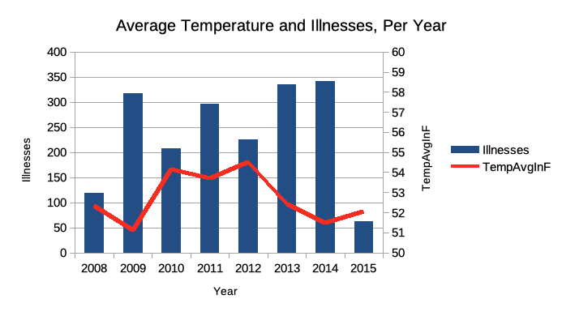
Year | Illnesses | TempAvgInF | HumidityAveragePercentage | WindAvgInMph | SnowFallInInches | PrecipitationInInches
2008 | 119 | 52.32 | 64.57 | 10.5 | 11.48 | 51.73
2009 | 317 | 51.12 | 66.7 | 10.79 | 9.32 | 40.75
2010 | 208 | 54.12 | 63.63 | 11.38 | 5.41 | 47.07
2011 | 297 | 53.68 | 66.4 | 10.49 | 10.61 | 46.82
2012 | 226 | 54.49 | 65.76 | 10.23 | 6.21 | 35.62
2013 | 336 | 52.39 | 64.94 | 10.57 | 10.08 | 35.22
2014 | 342 | 51.46 | 65.08 | 10.7 | 8.1 | 41.89
2015 | 62 | 52.04 | 66.15 | 10.51 | 8.64 | 30.13

Precipitation and Illnesses Per Year

