Flight OPS costs (not used)
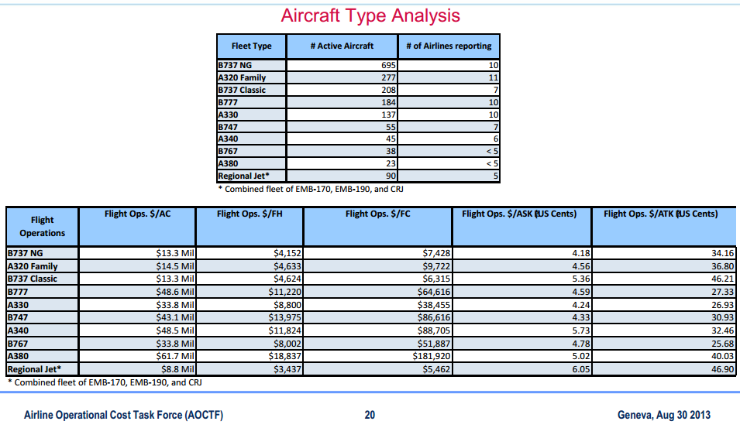
Not used for Ed. 9 |  |  |  |  |  |  |  |  |  |  |  | US inflation since 2012 -> 2016 |  | 4.50% | http://www.usinflationcalculator.com/ |  |  | US inflation since 2012 -> 2016 |  | 4.50% | http://www.usinflationcalculator.com/
 |  |  |  |  |  | US$: | 0.7793 |  |  |  |  | US$: | 0.75362 | Xchange rate = 2014 unchanged |  |  |  | US$: | 0.75362 | Xchange rate = 2014 unchanged
 |  |  |  |  |  |  |  |  |  |  |  | not updated as 2014 index not available - Sept 2014 |  |  |  |  |  | not updated as 2014 index not available - Sept 2014
Table value US$ 2012 |  |  |  |  |  | Table value € 2013 |  |  |  |  |  | Table value € 2016 |  |  |  |  |  | Table value € 2016
in US$ |  |  |  |  |  | in € |  |  |  |  |  | in € |  |  |  |  |  | in US $
Flight Operations | Flight Ops. $/AC[1] | Flight Ops. $/FH | Flight Ops. $/FC | Flight Ops. $/ASK | Flight Ops. $/ATK | Flight Operations | Flight Ops./ Aircraft | Flight Ops. /Flight Hour | Flight Ops. Flight Cycle | Flight Ops. /ASK | Flight Ops. $/ATK | Flight Operations | Flight Ops./ Aircraft | Flight Ops. /Flight Hour | Flight Ops. Flight Cycle | Flight Ops. /ASK | Flight Ops. $/ATK | Flight Operations | Flight Ops./ Aircraft | Flight Ops. /Flight Hour | Flight Ops. Flight Cycle | Flight Ops. /ASK | Flight Ops. $/ATK
 |  |  |  | (US Cents) | (US Cents) |  |  |  |  | (€ Cents) | (e Cents) |  |  |  |  | (€ Cents) | (e Cents) |  |  |  |  | (US$ Cents) | (US$ Cents)
B737 NG | 13.3 | 4152 | 7428 | 4.18 | 34.16 | B737 NG | 10.4 mil | 3,236 | 5,789 | 3.26 | 26.62 | B737 NG | 10.5 | 3,270 | 5,850 | 3.29 | 26.90 | B737 NG | 13.3 | 4,154 | 7,431 | 4.18 | 34.18
A320 Family | 14.5 | 4633 | 9722 | 4.56 | 36.8 | A320 Family | 11.3 mil | 3,610 | 7,576 | 3.55 | 28.68 | A320 Family | 11.4 | 3,649 | 7,656 | 3.59 | 28.98 | A320 Family | 14.5 | 4,635 | 9,726 | 4.56 | 36.82
B737 Classic | 13.3 | 4624 | 6315 | 5.36 | 46.21 | B737 Classic | 10.4 mil | 3,603 | 4,921 | 4.18 | 36.01 | B737 Classic | 10.5 | 3,642 | 4,973 | 4.22 | 36.39 | B737 Classic | 13.3 | 4,626 | 6,318 | 5.36 | 46.23
B777 | 48.6 | 11220 | 64616 | 4.59 | 27.33 | B777 | 37.9 mil | 8,744 | 50,355 | 3.58 | 21.30 | B777 | 38.3 | 8,836 | 50,887 | 3.61 | 21.52 | B777 | 48.6 | 11,225 | 64,645 | 4.59 | 27.34
A330 | 33.8 | 8800 | 38455 | 4.24 | 26.93 | A330 | 26.3 mil | 6,858 | 29,968 | 3.30 | 20.99 | A330 | 26.6 | 6,930 | 30,285 | 3.34 | 21.21 | A330 | 33.8 | 8,804 | 38,472 | 4.24 | 26.94
B747 | 43.1 | 13975 | 86616 | 4.33 | 30.93 | B747 | 33.6 mil | 10,891 | 67,500 | 3.37 | 24.10 | B747 | 33.9 | 11,006 | 68,213 | 3.41 | 24.36 | B747 | 43.1 | 13,981 | 86,655 | 4.33 | 30.94
A340 | 48.5 | 11824 | 88705 | 5.73 | 32.46 | A340 | 37.8 mil | 9,214 | 69,128 | 4.47 | 25.30 | A340 | 38.2 | 9,312 | 69,858 | 4.51 | 25.56 | A340 | 48.5 | 11,829 | 88,745 | 5.73 | 32.47
B767 | 33.8 | 8002 | 51887 | 4.78 | 25.68 | B767 | 26.3 mil | 6,236 | 40,436 | 3.73 | 20.01 | B767 | 26.6 | 6,302 | 40,863 | 3.76 | 20.22 | B767 | 33.8 | 8,006 | 51,910 | 4.78 | 25.69
A380 | 61.7 | 18837 | 181920 | 5.02 | 40.03 | A380 | 48.1 mil | 14,680 | 141,770 | 3.91 | 31.20 | A380 | 48.6 | 14,835 | 143,268 | 3.95 | 31.52 | A380 | 61.7 | 18,845 | 182,002 | 5.02 | 40.05
Regional Jet* | 8.8 | 3437 | 5462 | 6.05 | 46.9 | Regional Jet* | 6.9 mil | 2,678 | 4,257 | 4.71 | 36.55 | Regional Jet* | 6.9 | 2,707 | 4,302 | 4.76 | 36.94 | Regional Jet* | 8.8 | 3,439 | 5,464 | 6.05 | 46.92
 |  |  |  |  |  | ASK: Available Seat Kilometre |  |  |  |  |  | ASK: Available Seat Kilometre |  |  |  |  |  | ASK: Available Seat Kilometre
 |  |  |  |  |  | ATK: Available Ton Kilometre |  |  |  |  |  | ATK: Available Ton Kilometre |  |  |  |  |  | ATK: Available Ton Kilometre

 |  |  |  |  |  |  |  |  |  |  |  |  |  | 10.945526011

source |  |  |  |  |  |  |  |  |  |  |  |  |  |  |  |  |  | 0.41882031012
http://www.iata.org/whatwedo/workgroups/Documents/acc-2013-gva/0930-1015_AOCTF_FY2012_Report_FERJAN.pdf

