lists
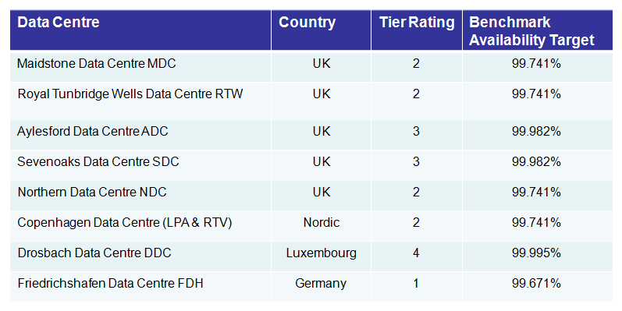
CSC Proprietary
Data Centre | Location | Tier Rating | Benchmark Availability Target
Maidstone Data Centre MDC | UK | 2 | 99.741%
Royal Tunbridge Wells Data Centre RTW | UK | 2 | 99.741%
Aylesford Data Centre ADC | UK | 3 | 99.982%
Seven Oaks Data Centre SDC | UK | 3 | 99.982%
Nothern Data Centre NDC | UK | 2 | 99.741%
Copenhagen Data Centre (LPA & RTV) | UK | 2 | 99.741%
Droshbach Data Centre DDC | Luxembourg | 4 | 99.995%
Friedrichshafen Data Center FDH | Germany | 1 | 99.671%

Data Centre | Location | Tier Rating | Benchmark Availability Target | Tier Level
Tokyo | Japan | 3 | 99.982% | 3
Henderson Building (HBDC) | Singapore | 2 | 99.741% | 2
Shah Alam (HDC) | Malaysia | 3 | 99.982% | 3
Kuala Lumpur (KLDC1) | Malaysia | 3 | 99.982% | 3
Kuala Lumpur (KLDC2) | Malaysia | 3 | 99.982% | 3
Kuala Lumpur (KLDC3) | Malaysia | 3 | 99.982% | 3
Cyberjaya | Malaysia | 3 | 99.982% | 3
Sha Tin (STDC1) | Hong Kong | 2 | 99.741% | 2
Sha Tin (STDC2) | Hong Kong | 3 | 99.982% | 3
Osaka Chuo data centre | Japan | 3 | 99.982% | 3
Clayton (Melbourne) | Australia | 3 | 99.982% | 3
Pyrmont (Sydney) | Australia | 3 | 99.982% | 3
Subiaco (Perth), | Australia | 3 | 99.982% | 3
Perth CBD | Australia | 3 | 99.982% | 3
Belmont (Perth) | Australia | 2 | 99.741% | 2

Holding | Strategic Location | Data Centre | Location
Colo |  | Tokyo | Tokyo
Own | Yes | Henderson Building (HBDC) | Singapore
Colo | Yes | Shah Alam (HDC) | Shah Alam
Own | Yes | Kuala Lumpur (KLDC1) | Petaling Jaya
Own | Yes | Kuala Lumpur (KLDC2) | Petaling Jaya
Own | Yes | Kuala Lumpur (KLDC3) | Petaling Jaya
Colo |  | Cyberjaya | Cyberjaya
Lease | Yes | Sha Tin (STDC1) | Sha Tin
Lease | Yes | Sha Tin (STDC2) | Sha Tin
Colo |  | Panasonic denko Osaka Chuo data centre | Osaka
Lease | Yes | Clayton (Melbourne) | Australia
Lease | Yes | Pyrmont (Sydney) | Australia
Lease | Yes | Subiaco (Perth), | Australia
Colo |  | Perth CBD | Australia
Colo |  | Belmont (Perth) | Australia

Data Centre | Location | Tier Rating | Benchmark Availability Target
Reston | VA | 3 | 99.982%
Lewisville, (Dallas) | TX | 3 | 99.982%
Austin | TX | 3 | 99.982%
Chicago (CDC) - 2nd-4th floors | IL | 3 | 99.982%
Meriden (MERDC) | CT | 2 | 99.741%
Newark (NDC) | DE | 3 | 99.982%
Newington | CT | 1 | 99.671%
Norwich (East) | CT | 3 | 99.982%
Norwich (North & South) | CT | 2 | 99.741%
Somerville | MA | 3 | 99.982%
Santa Clara | CA | 3 | 99.982%
Brampton | Ontario | 3 | 99.982%
Toronto | Ontario | 2 | 99.741%
São Paulo - Hortolândia | Brazil | 3 | 99.982%
São Paulo - Campinas | Brazil | 3 | 99.982%

Holding | Strategic Location | Data Center | Location | Tier Level
Colo | Yes | Reston | VA | 3
Colo |  | Lewisville, (Dallas) | TX | 3
Colo |  | Austin | TX | 3
Lease | Yes | Chicago (CDC) floors 2-4 | IL | 3
Own | Yes | Meriden (MERDC) | CT | 2
Own | Yes | Newark (NDC) | DE | 3
Lease |  | Newington | CT | 1
Own | Yes | Norwich (East) | CT | 3
Own | Yes | Norwich (North & South) | CT | 2
Colo | Yes | Somerville | MA | 3
Colo | Yes | Santa Clara | CA | 3
Colo | Yes | Brampton | Ontario | 3
Colo |  | Toronto | Ontario | 2
Colo | Yes | São Paulo - Hortolândia | Brazil | 3
Colo | Yes | São Paulo - Campinas | Brazil | 3

