Task Metrics
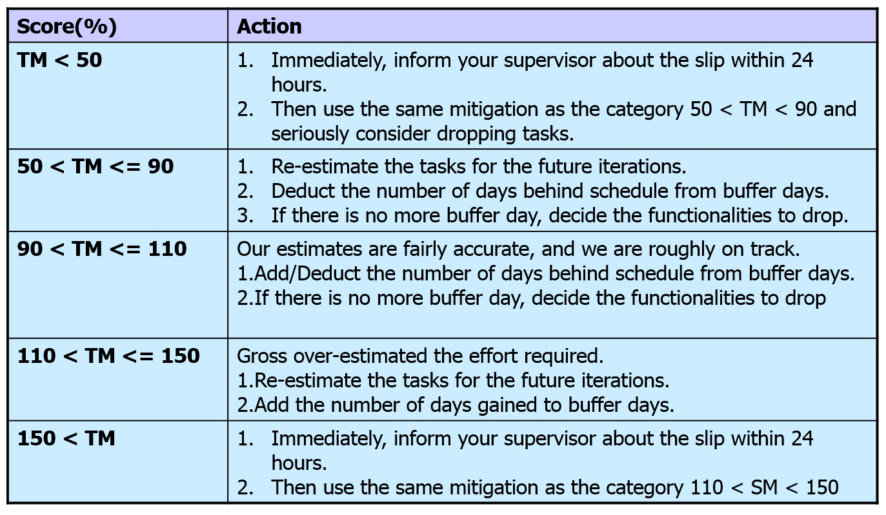
Task Metrics
Iteration | Total Number of Task | Task Completed | Task to be brought to next iteration | Metrics
1 | 16 | 16 | 0 | 1.00
2 | 21 | 21 | 0 | 1.00
3 | 75 | 75 | 0 | 1.00
4 | 45 | 44 | 1 | 0.98
5 | 23 | 23 | 0 | 1.00
6 | 38 | 38 |  | 1.00

 |  | Formula: | Actual tasks / Estimated tasks completed

Task Metric
Task Metrics Mitigation Plan
Iteration | Task | Problem | Mitigation Description
4 | Testing and debugging JSON Update bid | 90 < TM <= 110 | Schedule more hours for testing and debugging

