OMS Feature Table
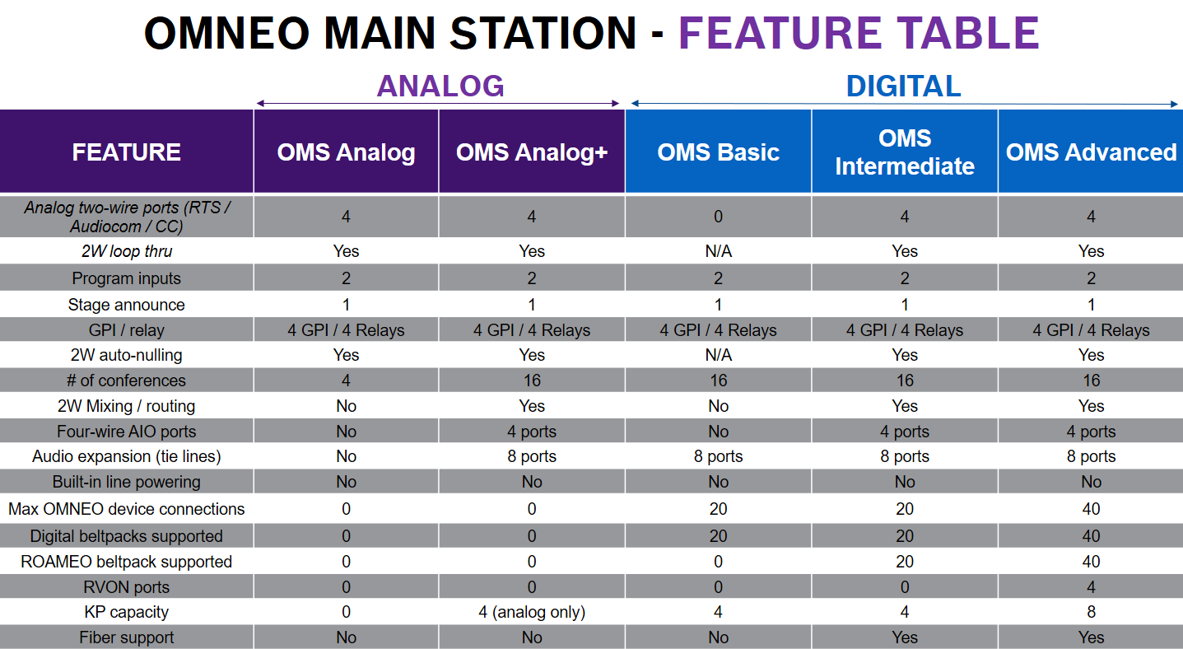
Return to Table of Contents

