January Draw
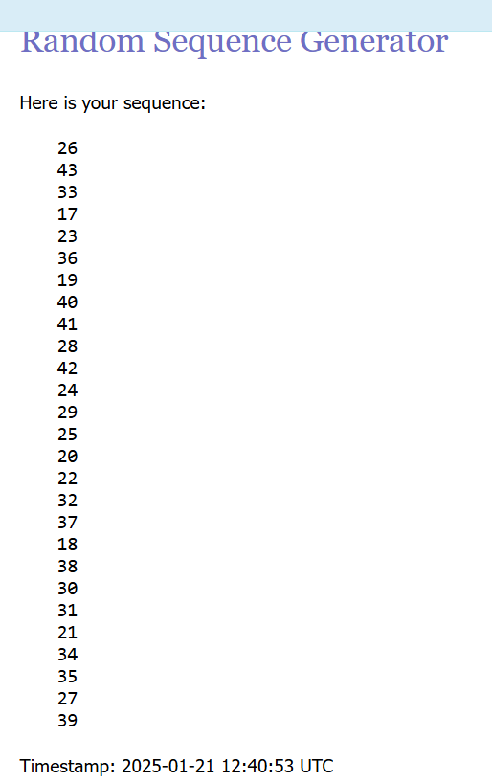
Number
26 | Colin MC
43 | Alex H
33 | Jamie P
17 | Manik O
23 | Lawrence A
36 | Will D
19 | Bhavya R
40 | Thorren K
41 | Joby T
28 | Nathan K
42 | Emma M
24 | Stuart MQ
29 | Charles F
25 | Tejo J
20 | Tim H
22 | Tom C
32 | Alice H
37 | Theo C
18 | Abhinav S
38 | Stella F
30 | Tom B
31 | Joe S
21 | Alex K
34 | Zoë G
35 | Henry K
27 | Jon D
39 | Sophie H
44 | Alice G
45 | Quill S

Draw
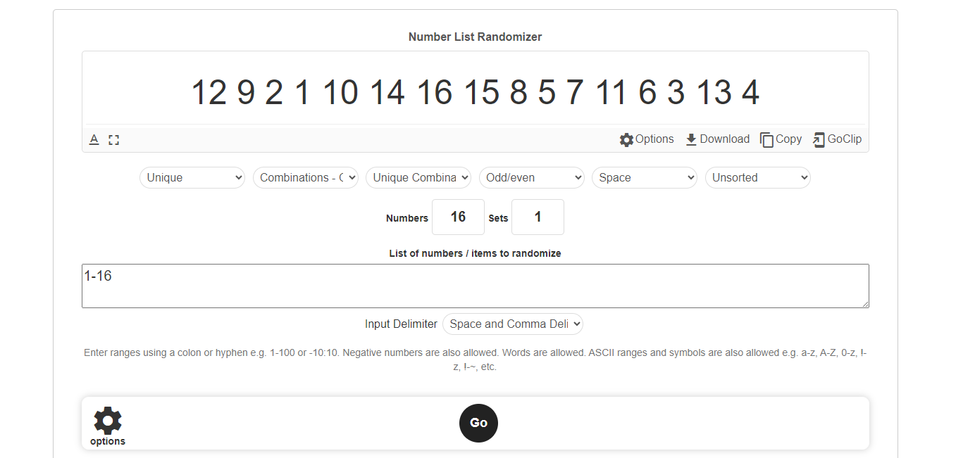
Players: |  | Random Seed
1 | Hudson H | 12
2 | Charlotte W | 9
3 | Sam D | 2
4 | May D | 1
5 | Isaac W | 10
6 | Oscar AM | 14
7 | Will D | 16
8 | Harry S | 15
9 | Bryce S | 8
10 | Eugene K | 5
11 | Ajit N | 7
12 | Alex W | 11
13 | Sam H | 6
14 | Ivan P | 3
15 | Fraser G | 13
16 | Andrew O | 4

