VC
이름/계정 | VC | 마지막 컨택날짜 | 이메일/ 링크드인/TG handle | 미팅예약 링크 | 대화 이력 | 비고
Abdul A | https://www.decasonic.com/ | 0613 (0905) | https://x.com/fundbrah/status/1953125973261730286?s=46 | https://linktr.ee/abdulalali | Sure would love to if you have time for next week? | 지난번 사프트 보내달래서줬었는데 사인을 하진않았고, 매우 긍정적이어서 사프트를 달라고했는데 팔로업을 제대로 못했음. 팔로업하기로함,
Ahmed Mounir |  |  | https://calendly.com/ahmed-mindshiftventures/30min |  | Great to hear Hyun. This is the link to my calendar perhaps easier to book whenever suits you
Maggie Hsu | A16Z | 2025-07-02 | https://www.linkedin.com/in/mkhsu/
Valeriy Zamaraiev | 1KX CTO | 2025-06-12 | https://www.linkedin.com/in/valeryz/
Kris Kizer | ironkeycapital.com/about |  | kris@ironkeycapital.com
NONO | ONEPIECE LABS | 2025-06-20 | @nonoqiu |  | PlayArts is a Web3 protocol that liberates AI execution from centralized clouds, enabling anyone to freely run and own models platarts : Cue Protocol: Context-as-a-Service for Autonomous Agents. I redesigned @nonoqiu How is the new deck going?
Mattz | Redkate | 2025-07-30 | @Mattz10 |  | https://redkitepad.com/
 | Base Ecosystem Team | Head of AI & DePIN | LFB | 2025-05-30 | @lucacurrancb
DON | Animoca Brands | 2025.05.28 | @dathisper
 | Portfolio Associate @animocabrands | CN KOL Management | 2025.05.28 | @IceyLiu
Johnny | AppWorks |  | @johntzuyang
DoveyWan | Primitive.Ventures @doveywan on twitter | 2025.05.28 | @DoveyWan
 | paper ventures | 2025.05.28 | @is0xbing
Sally Zhu | NYC. Amber Group VC / X @ckyzhu | 2025.05.28 | @ckyzhu
Joe | AllianceDao | 2025.05.28 | @lawl_joe
Kyle | Master ventures | 2025.05.28 | @KyleChasse
Orion | orangedao.xyz | 2025.05.28 | @oparrott
Lavenjer | sevenX | 2025.05.28 | @Lavenjer_yeung
Berk | refer.orangedao.xyz/berk Senior Venture Partner at Orange DAO | Co-founder at SenpAI (YC S21) | 2025.05.28 | @berkozero
Hsin ju | Partner & Head of Platform at Hack VC: https://x.com/hsinjuchuang | 2025.05.28 | @hsinju7
 | CoinFund | 2025.05.28 | @michaelbosworth
Jielun Ong | Plug and Play | 2025.07.28 | jielun@pnptc.com |  | 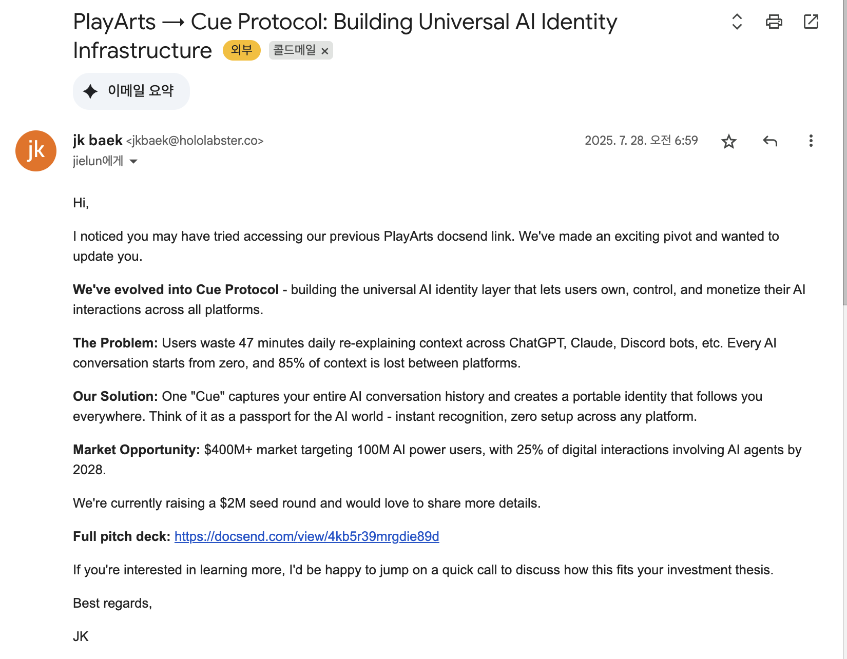
Ariya | Engenesis Ventures
Maxime | Yzi Labs (전 Binance Labs) | 2025.07.19 | maxime.c@yzilabs.com |  | 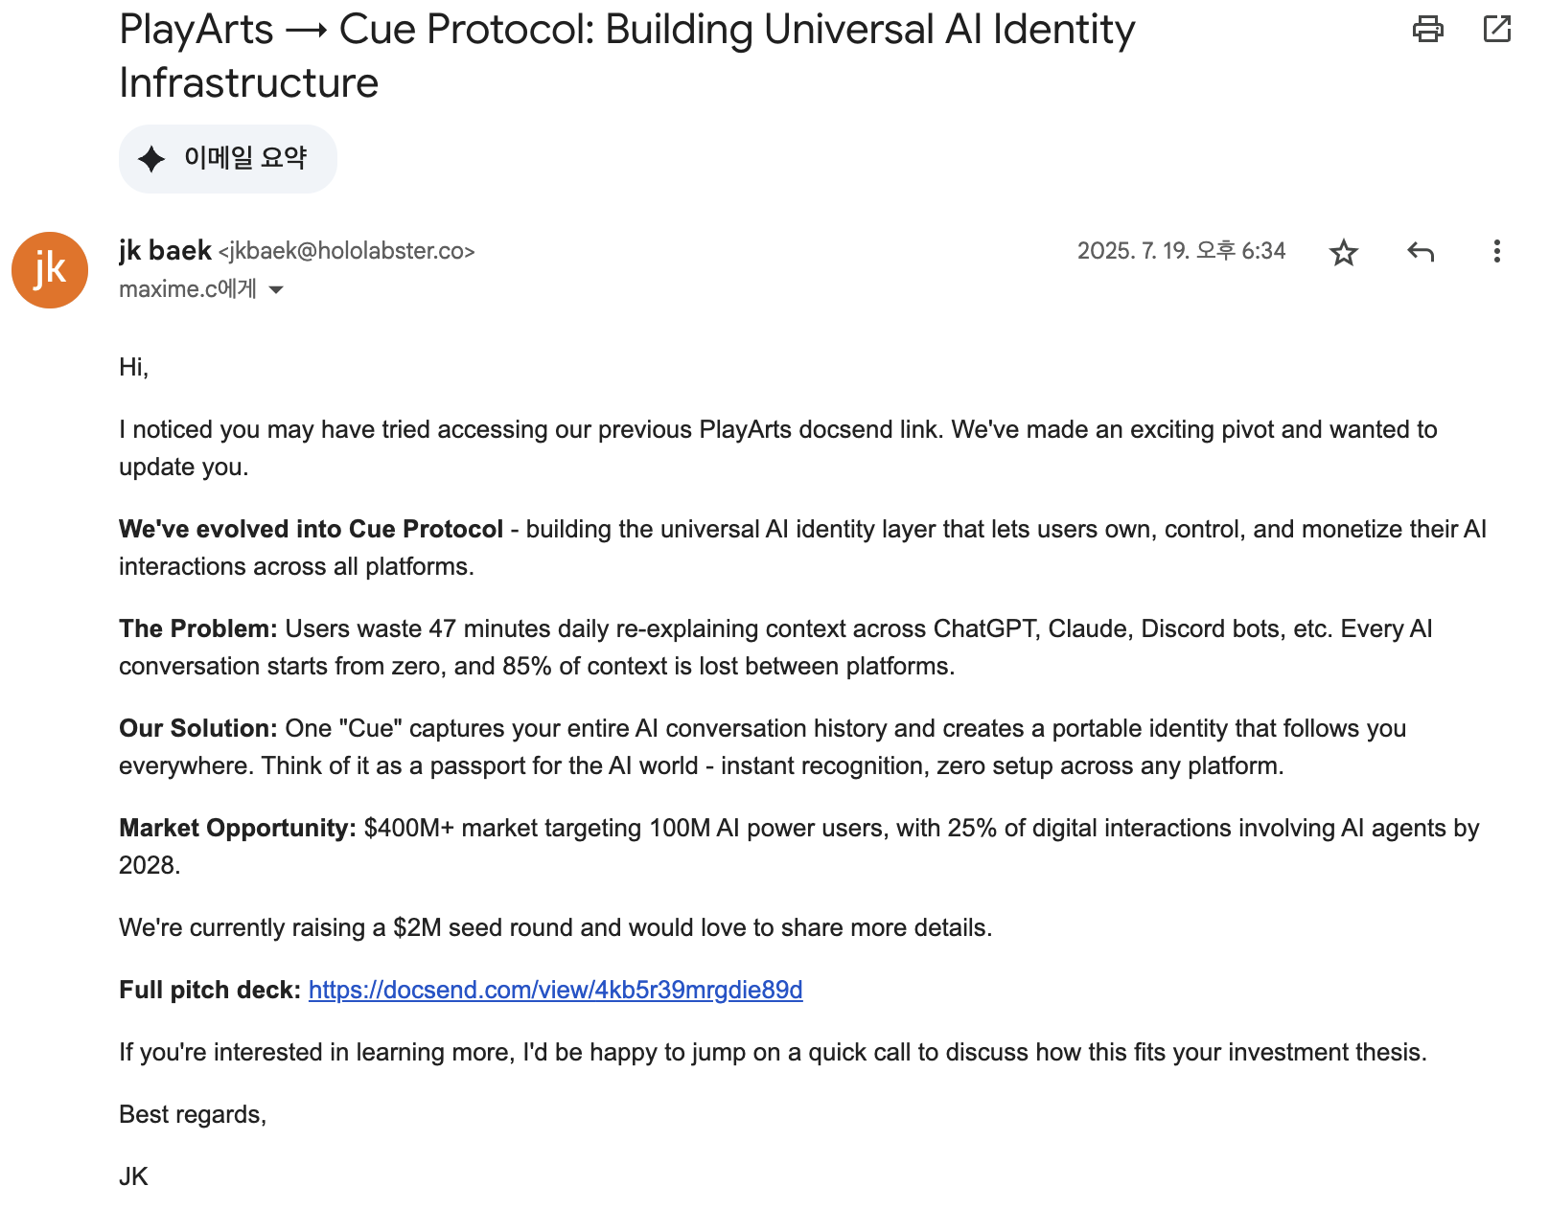
Selim | Rengo.xyz | 2025.08.03 | selim@rengo.xyz |  | 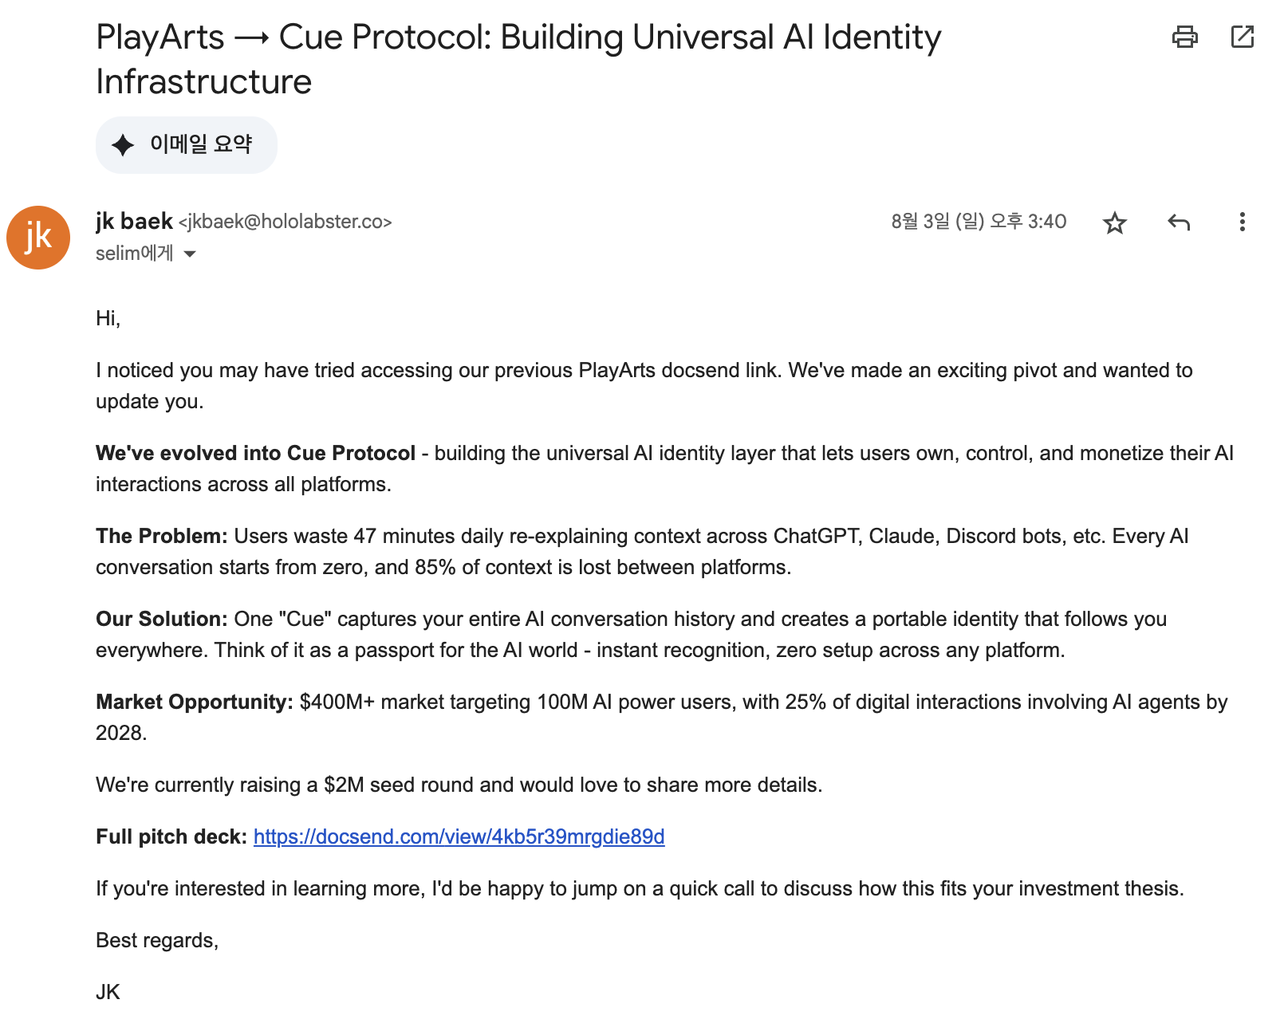
Joseph Argiro | Ironkeycapital.com/about | 2025.06.25 | jargiro@ironkeycapital.com |  | 