Template
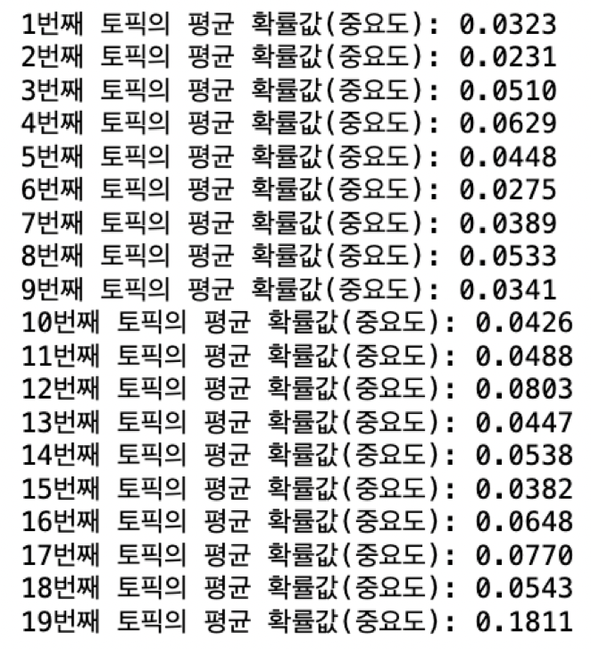

 |  |  |  |  |  |  |  |  | Correlation: | + |  | -
 |  |  |  |  |  |  |  |  |  | Positive | No correlation | Negative

 |  |  |  |  |  |  |  |  | Relationships: | 9 | 3 | 1
 |  |  |  |  |  |  |  |  |  | Strong | Moderate | Weak | None

 |  | Functional Requirements (How) → | 접근성 | 쾌적성 | 독특성 | 교육성 | 체험성 | 비용성 |  | 기획 |  | 가중치
 | 고객 중요도 | Customer Requirements - (What) ↓ |  |  |  |  |  |  | 자사 | 기획품질 (1~5) | 레벨업율 (기획품질/자사) | 절대웨이트 (중요도* 레벨업율) | 요구품질웨이트
1 | 0.0389 | 지역 특색 음식 | 3 |  | 9 |  | 1 | 3 | 2.91 | 3.04 | 1.05 | 0.04 | 12.94
2 | 0.0503 | 계절 체험 |  |  | 9 | 3 | 9 | 1 | 3.68 | 3.82 | 1.04 | 0.05 | 16.59
3 | 0.0333 | 가족단위 체험 | 3 |  | 3 | 9 | 9 | 9 | 3.23 | 3.33 | 1.03 | 0.03 | 10.93
4 | 0.0382 | 커플여행 | 3 |  |  |  | 1 | 1 | 2.6 | 2.75 | 1.06 | 0.04 | 12.84
5 | 0.0873 | 공연 행사 |  |  | 3 |  | 1 | 1 | 2.88 | 3.18 | 1.11 | 0.10 | 30.69
6 | 0.0476 | 숙박 및 편의시설 | 9 | 9 | 1 |  |  | 9 | 2.86 | 3.03 | 1.06 | 0.05 | 16.02
 |  | Technical importance score | 254.28 | 144.17 | 406.64 | 148.13 | 304.14 | 341.46 | http://www.imarket.co.kr/product/MallDisplay.do?_method=Detail&sc.shopNo=0000100000&sc.dispNo=&sc.prdNo=1039091006&utm_source=&utm_medium=&utm_campaign=&utm_keyword=&utm_content= | http://www.imarket.co.kr/product/MallDisplay.do?_method=Detail&sc.shopNo=0000100000&sc.dispNo=&sc.prdNo=1038896722&utm_source=&utm_medium=&utm_campaign=&utm_keyword=&utm_content= | http://www.imarket.co.kr/product/MallDisplay.do?_method=Detail&sc.shopNo=0000100000&sc.dispNo=&sc.prdNo=1039200806&utm_source=&utm_medium=&utm_campaign=&utm_keyword=&utm_content= |  |  | 0.31
 |  | Technical Importance % | 0.16 | 0.09 | 0.25 | 0.09 | 0.19 | 0.21 | 1598.8234304 |  |  |  |  | SUM
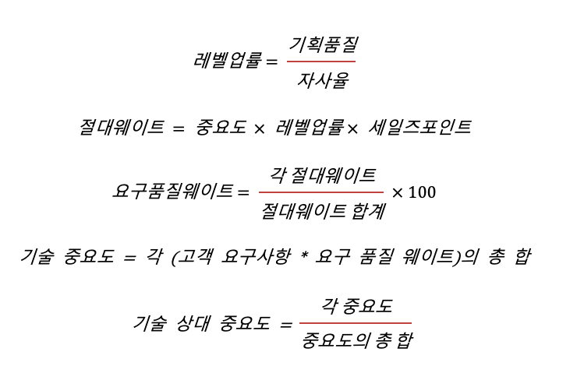
 |  | Priorities rank | 4 | 6 | 1 | 5 | 3 | 2

 | Guide:
 | Fill in the “What's” the customer requirements and the importance rating per requirement.
 | Fill the “How's” listing the processes or characteristics that are needed to meet the customer requirements.
 | Fill in the matrix the impact that the 'How's' has on each 'What'.
 | Look at the bottom (Technical importance & Priorities rank) to see which “How” should be given highest priority.

