Stairs_Human_Factor
Scenario Sheet |  |  |  |  |  | Indications
 | There should be only on scenario per file. If needed duplicat that file |  |  |  |  | Explanation available at https://github.com/aremazeilles/eurobench_documentation/blob/master/template.adoc
 |  |  |  |  |  | If a field is unclear, please email us or open an issue on the github account.
 | Item | Template designer description
 | Short name | Walking on stair |  |  |  | Single sentence
 | Description | "Systematic Test of Exoskeleton Products by a Stairs-based Testbed Evaluation Protocol" |  |  |  | Paragraph indicating the context of the scenario
 | Image
 | Assessed System Abilities |  |  |  |  | Not mandatory at this stage

Protocol Sheet
If several protocols are defined for the same protocol, please copy and paste the following table
How many protocols are defined? |  | Three protocols are defined: Dual Task Protocol, User Exoskeleton Interaction Observation, Local Perceived Pressure Questionnaire.

Generalities | Item | Template designer description
 | Name | Walking on stairs: Dual Task protocol |  |  |  | Single sentence
 | Definition | The "Dual Task protocol" is intended to measure the User's cognitive-motor interference while accomplishing a motor task with the exoskeleton and doing a cognitive task. Less interference corresponds to better interaction between user and machine |  |  |  | Paragraph indicating the purpose, objective of the protocol. What are we characterising, how do we characterise it?
 | Image | 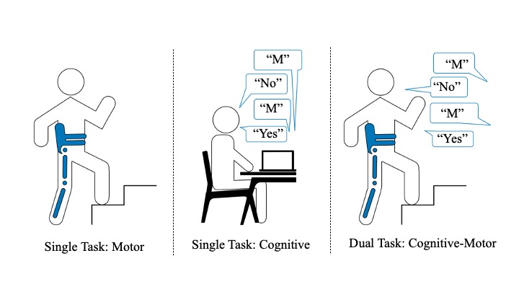 |  |  |  | Mandatory
 | Keywords | Human factors; Human Robot Interaction; Motor performance; Cognitive performance; stair
 | Suitable Bipedal Systems | Exoskeleton, Human |  |  |  | Possible values: Humanoid, prosthesis, exoskeleton, human (can be various)
 | Associated PI Algo | CMI Algo |  |  |  | Names of the algorithms to be launched (as indicated In cell Algorithm name in Pi-PI Algo sheet)
 | Estimated experimentation duration | 15 minutes

Controlled variables | Name | Definition | Type | Range | Unit | See https://github.com/aremazeilles/eurobench_documentation/blob/master/template.adoc#3-protocol-sheet. Should contain parameters that are not emasured in the experiment, but required to configure the testbed, or to describe the current experimental condition.

Testbed | Item | Type (sensor / actuator/ combined) | Technical File Sheet |  |  | Differentiate traditional equipment (motion capture, force platform, …), from instrumented testbed. If the protocol requires a specific instrumented system, name it with something like instrumented crutches, or instrumented walls, and provide a link towards a document describing the components of the device, with information on how to build it, use it...
 | Chronometer | other
 | speaker / headphone | other
 | OpenSesame | software | https://osdoc.cogsci.nl
 | instrumented stair | combined
 | Pymedia | software | https://github.com/dschreij/opensesame_soundrecorder_plugins/tags

Protocol description | General description | In this activity the subject will be asked first to ascend and descend the stair-based testbed while wearing the LLE (motor task). Then, an auditory 1-back task (cognitive task) will be administered to the subject. During the auditory task the subject will be seated and will hear a sequence of 60 alphabet letters, presented on at a time, and will be asked to respond “yes” if the presented letter is a repetition of the immediately preceding alphabet letter, or “no” if the presented letter is not a repetition of the immediately preceding alphabet letter. Lastly, the subject will be asked to complete the motor and cognitive task simultaneously: he or she will ascend and descend the stairs while answering "yes" or "no" after hearing the alphabet letter (cognitive-motor task). |  |  |  | Provide in a sentence or two an overview of the activity asked to the subject
 | Step | Description | Complementary information |  |  | Describe here the main instruction the operator / subject should follow. We expect having aside a more complete description of the operations to perform, like another document detailing all these operations
 | 1 - | Participant and setting preparation | The participant wears the exoskeleton and positions him/herself in front of the stairs. Prepare the chronometer.
 | 2 - | Single Task: Motor. We will ask the participant to go up and down the stairs while wearing the exoskeleton. Activate the cronometer and stopping it when the participant has completed the task. | Two values are measured: ascending time, descending time.
 | 3 - | Participant and setting preparetion. The participant removes the exoskeleton and sits next to the experimenter. The experimenter runs OpenSesame. The participant wears the headphones (which records the participant's vocal answers). | The setting should encompass a desk, two seats, a laptop and headphones.
 | 4 - | Single Task: Cognitive, Instructions. The experiemnter reads the instructions provided by OpenSesame. | The instructions will be: “You will hear a sequence of sounds (phonemes) presented one at time. Your task is to respond after each letter: YES when the letter is a repeat of the immediately preceding letter; NO when the letter is different from the previous one. Before the actual data collection, you will have the opportunity to learn about the task by trying it.”
 | 5 - | Single Task: Practice. The participant stars the pratice session. | The practice session consists in 8 trials. At the end, a sheet will appear with the instruction: "the Single Task: Cognitive data collection stars now".
 | 6 - | Single Task: Cognitive. While not wearing the exoskelton nor going up and down the stairs, the participant will hear a sequence of 60 phonems (alphabetical letters), vocally administered one at a time through speakers. The participant will be requested to respond "yes” if the administered letter is a repetition of the immediately preceding administered letter (this occurrence will happen 12 times throughout the run), and “no” if it is not (this occurrence will happen 48 time throughout the run). The experimenter clicks on the right mouse button when the participant says "no", and clicks on the left mouse button when the participant says "yes". | Two values are measured: reaction time and number of errors.
 | 7 - | Participant Preparation. The participant wears the exoskeleton, does not remove the headphones and positions him/herself in front of the stairs.
 | 8 - | Dual Task: Cognitive-Motor. The participant will be going up and down the stairs while wearing the LLE and hearing a sequence of 60 phonemes (alphabetical letters), vocally administered one at a time through speakers. The participant will be requested to respond "yes” if the administered letter is a repetition of the immediately preceding administered letter (this occurrence will happen 12 times throughout the run), and “no” if it is not (this occurrence will happen 48 time throughout the run). The experimenter clicks on the right mouse button when the participant says "no", and clicks on the left mouse button when the participant says "yes". Activate the cronometer and stopping it when the participant has completed the task. | Four values are measured: ascending time, descending time, reaction time and number of errors.
 | 9 - | The data collection ends. The partcipant removes the exoskeleton and headphones.

Does your protocol involve several runs? |  | YES | The cognitive task involves 60 repetition of the trials. |  |  | Using several runs means reproducing the experiment in exactly the same conditions, to get statistics for instance. Having several runs would require to repeat some steps in the protocol, and would generate a set of input files per run, like run_01_jointAngles.csv, run_02_jointAngles.csv, ..., run_01_emg.csv, run_02_emg.csv, ...... If a single run is envisioned, we would only have a single version of each of the input file, i.e jointAngles.csv and emg.csv.
Does your protocol involve several conditions? |  | YES | The cognitive and motor task are reped two times. First time singly, then simultaneously. |  |  | Having several conditions requires repeating the experiment changing one condition/ parameter. This can be the angle of the slope (in a protocol walking on slope), the level of support provided by the Exoskeleton (no support, level 1, level 2…).
Can your protocol involves several subjects |  | NO |  |  |  | This only makes sense for protocols involving human subjects. This is a common practice to involve several huamn subjects when conducting an experimentation.

Protocol Sheet

Generalities | Item | Template designer description
 | Name | Walking on stair: User Exoskeleton Interaction Observation
 | Definition | This protocol aims to measure some behavioural indicators of user-machine interaction. It describes the quality of the interaction occurring between the wearer and the lower-limb exoskeleton. The data collection is performed by experimenters based on a quantitative checklist of both participant and exoskeleton's behaviour
 | Image | 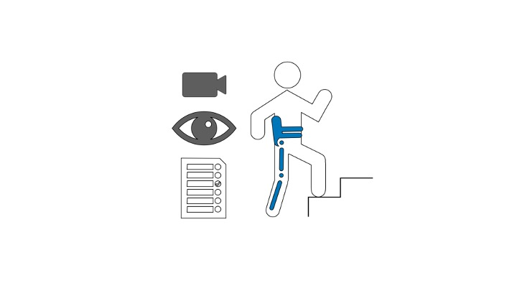
 | Keywords | Human factors; Human Robot Interaction; stairs
 | Suitable Bipedal Systems | Exoskeleton, Human
 | Associated PI Algo | UEI Algo
 | Estimated experimentation duration | 10 minutes.

Controlled variables | Name | Definition | Type | Range | Unit

Testbed | Item | Type (sensor / actuator/ combined) | Technical File Sheet
 | Videocamera | sensor
 | instrumented stair | combined
 | Checklist | other | .xlsx

Protocol description | General description | An observational analysis will be performed by the experimenter while video recording the motor tasks performed by the end-user, i.e. stairs ascending and stairs descending while wearing the LLE. In this case the evaluation will be conducted by the experimenter and no partiicular requests will be made to the subject.
 | Step | Description | Complementary information
 | 1 - | Instruction. The experimenter provides instrutions to the participant. | The instruction will be: "We ask you to go up and down the stairs wearing the exoskeleton. While you perform the task a video camera will record the execution of the task."
 | 2 - | Activate video recording. Start camera recording
 | 3 - | Start data collection. The experimenter answers the checklist items. | The checklist encompasses the following item: Time required to donning and doffing the exoskeleton; Number of steps climbed and down; Number of times the user stumble when ascending or descending the stairs; Is the crutch used during the test; Is the torso bent forward (provoke high load of upper limbs when crutches are used) to avoid falling backward; During the Anterolateral shifting of body centre of gravity, is the swing leg adequately relieved to correctly initiate the stride; Number of error messages by the HMI (Human Machin-Interface); Number of times the safe mode was been activated (the system switched off) when the situation require it and did not require it.
 | 4 - | Participant starts the task . The participant wears the exoskeleton and positions him/herself in front of the stairs.
 | 5 - | Participant preparation. The partcipant revouves the exoskeleton.
 | 6 - | Stop camera recording.
 | 7 - | Check for data missing. The experimenter watchs the video recorded, fulfilling the checklist if data was missing or the observation was not appropriated. Delate the video recorded at the end.

Does your protocol involve several runs? |  | NO
Does your protocol involve several conditions? |  | NO
Can your protocol involves several subjects |  | NO

Protocol Sheet

Generalities | Item | Template designer description
 | Name | Walking on stairs: Local Perceived Pressure Questionnaire
 | Definition | The questionnaire measures the subjective evaluation of musculoskeletal pressure applied by the exoskeleton to the user.
 | Image | 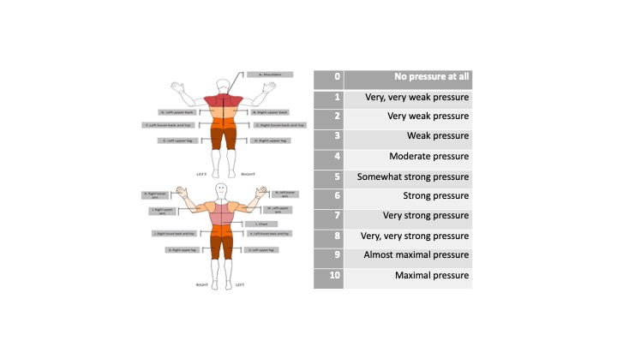
 | Keywords | Human factors; Comfort; Body pressure; stairs
 | Suitable Bipedal Systems | Exoskeleton, Human
 | Associated PI Algo | LPP Algo
 | Estimated experimentation duration | 5 minutes

Controlled variables | Name | Definition | Type | Range | Unit

Testbed | Item | Type (sensor / actuator/ combined) | Technical File Sheet
 | Questionnaire | other | .xlsx

Protocol description | General description | After the completion of the motor task, the experimenter will administer the Local Perceived Pressure questionnaire to the subject. The subject will then be asked to fill out the questionnaire to measure the levels of comfort while wearing the exoskeleton.
 | Step | Description | Complementary information
 | 0 - | Mandatory condition. The LPP Protocol have to be used after the participant has had the opportunity to try/use the exoskeleton.
 | 1 - | Instruction. The experimenter provides instrutions to the participant. | The instruction will be: "We show you a picture that reports a human body divided into nine parts. Please, could you judge the degree of discomfort you felt for each part?"
 | 2 - | Data collection. The participant answers the questionnaire's items. | LPP consists in 14 item and it is rated on a Likert-type scale ranging from 0 (no pressure at all/no discomfort at all) to 10 (extremely strong pressure/extreme discomfort, almost maximum). A discomfort level of little discomfort is defined as the cut-off point for the peak discomfort measure. Mean ratings of perceived pressure are computed for each target body area and/or across body areas. Both round numbers and decimals can be used (up to experimenter).

Does your protocol involve several runs? |  | NO
Does your protocol involve several conditions? |  | NO
Can your protocol involves several subjects |  | NO

Protocol Sheet

Generalities | Item | Template designer description
 | Name | Combined protocol
 | Definition | The protocol combines the "dual task protocol", the "User Exoskeleton Interaction Observation" and the "Local Perceived Pressure Questionnaire".
 | Image | 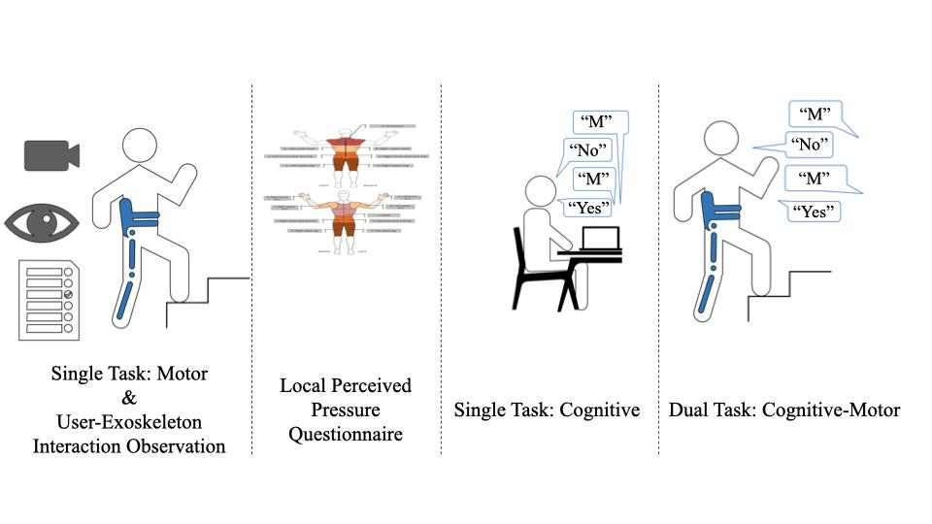
 | Keywords | Human factors; Human Robot Interaction; Motor performance; Cognitive perfromance; Comfort; Body pressure; stairs
 | Suitable Bipedal Systems | Exoskeleton, Human
 | Associated PI Algo
 | Estimated experimentation duration | 30 minutes

Controlled variables | Name | Definition | Type | Range | Unit

Testbed | Item | Type (sensor / actuator/ combined) | Technical File Sheet
 | Cronometer | other
 | speaker / headphone | other
 | OpenSesame | software | https://osdoc.cogsci.nl
 | instrumented stair | combined
 | Videocamera | sensor
 | Observational Checklist | other | .xlsx
 | Body pressure Questionnaire | other | .xlsx

Protocol description | General description | This protocol describes the stair-based Human Factors protocol in its whole, specifying which are the actions that the experimenter has to carry out during the evaluation and the instructions that has to provide to the subject.
 | Step | Description | Complementary information
 | 1 - | Instructions. The experimenter provides instrutions to the participant. | The instruction will be: "We ask you to go up and down the stairs wearing the exoskeleton. While you perform the task a video camera will record the execution of the task."
 | 2 - | Setting preparation. Prepare the chronometer. Activate the videocamera. | Start camera recording
 | 3 - | Participant preparation. The participant wears the exoskeleton and positions him/herself in front of the stairs. | Mesure the time requested to donning the exoskeleton.
 | 4 - | Single Task: Motor & User-Exoskeleton Interaction Observation. The participant goes up and down the stairs wearing the exoskeleton. The experimenter answers the checklist items. | The following values are measured: ascending time, descending time, number of steps climbed and down; Number of times the user stumble when ascending or descending the stairs; Is the crutch used during the test; Is the torso bent forward (provoke high load of upper limbs when crutches are used) to avoid falling backward; During the Anterolateral shifting of body centre of gravity, is the swing leg adequately relieved to correctly initiate the stride; Number of error messages by the HMI (Human Machin-Interface); Number of times the safe mode was been activated (the system switched off) when the situation require it and did not require it.
 | 5 - | Participant preparation. The participant removes the exoskeleton. | Mesure the time requested to doffing the exoskeleton.
 | 6 - | Stop camera recording.
 | 7 - | Check for data missing. The experimenter watchs the video recorded, fulfilling the checklist if data was missing or the observation was not appropriated. Delete the video recorded at the end.
 | 8 - | Setting preparation. The participant sits next to the experimenter. | The setting should encompass a desk, two seats, a laptop.
 | 9 - | Instructions. The experimenter provides instructions to the participant. | The instructions will be: "We show you a picture that reports a human body divided into nine parts. Please, could you judge the degree of discomfort you felt for each part?"
 | 10 - | Data collection, Local Perceived Pressure Questionnaire. The participant answers the questionnaire's items. | LPP consists in 14 item and it is rated on a Likert-type scale ranging from 0 (no pressure at all/no discomfort at all) to 10 (extremely strong pressure/extreme discomfort, almost maximum). A discomfort level of little discomfort is defined as the cut-off point for the peak discomfort measure. Mean ratings of perceived pressure are computed for each target body area and/or across body areas. Both round numbers and decimals can be used (up to experimenter).
 | 11 - | Single Task: Cognitive, Setting preparetion. The experimenter runs OpenSesame. The participant wears the headphones (which records the participant's vocal answers). | The setting should encompass a desk, two seats, a laptop and headphones.
 | 12 - | Single Task: Cognitive, Instructions. The experimenter reads the instructions provided by OpenSesame. | The instructions will be: “You will hear a sequence of sounds (phonemes) presented one at time. Your task is to respond after each letter: YES when the letter is a repeat of the immediately preceding letter; NO when the letter is different from the previous one. Before the actual data collection, you will have the opportunity to learn about the task by trying it.”
 | 13 - | Single Task: Practice. While not wearing the exoskelton nor going up and down the stairs, the participant stars the pratice session. | The practice session consists in 8 trials. At the end, a sheet will appear with the instruction: "the Single Task: Cognitive data collection stars now".
 | 14 - | Single Task: Cognitive. While not wearing the exoskelton nor going up and down the stairs, the participant will hear a sequence of 60 phonems (alphabetical letters), vocally administered one at a time through speakers. The participant will be requested to respond "yes” if the administered letter is a repetition of the immediately preceding administered letter (this occurrence will happen 12 times throughout the run), and “no” if it is not (this occurrence will happen 48 time throughout the run). The experimenter clicks on the right mouse button when the participant says "no", and clicks on the left mouse button when the participant says "yes". | Two values are measured: reaction time and number of errors.
 | 15 - | Participant Preparation. The participant wears the exoskeleton, does not remove the headphones and positions him/herself in front of the stairs.
 | 16 - | Dual Task: Cognitive-Motor. The participant will be going up and down the stairs while wearing the LLE and hearing a sequence of 60 phonemes (alphabetical letters), vocally administered one at a time through speakers. The participant will be requested to respond "yes” if the administered letter is a repetition of the immediately preceding administered letter (this occurrence will happen 12 times throughout the run), and “no” if it is not (this occurrence will happen 48 time throughout the run). The experimenter clicks on the right mouse button when the participant says "no", and clicks on the left mouse button when the participant says "yes". Activate the cronometer and stopping it when the participant has completed the task. | Four values are measured: ascending time, descending time, reaction time and number of errors.
 | 17 - | the data collection ends. The partcipant remouves the exoskeleton and headphones.

Does your protocol involve several runs? |  | YES | The cognitive task involves 60 repetitions of the trial.
Does your protocol involve several conditions? |  | YES | The cognitive and motor task are reped two times. First time singly, then simultaneously.
Can your protocol involves several subjects |  | NO

Stairs_Biomechanics_Protocol
Scenario Sheet |  |  |  |  |  | Indications
 | There should be only on scenario per file. If needed duplicat that file |  |  |  |  | Explanation available at https://github.com/aremazeilles/eurobench_documentation/blob/master/template.adoc
 |  |  |  |  |  | If a field is unclear, please email us or open an issue on the github account.
 | Item | Template designer description
 | Short name | Walking on stair |  |  |  | Single sentence
 | Description | "Systematic Test of Exoskeleton Products by a Stairs-based Testbed Evaluation Protocol" |  |  |  | Paragraph indicating the context of the scenario
 | Image | GOOD CAPTURE OF THE STAIRCASE TESTBED
 | Assessed System Abilities |  |  |  |  | Not mandatory at this stage

Protocol Sheet
If several protocols are defined for the same protocol, please copy and paste the following table
How many protocols are defined?

Generalities | Item | Template designer description
 | Name | Biomechenical analysis of the human gait while ascending and descending stairs |  |  |  | Single sentence
 | Definition | Mocap adquisition in stair ascending and descending over the testbed in order to characterize human movements. Different parameters will be computed: simple metrics (total time ascending and descending), complex metrics (subphases of stair climbing/descend) and kinematics metrics (joint angles) |  |  |  | Paragraph indicating the purpose, objective of the protocol. What are we characterising, how do we characterise it?
 | Image | 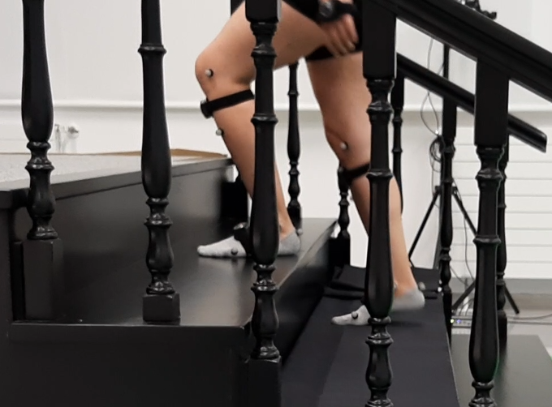 |  |  |  | Mandatory
 | Keywords | Lower-limb exoskeletons (LLEs), stairs, stair ascending, stair descending, motion capture, motion reconstruction
 | Suitable Bipedal Systems | Exoskeleton, Human |  |  |  | Possible values: Humanoid, prosthesis, exoskeleton, human (can be various)
 | Associated PI Algo | pi_sbs_biomechanics |  |  |  | Names of the algorithms to be launched (as indicated In cell Algorithm name in Pi-PI Algo sheet)
 | Estimated experimentation duration | 15 minutes/subject (explanation+sensor placement+calibration) + 7.5 minutes/subject (5 runs mocap adquisition) = 22.5 minutes/subject

Controlled variables | Name | Definition | Type | Range | Unit | See https://github.com/aremazeilles/eurobench_documentation/blob/master/template.adoc#3-protocol-sheet. Should contain parameters that are not emasured in the experiment, but required to configure the testbed, or to describe the current experimental condition.

Testbed | Item | Type (sensor / actuator/ combined) | Technical File Sheet |  |  | Differentiate traditional equipment (motion capture, force platform, …), from instrumented testbed. If the protocol requires a specific instrumented system, name it with something like instrumented crutches, or instrumented walls, and provide a link towards a document describing the components of the device, with information on how to build it, use it...
 | Mocap sensors | IMUs | Perception Neuron Pro Specifications: https://neuronmocap.com/content/product/perception-neuron-pro

Protocol description | General description | The human subject is instrumented and then instructed to walk up and down several time from the stair |  |  |  | Provide in a sentence or two an overview of the activity asked to the subject
 | Step | Description | Complementary information |  |  | Describe here the main instruction the operator / subject should follow. We expect having aside a more complete description of the operations to perform, like another document detailing all these operations
 | 1 | Welcome and experiment explanation, ethics issues,… | General explanation 5 minutes
 | 2 | Place the mocap system (based on IMUs sensors) onto the subject body (lower limbs) | Approximately, one sensor should be placed in each of the following locations (for right and left leg): - Thigh, lateral aspect, mid point between the knee joint center and hip joint center - Shank, lateral aspect, mid point between the ankle joint center and knee joint center - Foot, instep center - Pelvis, between L5 and sacrum 5 minutes
 | 3 | Mocap calibration | 2 minutes
 | 4 | Detailed explanation of the experiment | Number of runs (up and down), which foot is the first, velocity, when is allowed to grab the handle (if handle is grabed, run should be repeated?) 3 minutes
 | 5 | Place the subject at the starting point
 | 6 | Launch the Data collection software
 | 7 | Perform the experiment (go up and down the stairs) | 30 seconds
 | 8 | Stop the data collection when the subject arrives at the initial position | 1 minute
 | 9 | Repeat the procedure starting at step 5, to reach 5 runs. | Total (5 runs): 7,5 minutes
 | 10

Does your protocol involve several runs? |  | YES | 5 runs |  |  | Using several runs means reproducing the experiment in exactly the same conditions, to get statistics for instance. Having several runs would require to repeat some steps in the protocol, and would generate a set of input files per run, like run_01_jointAngles.csv, run_02_jointAngles.csv, ..., run_01_emg.csv, run_02_emg.csv, ...... If a single run is envisioned, we would only have a single version of each of the input file, i.e jointAngles.csv and emg.csv.
Does your protocol involve several conditions? |  | NO |  |  |  | Having several conditions requires repeating the experiment changing one condition/ parameter. This can be the angle of the slope (in a protocol walking on slope), the level of support provided by the Exoskeleton (no support, level 1, level 2…).
Can your protocol involves several subjects |  | NO |  |  |  | This only makes sense for protocols involving human subjects. This is a common practice to involve several huamn subjects when conducting an experimentation.

