Scenario-Protocol_BeStABle
Scenario Sheet
 | There should be only on scenario per file. If needed duplicate that file

 | Item | Template designer description
 | Short name | BeStable: Visually-cued stepping perturbations on a treadmill.
 | Description | Stepping targets are visually projected onto the surface of a treadmill in unexpected timings and patterns. The prescribed stepping patterns emulate responses to mechanical balance perturbations, such as mediolateral and anteroposterior pushes to the pelvis by the BAR-TM robot of project partner URI.
 | 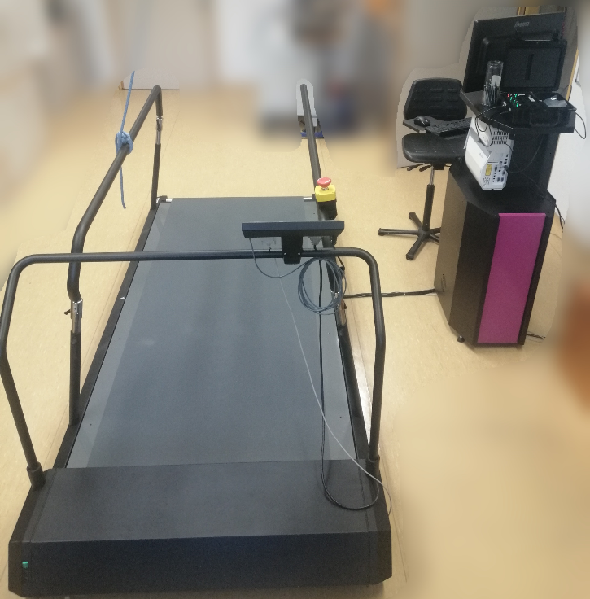 Image
 | Assessed System Abilities | Motion ability, adaptability

Protocol Sheet
If several protocols are defined for the same protocol, please copy and paste the following table

Generalities | Item | Template designer description
 | Name | Bestable: Visually-cued stepping perturbations on a treadmill.
 | Definition | Walking on a treadmill and stepping on targets projected onto its surface in unexpected patterns to perturb balance. Outcome measures include spatio-temporal stepping characteristics (step length, step width and step time), target error (i.e. minimum distance to target) and success rate. Ground reaction force, center of pressure and gait events (i.e. toe off, heel strike) serve as additional time-stamped output signals.
 | Image | 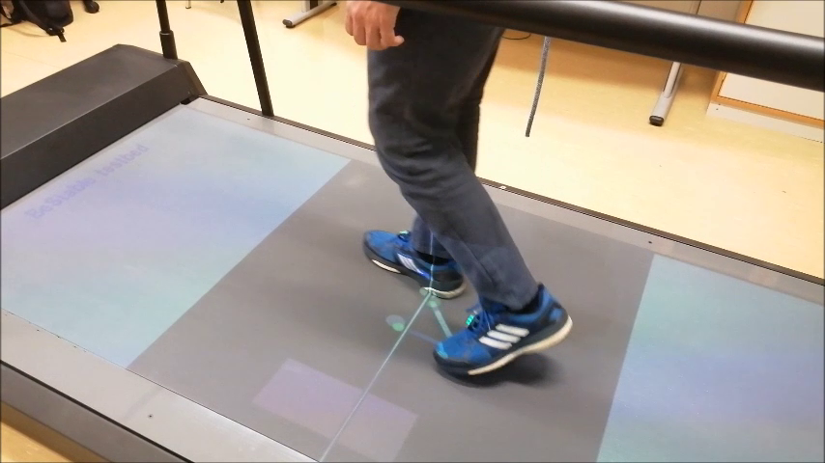
 | Keywords | Walking, perturbation, balance
 | Suitable Bipedal Systems | Human, Prosthesis, Orthosis, Exoskeleton
 | Associated PI Algo
 | Estimated experimentation duration | 25 min

Controlled variables | Name | Definition | Type | Range | Unit
 | Walking speed |  | float | 0.4-0.8 | m/s

Testbed | Item | Type (sensor / actuator/ combined) | Technical File Sheet
 | Customized instrumented treadmill | combined | https://drive.google.com/file/d/16GI2iPzNInzbGciA-sC6vP2AeM8N1Im2/view?usp=sharing
Testbed internal components | Sensor | Type | Technical File Sheet
 | Wireless IMU sensors (x2) | Trigno Avanti wireless EMG/IMU (Delsys Inc, Natick, USA) | https://www.delsys.com/trigno/research/#trigno-avanti-sensor
 | Force plate | Integrated in treadmill | See below

 | Actuators | Type | Technical File Sheet
 | Treadmill | N-Mill (Motek Medical BV, Amsterdam, NL) | https://www.motekmedical.com/
 | Projection system (in the PC console) | Provided by Motek Medical BV (Amsterdam, NL) | https://www.casioprojector.com/products/Ultra_Short_Throw/XJ-UT312WN

 | Other equipment | Type | Technical File Sheet
 | Software: wireless IMU low-level communications | Delsys Trigno Utility (Delsys Inc, Natick, USA) | https://delsys.com/support/software/
 | Software: data logging, treadmill/projector control, and protocol administration | D-Flow (Motek Medical BV, Amsterdam, NL) | https://www.motekmedical.com/software/d-flow/
 | PC (in the PC console)
 | Data Acquisititon Board (in the PC console) | NI USB-6210 | https://www.ni.com/en-us/support/model.usb-6210.html
 | Safety system (Safety Harness - 3 different sizes, safety rope with locking mechanism 2 Ceiling Hooks) | Provided by Motek Medical BV

Protocol description | General description | The protocol is composed of the gathering subject's native gait and perturbed gait after applying different perturbations - visual cues, that will appear on the surface of the treadmill. The subject should wear safety harness and would be instructed to walk in the center of the treadmill at the particular treadmill speed. During the unperturbed session (before enabling visual perturbations), the system is gathering/recording performance indicators (step length, step width, step time), which are calculated from the gait events (toe-off, heel-strike). Gait events are detected by using a COP-based algorithm that monitors COP pattern of the walking subject and outputs gait events of the left and right toe-offs and heel-strikes. After enabling visual perturbations, the visual target appear on the treadmill surface at (random) location, which deviates from the normal stepping position, while the subject needs to quickly react by stepping on a visual cue. This provokes a balance response of the next few steps. The system calculates target error, which is the minimum distance between COP and the center of the visual cue in a period, when visual cue is visible. After (random) number of recovery steps the new visual target appears for placing the left or right foot (depends on a protocol settings). The protocol finishes when all selected perturbations are triggered. The number of all perturbations (visual cues/targets) depends on selected perturbation direction (forward, inward, outward, forward-inward and forward-outward), number of repetitions and selection of the step targets (left foot, right foot or both feet). In case of all perturbation directions, one repetition per perturbation direction and both feet are selected, the number of all perturbations is 10. The system outputs files about subject info, protocol condition, platformData (step-stamped data) and gaitEvents data (time-stamped data, includes COP and vertical GRF).
 | Step | Description | Complementary information
 | 1 | Turn on the treadmill and PC console
 | 2 | Login to the PC with the admin profile (user: admin, password: admin).
 | 3 | Start Delsys Trigno software | (shortcut on a desktop)
 | 4 | Start D-Flow software using the shortcut in desktop or from the start menu | (Note: use D-Flow and not D-Flow Frontend!)
 | 5 | Open the latest version of our BeStable application | (File🡺Open…🡺Browse to D:\CAREN Resources\Projects\BeStable platform ver2\Applications\Bestable_v10.caren) Note: a shortcut to “Bestable_v10.caren” is placed on the desktop
 | 6 | On the treadmill’s control panel disengage the emergency stop (twist and it will pop up), press the black arrow button (Enter button). The message on the LCD screen should change from “Stop” to “Stand by”. Press the “Enter button” again to enable the treadmill motor. The speed will be visible.
 | 7 | Double click on the MoCap module, ensure that it is in “Live” mode, calibrate the force plate by clicking on the calibrate button in analog tab.
 | 8 | Open View🡺Runtime Console (shortcut F2), where the parameters of the subject and protocol can be selected |  |  |  | Nathan: does the protocol end by itself, or does the operator need to do that himself? Matjaz: The protocol stops putting visual cues when they run out. If sound is activated, then it says "Protocol finished" and the operator needs to press stop button.
 | 9 | Runtime Console - in “Hardware” tab, force plates can also be zero-levelled here. All hardware from the list needs to be checked in order to proceed with the “Acknowledge >>” button |  |  |  | Nathan: how can you now access the performance indicators (and the other logged signals)? Matjaz: PIs are located in the output files "subject_X_cond_Y_run_Z_platformData.csv", which is step-stamped data. This can be then processed using Octave scripts we made for that.
 | 10 | After clicking “Acknowledge >>” button from the “Hardware” tab, the subject characteristics should be set in the “Subject” tab
 | 11 | In the “Perturbation” tab, select custom protocol parameters (including treadmill speed) or check “Import protocol from …”, which loads protocol parameters from the “protocol.yaml” file located in “D:\CAREN Resources\Projects\BeStable platform ver2\Protocols”. | Note 1: The treadmill will not run until the “Play” button is pressed. Note 2: Data recording is enabled by default. Protocol parameters (condition 1): treadmill_speed: 0.4 m/s perturbation_directions: fw, fwow, fwiw, iw, ow perturbation_randomized: true target_step: both_feet perturbation_repetitions: 5 sound: true Protocol parameters (condition 2): treadmill_speed: 0.6 m/s perturbation_directions: fw, fwow, fwiw, iw, ow perturbation_randomized: true target_step: both_feet perturbation_repetitions: 5 sound: true Protocol parameters (condition 3): treadmill_speed: 0.8 m/s perturbation_directions: fw, fwow, fwiw, iw, ow perturbation_randomized: true target_step: both_feet perturbation_repetitions: 5 sound: true
 | 12 | Put the safety harness on a subject and ask the subject to step on a treadmill positioned with the feet on the central line projected on the treadmill surface. Attach the safety harness on a safety hook.
 | 13 | Open the “Main script” block window in order to monitor program states
 | 14 | Instruct subject to walk within the dark area surrounded by red_zone_front and red_zone_rear, or for example, stepping on a central line. Instruct subject to step on a target with the leg, which is in the swing phase. | Note that, red visual cue (red ellipse) is a left foot target and blue visual cue (blue ellipse) is a right foot target. The subjects needs to be very concentrated and focused on the projection on the walking surface in order to react quickly when visual target appears.
 | 15 | To start the experiment, press the “PLAY” button in the Runtime console. The treadmill will start to accelerate (max. acceleration is set in the Treadmill block) until it reaches the desired velocity. | The system will start calculating PI data and writing it to the step-stamped data file “subject_X_cond_Y_run_Z_platformData.csv”. Note: Sometimes the error “Script timeout” might appear in the Output window of the main script for an unknown reason. In this case, press the “STOP” button in the “Runtime console”, press the “REWIND” and start again by pressing the “PLAY” button.
 | 16 | Subject should walk for approx. 2 minutes in order to gather enough unperturbed steps, which can serve as subject native gait.
 | 17 | After gathering enough step data of the unperturbed walking, press the “TOGGLE PERTURBATIONS” button in the Runtime console to apply perturbations. The average values of the toe-off locations for left and rigth leg will freeze and the new target steps (visual cues) will appear based on freezed toe-off locationsThe perturbations will be automatically disabled after finishing the protocol.
 | 18 | Press the “STOP” button when you want to stop. This will also stop the recording module and save files to the folder named “subject ID” (example: subject ID 15) in the following location: D:\CAREN Resources\Projects\BeStable platform ver2\Data\subject 15\
 | 19 | The output files can be processed by the Octave scripts of the BeStable project. | Instructions and Octave scripts can be found in the following repository: https://gitlab.com/matjazzadravec/bestable-platform-codes

Does your protocol involve several runs? |  | YES /NO | NO, NOT MANDATORY. In a single run, the visual targets' repetitions can be set in order to get enough data.
Does your protocol involve several conditions? |  | YES(How many?) /NO | YES, 3 (changing walking speed: 0.4, 0.6 and 0.8 m/s)
Can your protocol involves several subjects |  | YES /NO | YES, but not simultaneously

