Scenario-Protocol
Scenario Sheet |  |  |  |  |  | Indications
 | There should be only on scenario per file. If needed duplicat that file |  |  |  |  | Explanation available at https://github.com/aremazeilles/eurobench_documentation/blob/master/template.adoc
 |  |  |  |  |  | If a field is unclear, please email us or open an issue on the github account.
 | Item | Template designer description
 | Short name | Kinematics of slope walking of non-impaired individuals |  |  |  | Single sentence
 | Description | Slope walking influences the kinematics of the joints of the lower extremities when compared to level ground walking. Wearable robots should change their movement behavior once a subject is walking on an inclined surface. By benchmarking the joint kinematics of inclined walking of non-impaired individuals we can set a baseline to which inclined walking with bipedal robots can be compared. |  |  |  | Paragraph indicating the context of the scenario
 | Image | 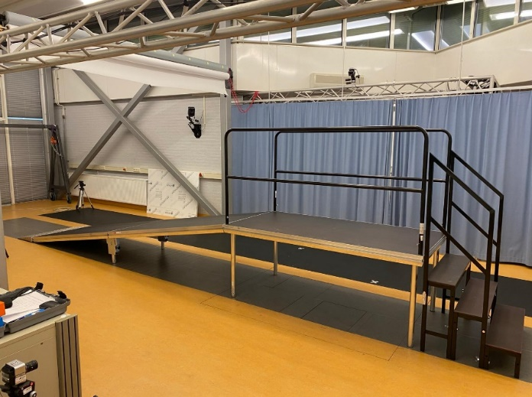
 | Assessed System Abilities | Human likeness |  |  |  | Not mandatory at this stage

Protocol Sheet
If several protocols are defined for the same protocol, please copy and paste the following table
How many protocols are defined?

Generalities | Item | Template designer description
 | Name | Kinematics of inclined walking of non-impared individuals |  |  |  | Single sentence
 | Definition | Slope walking influences the kinematics of the joints of the lower extremities when compared to level ground walking. Wearable robots should change their movement behavior once a subject is walking on an inclined surface. By benchmarking the joint kinematics of inclined walking of non-impaired individuals we can set a baseline to which inclined walking with bipedal robots can be compared. |  |  |  | Paragraph indicating the purpose, objective of the protocol. What are we characterising, how do we characterise it?
 | Image |  |  |  |  | Mandatory
 | Keywords | Walking, kinematics, non-impaired
 | Suitable Bipedal Systems | Humanoid, Prosthesis, Exoskeleton, Human |  |  |  | Possible values: Humanoid, prosthesis, exoskeleton, human (can be various)
 | Associated PI Algo | pi_walk_slope |  |  |  | Names of the algorithms to be launched (as indicated In cell Algorithm name in Pi-PI Algo sheet)
 | Estimated experimentation duration | 10 minutes / subject

Controlled variables | Name | Definition | Type | Range | Unit | See https://github.com/aremazeilles/eurobench_documentation/blob/master/template.adoc#3-protocol-sheet. Should contain parameters that are not emasured in the experiment, but required to configure the testbed, or to describe the current experimental condition.
 | Number of strides | Number of heel strikes of the ipsilateral leg | Count | 2-30 | steps

Testbed | Item | Type (sensor / actuator/ combined) | Technical File Sheet |  |  | Differentiate traditional equipment (motion capture, force platform, …), from instrumented testbed. If the protocol requires a specific instrumented system, name it with something like instrumented crutches, or instrumented walls, and provide a link towards a document describing the components of the device, with information on how to build it, use it...
 | Motion Capture System | Inertial measurement units | Xsens
 | Slope test | equipment | undefined

Protocol description | General description | SLOPE UP: Ask the participant to stand on level ground at the bottom of the slope in such a way that the first step will be made on the slope. Start the measurement and ask the subject to walk up the slope and pause when both feet are on level ground. Stop the measurement once the subject reaches level ground with both feet. | SLOPE DOWN: Ask the participant to stand at the top of the slope in such a way that the first step will be made on the slope. Start the measurement and ask the subject to walk down the slope and pause when the the subject is on level ground again. Stop the measurement once the subject reaches level ground with both feet. |  |  | Provide in a sentence or two an overview of the activity asked to the subject
 | Step | Description | Complementary information |  |  | Describe here the main instruction the operator / subject should follow. We expect having aside a more complete description of the operations to perform, like another document detailing all these operations
 | 1 | Perform body measurements | https://tutorial.xsens.com
 | 2 | Attach the IMUs according to specifications
 | 3 | Perform calibration procedure
 | 4 | Check calibration quality
 | 5 | Perform measurement
 | 6 | Check measurement quality
 | 7
 | 8
 | 9
 | 10

Does your protocol involve several runs? |  | YES |  |  |  | Using several runs means reproducing the experiment in exactly the same conditions, to get statistics for instance. Having several runs would require to repeat some steps in the protocol, and would generate a set of input files per run, like run_01_jointAngles.csv, run_02_jointAngles.csv, ..., run_01_emg.csv, run_02_emg.csv, ...... If a single run is envisioned, we would only have a single version of each of the input file, i.e jointAngles.csv and emg.csv.
Does your protocol involve several conditions? |  | YES | walk up, walk down |  |  | Having several conditions requires repeating the experiment changing one condition/ parameter. This can be the angle of the slope (in a protocol walking on slope), the level of support provided by the Exoskeleton (no support, level 1, level 2…).
Can your protocol involves several subjects |  | YES |  |  |  | This only makes sense for protocols involving human subjects. This is a common practice to involve several huamn subjects when conducting an experimentation.

