Scenario-Protocol
Scenario Sheet
 | There should be only on scenario per file. If needed duplicate that file
 |  |  |  |  |  |  | link documentazione github
 | Item | Template designer description |  |  |  |  | https://github.com/aremazeilles/eurobench_documentation
 | Short name | External replicable disturbance
 | Description | Legged robots during standing or locomotion tasks must be capable to react safely and reject external disturbances. This testbed has the purpose to fully characterize their stability and control behaviors against dynamic loads. The system applies different types of replicable disturbance actions on a agent. Capability to provide controlled pushes is required to analize the system stability properties, and the control reaction.
 | Image | 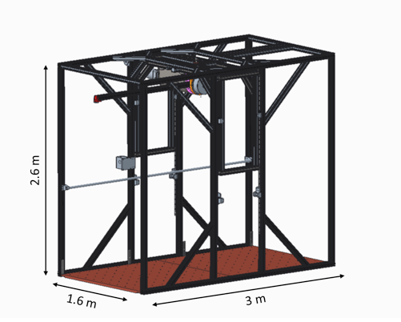
 | Assessed System Abilities | Capability of the agent to be resilient to external disturbances

Protocol Sheet
If several protocols are defined for the same protocol, please copy and paste the following table

Generalities | Item | Template designer description
 | Name | Reaction to Impulsive Disturbance
 | Definition | This test characterizes the system stability when subjected to external impacts. The purpose is to define the maximum of impulsive force and energy that the system is capable handle without incurring in unstability. During the tests, the pendulum falls down freely from a given height, corresponding to a given energy, and hits the agent.
 | Image | 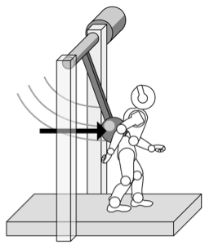
 | Keywords | impact, impulse, energy, resilience
 | Suitable Bipedal Systems | Humanoids, Exoskeletons
 | Associated PI Algo | algo_impulsive_disturbance
 | Estimated experimentation duration | 1 minute / run / subject

Controlled variables | Name | Definition | Type | Range | Unit
 | Initial_energy | Pendulum initial energy | float | [0, 200] | J
 | Pendulum_length | Pendulum set length | float | [0.5-1-1.2] | m
 | Pendulum_added_mass | Pendulum additional mass | integer | [1, 5] | kg
 | Pendulum_height | Pendulum base height | float | [1.2, 2] | m

Testbed | Item | Type (sensor / actuator/ combined) | Technical File Sheet
 | Motion Capture System | sensor
 | Treadmill | actuator (to enable testing during walking, not mandatory)
 | Instrumented actuated pendulum | testbed developed by the dysturbance consortium. more details on its implementation are reported in the technical sheets. | https://github.com/CentroEPiaggio/dysturbance/blob/master/Documentation/Dysturbance_TestBed_Description_.pdf

Protocol description | General description | The researcher should set up the structure and place the subject (robot) in the correct position. The robot should stay upright balancing within the setup. After that, the test can start. Detailed experimental steps are reported below.
 | Step | Description | Complementary information
 | 1 | Set manually the pendulum base at the height Pendulum_height
 | 2 | Set the additional mass M, and the length of the pendulum Pendulum_length
 | 3 | Place the agent at the starting pose
 | 4 | Raise the pendulum up to the angle corrsponding to the pendulum energy Initial_energy
 | 5 | Start data acquisition
 | 6 | The pendulum falls and hits the agent
 | 7 | The pendulum oscillation is damped out
 | 8 | Stop data acquisition
 | 9 | Repeat from 3 to 8 to collect multiple data at same experiment conditions (min. 10 runs)

Does your protocol involve several runs? |  | Yes, at least we expect 10 runs |  |  |  | Using several runs means reproducing the experiment in exactly the same conditions, to get statistics for instance. Having several runs would require to repeat some steps in the protocol, and would generate a set of input files per run, like run_01_jointAngles.csv, run_02_jointAngles.csv, ..., run_01_emg.csv, run_02_emg.csv, ...... If a single run is envisioned, we would only have a single version of each of the input file, i.e jointAngles.csv and emg.csv.
Does your protocol involve several conditions? |  | Yes, we expect to perform tests varying initial energy and impact force. (we plan 5 incremental steps for each condition) |  |  |  | Having several conditions requires repeating the experiment changing one condition/ parameter. This can be the angle of the slope (in a protocol walking on slope), the level of support provided by the Exoskeleton (no support, level 1, level 2…).
Can your protocol involves several subjects |  | NO (no human subjects involved) |  |  |  | This only makes sense for protocols involving human subjects. This is a common practice to involve several huamn subjects when conducting an experimentation.

Protocol Sheet
If several protocols are defined for the same protocol, please copy and paste the following table

Generalities | Item | Template designer description
 | Name | Reaction to Sinusoidal Force Disturbance
 | Definition | This test characterizes the system stability in the frequency domain. During the test, the system is subjected to repetitive sinusoidal force disturbances at a given frequency.
 | Image | 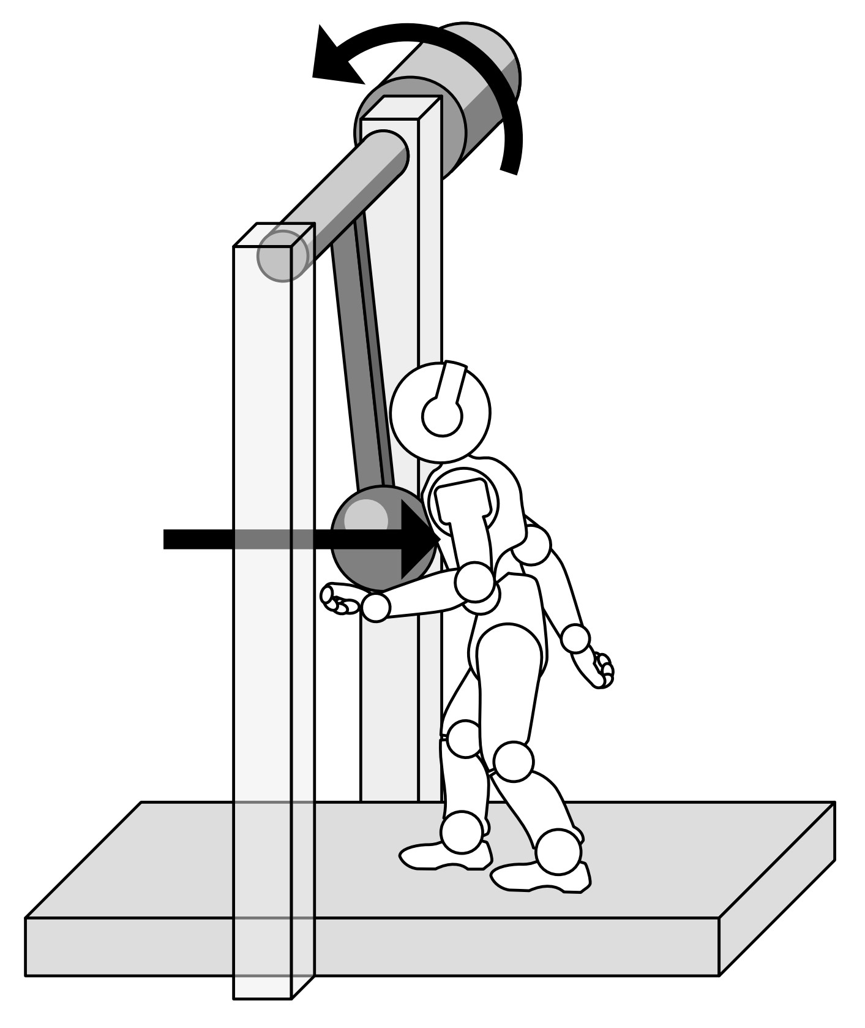
 | Keywords | Force disturbance, Amplitude, Frequency
 | Suitable Bipedal Systems | Humanoids, Exoskeletons
 | Associated PI Algo | algo_sinusoidal_force_disturbance
 | Estimated experimentation duration | 5 minute / run / subject

Controlled variables | Name | Definition | Type | Range | Unit
 | Force_amplitude | Pendulum force magnitude | float | [0, 600] | N
 | Pendulum_frequency | Pendulum oscillation frequency | float | [0, 2] | Hz
 | Cycles_number | Number of cycles | integer | [1, 100] | N/A
 | Pendulum_height | Pendulum base height | float | [1.2, 2] | m
 | Pendulum_length | Pendulum set length | float | [0.5-1-1.2] | m

Testbed | Item | Type (sensor / actuator/ combined) | Technical File Sheet
 | Motion Capture System | sensor
 | Treadmill | actuator (to enable testing during walking, not mandatory)
 | Instrumented actuated pendulum | testbed developed by the dysturbance consortium. more details on its implementation are reported in the technical sheets. | https://github.com/CentroEPiaggio/dysturbance/blob/master/Documentation/Dysturbance_TestBed_Description_.pdf

Testbed | Sensor | Type | Technical File Sheet
 | Complementary Motion Capture system | A motion capture system, e.g. vicon or similar, to measure agent displacement would integrate the testbed functionalities | not provided by the dysturbance consortium
 | Actuators | Type | Technical File Sheet
 | Treadmill | the presence of a treadmill would allow to test agent while walking. | not provided by the dysturbance consortium
 | Other equipment | Type | Technical File Sheet
 | Instrumented actuated pendulum | testbed developed by the dysturbance consortium. more details on its implementation are reported in the technical sheets. | https://github.com/CentroEPiaggio/dysturbance/blob/master/Documentation/Dysturbance_TestBed_Description_.pdf

Protocol description | General description | The researcher should set up the structure and place the subject (robot) in the correct position. The robot should stay upright balancing within the setup. After that, the test can start. Detailed experimental steps are reported below.
 | Step | Description | Complementary information
 | 1 | Set manually the pendulum base at the height H
 | 2 | Set the test parameters (disturb frequency and amplitude) and the testbed variables mass M, and the length of the pendulum L
 | 3 | Place the agent at the starting point
 | 4 | The pendulum reaches the contact point with the robot which sets the zero of the disturb
 | 5 | Start data acquisition
 | 6 | Start the sinusoidal disturbance
 | 7 | Stop data acquisition when the disturbance ends or when interrupted by the user (robot fall)
 | 8 | Repeat from 3 to 7 to collect multiple data at same experiment conditions (min. 10 times)
Does your protocol involve several runs? |  | Yes, at least we expect 10 runs |  |  |  | Using several runs means reproducing the experiment in exactly the same conditions, to get statistics for instance. Having several runs would require to repeat some steps in the protocol, and would generate a set of input files per run, like run_01_jointAngles.csv, run_02_jointAngles.csv, ..., run_01_emg.csv, run_02_emg.csv, ...... If a single run is envisioned, we would only have a single version of each of the input file, i.e jointAngles.csv and emg.csv.
Does your protocol involve several conditions? |  | Yes, we expect to perform tests varying force amplitude and frequency. (we plan 3 incremental steps for each condition) |  |  |  | Having several conditions requires repeating the experiment changing one condition/ parameter. This can be the angle of the slope (in a protocol walking on slope), the level of support provided by the Exoskeleton (no support, level 1, level 2…).
Can your protocol involves several subjects |  | NO (no human subjects involved) |  |  |  | This only makes sense for protocols involving human subjects. This is a common practice to involve several huamn subjects when conducting an experimentation.

Protocol Sheet
If several protocols are defined for the same protocol, please copy and paste the following table

Generalities | Item | Template designer description
 | Name | Reaction to Sinusoidal displacement Disturbance
 | Definition | This test characterizes the system stability in the frequency domain. During the test, the system is subjected to repetitive sinusoidal displacement disturbances at a given frequency.
 | Image
 | Keywords | external perturbation
 | Suitable Bipedal Systems | Humanoid, exoskeleton
 | Associated PI Algo | algo_sinusoidal_displacement_disturbance
 | Estimated experimentation duration | 5 minute / run / subject

Controlled variables | Name | Definition | Type | Range | Unit
 | Displacement_amplitude | Pendulum oscillation amplitude | float | [0, 30] | deg
 | Pendulum_frequency | Pendulum oscillation frequency | float | [0, 2] | Hz
 | Cycles_number | Number of cycles | integer | [1, 100] | N/A
 | Pendulum_height | Pendulum base height | float | [1.2, 2] | m
 | Pendulum_length | Pendulum set length | float | [0.5-1-1.2] | m

Testbed | Item | Type (sensor / actuator/ combined) | Technical File Sheet
 | Motion Capture System | sensor
 | Treadmill | actuator (to enable testing during walking, not mandatory)
 | Instrumented actuated pendulum | testbed developed by the dysturbance consortium. more details on its implementation are reported in the technical sheets. | https://github.com/CentroEPiaggio/dysturbance/blob/master/Documentation/Dysturbance_TestBed_Description_.pdf

Testbed | Sensor | Type | Technical File Sheet
 | Complementary Motion Capture system | A motion capture system, e.g. vicon or similar, to measure agent displacement would integrate the testbed functionalities | not provided by the dysturbance consortium
 | Actuators | Type | Technical File Sheet
 | Treadmill | the presence of a treadmill would allow to test agent while walking. | not provided by the dysturbance consortium
 | Other equipment | Type | Technical File Sheet
 | Instrumented actuated pendulum | testbed developed by the dysturbance consortium. more details on its implementation are reported in the technical sheets. | https://github.com/CentroEPiaggio/dysturbance/blob/master/Documentation/Dysturbance_TestBed_Description_.pdf

Protocol description | General description | The researcher should set up the structure and place the subject (robot) in the correct position. The robot should stay upright balancing within the setup. After that, the test can start. Detailed experimental steps are reported below.
 | Step | Description | Complementary information
 | 1 | Set manually the pendulum base at the height H
 | 2 | Set the test parameters (disturb frequency and amplitude) and the testbed variables additional mass M, and the length of the pendulum L
 | 3 | Place the agent at the starting point
 | 4 | The pendulum reaches the contact point with the robot which sets the zero of the disturb
 | 5 | Start data acquisition
 | 6 | Start the sinusoidal disturb
 | 7 | Stop data acquisition when the disturb ends or when interrupted by the user (robot fall)
 | 8 | Repeat from 3 to 7 to collect multiple data at same experiment conditions (min. 10 times)

Does your protocol involve several runs? |  | Yes, at least we expect 10 runs |  |  |  | Using several runs means reproducing the experiment in exactly the same conditions, to get statistics for instance. Having several runs would require to repeat some steps in the protocol, and would generate a set of input files per run, like run_01_jointAngles.csv, run_02_jointAngles.csv, ..., run_01_emg.csv, run_02_emg.csv, ...... If a single run is envisioned, we would only have a single version of each of the input file, i.e jointAngles.csv and emg.csv.
Does your protocol involve several conditions? |  | Yes, we expect to perform tests varying displacement amplitude and frequency. (we plan 3 incremental steps for each condition) |  |  |  | Having several conditions requires repeating the experiment changing one condition/ parameter. This can be the angle of the slope (in a protocol walking on slope), the level of support provided by the Exoskeleton (no support, level 1, level 2…).
Can your protocol involves several subjects |  | NO (no human subjects involved) |  |  |  | This only makes sense for protocols involving human subjects. This is a common practice to involve several huamn subjects when conducting an experimentation.

Protocol Sheet
If several protocols are defined for the same protocol, please copy and paste the following table

Generalities | Item | Template designer description
 | Name | Reaction to external Quasistatic Force Disturbance
 | Definition | This test evaluates the capability of the system to adapt and resist an almost constant push, and to find the maximum value of quasi-static load the system is capable to resist without falling. We provide a Time-Linear quasi-static Force/Displacement perturbation. |  |  |  | Here, if force and displacement are different protocols, we should duplicate this to get one per each. I do it, but you should verify the info is coherent, and if possible, introduce some differences in between the two protocols
 | Image
 | Keywords | external perturbation
 | Suitable Bipedal Systems | Humanoid, exoskeleton
 | Associated PI Algo | algo_quasistatic_force_disturbance
 | Estimated experimentation duration | 5 minute / run / subject

Controlled variables | Name | Definition | Type | Range | Unit
 | Force_rate | Force over time rate | float | [0, 300] | N/s
 | Displacement_rate | Displacement over time rate | float | [0, 60] | deg/s
 | Pendulum_height | Pendulum base height | float | [1.2, 2] | m
 | Pendulum_length | Pendulum set length | float | [0.5-1-1.2] | m

Testbed | Item | Type (sensor / actuator/ combined) | Technical File Sheet
 | Motion Capture System | sensor
 | Treadmill | actuator (to enable testing during walking, not mandatory)
 | Instrumented actuated pendulum | testbed developed by the dysturbance consortium. more details on its implementation are reported in the technical sheets. | https://github.com/CentroEPiaggio/dysturbance/blob/master/Documentation/Dysturbance_TestBed_Description_.pdf

Testbed | Sensor | Type | Technical File Sheet
 | Complementary Motion Capture system | A motion capture system, e.g. vicon or similar, to measure agent displacement would integrate the testbed functionalities | not provided by the dysturbance consortium
 | Actuators | Type | Technical File Sheet
 | Treadmill | the presence of a treadmill would allow to test agent while walking. | not provided by the dysturbance consortium
 | Other equipment | Type | Technical File Sheet
 | Instrumented actuated pendulum | testbed developed by the dysturbance consortium. more details on its implementation are reported in the technical sheets. | https://github.com/CentroEPiaggio/dysturbance/blob/master/Documentation/Dysturbance_TestBed_Description_.pdf

Protocol description | General description | The researcher should set up the structure and place the subject (robot) in the correct position. The robot should stay upright balancing within the setup. After that, the test can start. Detailed experimental steps are reported below.
 | Step | Description | Complementary information
 | 1 | Set manually the pendulum base at the height H
 | 2 | Set the additional mass M, and the length of the pendulum L
 | 3 | Place the agent at the starting point
 | 4 | The pendulum reaches the contact point with the robot which sets the zero of the disturb
 | 5 | Start data acquisition
 | 6 | Start the linear disturb
 | 7 | Stop data acquisition when the disturb ends or when interrupted by the user (robot fall)
 | 8 | Repeat from 3 to 7 to collect multiple data at same experiment conditions (min. 10 times)

Does your protocol involve several runs? |  | Yes, at least we expect 10 runs |  |  |  | Using several runs means reproducing the experiment in exactly the same conditions, to get statistics for instance. Having several runs would require to repeat some steps in the protocol, and would generate a set of input files per run, like run_01_jointAngles.csv, run_02_jointAngles.csv, ..., run_01_emg.csv, run_02_emg.csv, ...... If a single run is envisioned, we would only have a single version of each of the input file, i.e jointAngles.csv and emg.csv.
Does your protocol involve several conditions? |  | No |  |  |  | Having several conditions requires repeating the experiment changing one condition/ parameter. This can be the angle of the slope (in a protocol walking on slope), the level of support provided by the Exoskeleton (no support, level 1, level 2…).
Can your protocol involves several subjects |  | No (no human subjects involved) |  |  |  | This only makes sense for protocols involving human subjects. This is a common practice to involve several huamn subjects when conducting an experimentation.

Generalities | Item | Template designer description
 | Name | Reaction to external Quasistatic Displacement Disturbance |  |  |  | My copy paste
 | Definition | This test evaluates the capability of the system to adapt and resist an almost constant push, and to find the maximum value of quasi-static load the system is capable to resist without falling. We provide a Time-Linear quasi-static Force/Displacement perturbation.
 | Image
 | Keywords | external perturbation
 | Suitable Bipedal Systems | Humanoid, exoskeleton
 | Associated PI Algo | algo_quasistatic_displacement_disturbance
 | Estimated experimentation duration | 5 minute / run / subject

Controlled variables | Name | Definition | Type | Range | Unit
 | Force_rate | Force over time rate | float | [0, 300] | N/s
 | Displacement_rate | Displacement over time rate | float | [0, 60] | deg/s
 | Pendulum_height | Pendulum base height | float | [1.2, 2] | m
 | Pendulum_length | Pendulum set length | float | [0.5-1-1.2] | m

Testbed | Item | Type (sensor / actuator/ combined) | Technical File Sheet
 | Motion Capture System | sensor
 | Treadmill | actuator (to enable testing during walking, not mandatory)
 | Instrumented actuated pendulum | testbed developed by the dysturbance consortium. more details on its implementation are reported in the technical sheets. | https://github.com/CentroEPiaggio/dysturbance/blob/master/Documentation/Dysturbance_TestBed_Description_.pdf

Testbed | Sensor | Type | Technical File Sheet
 | Complementary Motion Capture system | A motion capture system, e.g. vicon or similar, to measure agent displacement would integrate the testbed functionalities | not provided by the dysturbance consortium
 | Actuators | Type | Technical File Sheet
 | Treadmill | the presence of a treadmill would allow to test agent while walking. | not provided by the dysturbance consortium
 | Other equipment | Type | Technical File Sheet
 | Instrumented actuated pendulum | testbed developed by the dysturbance consortium. more details on its implementation are reported in the technical sheets. | https://github.com/CentroEPiaggio/dysturbance/blob/master/Documentation/Dysturbance_TestBed_Description_.pdf

Protocol description | General description | The researcher should set up the structure and place the subject (robot) in the correct position. The robot should stay upright balancing within the setup. After that, the test can start. Detailed experimental steps are reported below.
 | Step | Description | Complementary information
 | 1 | Set manually the pendulum base at the height H
 | 2 | Set the additional mass M, and the length of the pendulum L
 | 3 | Place the agent at the starting point
 | 4 | The pendulum reaches the contact point with the robot which sets the zero of the disturb
 | 5 | Start data acquisition
 | 6 | Start the linear disturb
 | 7 | Stop data acquisition when the disturb ends or when interrupted by the user (robot fall)
 | 8 | Repeat from 3 to 7 to collect multiple data at same experiment conditions (min. 10 times)

Does your protocol involve several runs? |  | Yes, at least we expect 10 runs
Does your protocol involve several conditions? |  | No
Can your protocol involves several subjects |  | No (no human subjects involved)

