Scenario-Protocol
Scenario Sheet
 | There should be only on scenario per file. If needed duplicat that file

 | Item | Template designer description
 | Short name | subject body scanning
 | Description | This is a preliminary activity to assess the human body segments' masses and inertia components, to be later used in modelling in other scenarios. This should replace or integrate the anthropometic measurements usually performed by an expert clinician.
 | Image | 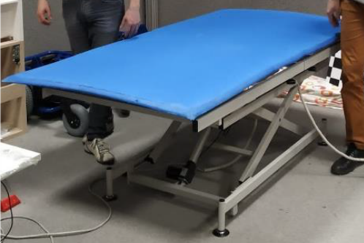
 | Assessed System Abilities | Scan the subject to measure body volumes and length. The scenario consists of a bed and a camera attached to the bed structural frame.

Protocol Sheet
If several protocols are defined for the same protocol, please copy and paste the following table

Generalities | Item | Template designer description
 | Name | subject body scanning
 | Definition | Instrumented bed to scan the subject, using a vision system, in order to measure body volumes and length. The camera is attached to the bed structural frame to provide a constant distance between the camera and the bed. The bed mattress has to be characterized by minimal deformation so as not to influence the volume measurement.
 | Image
 | Keywords | volume body scanner
 | Suitable Bipedal Systems | Prosthesis, exoskeleton, humans
 | Associated PI Algo | Bullet software routine
 | Estimated experimentation duration | 5 min

Controlled variables | Name | Definition | Type | Range | Unit

Testbed | Sensor | Type | Technical File Sheet
 | volumetric scanner | sensor | TOF Camera (AzureKinectDKHardwareSpec.pdf)

 | Actuators | Type | Technical File Sheet

 | Other equipment | Type | Technical File Sheet

 | General description | The subject is asked to lay flat on a bed, wearing tight undergarment. While the subject stands still, a 3D camera measures his/her volumes. The system then assessess the mass and inertia of each body segment.
Protocol description | Step | Description | Complementary information
 | 1 | Welcome and experiment explanation | Confirm to the subject that no image will be actually taken, and only anthropometric measurements will be saved.
 | 2 | Wear tight undergarment | Clothes shuld not be black (yellow is preferred, for contrast with the blue bed)
 | 3 | Place the subject on the bed | The subject has to assume the "Hands up" position
 | 4 | Start the data acquisition | Ask the subject to lay still while the measurment take place
 | 5 | Remove the subject from the bed
 | 6 | Data processing | A file containing the anthropometric data of the subject is now available. No user input is needed to stop the process
 | 7
 | 8
 | 9
 | 10

What is the outcome of this protocol? Please complete
The outcome is a file with the inertial and mass properties of each of the segment of the human body, according to the model and the data format defined by Eurobench specifications

